Overview-EOLCheck
Software Test Design Specification (SWTDS) - Overview (Finding test conditions)

Project information |  |  |  | Feature for customer (Motivation, Scope, Purpose) |  |  |  |  | Document information
Product / Project | AB12/Mazda Gen7 |  |  | EOL Configuration Check: Write/Read EOL Data Configuration in serveral conditions to check behavior of Data Configuration Write/Read and Configuration Data Set Validate. |  |  |  |  | Document Nr.
Test item | EOL |  |  |  |  |  |  |  | Author | Ha Quang Hien (RVBH/ESS24)
Review history |  |  |  |  |  |  |  |  | Time frame | 5 Nov, 2019
Date on review | Review team |  |  |  |  |  |  |  | Test basis
 |  |  |  |  |  |  |  |  | Name |  | Baseline/Revision
 |  |  |  |  |  |  |  |  | SRS10_EOL_MazdaEndOfLine__CustLib |  | 1.9
 |  |  |  |  |  |  |  |  | SYRS317_SSDS_ECU_Config__CustLib |  | 14.7
 |  |  |  |  |  |  |  |  | CRS088_SystemVariantConfiguration |  | 15.3
 |  |  |  |  |  |  |  |  | CRS382_EOL_configuration_sheet |  | 14.3
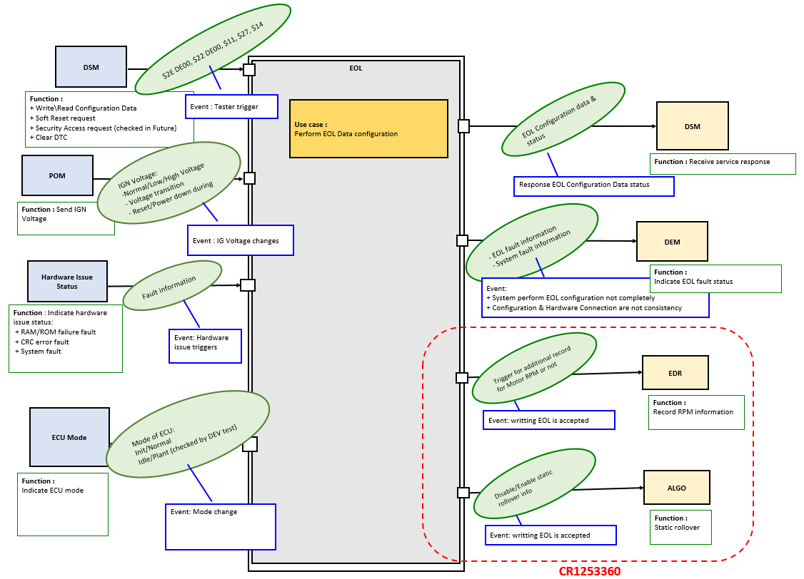
Visualization of the test design (overview)

Hint to find test conditions in airbag system -> Please find details in the "Feature library". |  |  |  |  |  |  | Change history
Feature |  | Awareness keywords |  |  | Feature | Awarness keywords | Nr. | Change
Power supply condition |  |  | High, Low, Normal, Fractuation |  | Inputs | Squib, Switch, Central/Peripheral sensor | 1 | New creation EOL Data Configuration Check
Fault recorder |  | Step-up/down, Next power-on cycle |  |  | Outputs |  | 2 | Update after 1st review
Communication (CAN/LIN) |  | Diagnositc communication |  |  |  |  | 3 | Update after 2nd review
ECU mode |  | Idle, Disposal, Autarky, Plant mode, transition |  |  |  |  | 4 | Create matrix
Power supply condition |  | High, Low, Normal, Fractuation |  |  |  |  | 5 | Update TS tag
Bosch/Customer plant |  | Plant mode operation, Customer plant features |  |  |  |  | 6 | Make scenario to test CRS49_887
 |  |  |  |  |  |  | 7 | Updated for SRS10_EOL_MazdaEndOfLine 0.13
 |  |  |  |  |  |  | 8 | Update TS ID
 |  |  |  |  |  |  | 9 | Update CrashOutput Hardwire Configuration in Table 1A - Row 122->125
 |  |  |  |  |  |  |  | Create new Table 1a1 for CrashOutput CAN - Row 128
 |  |  |  |  |  |  |  | Create new Table 2c for SecurityBit check - Row 460
 |  |  |  |  |  |  | 10 | Rework after Ptedt01034390
 |  |  |  |  |  |  |  | Update TS ID

 |  |  |  |  |  |  | 11 | Minor change: Table 1a1(row 128):
 |  |  |  |  |  |  |  | + Correct content of Remark colume: threshold_* have default value are 0, not 3.
 |  |  |  |  |  |  |  | + Change data config Byte0 from 0xFF -> 0x7F ( rb_sycg_IsRightHandDriver_e set to 0)

FindDependency_EOLCheck
Software Test Design Specification (SWTDS) - Finding Dependency

 |  | Normal Case |  |  |  |  |  |  |  |  |  |  |  |  |  |  |  |  |  |  |  |  |  |  |  |  |  |  |  | Abnormal Case 1: Validate Failure: Set 1 & Set 2 are different but no effect to system |  |  |  |  |  |  |  |  |  |  |  |  |  |  |  | Abnormal Case 2: CRC Error occurs in Perfoming EOL configuration Duration |  |  |  |  |  |  |  |  |  |  |  |  |  |  |  |  |  |  |  |  |  |  | Abnormal case 3: NRC Response in Performing EOL configuration

$2E DE00, $22 DE00, $11, $27, $14
DSM

EOL

Function :
+ Write\Read Configuration Data
+ Soft Reset request
+ Security Access request (checked in Future)
+ Clear DTC
Event : Tester trigger
Use case :
Perform EOL Data configuration
EOL Configuration data & status
DSM

POM
IGN Voltage:
-Normal/Low/High Voltage
- Voltage transition
- Reset/Power down during EOL
Function : Receive service response

Response EOL Configuration Data status

Function : Send IGN Voltage
- EOL fault information
- System fault information
Event : IG Voltage changes
DEM

Hardware Issue Status
Fault information
Function :
Indicate EOL fault status

Event:
+ System perform EOL configuration not completely
+ Configuration & Hardware Connection are not consistency

Function : Indicate hardware issue status:
+ RAM/ROM failure fault
+ CRC error fault
+ System fault

Event: Hardware issue triggers

ECU Mode
Mode of ECU:
Init/Normal
Idle/Plant (checked by DEV test)

Function :
Indicate ECU mode

Event: Mode change

Perform EOL Configuratin 1st from flashing software to ECU
Perform EOL Configurationfor the 2nd time
Perform EOL Configuratin with 2 set differency but no affect to system
Perform EOL Configuration with CRC error
Continue to performing EOL Configuration successfully
Perform EOL Configuration with NRC response
Continue to performing EOL Configuration successfully

FUNCTION (Test condition) | [POM] Funtion : Send Power Status
Use PD to write Random config data to make a different between Set 1 & Set 2
Voltage = [7.2-18]V

POM
IGN Voltage
Oscillocope
Cut off Power when performing
EOL configuration -> to create CRC Error

 |  |  |  |  |  |  |  |  |  |  |  |  |  |  |  |  |  |  |  |  |  |  |  |  |  |  |  |  |  |  |  |  |  |  |  |  |  |  |  |  |  |  |  |  |  |  |  |  |  |  |  |  |  |  |  |  |  |  |  |  |  |  |  |  |  |  |  |  |  | IG ON - 12V |  |  | Out of range

Power supply
IGN Voltage:
-Normal/Low/High Voltage
- Voltage transition
- Reset/Power down during EOL
 |  |  |  |  |  |  |  |  |  |  |  |  |  |  |  |  |  |  |  |  |  |  |  |  |  |  |  |  |  |  |  |  |  |  |  |  |  |  |  |  |  |  |  |  |  |  | IG ON - 12V |  |  |  |  | Power Cut-off |  |  |  |  |  |  |  |  |  |  | Reset
 |  |  | IG ON - 12V |  |  |  |  |  |  |  |  | Reset |  |  |  |  |  | IG ON - 12V |  |  |  |  |  |  |  | Reset |  |  |  |  | IG ON - 12V |  |  |  |  |  |  |  |  | Reset

Request send Transmit Tester Present periodically at 4.5 sec cycle time after sending $10 03
Trigger conditions to get NRC:
invalid session/invalid length/
timeout/out range voltage/
CRSs not identical/Validity check failled
Request send Transmit Tester Present periodically at 4.5 sec cycle time after sending $10 03
Request send Transmit Tester Present periodically at 4.5 sec cycle time after sending $10 03
Request send Transmit Tester Present periodically at 4.5 sec cycle time after sending $10 03
Request send Transmit Tester Present periodically at 4.5 sec cycle time after sending $10 03
Request send Transmit Tester Present periodically at 4.5 sec cycle time after sending $10 03

 | [DSM] Funtion : Write\Read Configuration Data
DSM
Write\Read
TESTER
CAN trace
- Length
- Session, Address
- Bit configuration Validity
- 12byte CRC calculation
- Response Timming
- Voltage = [10-16]V
- Init mode/Normal Mode, Idle/Plant Mode

Power cut-off
 |  |  |  |  | $10 03 |  | $2E DE00 + 12Bytes Data |  |  |  |  |  |  |  |  |  |  |  | $10 03 |  | $2E DE00 + 12Bytes Data |  |  |  |  |  |  |  |  |  |  |  | $10 03 |  | $2E DE00 + 12Bytes Data |  |  |  |  |  |  |  |  |  |  |  |  | $10 03 |  |  |  |  |  |  | $14 + DTC |  | $10 03 |  | $2E DE00 + 12Bytes Data |  |  |  |  |  |  |  |  |  |  |  | $10 03
 |  |  |  |  | ExtendedSession |  | (Write data) |  |  |  | $22 DE00 (Read data) |  |  | $14 (Clear DTC) | $22 DE00 (Read data) |  |  |  | ExtendedSession |  | (Write data) |  |  |  | $22 DE00 (Read data) |  | $14 (Clear DTC) | $22 DE00 (Read data) |  |  |  |  | ExtendedSession |  | (Write data) |  |  |  | $22 DE00 (Read data) |  |  | $14 (Clear DTC) |  | $22 DE00 (Read data) |  |  |  | ExtendedSession |  | $2E DE00 + 12Bytes Data |  |  |  |  | (Clear DTC) |  | ExtendedSession |  | (Write data) |  |  | $22 DE00 (Read data) |  |  | $14 (Clear DTC) |  | $22 DE00 (Read data) |  |  |  | ExtendedSession |  | $2E DE00 + 12Bytes Data

Service request

No request to ECU

Connect/ Disconnect Device to qualify Unexpected/ OpenLinefault -> to confirm consistency between EOL Data & Variant Config Data
Connect/ Disconnect Device to qualify Unexpected/ OpenLinefault -> to confirm consistency between EOL Data & Variant Config Data
Connect/ Disconnect Device to qualify Unexpected/ OpenLinefault -> to confirm consistency between EOL Data & Variant Config Data
 | [Hardware issue status] Function : Indicate fault status
Power down
Fault information:
+ RAM/ROM failure fault
+ CRC error fault
+ System fault
Hardware issue status control
Indicate hardware issue status
Connect/ Disconnect Device to qualify Unexpected/ OpenLinefault -> to confirm consistency between EOL Data & Variant Config Data
Voltage = [7.2-18]V

 |  |  |  |  |  |  |  |  |  |  |  |  |  |  |  | Unexpected/ OpenLinefault |  |  |  |  |  |  |  |  |  |  |  |  | Unexpected/ OpenLinefault |  |  |  |  |  |  |  |  |  |  |  |  |  |  |  |  |  |  |  |  |  |  | CRC error |  |  |  |  |  |  |  |  |  |  |  |  |  |  |  | Unexpected/ OpenLinefault

Hardware issue triggers
(CRC error, RAM/ROM failure)
 |  | No hardware issue triggers |  |  |  |  |  |  |  |  |  |  |  |  |  |  | No hardware issue triggers |  |  |  |  |  |  |  |  |  |  |  |  | No hardware issue triggers |  |  |  |  |  |  |  |  |  |  |  |  |  |  | No hardware issue triggers |  |  |  |  |  |  |  |  |  |  |  |  |  |  |  |  |  |  |  |  |  |  |  | No hardware issue

Fault recorded
No fault HW issue recored

 | [ECU mode] Function : Indicate ECU mode

Power down
Voltage = [7.2-18]V

Mode of ECU:
Init/Normal
Idle/Plant (checked by DEV test)
ECU Mode
Indicate Mode of ECU

 |  |  |  |  |  |  |  |  |  |  |  |  |  |  |  |  |  |  |  |  |  |  |  |  |  |  |  |  |  |  |  |  |  |  |  |  |  |  |  |  |  |  |  |  |  |  |  |  |  |  |  |  |  |  |  | IDLE mode

 |  | Normal Mode |  |  |  |  |  |  |  |  |  |  |  |  |  |  | Normal Mode |  |  |  |  |  |  |  |  |  |  |  |  | Normal Mode |  |  |  |  |  |  |  |  |  |  |  |  |  |  | Normal Mode | Normal Mode |  |  |  |  |  |  |  |  |  |  |  |  |  |  |  |  |  | Normal Mode |  |  |  |  | Normal Mode
ECU state changes

PRC + Data 0xFF FF FF FF FF FF FF FF FF FF FF FF if not have NRC condition
NRC22: if ECU in Bosch Plant Mode
NRC10: if RAM/ROM failure
NRC7F : invalid session
NRC13 : invalid length
NRC10 : timeout/ RAM-ROM failure
NRC22 : voltage out of range/ CRCs not identical
PSDiag
No ECU mode indicated

 | [DSM feature] Function : Receive Service response

Service Response:
- PRC: $62, 6E
- NRC: $31, $22, $10, $78
- Data response
DSM
Receive EOL response
No Service Response
Timming < 5s
Voltage = [7.2-18]V
Power cut-off

 |  |  |  |  |  | PRC |  | PRC |  |  | PRC + 12Bytes data |  |  | PRC | PRC + 12Bytes data |  |  |  |  | PRC |  |  | PRC |  | PRC + 12Bytes data |  | PRC | PRC + 12Bytes data |  |  |  |  |  | PRC |  | PRC |  |  | PRC + 12Bytes data |  |  | PRC | PRC + 12Bytes data |  |  |  |  |  |  | NRC |  |  |  | NRC (EOL fault not cleared) |  |  |  | PRC |  | PRC |  | PRC + 12Bytes data |  |  |  | PRC | PRC + 12Bytes data |  |  |  |  | PRC | NRC

Response from EOL

- Response from EOL triggers
- Read request from Tester triggers

 | [DEM feature] Function : Indicate fault status

Power down
Fault recorded:
- EOL not complete fault
- Mazda plant mode fault
- System faults
Fault cleared
DEM
Indicate fault status
Voltage = [7.2-18]V

Fault qualified by EOL configuration proccess
 |  |  |  |  |  |  |  |  |  |  |  |  |  |  |  |  |  |  |  |  |  |  |  |  |  |  |  |  |  |  |  |  |  |  |  |  |  |  |  |  |  |  |  |  |  |  |  |  |  |  |  |  | EOL not complete Fault keep
 |  |  |  | EOL not complete fault |  |  |  |  | EOL Fault |  |  |  |  |  |  |  |  |  |  |  |  | EOL Fault |  | EOL Fault |  |  |  |  |  |  |  | EOL Fault |  |  |  |  | EOL Fault |  |  |  |  |  |  |  |  |  |  |  |  |  |  |  | Qualified State
 |  |  |  | Qualified |  |  |  |  | Disqualified |  |  |  |  |  |  |  |  |  |  |  |  | Qualified |  | Disqualified |  |  |  |  |  |  |  | Qualified |  |  |  |  | Disqualified |  |  |  |  |  |  |  |  |  |  |  |  |  | EOL not complete fault Qualified
 |  |  |  |  |  |  |  |  |  |  |  |  |  |  |  |  |  |  |  |  |  |  |  |  |  |  |  |  |  |  |  |  |  |  |  |  |  |  |  |  |  |  |  |  |  |  |  |  |  |  |  |  |  |  |  |  |  |  |  |  | EOL not complete Fault
 |  |  |  |  |  |  |  |  |  | Fault Stored |  |  |  |  |  |  |  |  |  |  |  |  |  | Fault Stored |  |  |  |  |  |  |  |  |  |  |  |  |  | Fault Stored |  |  |  |  |  |  |  |  |  |  |  |  |  | CRC error Fault stored |  |  |  |  |  |  |  |  | stored
 |  |  |  |  |  |  |  |  |  |  |  |  |  | Fault Cleared |  |  |  |  |  |  |  |  |  |  |  |  | Fault Cleared |  |  |  |  |  |  |  |  |  |  |  |  |  |  | Fault Cleared |  |  |  |  |  |  | Fault Cleared |  |  |  |  |  |  |  |  |  |  |  |  |  |  |  |  | Fault Cleared |  |  | Fault Cleared

Fault qualification triggers
No fault recorded

Reset

 |  |  |  | Mazda plant mode fault |  |  |  |  | Mazda plant mode fault |  |  |  |  |  |  |  |  |  |  |  |  |  |  |  |  |  |  |  |  |  |  | Mazda plant mode |  |  |  |  | Mazda plant mode
 |  |  |  | Qualified |  |  |  |  | Qualified |  |  |  |  |  |  |  |  |  |  |  |  |  |  |  |  |  |  |  |  |  |  | Qualified |  |  |  |  | Qualified

 |  |  |  |  |  |  |  |  |  |  |  |  | Fault Stored |  |  |  |  |  |  |  |  | Mazda plant mode fault |  |  |  |  |  |  |  |  |  |  |  |  |  |  |  |  |  |  | Fault stored
 |  |  |  |  |  |  |  |  |  |  |  |  |  | Fault Cleared |  |  |  |  |  |  |  | No fault |  |  |  |  |  |  |  |  |  |  |  |  |  |  |  |  |  |  |  | Fault Cleared |  |  |  |  |  |  |  |  | Mazda plant mode fault is NOT qualified |  |  |  |  |  |  |  |  |  |  |  |  |  |  |  |  |  | Fault Cleared

