Introduction

Script to mass import to database (into dynamic content type)

1/ Check table relationship
· sf_dynmc_cntent_sf_permissions id link to sf_mb_dynmc_mdl_sf_permissions id2
· sf_mb_dynmc_mdl_sf_permissions id link to sf_mb_dynamic_module id
· sf_dynmc_cntnt_sf_lnguage_data id link to sf_language_data id
· Created need to be add into sf_dynamic_content.
2/ An excel / csv file containing raw data.
3/ Create a custom content type, with structure below:
Id (guid), Title (short text), Content (long text rte), Date (datetime)
4/ Build the script, using excel formula, concat to merge as script. Check the sample excel start from step 1, then step 2, step 3 and step 4.
5/ The generated script is importing content as draft, hence, can do another round of sanitizing before publishing.
6/ You should create a sample dummy record, to ensure all values are correct before import.

7/ Affecting 4 tables
· Newly created custom content type
· sf_dynamic_content
· sf_language_data
· sf_dynmc_cntnt_sf_lnguage_data

7/ Restart application after execute the sql script.

8/ Result

Tables
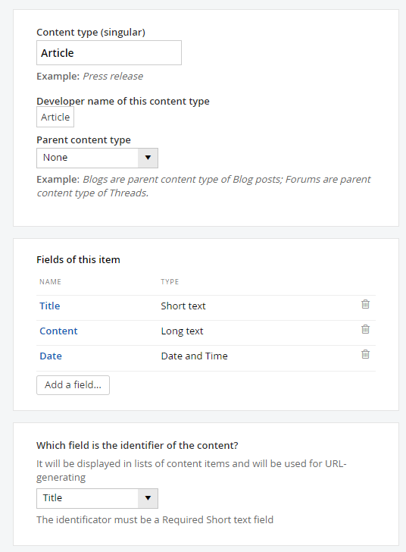
Tables |  |  |  | Article Table
<Custom Content Type>
sf_dynamic_content
sf_language_data
sf_dynmc_cntnt_sf_lnguage_data

Relationship
<Custom Content Type> | base_id | base_id | sf_dynmc_cntnt_sf_lnguage_data
<Custom Content Type> | base_id | base_id | sf_dynamic_content
sf_language_data | id | id | sf_dynmc_cntnt_sf_lnguage_data

sf_dynmc_cntent_sf_permissions | id | id2 | sf_mb_dynmc_mdl_sf_permissions
sf_mb_dynmc_mdl_sf_permissions | id | id | sf_mb_dynamic_module

For Taxa / Taxanomy field will required these tables

Key
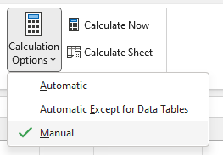
Type | Script | Description
Id | NEWID() | Generate guid
Id | 8F133EF1-8D91-5874-50A8-D445F94678D1 | Fix Guid
Date | GETDATE() | Generate date
Date | "CAST(N', TEXT(<DATE>,"yyyy-mm-ddThh:mm:ss"), ".0000000' AS DateTime2)", ")" | Cast datetime for sql script
Text | N'(<TextContent>) | To declare the stirng as nvarchar
Text | SUBSTITUTE(SUBSTITUTE(<TEXT>,"'","''"),"""","''") | Escape double quote (") and single quote (') for sql script
Text | CLEAN(<TEXT)) | Removes all nonprintable characters from text

Formulas | Set calculation options to manual

