Hexadecimal instructions genera
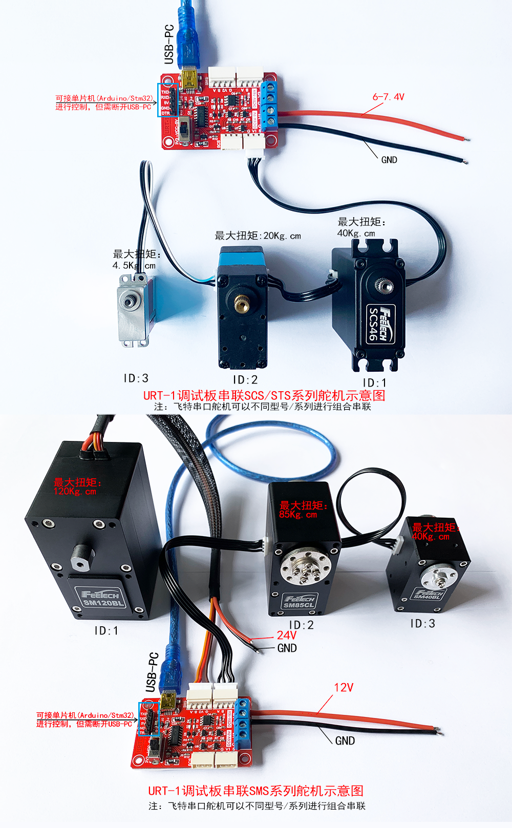
1、 | PING 总线上舵机指令生成 |  |  |  | 1. Servo command generation on PING bus
2、 | EPROM解锁指令 |  |  |  | 2. EPROM unlock command
3、 | 修改ID号指令 |  |  |  | 3. Modify ID number command
4、 | 输出扭矩使能与自动较正指令 |  |  |  | 4. Output torque enable and auto-correction command
5、 | 位置模式控制转动指令(无加速度) |  |  |  | 5. Position mode control rotation command (no acceleration)
6、 | 位置模式控制转动指令(含加速度) |  |  |  | 6. Position mode control rotation command (including acceleration)
7、 | 修改舵机工作模式指令 |  |  |  | 7. Modify the working mode command of the servo
8、 | 恒速正反转速度指令 |  |  |  | 8. Constant speed forward and reverse speed command
9、 | 读当前位置指令 |  |  |  | 9. Read current position command
10、 | 清除当前圈数指令 |  |  |  | 10. Clear current lap command
 | The above instructions are for the first quick use of freeter serial steering gear and help users understand the serial protocol instruction package format
 | Copy the following generated hexadecimal instructions into a TXT document to clear the format, and then copy to the serial assistant to send

 | PING bus steering gear command generation
 |  |  |  |  |  | input range
 |  |  | Input control parameter |  | Decimal input | STS
 |  |  | ID |  | 1 | 0-253
 |  |  | PING order |  | 1

 | SCS-STS-SMS serial | head of contracted labour |  | ID | Instruction packet data length | Instruction | check code
 | hexadecimal | FF | FF | 01 | 02 | 01 | FB
 | decimalism | 255 | 255 | 1 | 2 | 1 | 251
 | Generate hex instructions | FF FF 01 02 01 FB

 | Before changing the ID, send this unlock command; otherwise, the ID will not be saved during power failure
 |  |  |  |  |  | input range
 |  |  | Input control parameter |  | Decimal input
 |  |  | ID |  | 1 | 0-254 | The broadcast ID is 2544
 |  |  | write instruction |  | 3
 |  |  | Lock flag header address |  | 55 | SCS 48 | STS SMS 55
 |  |  | write value |  | 0 | 1-lock | 0-unlock
 | Change the ID unlock write command
 | STS-SMS serial | head of contracted labour |  | ID | Instruction packet data length | Instruction | write first address | write value | check code
 | hexadecimal | FF | FF | 01 | 04 | 03 | 37 | 00 | C0
 | decimalism | 255 | 255 | 1 | 4 | 3 | 55 | 0 | 192
 | Generates hexadecimal instructions | FF FF 01 04 03 37 00 C0

 | Modify the ID number instruction
 |  |  | Modify the ID number instruction |  |  | input range
 |  |  | Input control parameter |  | Decimal input
 |  |  | ID |  | 1 | 0-254 | The broadcast ID is 2544
 |  |  | write instruction |  | 3
 |  |  | ID first address |  | 5
 |  |  | write value |  | 2 | 0-253
 | Modify the ID write command
 | SCS-STS-SMS serial | head of contracted labour |  | ID | Instruction packet data length | Instruction | write first address | write value | check code
 | hexadecimal | FF | FF | 01 | 04 | 03 | 05 | 02 | F0
 | decimalism | 255 | 255 | 1 | 4 | 3 | 5 | 2 | 240
 | Generates hexadecimal instructions | FF FF 01 04 03 05 02 F0

 | Output torque enable and automatic correction command (automatic correction of any current position is 2048)
 |  |  | Current position is more positive at 2048The current position is more positive at 2048 |  |  | input range
 |  |  | Input control parameter |  | input decimalism | SCS-STS-SMS serial |  | STS-SMS serial
 |  |  | ID |  | 2 | 0-254 | 0-254 | 0-254
 |  |  | write instruction |  | 3
 |  |  | First address |  | 40
 |  |  | The switch force is enabled |  | 128 | 1-open | 0-close | 128-Mid auto alignment (can only be used in operation mode 0 position servo mode)
 | The current position is more positive at 2048
 | STS-SMS swrial | head of contracted labour |  | ID | Instruction packet data length | Instruction | write first address | write value | check code
 | hexadecimal | FF | FF | 02 | 04 | 03 | 28 | 80 | 4E
 | decimalism | 255 | 255 | 2 | 4 | 3 | 40 | 128 | 78
 | Generates hexadecimal instructions | FF FF 02 04 03 28 80 4E

 | Position mode control rotation instruction (no acceleration)
 |  |  |  |  |  | input range
 |  |  | Input control parameter |  | input decimalism | STS-SMS serial
 |  |  | ID |  | 2 | 0-253 | (Unit)
 |  |  | write instruction |  | 3
 |  |  | target location |  | 2048 | 0-4095 | 0.088度
 |  |  | time |  | 0 | This parameter has no function in position mode
 |  |  | target speed |  | 1000 | 0-3400 | 50=0.732rpm |  | 3400*0.732/50= | 50 | rpm

 |  |  |  |  |  |  |  |  |  | non-function
 | STS-SMS serial | head of contracted labour |  | ID | Instruction packet data length | Instruction | write first address | Position low byte | Position height byte | Time low byte | Time high byte | Speed low byte | Speed high byte | check code
 | hexadecimal | FF | FF | 02 | 09 | 03 | 2A | 00 | 08 | 00 | 00 | E8 | 03 | D4
 | decimalism | 255 | 255 | 2 | 9 | 3 | 42 | 0 | 8 | 0 | 0 | 232 | 3 | 212
 | Generates hexadecimal instructions | FF FF 02 09 03 2A 00 08 00 00 E8 03 D4

 | Position mode control rotation instruction (including acceleration)
 |  |  |  |  |  | input range
 |  |  | Input control parameter |  | input decimalism |  | (Unit) | Multiple loop control
 |  |  | ID |  | 2 | 0-253
 |  |  | write instruction |  | 3
 |  |  | accelerated speed |  | 50 | 0-255 | 8.878 °/s2
 |  |  | target location |  | 1024 | 0-4095 | 0.088° | -30719~+30719 (plus or minus 7.5 laps)
 |  |  | Empty set0 |  | 0 | This parameter has no function in position mode
 |  |  | target speed |  | 2000 | 0-3400 | 50=0.732rpm

 |  |  |  |  |  |  |  |  |  |  | non-function
 | STS-SMS serial | head of contracted labour |  | ID | Instruction packet data length | Instruction | write first address | Acceleration byte | Position low byte | Position height byte | Time low byte | Time high byte | Speed low byte | Speed high byte | check code
 | hexadecimal | FF | FF | 02 | 0A | 03 | 29 | 32 | 00 | 04 | 00 | 00 | D0 | 07 | BA
 | decimalism | 255 | 255 | 2 | 10 | 3 | 41 | 50 | 0 | 4 | 0 | 0 | 208 | 7 | 186
 | Generates hexadecimal instructions | FF FF 02 0A 03 29 32 00 04 00 00 D0 07 BA

 | Modify steering gear working mode instruction
 |  |  | Modify steering gear working mode |  |  | input range
 |  |  | Input control parameter |  | input decimalism | STS-SMS serial
 |  |  | ID |  | 2 | 0-254
 |  |  | read instruction |  | 3
 |  |  | First address |  | 33
 |  |  | read-in data |  | 1 | 0-position | 1-constant speed | 2-PWM | 3-step
 | Modify steering gear working mode instruction
 | STS-SMS serial | head of contracted labour |  | ID | Instruction packet data length | Instruction | write first address | read-in data | check code
 | hexadecimal | FF | FF | 02 | 04 | 03 | 21 | 01 | D4
 | decimalism | 255 | 255 | 2 | 4 | 3 | 33 | 1 | 212
 | Generates hexadecimal instructions | FF FF 02 04 03 21 01 D4

 | 恒速正反转速度指令 Constant speed forward and reverse speed command
 |  |  |  |  |  | input range
 |  |  | Input control parameter |  | input decimalism | STS-SMS系列
 |  |  | ID |  | 2 | 0-254
 |  |  | read instruction |  | 3
 |  |  | First address |  | 46 | CW | CCW |  | stop
 |  |  | running speed |  | 33768 | 50~3400 | （50~3400）+32768 |  | 0
 | Constant speed forward and reverse speed instruction (working mode 1, used in constant speed mode)
 | STS-SMS serial | head of contracted labour |  | ID | Instruction packet data length | Instruction | write first address | low byte | high type | check code
 | hexadecimal | FF | FF | 02 | 05 | 03 | 2E | E8 | 83 | 5C
 | decimalism | 255 | 255 | 2 | 5 | 3 | 46 | 232 | 131 | 92
 | Generates hexadecimal instructions | FF FF 02 05 03 2E E8 83 5C

 | Read the current position instruction
 |  |  |  |  |  | input range
 |  |  | Input control parameter |  | input decimalism
 |  |  | ID |  | 2 | 0-254
 |  |  | read instruction |  | 2
 |  |  | First address |  | 56
 |  |  | number of bytes |  | 2 | Multiple contiguous address data can be read as required with reference to memory table addresses
 | Read position instruction
 | SCS-STS-SMS serial | head of contracted labour |  | ID | Instruction packet data length | Instruction | write first address | number of bytes | check code
 | hexadecimal | FF | FF | 02 | 04 | 02 | 38 | 02 | BD
 | decimalism | 255 | 255 | 2 | 4 | 2 | 56 | 2 | 189
 | Generates hexadecimal instructions | FF FF 02 04 02 38 02 BD

 | Clears the current winding instruction
 |  |  | Winding number clear instruction |  |  | input range
 |  |  | Input control parameter |  | input decimalism | STS-SMS serial
 |  |  | ID |  | 1 | 0-254
 |  |  | Winding number clear instruction |  | 10
 | Turns to remove
 | STS-SMS serial | head of contracted labour |  | ID | 指令包数据长Instruction packet data length度 | instructions | check code
 | hexadecimal | FF | FF | 01 | 02 | 0A | F2
 | decimalism | 255 | 255 | 1 | 2 | 10 | 242
 | Generates hexadecimal instructions | FF FF 01 02 0A F2

