Storage Layout
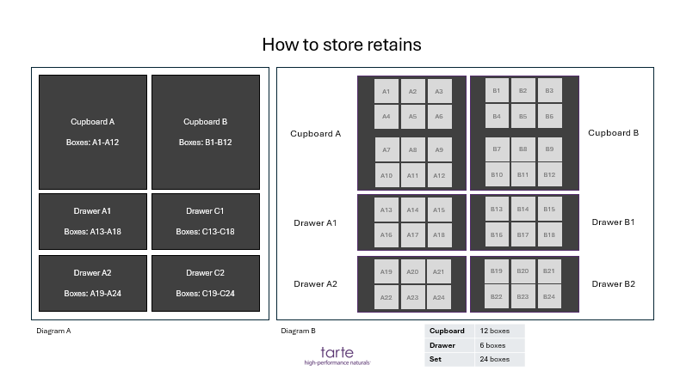
face forward view | birds eyes view

