ABI_BUG
ID | Titile | steps | Expected Result | Acual Result | screen shoot | Priority
BUG_01 | At Creating Booking , Send Request With String Value in TotalPrice="1234A" Data | 1-open postman 2-use API for Create Auth "https://restful-booker.herokuapp.com/booking" 3-choose method to "Post" 4-enter Data in Data BOdy firstname : "Jim",totalprice= "caf215",depositpaid= true, checkout = "2019-01-01" 5-Click Send | Response With Error Message and status Code=401 | Response With Booking Details and status Code=200 | 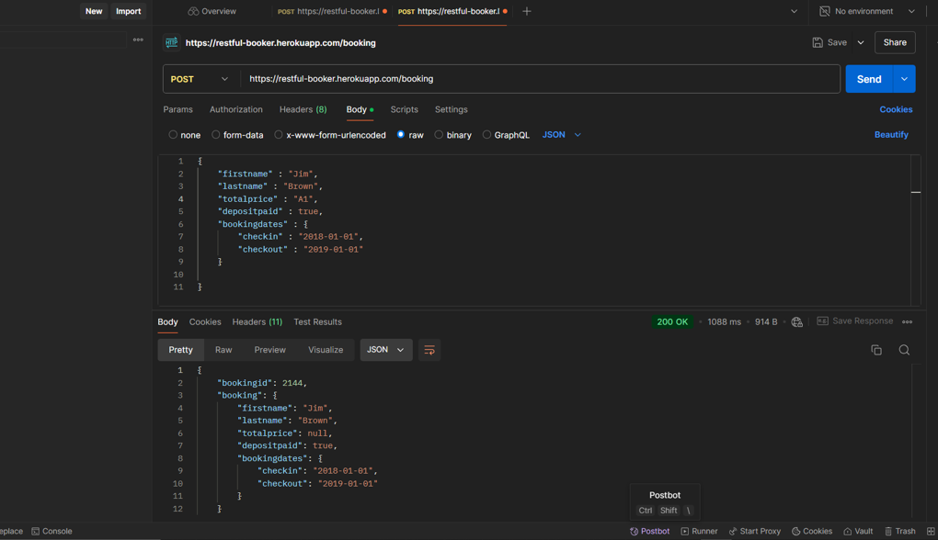 | Low
BUG_02 | At Creating Booking , Send Request With nagitave Total Prices Data in Request Body | 1-open postman 2-use API for Create Auth "https://restful-booker.herokuapp.com/booking" 3-choose method to "Post" 4-enter Data in Data BOdy firstname : "Jim",totalprice= -50,depositpaid= true, checkout = "2019-01-01" 5-Click Send | Response With Error Message and status Code=402 | Response With Booking Details and status Code=201 | 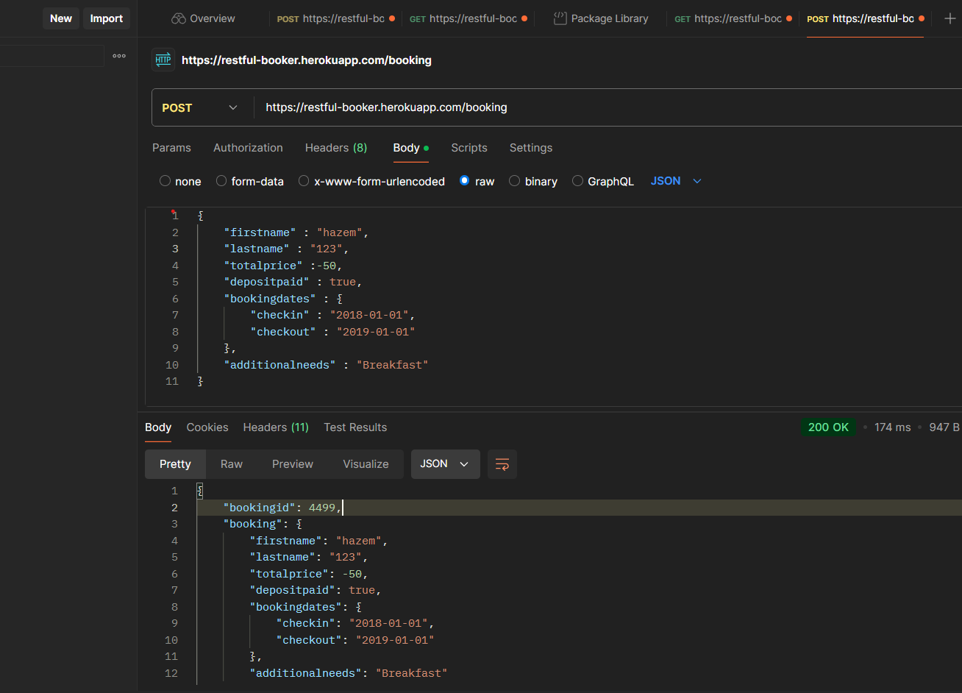 | hight
BUG_03 | At Creating Booking , Send Request with the checkin Data= ="2018-02-01" after checkout date ="2018-01-01" | 1-open postman 2-use API for Create Auth "https://restful-booker.herokuapp.com/booking" 3-choose method to "Post" 4-enter Data in Data BOdy firstname : "haz",lastname = 111,totalprice= "hj145",depositpaid= true, checkin="2018-02-01", checkout = "2018-01-01" 5-Click Send | Response With Error Message and status Code=401 | Response With Booking Details and status Code=200 | 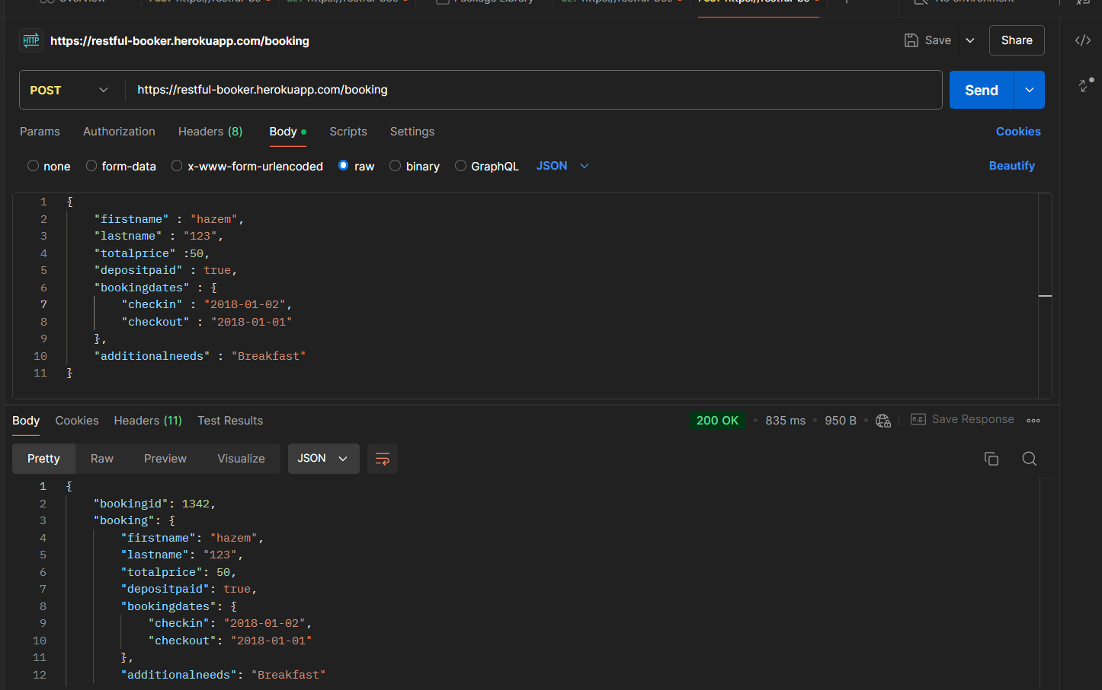 | hight
BUG_04 | At Creating Booking , Send Request With FristName Data have lenght<3 in Request Body | 1-open postman 2-use API for Create Auth "https://restful-booker.herokuapp.com/booking" 3-choose method to "Post" 4-enter Data in Data BOdy firstname : "Ji",lastname = "Brown",totalprice= 111,depositpaid= true, checkin="2018-01-01", checkout = "2019-01-01" 5-Click Send | Response With Error Message and status Code=401 | Response With Booking Details and status Code=200 | 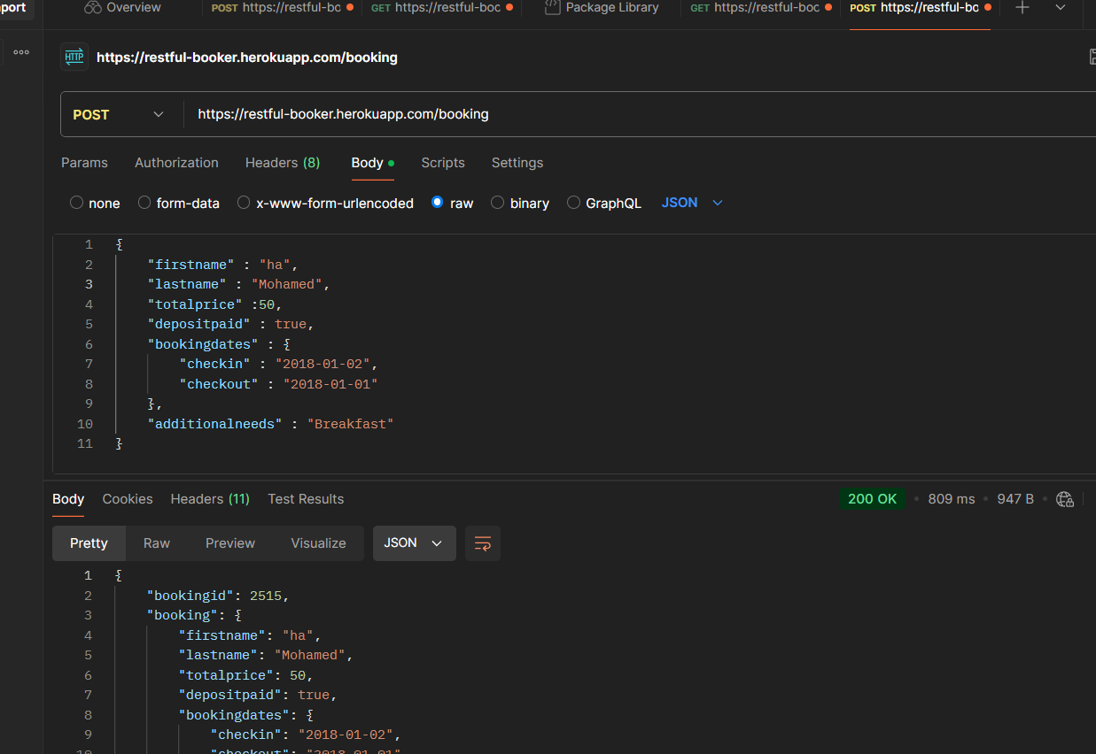 | High
BUG_05 | At Creating Booking , Send Request With FristName Data have length>10 in Request Body | 1-open postman 2-use API for Create Auth "https://restful-booker.herokuapp.com/booking" 3-choose method to "Post" 4-enter Data in Data BOdy firstname : "Jissssssssssssssssssssssssssssssssssssssssssssssssssssssssssssss",lastname = "Brown",totalprice= 111,depositpaid= true, checkin="2018-01-01", checkout = "2019-01-01" 5-Click Send | Response With Error Message and status Code=402 | Response With Booking Details and status Code=201 | 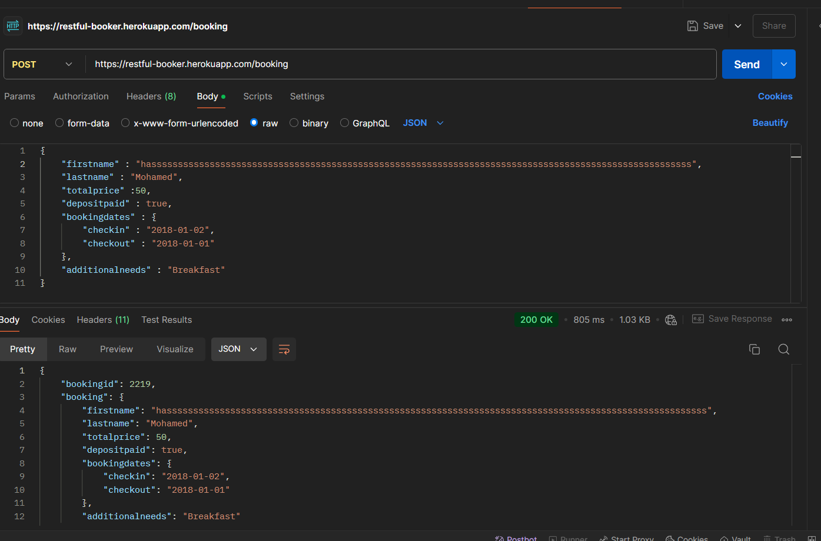 | High
BUG_06 | At Creating Booking , Send Request With LastName Data have length>10 in Request Body | 1-open postman 2-use API for Create Auth "https://restful-booker.herokuapp.com/booking" 3-choose method to "Post" 4-enter Data in Data BOdy firstname : "Jisssss",lastname = "Brownnnnnnnnnnnnnnnnnnnnn",totalprice= 111,depositpaid= true, checkin="2018-01-01", checkout = "2019-01-01" 5-Click Send | Response With Error Message and status Code=402 | Response With Booking Details and status Code=201 | 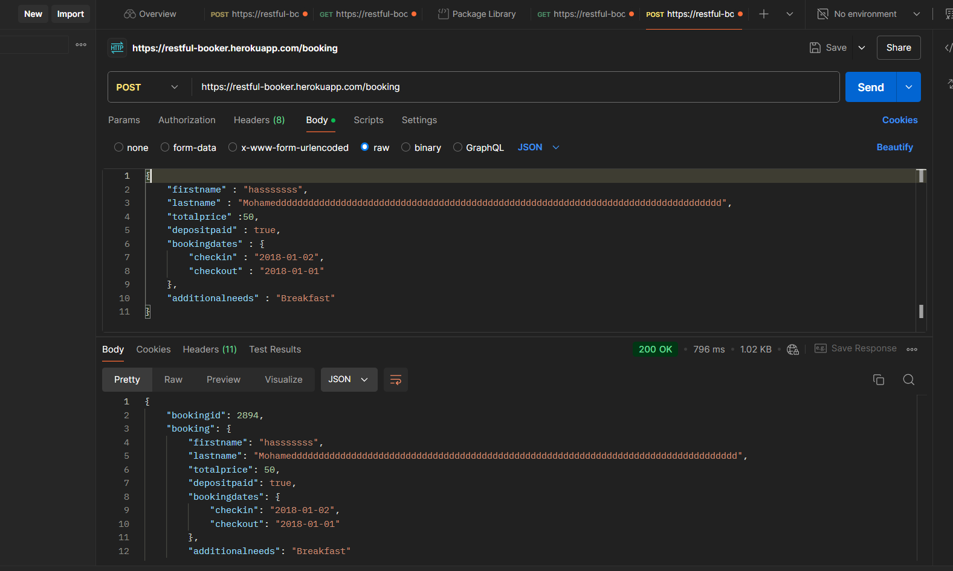 | High
BUG_07 | At Creating Booking , Send Request With StartName Data have lenght<3 in Request Body | 1-open postman 2-use API for Create Auth "https://restful-booker.herokuapp.com/booking" 3-choose method to "Post" 4-enter Data in Data BOdy firstname : "Jim",lastname = "Bn",totalprice= 111,depositpaid= true, checkin="2018-01-01", checkout = "2019-01-01" 5-Click Send | Response With Error Message and status Code=401 | Response With Booking Details and status Code=200 | 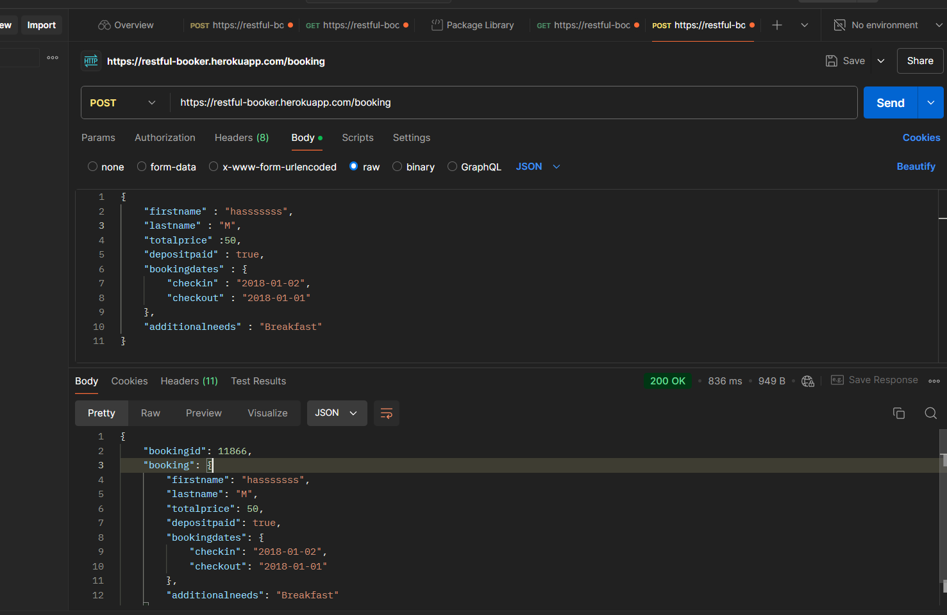 | High
BUG_08 | At Get Booking ids, Validate that The Response time For Get Booking ids is Less Than 250ms | 1-open postman 2-use API for Create Auth "https://restful-booker.herokuapp.com/bookingIDS" 3-choose method to "GET" 5-Click Send | Response with ALL Booking ids and Status Code =200 and response time is less than 200ms | Response time =10s | 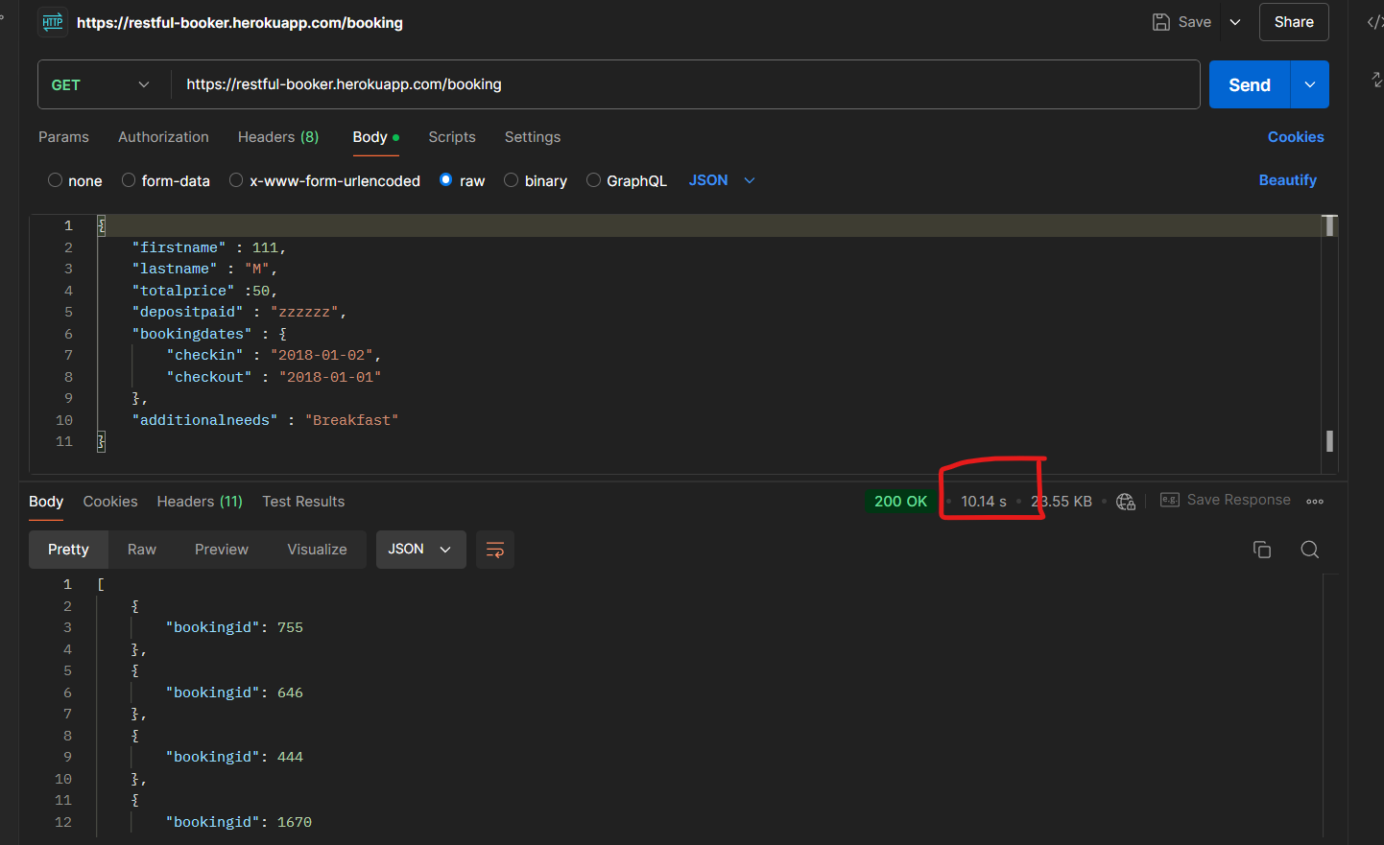 | High
BUG_09 | At Creating Booking , Send Request With invalid deposite Data in Request Body depositpaid= 10 | 1-open postman 2-use API for Create Auth "https://restful-booker.herokuapp.com/booking" 3-choose method to "Post" 4-enter Data in Data BOdy firstname : "Jim",totalprice= 111,depositpaid= 10, checkout = "2019-01-01" 5-Click Send | Response With Error Message and status Code=401 | Response With booking details With Status code=200 | 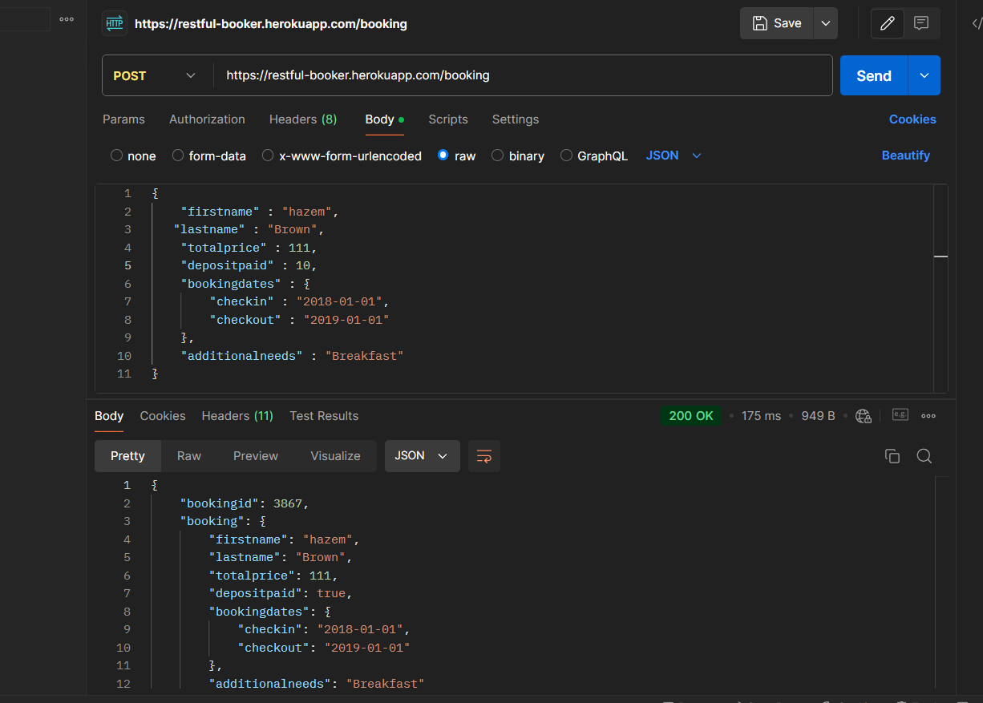 | high
BUG_10 | At Creating Booking , Send Request With invalid deposite Data in Request Body depositpaid= "YES" | 1-open postman 2-use API for Create Auth "https://restful-booker.herokuapp.com/booking" 3-choose method to "Post" 4-enter Data in Data BOdy firstname : "Jim",totalprice= 111,depositpaid= "YES", checkout = "2019-01-01" 5-Click Send | Response With Error Message and status Code=401 | Response With booking details With Status code=201 | 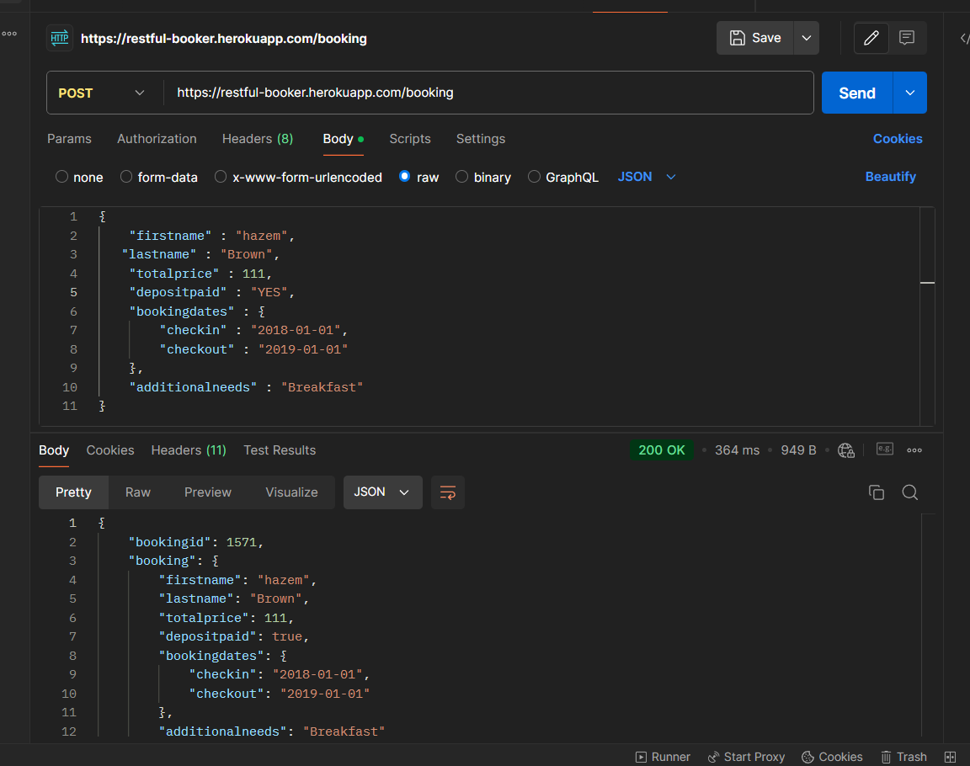 | high
BUG_11 | At UpdateBooking, verify that the API Can Update booking with id | 1-open postman 2-use API for Create Auth https://restfulbooker.herokuapp.com/booking/:id" 3-choose method to "PUT" 4-Click Send | the response body contain booking ids and updated data | Response With Error code 403

