Monthly Report
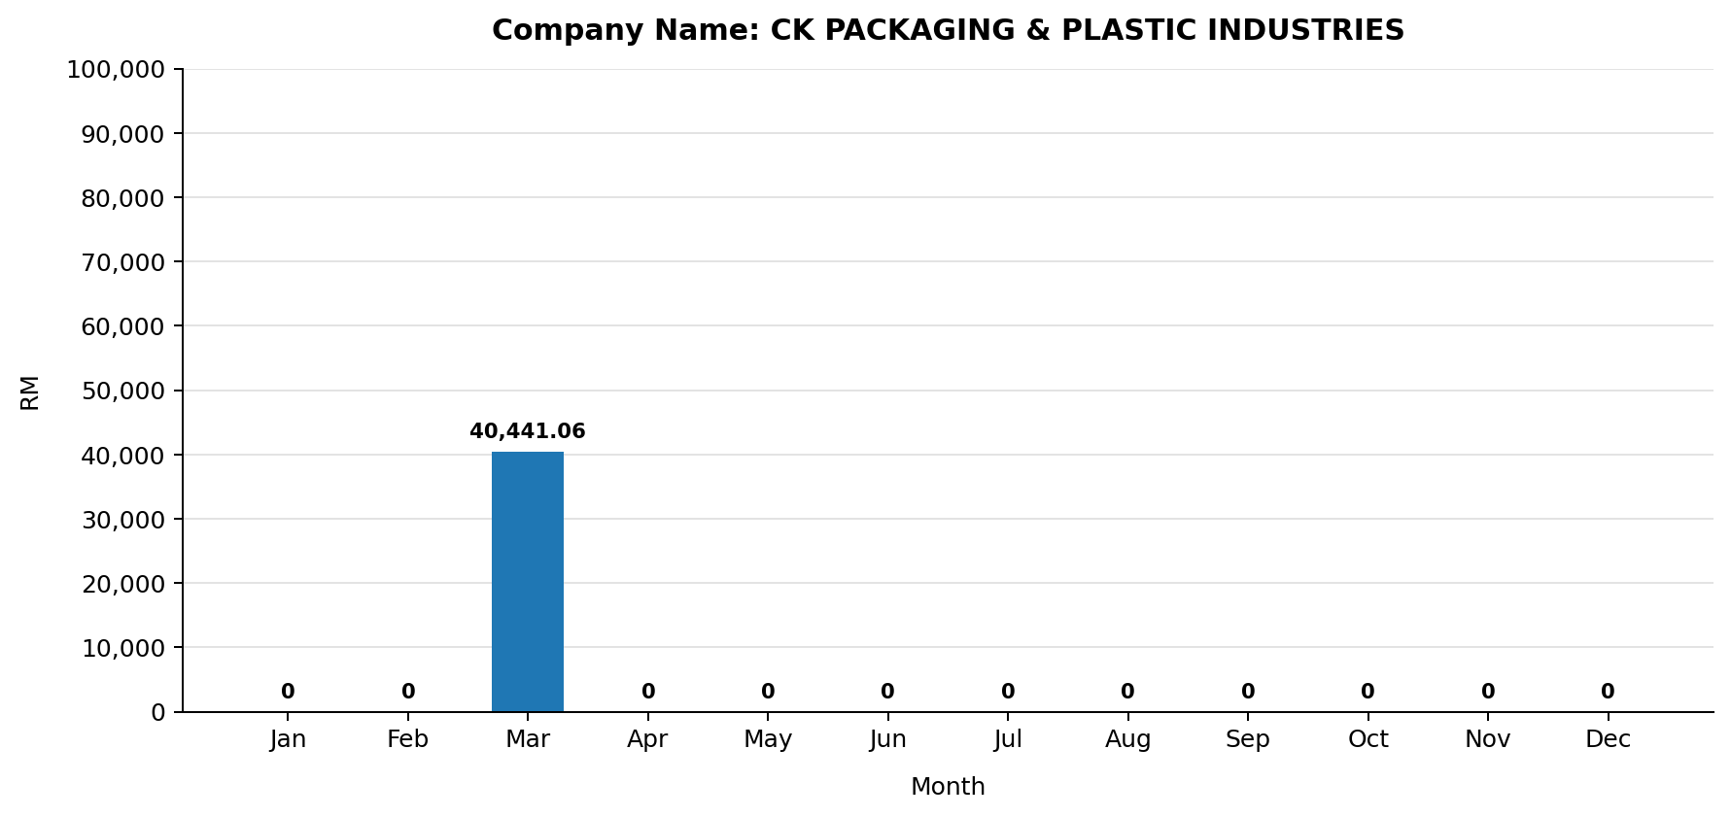
MONTHLY ELECTRIC BILL REPORT

Company |  | CK PACKAGING & PLASTIC INDUSTRIES
Account No |  | 210438042509
Invoice No |  | 001094673965
Tariff Description |  | Bukan Domestik Am Voltan Rendah
Bill Date |  | 01-04-2026
Billing Period |  | 01-03-2026 to 31-03-2026
No. of Days |  | 31
State |  | JOHOR
Address |  | SDN. BHD., LOT 27327, JLN GEMILANG 8/3 TMN BANANG, JAYA, 83000 BATU PAHAT, JOHOR
Security Deposit (RM) |  | 0
Payment Amount (RM) |  | 5000
Generated At |  | 30-04-2026 17:37:49

TNB Meter Acc. No.: 210438042509
Month | No. of Days | Total TNB Monthly Bill (RM) | Total Usage (kWh) | Max Demand (kW) | Peak Usage (kWh) | Off-Peak Usage (kWh) | AFA (RM) | Peak Tariff (RM) | Off-Peak Tariff (RM) | Capacity Charge (RM) | Network Charge (RM) | Retail Charge (RM) | Current Usage Charge (RM) | KWTBB (RM)
Jan | 31
Feb | 28
Mar | 31 | 40,441.06 | 81,922.00 |  |  |  | 1,761.32 |  |  | 7,233.71 | 12,140.84 | 20.00 | 39,776.75 | 664.29
Apr | 30
May | 31
Jun | 30
Jul | 31
Aug | 31
Sep | 30
Oct | 31
Nov | 30
Dec | 31
Total | 365 | 40,441.06 | 81,922.00 |  |  |  | 1,761.32 |  |  | 7,233.71 | 12,140.84 | 20.00 | 39,776.75 | 664.29

