Monthly Report
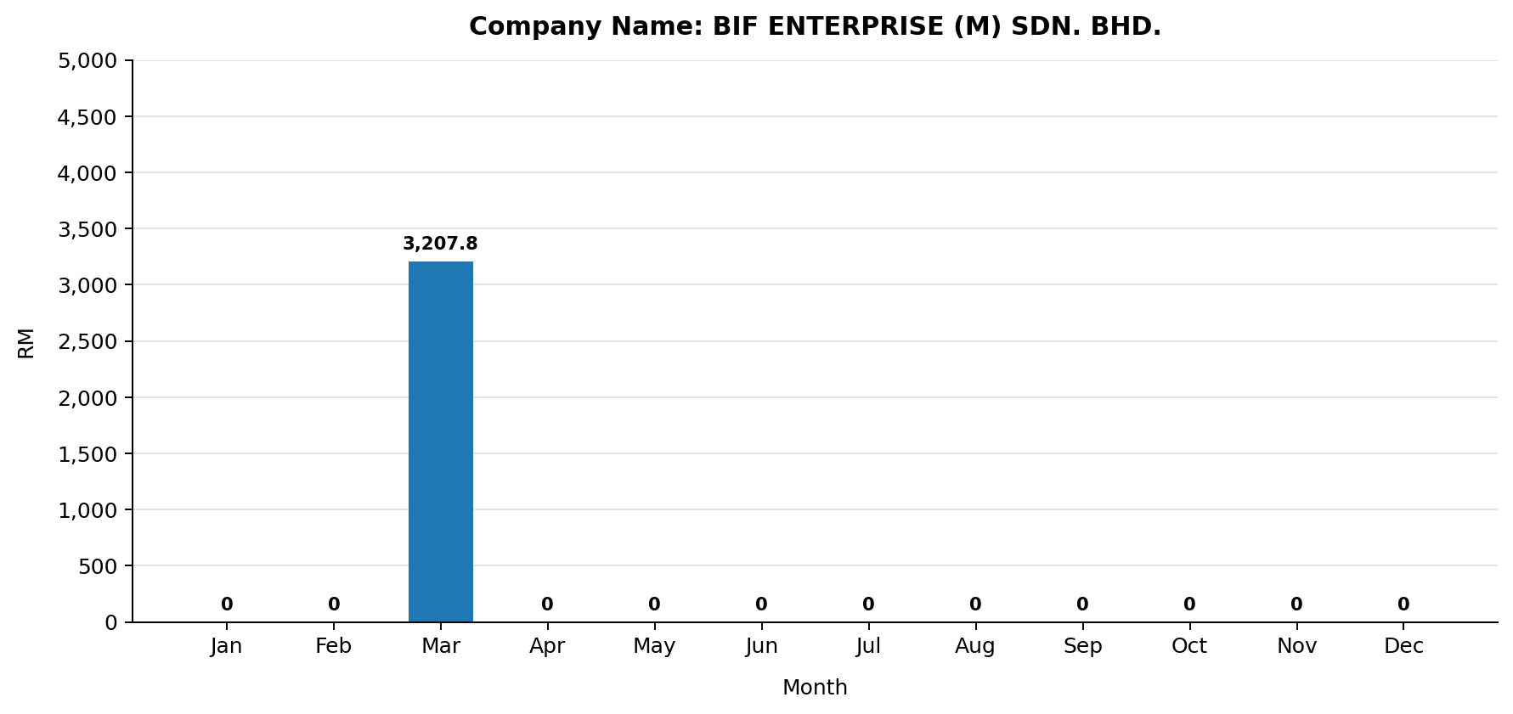
MONTHLY ELECTRIC BILL REPORT

Company |  | BIF ENTERPRISE (M) SDN. BHD.
Account No |  | 220086343505
Invoice No |  | 000671833381
Tariff Description |  | Bukan Domestik Am Voltan Rendah
Bill Date |  | 01-04-2026
Billing Period |  | 01-03-2026 to 31-03-2026
No. of Days |  | 31
State |  | SELANGOR
Address |  | 8, JLN SG CHADONG 8 OFF JLN KAPAR BT 4 3/4, KAW PERINDUSTRIAN LADANG SG PULUH, 42100 KLANG, SELANGOR
Security Deposit (RM) |  | 39426.59
Payment Amount (RM) |  | 2222.35
Generated At |  | 30-04-2026 17:36:55

TNB Meter Acc. No.: 220086343505
Month | No. of Days | Total TNB Monthly Bill (RM) | Total Usage (kWh) | Max Demand (kW) | Peak Usage (kWh) | Off-Peak Usage (kWh) | AFA (RM) | Peak Tariff (RM) | Off-Peak Tariff (RM) | Capacity Charge (RM) | Network Charge (RM) | Retail Charge (RM) | Current Usage Charge (RM) | KWTBB (RM)
Jan | 31
Feb | 28
Mar | 31 | 3,207.80 | 7,917.00 |  |  |  | 170.22 |  |  | 0.02 | 1,173.30 | 20.00 | 3,703.78 | 61.66
Apr | 30
May | 31
Jun | 30
Jul | 31
Aug | 31
Sep | 30
Oct | 31
Nov | 30
Dec | 31
Total | 365 | 3,207.80 | 7,917.00 |  |  |  | 170.22 |  |  | 0.02 | 1,173.30 | 20.00 | 3,703.78 | 61.66

