Monthly Report
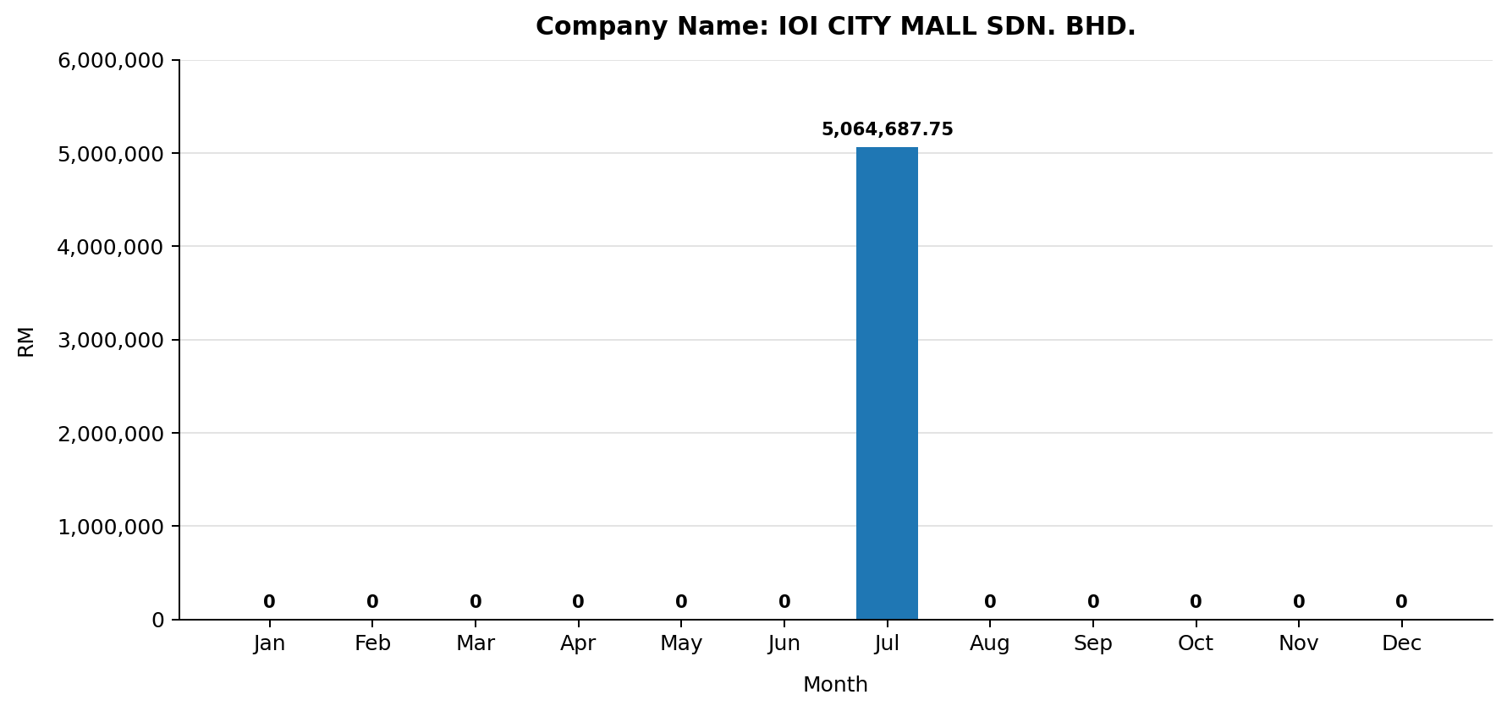
MONTHLY ELECTRIC BILL REPORT

Company |  | IOI CITY MALL SDN. BHD.
Account No |  | 220164237003
Invoice No |  | 000919299794
Tariff Description |  | Bukan Domestik ToU Voltan Sederhana
Bill Date |  | 01-08-2025
Billing Period |  | 01-07-2025 to 31-07-2025
No. of Days |  | 31
State |  | SELANGOR
Address |  | LEVEL 3A IOI CITY TOWER 2, T2-3A & T2-3A-3A, LEBUH IRC, IOI RESORT CITY, 62502 PUTRAJAYA, SELANGOR
Security Deposit (RM) |  | 12687556.09
Payment Amount (RM) |  | 1000000
Generated At |  | 30-04-2026 17:38:35

TNB Meter Acc. No.: 220164237003
Month | No. of Days | Total TNB Monthly Bill (RM) | Total Usage (kWh) | Max Demand (kW) | Peak Usage (kWh) | Off-Peak Usage (kWh) | AFA (RM) | Peak Tariff (RM) | Off-Peak Tariff (RM) | Capacity Charge (RM) | Network Charge (RM) | Retail Charge (RM) | Current Usage Charge (RM) | KWTBB (RM)
Jan | 31
Feb | 28
Mar | 31
Apr | 30
May | 31
Jun | 30
Jul | 31 | 5,064,687.75 | 10,965,705.00 | 19,320.00 | 3,021,305.00 | 7,944,400.00 | 0.00 | 946,272.73 | 2,163,260.12 | 583,270.80 | 1,291,928.40 | 200.00 | 4,984,932.05 | 79,755.71
Aug | 31
Sep | 30
Oct | 31
Nov | 30
Dec | 31
Total | 365 | 5,064,687.75 | 10,965,705.00 | 19,320.00 | 3,021,305.00 | 7,944,400.00 | 0.00 | 946,272.73 | 2,163,260.12 | 583,270.80 | 1,291,928.40 | 200.00 | 4,984,932.05 | 79,755.71

