Weddles Formula
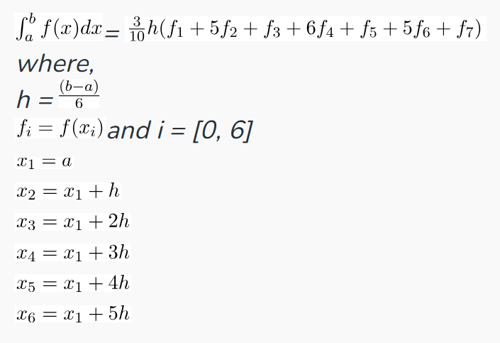
x | f(x)
-50 | 0.00039984006397
-49 | 0.00041631973356
-48 | 0.00043383947939
-47 | 0.00045248868778
-46 | 0.00047236655645
-45 | 0.0004935834156
-44 | 0.00051626226123
-43 | 0.00054054054054
-42 | 0.00056657223796
-41 | 0.00059453032105
-40 | 0.00062460961899
-39 | 0.00065703022339
-38 | 0.00069204152249
-37 | 0.0007299270073
-36 | 0.00077101002313
-35 | 0.00081566068515
-34 | 0.00086430423509
-33 | 0.00091743119266
-32 | 0.0009756097561
-31 | 0.0010395010395
-30 | 0.0011098779134
-29 | 0.0011876484561
-28 | 0.0012738853503
-27 | 0.0013698630137
-26 | 0.0014771048744
-25 | 0.0015974440895
-24 | 0.001733102253
-23 | 0.0018867924528
-22 | 0.0020618556701
-21 | 0.0022624434389
-20 | 0.002493765586
-19 | 0.0027624309392
-18 | 0.0030769230769
-17 | 0.0034482758621
-16 | 0.0038910505837
-15 | 0.0044247787611
-14 | 0.005076142132
-13 | 0.0058823529412
-12 | 0.0068965517241
-11 | 0.0081967213115
-10 | 0.009900990099
-9 | 0.012195121951
-8 | 0.015384615385
-7 | 0.02
-6 | 0.027027027027
-5 | 0.038461538462
-4 | 0.058823529412
-3 | 0.1
-2 | 0.2
0 | 1
1 | 0.5
2 | 0.2
3 | 0.1
4 | 0.058823529412
5 | 0.038461538462
6 | 0.027027027027
7 | 0.02
8 | 0.015384615385
9 | 0.012195121951
10 | 0.009900990099
11 | 0.0081967213115
12 | 0.0068965517241
13 | 0.0058823529412
14 | 0.005076142132
15 | 0.0044247787611
16 | 0.0038910505837
17 | 0.0034482758621
18 | 0.0030769230769
19 | 0.0027624309392
20 | 0.002493765586
21 | 0.0022624434389
22 | 0.0020618556701
23 | 0.0018867924528
24 | 0.001733102253
25 | 0.0015974440895
26 | 0.0014771048744
27 | 0.0013698630137
28 | 0.0012738853503
29 | 0.0011876484561
30 | 0.0011098779134
31 | 0.0010395010395
32 | 0.0009756097561
33 | 0.00091743119266
34 | 0.00086430423509
35 | 0.00081566068515
36 | 0.00077101002313
37 | 0.0007299270073
38 | 0.00069204152249
39 | 0.00065703022339
40 | 0.00062460961899
41 | 0.00059453032105
42 | 0.00056657223796
43 | 0.00054054054054
44 | 0.00051626226123
45 | 0.0004935834156
46 | 0.00047236655645
47 | 0.00045248868778
48 | 0.00043383947939
49 | 0.00041631973356
50 | 0.00039984006397

