Sheet4
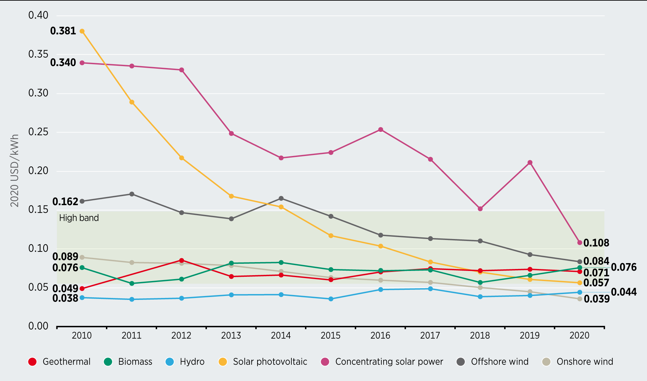
Figure 1.6 Global weighted-average utility-scale LCOE by technology, 2010-2020 |  |  |  |  |  |  |  | Low | High
LCOE (2020 USD/kWh) |  |  |  |  |  | Fossil fuel cost |  | 0.055 | 0.148

Technologies | 2010 | 2011 | 2012 | 2013 | 2014 | 2015 | 2016 | 2017 | 2018 | 2019 | 2020
Solar PV | 0.38 | 0.29 | 0.22 | 0.17 | 0.15 | 0.12 | 0.10 | 0.08 | 0.07 | 0.06 | 0.06
Offshore wind | 0.16 | 0.17 | 0.15 | 0.14 | 0.17 | 0.14 | 0.12 | 0.11 | 0.11 | 0.09 | 0.08
Onshore wind | 0.09 | 0.08 | 0.08 | 0.08 | 0.07 | 0.06 | 0.06 | 0.06 | 0.05 | 0.05 | 0.04
Concentrated solar power | 0.34 | 0.34 | 0.33 | 0.25 | 0.22 | 0.22 | 0.25 | 0.22 | 0.15 | 0.21 | 0.11

