Time series type
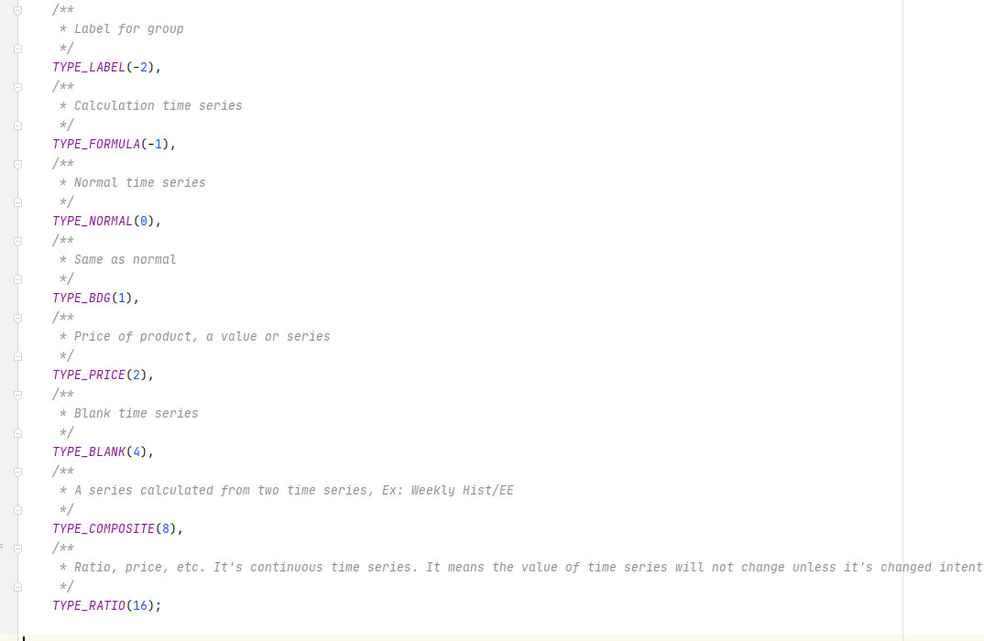
Type | Description
-2 | TYPE_LABEL
-1 | TYPE_FORMULA
0 | TYPE_NORMAL
1 | TYPE_BDG
2 | TYPE_PRICE
4 | TYPE_BLANK
8 | YPE_COMPOSITE
16 | TYPE_RATIO

Chronology type | Description
1 | CHRONOLOGY_MONTHLY
2 | CHRONOLOGY_WEEKLY
4 | CHRONOLOGY_DAILY
15 | All chronology

