Government of Canada
Constitutional monarchy
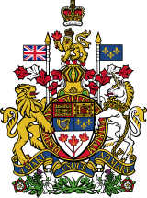

Coat of arms of Canada
Formation | 1 July 1867; 156 years ago
Founding document | Constitution Act, 1867
Country | Canada
Website | www.canada.ca
Crown
Head of state (sovereign) | Monarch
Vice-regal representative | Governor General
Seat | Rideau Hall
Legislative
(King-in-Parliament)
Legislature | Parliament
 | House of Commons
 | Senate
Meeting place | House of Commons: West Block[1]
 | Senate: Senate of Canada Building[2]
Executive
(King-in-Council)
Head of government | Prime Minister
Main body | Cabinet
Main organ | Privy Council (de jure)
 | Cabinet (de facto)
Judicial
(King-on-the-Bench)
Court | Supreme Court of Canada (highest court)
Seat | Supreme Court Building, Ottawa

