YieldBins
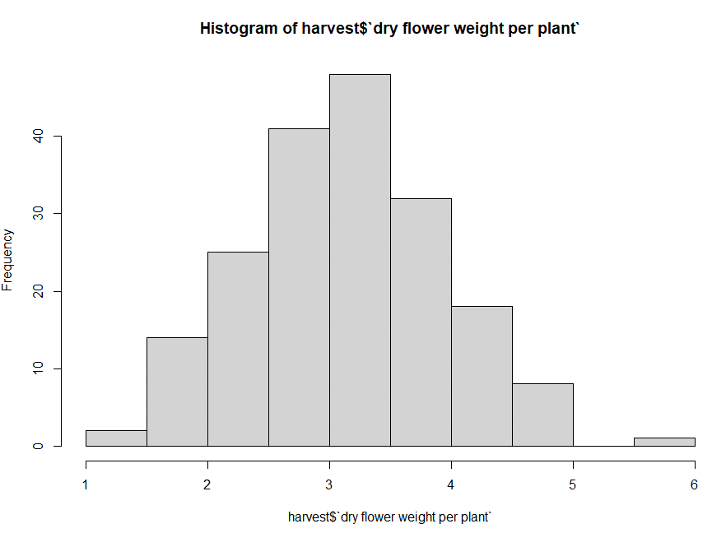
Strain | average of g/sq.ft tested flower | bin
DITO | 16.41 | Below 30 g/sq.ft tested flower
92CK | 27.42 | Below 30 g/sq.ft tested flower
FIRE | 27.54 | Below 30 g/sq.ft tested flower
NYFL | 27.60 | Below 30 g/sq.ft tested flower
STR8 | 27.78 | Below 30 g/sq.ft tested flower
KING | 28.04 | Below 30 g/sq.ft tested flower
RAIN | 28.28 | Below 30 g/sq.ft tested flower
SUNL | 29.03 | Below 30 g/sq.ft tested flower
NL#5 | 29.63 | Below 30 g/sq.ft tested flower
DD22 | 30.12 | Around 30 g/sq.ft. tested flower
LDOS | 30.40 | Around 30 g/sq.ft. tested flower |  |  |  |  |  | 40 or lower
SOUR | 30.95 | Around 30 g/sq.ft. tested flower |  |  |  |  |  | 40 - 45
POTN | 31.38 | Around 30 g/sq.ft. tested flower |  |  |  |  |  | 45 - 50
OROB | 32.21 | Around 30 g/sq.ft. tested flower |  |  |  |  |  | 55+
DURP | 32.52 | Around 30 g/sq.ft. tested flower
YZUP | 32.98 | Around 30 g/sq.ft. tested flower
KOKO | 34.32 | 30-35 g/sq.ft. tested flower
DRMC | 35.68 | Above 35 f/sq.ft. tested flower
PLAN | 38.66 | Above 35 f/sq.ft. tested flower
DSLD | 39.39 | Above 35 f/sq.ft. tested flower
GFSD | 39.74 | Above 35 f/sq.ft. tested flower
SKNK | 47.51 | Above 35 f/sq.ft. tested flower

 |  |  | Harvest | Strain | grams per sq.ft. of tested flower
 |  |  | H26 | DD22 | 22.95
 |  |  | H26 | GFSD | 39.85
 |  |  | H26 | JACK | 26.53
 |  |  | H26 | KING | 20.68 | 92CK | 27.42
 |  |  | H26 | LDOS | 37.09 | CHWY | 19.62
 |  |  | H26 | NYFL | 23.79 | DD22 | 30.12
 |  |  | H26 | OROB | 45.33 | DITO | 16.41
 |  |  | H26 | POTN | 51.31 | DRMC | 35.68
 |  |  | H26 | SKNK | 47.51 | DSLD | 39.39
 |  |  | H26 | SOUR | 35.24 | DURP | 32.52
 |  |  | H26 | SUNL | 32.47 | FIRE | 27.54
 |  |  | H26 | YZUP | 43.65 | GFSD | 39.74
 |  |  | H27 | DRMC | 35.68 | JACK | 26.53
 |  |  | H27 | DSLD | 39.39 | KING | 28.04
 |  |  | H27 | GFSD | 42.61 | KOKO | 34.32
 |  |  | H27 | KING | 36.01 | LDOS | 30.40
 |  |  | H27 | KOKO | 42.43 | NL#5 | 29.63
 |  |  | H27 | LDOS | 36.96 | NYFL | 27.60
 |  |  | H27 | POTN | 35.24 | OROB | 32.21
 |  |  | H27 | SOUR | 28.84 | PLAN | 38.66
 |  |  | H27 | STR8 | 36.19 | POTN | 31.38
 |  |  | H27 | SUNL | 30.53 | RAIN | 28.28
 |  |  | H27 | YZUP | 35.17 | SKNK | 47.51
 |  |  | H28 | DD22 | 37.29 | SOUR | 30.95
 |  |  | H28 | GFSD | 41.91 | STR8 | 27.78
 |  |  | H28 | KOKO | 27.82 | SUNL | 29.03
 |  |  | H28 | LDOS | 33.02 | YZUP | 32.98
 |  |  | H28 | NYFL | 42.69
 |  |  | H28 | PLAN | 38.27
 |  |  | H28 | SOUR | 27.63
 |  |  | H28 | STR8 | 34.26
 |  |  | H28 | SUNL | 28.64
 |  |  | H28 | YZUP | 36.10
 |  |  | H29 | 92CK | 31.75
 |  |  | H29 | KOKO | 36.46
 |  |  | H29 | LDOS | 20.33
 |  |  | H29 | POTN | 15.87
 |  |  | H29 | SOUR | 27.25
 |  |  | H29 | STR8 | 18.37
 |  |  | H29 | SUNL | 24.48
 |  |  | H30 | 92CK | 31.69
 |  |  | H30 | DURP | 32.52
 |  |  | H30 | GFSD | 42.00
 |  |  | H30 | KOKO | 33.46
 |  |  | H30 | NL#5 | 28.38
 |  |  | H30 | OROB | 25.63
 |  |  | H30 | PLAN | 55.50
 |  |  | H30 | POTN | 27.20
 |  |  | H30 | SOUR | 31.17
 |  |  | H30 | STR8 | 26.38
 |  |  | H30 | SUNL | 25.35
 |  |  | H30 | YZUP | 30.29
 |  |  | H31 | 92CK | 23.37
 |  |  | H31 | GFSD | 34.11
 |  |  | H31 | KING | 30.15
 |  |  | H31 | NL#5 | 30.88
 |  |  | H31 | NYFL | 15.70
 |  |  | H31 | OROB | 29.45
 |  |  | H31 | PLAN | 30.22
 |  |  | H31 | SOUR | 38.19
 |  |  | H31 | STR8 | 27.80
 |  |  | H31 | SUNL | 25.14
 |  |  | H31 | YZUP | 25.69
 |  |  | H32 | 92CK | 22.23
 |  |  | H32 | CHWY | 19.62
 |  |  | H32 | DITO | 16.41
 |  |  | H32 | FIRE | 27.54
 |  |  | H32 | GFSD | 35.42
 |  |  | H32 | KING | 31.46
 |  |  | H32 | OROB | 29.33
 |  |  | H32 | PLAN | 31.38
 |  |  | H32 | POTN | 27.29
 |  |  | H32 | RAIN | 28.28
 |  |  | H32 | SOUR | 31.19
 |  |  | H32 | STR8 | 29.56
 |  |  | H32 | SUNL | 34.45
 |  |  | H32 | YZUP | 26.99
 |  |  | H33 | 92CK | 28.08
 |  |  | H33 | GFSD | 42.29
 |  |  | H33 | KING | 21.89
 |  |  | H33 | KOKO | 31.42
 |  |  | H33 | LDOS | 24.61
 |  |  | H33 | NYFL | 28.21
 |  |  | H33 | OROB | 31.30
 |  |  | H33 | PLAN | 37.93
 |  |  | H33 | SOUR | 28.05
 |  |  | H33 | STR8 | 21.91
 |  |  | H33 | SUNL | 31.17

TimeBins
Time Ratings
Timestamp | 92CK119 | BERT016 | BLDS207 | DOSI005 | DURP006 | GFSD189 | KING002 | KOKO011 | LDOS040 | NYFL014 | OROB054 | PLAN008 | SHRM014 | SOUR007 | SODA011 | STR8017 | SUNL006
12/18/20 | Long time | Short time | Average time | Short time | Long time | Short time | Short time | Average time | Short time | Average time | Long time | Long time | Long time | Long time | Long time | Average time | Average time
12/18/20 | Long time | Short time | Average time | Average time | Average time | Long time | Average time | Long time | Average time | Long time | Long time | Average time | Average time | Short time | Average time | Long time | Short time | Pheno | Time Rating | Category
12/18/20 | Long time | Long time | Average time |  | Long time | Average time | Long time | Average time | Short time | Short time | Average time | Average time | Average time | Long time | Long time | Average time | Average time | LDOS040 | 1.12 | Short Time
12/18/20 | Long time | Short time | Long time | Short time | Long time | Long time | Average time | Average time | Short time | Average time | Long time | Long time | Long time | Average time | Average time | Long time | Average time | BERT016 | 2.06 | Short Time
12/18/20 | Long time | Short time | Average time | Average time | Long time | Average time | Short time | Average time | Short time | Long time | Long time | Average time | Average time | Long time | Long time | Average time | Average time | SUNL006 | 2.29 | Short/Average Time
12/18/20 | Long time | Short time | Average time | Average time | Long time | Average time | Short time | Average time | Short time | Long time | Long time | Average time | Average time | Long time | Long time | Average time | Average time | DOSI005 | 2.29 | Short/Average Time
12/18/20 | Long time | Short time | Average time | Average time | Long time | Average time | Average time | Average time | Short time | Average time | Average time | Long time | Short time | Long time | Long time | Average time | Short time | KING002 | 2.29 | Short/Average Time
12/18/20 | Long time | Average time | Average time | Average time | Average time | Average time | Average time | Average time | Short time | Long time | Long time | Average time | Long time | Long time |  | Long time | Short time | KOKO011 | 3.12 | Average Time
12/18/20 | Long time | Average time | Average time | Average time | Average time | Average time | Average time | Average time | Short time | Long time | Long time | Average time | Long time | Long time |  | Long time | Short time | BLDS207 | 3.24 | Average Time
12/18/20 | Long time | Short time | Average time | Average time | Long time | Average time | Average time | Average time | Short time | Average time | Average time | Long time | Short time | Long time | Long time | Average time | Short time | SHRM014 | 3.24 | Average Time
12/18/20 | Long time | Average time | Average time | Average time | Long time | Average time | Average time | Average time | Short time | Long time | Long time | Long time | Average time | Long time | Long time | Long time | Long time | GFSD189 | 3.35 | Average Time
12/18/20 | Long time | Short time | Long time | Short time | Long time | Average time | Short time | Average time | Short time | Average time | Average time | Long time | Average time | Average time | Long time | Average time | Average time | STR8017 | 3.71 | Average/Long Time
12/18/20 | Long time | Short time | Long time | Short time | Long time | Average time | Short time | Average time | Short time | Average time | Average time | Long time | Average time | Average time | Long time | Average time | Average time | NYFL014 | 3.82 | Average/Long Time
12/19/20 | Long time | Long time | Average time | Average time | Average time | Short time | Short time | Average time | Short time | Average time | Average time | Average time | Average time | Long time | Long time | Average time | Short time | PLAN008 | 4.06 | Average/Long Time
12/21/20 | Average time | Short time | Short time | Average time | Average time | Long time | Average time | Average time | Short time | Average time | Average time | Average time | Average time | Long time | Long time | Average time | Short time | OROB054 | 4.06 | Long Time
12/21/20 | Average time | Average time | Average time | Average time | Long time | Long time | Average time | Average time | Short time | Long time | Average time | Long time | Average time | Long time | Long time | Average time | Average time | SODA011 | 4.29 | Long Time
12/21/20 | Long time | Average time | Average time | Short time | Long time | Long time | Short time | Average time | Short time | Long time | Long time | Long time | Average time | Average time | Long time | Long time | Average time | SOUR007 | 4.29 | Long Time
 |  |  |  |  |  |  |  |  |  |  |  |  |  |  |  |  |  | DURP006 | 4.41 | Long Time
Timestamp | 92CK119 | BERT016 | BLDS207 | DOSI005 | DURP006 | GFSD189 | KING002 | KOKO011 | LDOS040 | NYFL014 | OROB054 | PLAN008 | SHRM014 | SOUR007 | SODA011 | STR8017 | SUNL006 | 92CK119 | 4.76 | Long Time
12/18/20 | 5 | 1 | 3 | 1 | 5 | 1 | 1 | 3 | 1 | 3 | 5 | 5 | 5 | 5 | 5 | 3 | 3
12/18/20 | 5 | 1 | 3 | 3 | 3 | 5 | 3 | 5 | 3 | 5 | 5 | 3 | 3 | 1 | 3 | 5 | 1
12/18/20 | 5 | 5 | 3 | 1 | 5 | 3 | 5 | 3 | 1 | 1 | 3 | 3 | 3 | 5 | 5 | 3 | 3
12/18/20 | 5 | 1 | 5 | 1 | 5 | 5 | 3 | 3 | 1 | 3 | 5 | 5 | 5 | 3 | 3 | 5 | 3
12/18/20 | 5 | 1 | 3 | 3 | 5 | 3 | 1 | 3 | 1 | 5 | 5 | 3 | 3 | 5 | 5 | 3 | 3
12/18/20 | 5 | 1 | 3 | 3 | 5 | 3 | 1 | 3 | 1 | 5 | 5 | 3 | 3 | 5 | 5 | 3 | 3
12/18/20 | 5 | 1 | 3 | 3 | 5 | 3 | 3 | 3 | 1 | 3 | 3 | 5 | 1 | 5 | 5 | 3 | 1
12/18/20 | 5 | 3 | 3 | 3 | 3 | 3 | 3 | 3 | 1 | 5 | 5 | 3 | 5 | 5 | 1 | 5 | 1
12/18/20 | 5 | 3 | 3 | 3 | 3 | 3 | 3 | 3 | 1 | 5 | 5 | 3 | 5 | 5 | 1 | 5 | 1
12/18/20 | 5 | 1 | 3 | 3 | 5 | 3 | 3 | 3 | 1 | 3 | 3 | 5 | 1 | 5 | 5 | 3 | 1
12/18/20 | 5 | 3 | 3 | 3 | 5 | 3 | 3 | 3 | 1 | 5 | 5 | 5 | 3 | 5 | 5 | 5 | 5
12/18/20 | 5 | 1 | 5 | 1 | 5 | 3 | 1 | 3 | 1 | 3 | 3 | 5 | 3 | 3 | 5 | 3 | 3
12/18/20 | 5 | 1 | 5 | 1 | 5 | 3 | 1 | 3 | 1 | 3 | 3 | 5 | 3 | 3 | 5 | 3 | 3
12/19/20 | 5 | 5 | 3 | 3 | 3 | 1 | 1 | 3 | 1 | 3 | 3 | 3 | 3 | 5 | 5 | 3 | 1
12/21/20 | 3 | 1 | 1 | 3 | 3 | 5 | 3 | 3 | 1 | 3 | 3 | 3 | 3 | 5 | 5 | 3 | 1
12/21/20 | 3 | 3 | 3 | 3 | 5 | 5 | 3 | 3 | 1 | 5 | 3 | 5 | 3 | 5 | 5 | 3 | 3
12/21/20 | 5 | 3 | 3 | 1 | 5 | 5 | 1 | 3 | 1 | 5 | 5 | 5 | 3 | 3 | 5 | 5 | 3
Total | 4.7647058824 | 2.0588235294 | 3.2352941176 | 2.2941176471 | 4.4117647059 | 3.3529411765 | 2.2941176471 | 3.1176470588 | 1.1176470588 | 3.8235294118 | 4.0588235294 | 4.0588235294 | 3.2352941176 | 4.2941176471 | 4.2941176471 | 3.7058823529 | 2.2941176471

