Sheet1
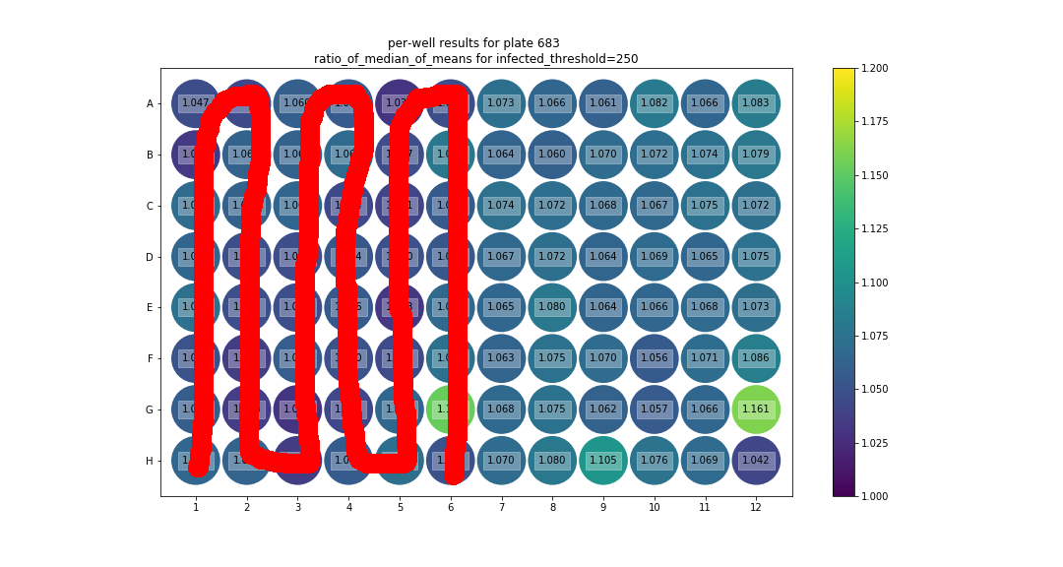
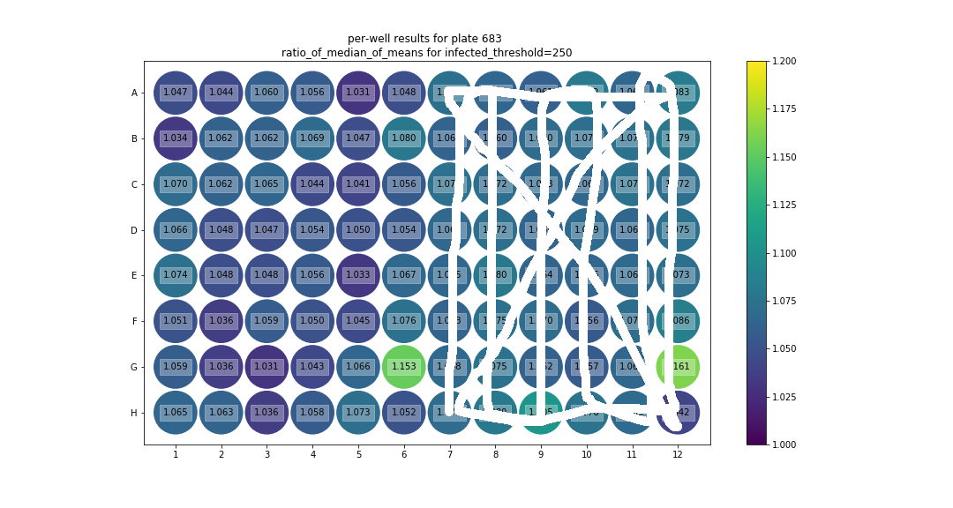
 |  | IgA |  |  |  |  |  | IgG
 | Plate4rep1 | 1 | 2 | 3 | 4 | 5 | 6 | 7 | 8 | 9 | 10 | 11 | 12
 | A | M61 | M69 | M77 | M85/1 | M93/9 | M101 | M61 | M69 | M77 | M85/1 | M93/9 | M101
 |  |  |  |  |  |  | 17 |  |  |  |  |  | 17
 | B | M62 | M70 | M78 | M86/2 | M94/10 | M102 | M62 | M70 | M78 | M86/2 | M94/10 | M102
 |  |  |  |  |  |  | 18 |  |  |  |  |  | 18
 | C | M63 | M71 | M79 | M87/3 | M95/11 | M103 | M63 | M71 | M79 | M87/3 | M95/11 | M103
 |  |  |  |  |  |  | 19 |  |  |  |  |  | 19
 | D | M64 | M72 | M80 | M88/4 | M96/12 | M104 | M64 | M72 | M80 | M88/4 | M96/12 | M104
 |  |  |  |  |  |  | 20 |  |  |  |  |  | 20
 | E | M65 | M73 | M81 | M89/5 | M97/13 | V2023821 | M65 | M73 | M81 | M89/5 | M97/13 | V2023821
 |  |  |  |  |  |  | 21 |  |  |  |  |  | 21
 | F | M66 | M74 | M82 | M90/6 | M98/14 | V1707965 | M66 | M74 | M82 | M90/6 | M98/14 | V1707965
 | G | M67 | M75 | M83 | M91/7 | M99/15 | P0 | M67 | M75 | M83 | M91/7 | M99/15 | P0
 |  |  |  |  |  |  | V2021592 |  |  |  |  |  | V2021592
 | H | M68 | M76 | M84 | M92/8 | M100 |  | M68 | M76 | M84 | M92/8 | M100
 |  |  |  |  |  | 16 | no serum control |  |  |  |  | 16 | no serum control

rep1 | IgG |  |  |  |  |  |  |  |  |  |  |  |  | IgA

