Sheet1
IgG |  |  |  |  |  |  |  |  |  |  |  |  | IgA
Plate1rep2 | 1 | 2 | 3 | 4 | 5 | 6 | 7 | 8 | 9 | 10 | 11 | 12 | Plate1rep2 | 1 | 2 | 3 | 4 | 5 | 6 | 7 | 8 | 9 | 10 | 11 | 12
A | X | B1 | C2f | C4i | C11d | A1 | A9 | B4 | B12 | B20 | B28 | B36 | A | X | B1 | C2f | C4i | C11d | A1 | A9 | B4 | B12 | B20 | B28 | B36
 |  | SE825553 | 2020-03-18 | 2020-03-20 | 2020-02-21 | V17 07 964 | V16 37 124 | SE825363 | SE825242 | SE825206 | SE824949 | SE824933 |  |  | SE825553 | 2020-03-18 | 2020-03-20 | 2020-02-21 | V17 07 964 | V16 37 124 | SE825363 | SE825242 | SE825206 | SE824949 | SE824933
 |  |  | 67837856 | 66343631 |  |  |  |  |  |  |  |  |  |  |  | 67837856 | 66343631
B | X | C1d | C2g | C4k | C12a |  | A10 | B5 | B13 | B21 | B29 | B37 | B | X | C1d | C2g | C4k | C12a |  | A10 | B5 | B13 | B21 | B29 | B37
 |  | 2020-03-12 | 2020-03-19 | 2020-03-22 | 2020-03-13 | A2 | V15 33 474 | SE825364 | SE825243 | SE825207 | SE824950 | SE824934 |  |  | 2020-03-12 | 2020-03-19 | 2020-03-22 | 2020-03-13 | A2 | V15 33 474 | SE825364 | SE825243 | SE825207 | SE824950 | SE824934
 |  |  | 66336391 |  |  | V17 28 644 |  |  |  |  |  |  |  |  |  | 66336391 |  |  | V17 28 644

C | X | C1e | C2h | B3 | C13f | A3 | A11 | B6 | B14 | B22 | B30 | B38 | C | X | C1e | C2h | B3 | C13f | A3 | A11 | B6 | B14 | B22 | B30 | B38
 |  | 2020-03-20 | 2020-03-20 | SE825428 | 2020-03-23 | V18 23 619 | 69 650 393 | SE825365 | SE825244 | SE825208 | SE824951 | SE824935 |  |  | 2020-03-20 | 2020-03-20 | SE825428 | 2020-03-23 | V18 23 619 | 69 650 393 | SE825365 | SE825244 | SE825208 | SE824951 | SE824935
 |  | 66346430 | 66343635 |  |  |  |  |  |  |  |  |  |  |  | 66346430 | 66343635
D | X | C2a | B2 | C10b | C14d | A4 | A12 | B7 | B15 | B23 | B31 | B39 | D | X | C2a | B2 | C10b | C14d | A4 | A12 | B7 | B15 | B23 | B31 | B39
 |  | 2020-03-11 | SE825554 | 2020-03-14 | 2020-03-20 | V17 21 217 | V15 40 453 | SE825336 | SE825245 | SE825209 | SE824952 | SE824936 |  |  | 2020-03-11 | SE825554 | 2020-03-14 | 2020-03-20 | V17 21 217 | V15 40 453 | SE825336 | SE825245 | SE825209 | SE824952 | SE824936
 |  |  |  | 67833059 |  |  |  |  |  |  |  |  |  |  |  |  | 67833059
E | X | C2b | C3b | C10d | C14g | A5 | A13 | B8 | B16 | B24 | B32 | B40 | E | X | C2b | C3b | C10d | C14g | A5 | A13 | B8 | B16 | B24 | B32 | B40
 |  | 2020-03-12 | 2020-03-12 | 2020-03-16 | 2020-03-26 | V16 11 407 | V16 28 991 | SE825334 | SE825205 | SE825052 | SE824953 | SE824957 |  |  | 2020-03-12 | 2020-03-12 | 2020-03-16 | 2020-03-26 | V16 11 407 | V16 28 991 | SE825334 | SE825205 | SE825052 | SE824953 | SE824957
 |  |  |  | 66302845 |  |  |  |  |  |  |  |  |  |  |  |  | 66302845
F | X | C2c | C3e | C10g | C15b | A6 | A14 | B9 | B17 | B25 | B33 | B41 | F | X | C2c | C3e | C10g | C15b | A6 | A14 | B9 | B17 | B25 | B33 | B41
 |  | 2020-03-13 | 2020-03-16 | 2020-03-20 | 2020-03-21 | V15 10 928 | V17 31 100 | SE825335 | SE825204 | SE825053 | SE824954 | SE824958 |  |  | 2020-03-13 | 2020-03-16 | 2020-03-20 | 2020-03-21 | V15 10 928 | V17 31 100 | SE825335 | SE825204 | SE825053 | SE824954 | SE824958
 |  |  | 66302846 | 66343637 |  |  |  |  |  |  |  |  |  |  |  | 66302846 | 66343637
G | X | C2d | C3j | C10j | C18a | A7 | A15 | B10 | B18 | B26 | B34 | B42 | G | X | C2d | C3j | C10j | C18a | A7 | A15 | B10 | B18 | B26 | B34 | B42
 |  | 2020-03-14 | 2020-03-27 | 2020-03-23 | 2020-03-16 | V16 27 520 | V15 17 692 | SE825247 | SE825203 | SE825054 | SE824955 | SE824959 |  |  | 2020-03-14 | 2020-03-27 | 2020-03-23 | 2020-03-16 | V16 27 520 | V15 17 692 | SE825247 | SE825203 | SE825054 | SE824955 | SE824959
 |  | 67834224 |  | 67840767 | 66326961 |  |  |  |  |  |  |  |  |  | 67834224 |  | 67840767 | 66326961
H | X | C2e | C4b | C11b | C19b | A8 | A16 | B11 | B19 | B27 | B35 | B43 | H | X | C2e | C4b | C11b | C19b | A8 | A16 | B11 | B19 | B27 | B35 | B43

rep2
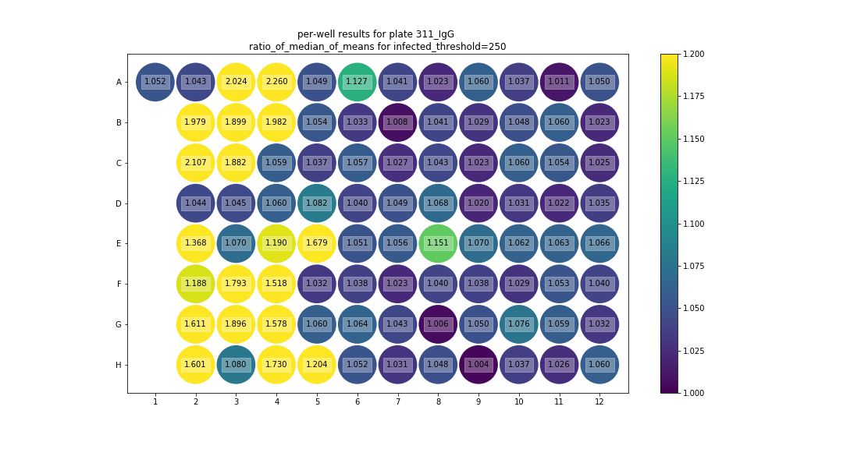
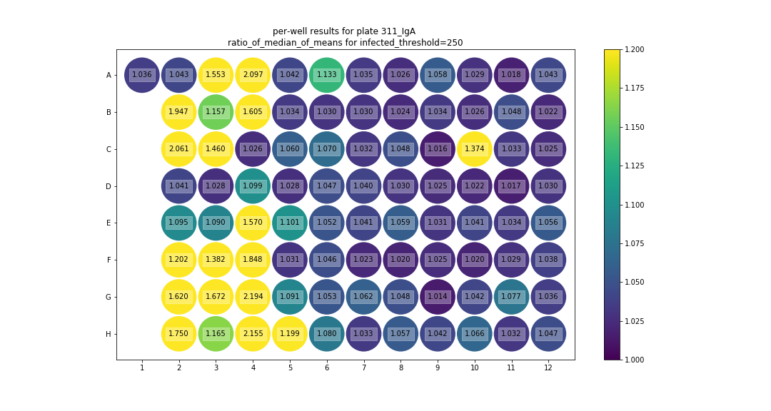

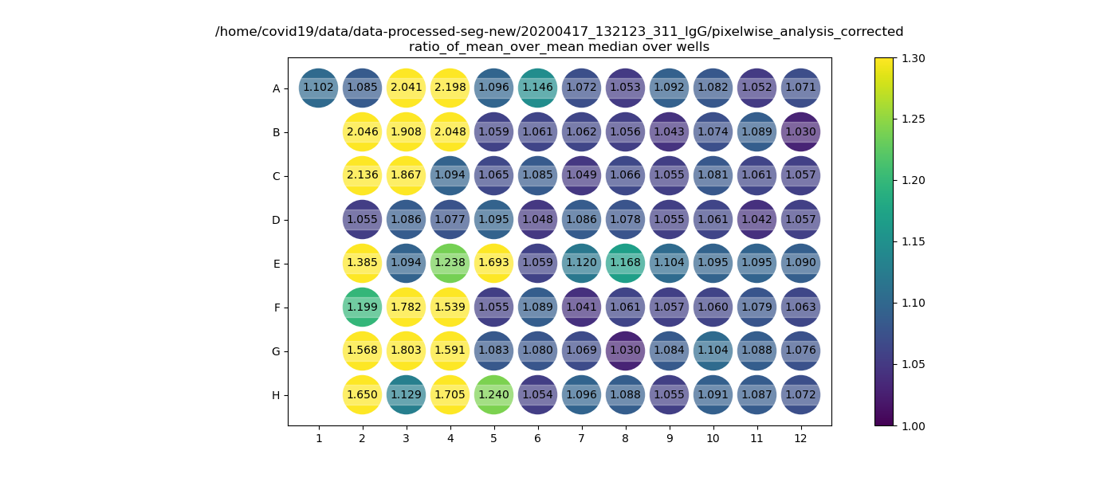
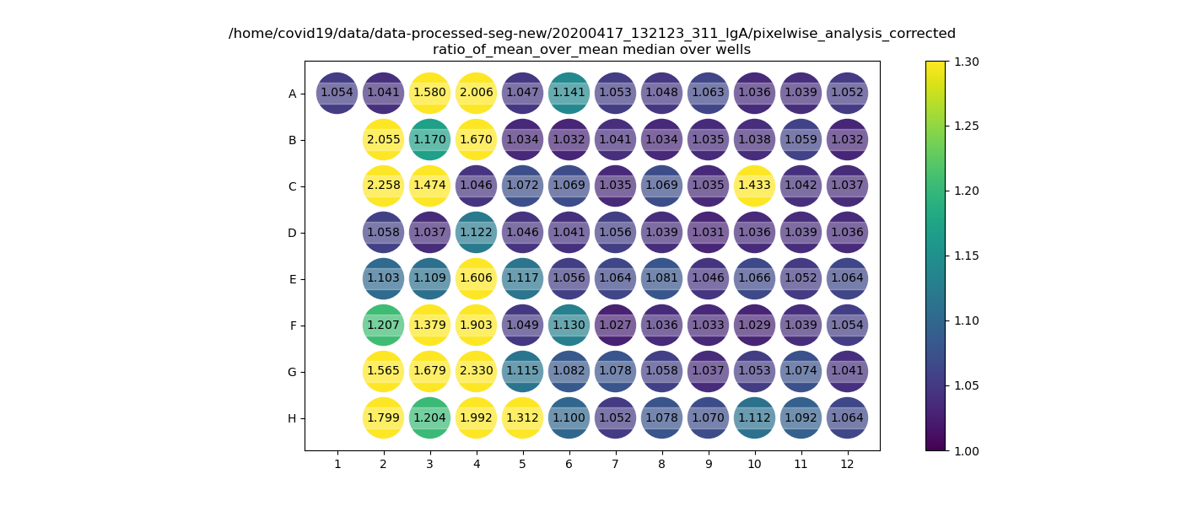

 |  |  |  | A6 = quality control problem, backgorund in serum channels
 |  |  |  | E8 = maybe true false positive, maybe segmentation errors, not sure

