Sheet1
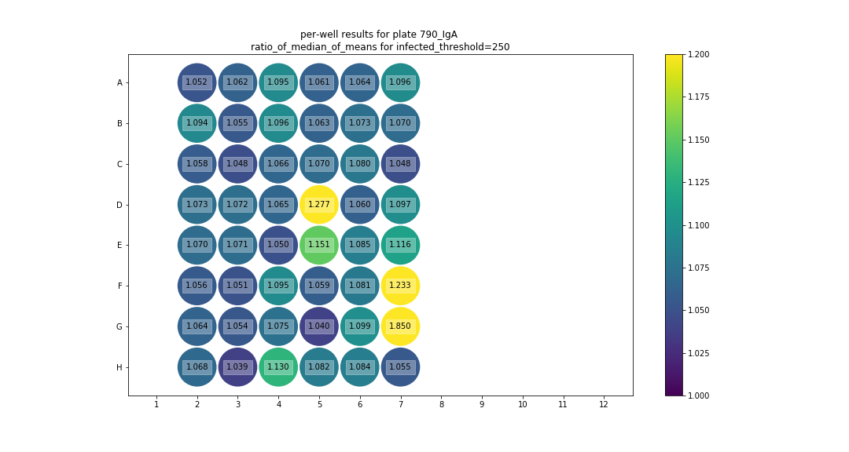
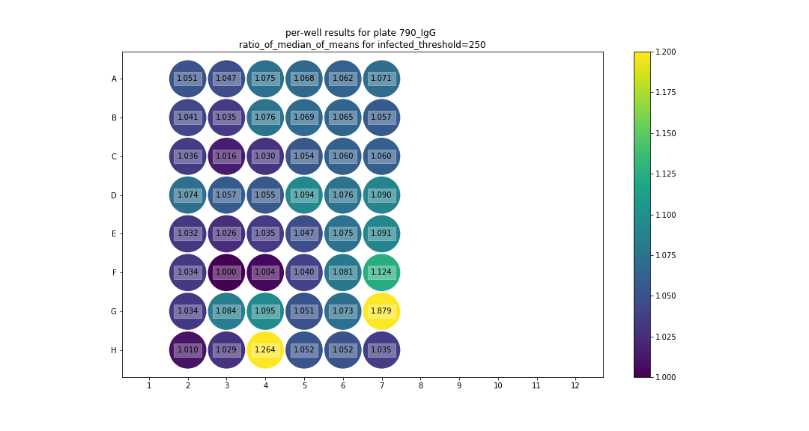
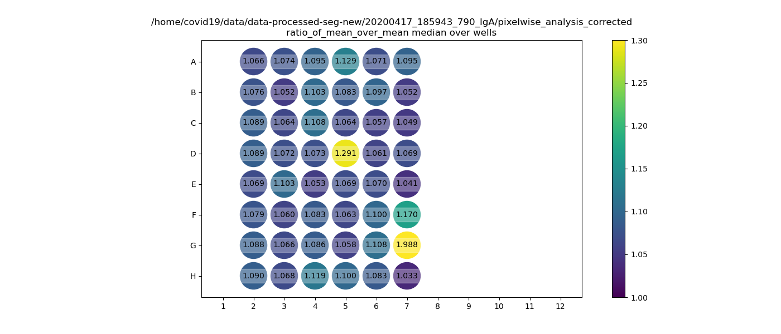
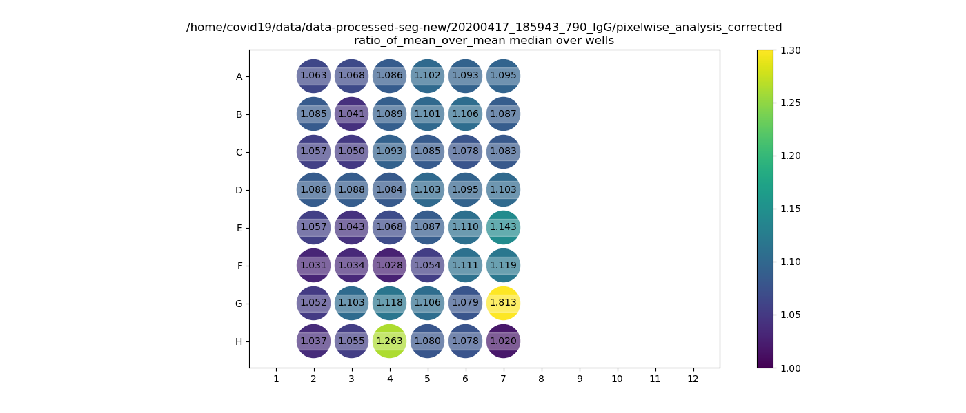
IgG |  |  |  |  |  |  |  |  |  |  |  |  | IgA

Plate4rep2 | 1 | 2 | 3 | 4 | 5 | 6 | 7 | 8 | 9 | 10 | 11 | 12 | Plate4rep2 | 1 | 2 | 3 | 4 | 5 | 6 | 7 | 8 | 9 | 10 | 11 | 12
A | X | M61 | M69 | M77 | M85/1 | M93/9 | M101 |  |  | x | x | x | A | X | M61 | M69 | M77 | M85/1 | M93/9 | M101 | x | x | x | x | x
 |  |  |  |  |  |  | 17 | x | x |  |  |  |  |  |  |  |  |  |  | 17
B | X | M62 | M70 | M78 | M86/2 | M94/10 | M102 | x |  | x | x | x | B | X | M62 | M70 | M78 | M86/2 | M94/10 | M102 |  |  | x | x | x
 |  |  |  |  |  |  | 18 |  | x |  |  |  |  |  |  |  |  |  |  | 18 | x | x
C | X | M63 | M71 | M79 | M87/3 | M95/11 | M103 | x | x | x | x | x | C | X | M63 | M71 | M79 | M87/3 | M95/11 | M103 | x | x | x | x | x
 |  |  |  |  |  |  | 19 |  |  |  |  |  |  |  |  |  |  |  |  | 19
D | X | M64 | M72 | M80 | M88/4 | M96/12 | M104 | x | x | x | x | x | D | X | M64 | M72 | M80 | M88/4 | M96/12 | M104 | x | x | x | x | x
 |  |  |  |  |  |  | 20 |  |  |  |  |  |  |  |  |  |  |  |  | 20
E | X | M65 | M73 | M81 | M89/5 | M97/13 | V2023821 | x | x | x | x | x | E | X | M65 | M73 | M81 | M89/5 | M97/13 | V2023821 | x | x | x | x | x
 |  |  |  |  |  |  | 21 |  |  |  |  |  |  |  |  |  |  |  |  | 21
F | X | M66 | M74 | M82 | M90/6 | M98/14 | V1707965 | x | x | x | x | x | F | X | M66 | M74 | M82 | M90/6 | M98/14 | V1707965 | x | x | x | x | x
G | X | M67 | M75 | M83 | M91/7 | M99/15 | P0 | x | x | x | x | x | G | X | M67 | M75 | M83 | M91/7 | M99/15 | P0 | x | x | x | x | x
 |  |  |  |  |  |  | V2021592 |  |  |  |  |  |  |  |  |  |  |  |  | V2021592
H | X | M68 | M76 | M84 | M92/8 | M100 | no serum control | x | x | x | x | x | H | X | M68 | M76 | M84 | M92/8 | M100 | no serum control | x |  | x | x | x
 |  |  |  |  |  | 16 |  |  |  |  |  |  |  |  |  |  |  |  | 16 |  |  | x

rep2

