Sheet1
IgG |  |  |  |  |  |  |  |  |  |  |  |  | IgA
Plate2rep2 | 1 | 2 | 3 | 4 | 5 | 6 | 7 | 8 | 9 | 10 | 11 | 12 | Plate2rep2 | 1 | 2 | 3 | 4 | 5 | 6 | 7 | 8 | 9 | 10 | 11 | 12
A | X | C19e | C31c | C37h | C45+54c | A17 | A25 | A33 | B54 | B62 | B70 | B78 | A | X | C19e | C31c | C37h | C45+54c | A17 | A25 | A33 | B54 | B62 | B70 | B78
 |  | 2020-03-21 | 2020-03-20 | 2020-03-27 | 2020-03-23 | V15 06 181 | V15 18 821 | V15 08 487 | SE824734 | SE824549 | SE824386 | SE824383 |  |  | 2020-03-21 | 2020-03-20 | 2020-03-27 | 2020-03-23 | V15 06 181 | V15 18 821 | V15 08 487 | SE824734 | SE824549 | SE824386 | SE824383
B | X | C23c | C31g | C41a | C50+55b | A18 | A26 | A34 | B55 | B63 | B71 | B79 | B | X | C23c | C31g | C41a | C50+55b | A18 | A26 | A34 | B55 | B63 | B71 | B79
 |  | 2020-03-20 | 2020-03-24 | 2020-03-21 | 2020-03-22 | V15 06 610 | V16 06 677 | V17 47 454 | SE824735 | SE824550 | SE824387 | SE824384 |  |  | 2020-03-20 | 2020-03-24 | 2020-03-21 | 2020-03-22 | V15 06 610 | V16 06 677 | V17 47 454 | SE824735 | SE824550 | SE824387 | SE824384
 |  | 66342424 |  |  |  |  |  |  |  |  |  |  |  |  | 66342424
C | X | C23i | C31j | B46 | C50+55f | A19 | A27 | B48 | B56 | B64 | B72 | B80 | C | X | C23i | C31j | B46 | C50+55f | A19 | A27 | B48 | B56 | B64 | B72 | B80
 |  | 2020-03-27 | 2020-03-27 | SE824524 | 2020-03-26 | 66 593 513 | 66 608 987 | SE824805 | SE824736 | SE824551 | SE824388 | SE824363 |  |  | 2020-03-27 | 2020-03-27 | SE824524 | 2020-03-26 | 66 593 513 | 66 608 987 | SE824805 | SE824736 | SE824551 | SE824388 | SE824363
 |  | 67840881 |  |  |  |  |  |  |  |  |  |  |  |  | 67840881
D | X | C27a | C32g | C38+46+51f | C57c | A20 | A28 | B49 | B57 | B65 | B73 | B81 | D | X | C27a | C32g | C38+46+51f | C57c | A20 | A28 | B49 | B57 | B65 | B73 | B81
 |  | 2020-03-18 | 2020-03-24 | 2020-03-23 | 2020-03-24 | V19 19 853 | V15 23 357 | SE824806 | SE824737 | SE824552 | SE824389 | SE824364 |  |  | 2020-03-18 | 2020-03-24 | 2020-03-23 | 2020-03-24 | V19 19 853 | V15 23 357 | SE824806 | SE824737 | SE824552 | SE824389 | SE824364
E | X | C27c | B44 | C38+46+51g | B47 | A21 | A29 | B50 | B58 | B66 | B74 | B82 | E | X | C27c | B44 | C38+46+51g | B47 | A21 | A29 | B50 | B58 | B66 | B74 | B82
 |  | 2020-03-21 | SE825427 | 2020-03-27 | SE825425 | V16 12 913 | V15 18 305 | SE824807 | SE824738 | SE824553 | SE824390 | 66624140 |  |  | 2020-03-21 | SE825427 | 2020-03-27 | SE825425 | V16 12 913 | V15 18 305 | SE824807 | SE824738 | SE824553 | SE824390 | 66624140
F | X | C27d | C33f | C49+52c | C59c | A22 | A30 | B51 | B59 | B67 | B75 | B83 | F | X | C27d | C33f | C49+52c | C59c | A22 | A30 | B51 | B59 | B67 | B75 | B83
 |  | 2020-03-25 | 2020-03-24 | 2020-03-23 | 2020-03-27 | V18 23 330 | V15 14 771 | SE824808 | SE824546 | SE824554 | SE824391 | V1713480 |  |  | 2020-03-25 | 2020-03-24 | 2020-03-23 | 2020-03-27 | V18 23 330 | V15 14 771 | SE824808 | SE824546 | SE824554 | SE824391 | V1713480
 |  |  |  | 67844266 | 67844267 |  |  |  |  |  |  |  |  |  |  |  | 67844266 | 67844267
G | X | C29e | B45 | C49+52e | C92d | A23 | A31 | B52 | B60 | B68 | B76 | B84 | G | X | C29e | B45 | C49+52e | C92d | A23 | A31 | B52 | B60 | B68 | B76 | B84
 |  | 2020-03-22 | SE825426 | 2020-03-25 | 27/0320 | 66 601 122 | V15 09 632 | SE824824 | SE824547 | SE824555 | SE824392 | 66871566 |  |  | 2020-03-22 | SE825426 | 2020-03-25 | 27/0320 | 66 601 122 | V15 09 632 | SE824824 | SE824547 | SE824555 | SE824392 | 66871566
 |  |  |  | 67843121 | 67844994 |  |  |  |  |  |  |  |  |  |  |  | 67843121 | 67844994
H | X | C29i | C37e | C48+53f | C123b | A24 | A32 | B53 | B61 | B69 | B77 | B85 | H | X | C29i | C37e | C48+53f | C123b | A24 | A32 | B53 | B61 | B69 | B77 | B85
 |  | 2020-03-26 | 2020-03-24 | 2020-03-27 | 2020-03-26 | V15 15 134 | V15 16 699 | SE824825 | SE824548 | SE824385 | SE824393 | 66906131 |  |  | 2020-03-26 | 2020-03-24 | 2020-03-27 | 2020-03-26 | V15 15 134 | V15 16 699 | SE824825 | SE824548 | SE824385 | SE824393 | 66906131
 |  | 67842988 |  |  | V2017736 |  |  |  |  |  |  |  |  |  | 67842988 |  |  | V2017736

rep2

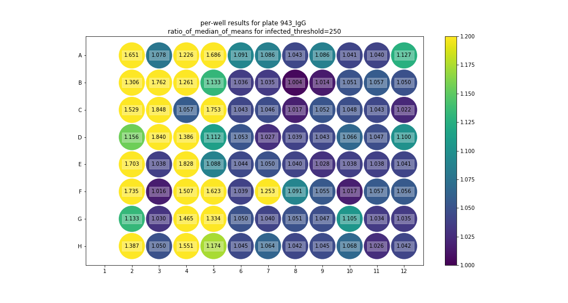
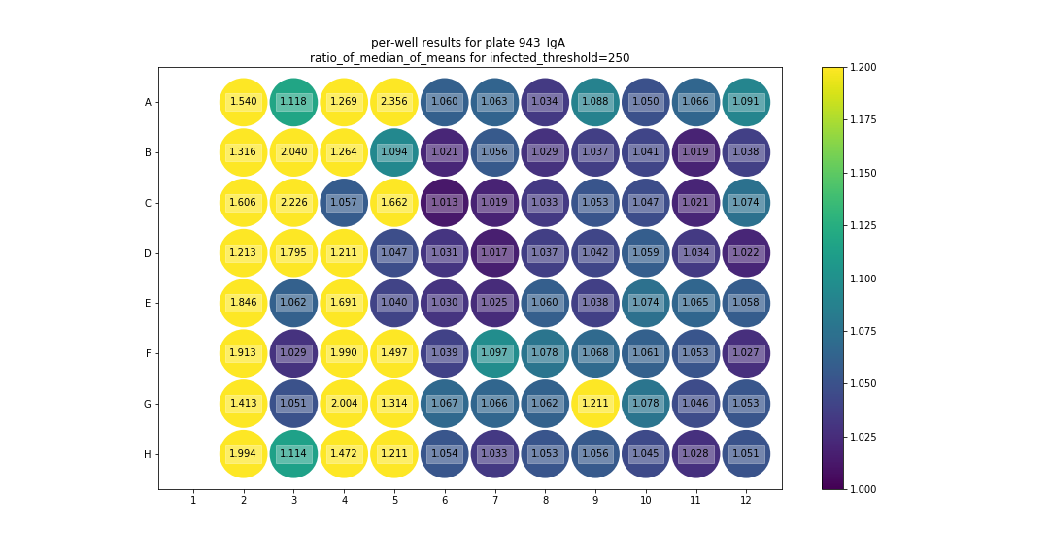

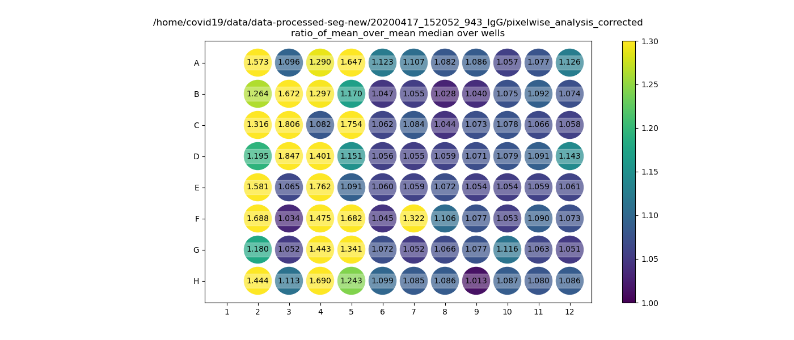
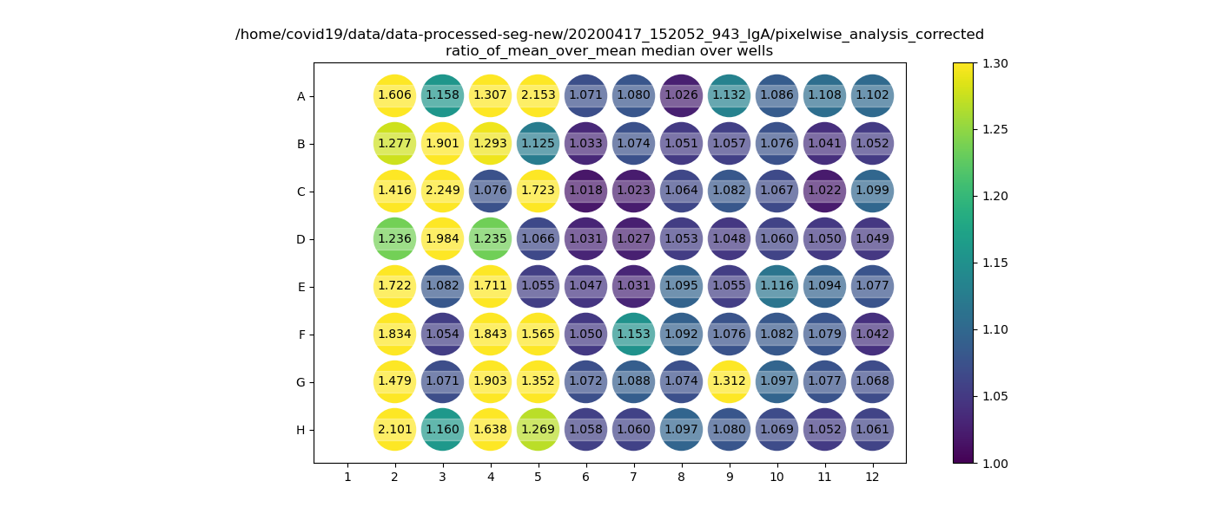

 |  |  |  | A12 = lots of blurry images, quality control, no visual difference
 |  |  |  | D12 = quality ok, no visual difference
 |  |  |  | G10 = quality ok, no visual difference

