Reference
...
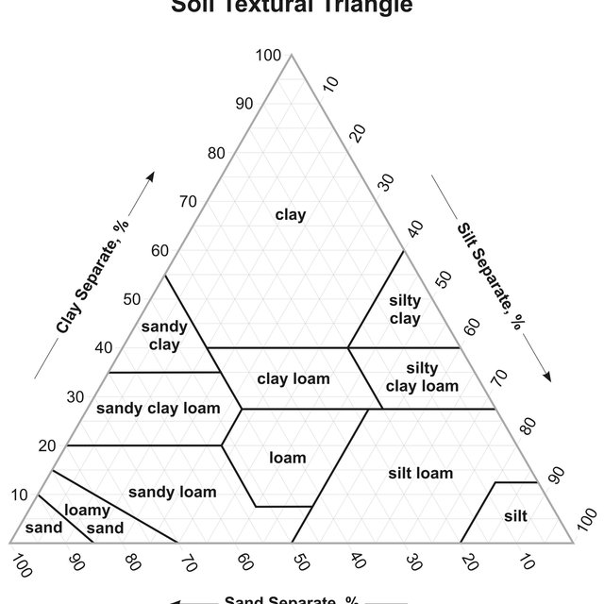
...
 | A | B | C | D | molto perm | med perm | scars perm
1 | 244.56818065 | 195.43233373 | 122.09891466 | 77.475639737 | 115.8029697 | 75.303326611 | 74.761402759
2 | 239.27047339 | 190.97744353 | 119.26945738 | 75.034037847 | 107.41151432 | 70.946018468 | 69.901328291
3 | 234.10356699 | 186.63254497 | 116.50985964 | 72.672481189 | 99.755072939 | 66.903554219 | 65.39242586
4 | 229.06423197 | 182.39492234 | 113.81839662 | 70.388345566 | 92.769265109 | 63.153184344 | 61.209320999
5 | 224.14931857 | 178.26192698 | 111.19338605 | 68.179092817 | 86.39534953 | 59.673803121 | 57.328472712
6 | 219.35575481 | 174.23097564 | 108.63318723 | 66.042267987 | 80.57973009 | 56.445829855 | 53.728040993
7 | 214.68054457 | 170.29954884 | 106.13619994 | 63.975496608 | 75.273505204 | 53.451098684 | 50.387763917
8 | 210.12076568 | 166.46518932 | 103.70086349 | 61.976482054 | 70.432056614 | 50.672756346 | 47.288843617
9 | 205.67356813 | 162.72550047 | 101.3256557 | 60.043002992 | 66.014674209 | 48.095167339 | 44.413840494
10 | 201.33617228 | 159.07814487 | 99.009092011 | 58.172910914 | 61.984213706 | 45.703825928 | 41.746575074
11 | 197.10586711 | 155.5208428 | 96.749724479 | 56.364127747 | 58.306784321 | 43.48527451 | 39.272036954
12 | 192.98000855 | 152.05137083 | 94.54614093 | 54.614643545 | 54.951463788 | 41.427027883 | 36.976300331
13 | 188.9560178 | 148.66756042 | 92.396964053 | 52.922514257 | 51.890038347 | 39.517502982 | 34.846445633
14 | 185.03137974 | 145.3672966 | 90.300850542 | 51.285859566 | 49.096765501 | 37.745953692 | 32.870486811
15 | 181.20364133 | 142.14851658 | 88.256490258 | 49.702860798 | 46.548157559 | 36.102410378 | 31.037303883
16 | 177.47041013 | 139.00920852 | 86.262605409 | 48.171758902 | 44.222784137 | 34.577623774 | 29.336580364
17 | 173.82935273 | 135.94741025 | 84.317949753 | 46.690852497 | 42.10109195 | 33.163012934 | 27.758745196
18 | 170.27819336 | 132.96120805 | 82.421307816 | 45.258495979 | 40.165240405 | 31.850616942 | 26.294918897
19 | 166.81471242 | 130.04873545 | 80.571494135 | 43.873097693 | 38.398951577 | 30.633050109 | 24.936863583
20 | 163.43674514 | 127.20817205 | 78.767352516 | 42.533118166 | 36.787373338 | 29.50346041 | 23.676936611
21 | 160.14218016 | 124.43774241 | 77.007755313 | 41.237068392 | 35.31695447 | 28.455490924 | 22.508047569
22 | 156.92895828 | 121.73571492 | 75.29160272 | 39.983508184 | 33.975330715 | 27.48324406 | 21.423618375
23 | 153.79507114 | 119.10040073 | 73.617822085 | 38.771044568 | 32.75122081 | 26.581248365 | 20.417546254
24 | 150.73855994 | 116.53015268 | 71.985367241 | 37.598330237 | 31.634331628 | 25.744427734 | 19.484169396
25 | 147.75751427 | 114.02336428 | 70.393217851 | 36.464062055 | 30.615271624 | 24.968072845 | 18.618235096
26 | 144.85007089 | 111.5784687 | 68.840378769 | 35.366979607 | 29.685471864 | 24.247814653 | 17.81487019
27 | 142.01441253 | 109.19393781 | 67.325879421 | 34.3058638 | 28.837113977 | 23.579599807 | 17.069553631
28 | 139.24876683 | 106.8682812 | 65.848773195 | 33.279535507 | 28.063064406 | 22.959667836 | 16.378091048
29 | 136.55140517 | 104.60004526 | 64.408136852 | 32.286854257 | 27.356814428 | 22.384529989 | 15.736591141
30 | 133.9206416 | 102.38781226 | 63.003069947 | 31.32671697 | 26.712425427 | 21.850949597 | 15.141443781
31 | 131.35483182 | 100.23019948 | 61.632694267 | 30.398056727 | 26.12447895 | 21.355923863 | 14.589299694
32 | 128.85237211 | 98.125858362 | 60.296153284 | 29.499841589 | 25.588031156 | 20.896666964 | 14.077051613
33 | 126.41169834 | 96.073473606 | 58.992611615 | 28.631073445 | 25.098571233 | 20.470594367 | 13.601816794
34 | 124.03128503 | 94.071762411 | 57.721254504 | 27.790786908 | 24.65198348 | 20.07530829 | 13.160920785
35 | 121.70964433 | 92.119473641 | 56.481287312 | 26.978048241 | 24.244512689 | 19.708584207 | 12.751882385
36 | 119.44532514 | 90.215387052 | 55.27193502 | 26.191954317 | 23.872732577 | 19.368358328 | 12.372399674
37 | 117.2369122 | 88.358312529 | 54.092441741 | 25.431631617 | 23.533516969 | 19.052715985 | 12.02033706
38 | 115.08302516 | 86.547089339 | 52.942070256 | 24.69623526 | 23.224013516 | 18.759880857 | 11.693713263
39 | 112.98231778 | 84.780585409 | 51.820101544 | 23.984948064 | 22.941619706 | 18.488204974 | 11.390690164
40 | 110.93347706 | 83.057696617 | 50.725834338 | 23.296979635 | 22.683960987 | 18.236159444 | 11.109562457
41 | 108.93522239 | 81.3773461 | 49.658584685 | 22.631565494 | 22.448870791 | 18.002325845 | 10.848748058
42 | 106.9863048 | 79.738483586 | 48.617685521 | 21.987966224 | 22.234372326 | 17.785388246 | 10.606779198
43 | 105.08550617 | 78.140084731 | 47.602486248 | 21.365466647 | 22.038661945 | 17.584125802 | 10.382294164
44 | 103.23163841 | 76.581150484 | 46.612352335 | 20.763375034 | 21.860093986 | 17.397405881 | 10.174029637
45 | 101.42354282 | 75.060706461 | 45.646664915 | 20.181022331 | 21.697166932 | 17.22417769 | 9.9808135776
46 | 99.660089263 | 73.577802335 | 44.704820402 | 19.617761422 | 21.548510782 | 17.063466365 | 9.8015586374
47 | 97.940175531 | 72.131511242 | 43.786230113 | 19.072966401 | 21.412875539 | 16.914367479 | 9.6352560343
48 | 96.262726621 | 70.720929204 | 42.8903199 | 18.546031886 | 21.28912069 | 16.776041959 | 9.4809698774
49 | 94.626694071 | 69.34517456 | 42.016529788 | 18.036372338 | 21.176205623 | 16.647711359 | 9.3378319004
50 | 93.031055309 | 68.003387419 | 41.164313631 | 17.543421418 | 21.073180873 | 16.528653481 | 9.2050365746
...
...
0 |  | 27 | 10 | 21 | 5 | 0
0 |  | 25 | 10 | 23 | 0 | 0
B | C | D | molto perm | med perm | scars perm
200 | 125 | 80 | 125 | 80 | 80
15 | 7.5 | 3 | 20 | 15 | 7.5
1.5 | 1.5 | 2 | 5.5 | 4.5 | 4.5
...
0 |  | 27 | 10 | 21 | 5 | 0
0 |  | 25 | 10 | 23 | 0 | 0
195.43233373 | 122.09891466 | 77.475639737 | 115.8029697 | 75.303326611 | 74.761402759
190.97744353 | 119.26945738 | 75.034037847 | 107.41151432 | 70.946018468 | 69.901328291
186.63254497 | 116.50985964 | 72.672481189 | 99.755072939 | 66.903554219 | 65.39242586
182.39492234 | 113.81839662 | 70.388345566 | 92.769265109 | 63.153184344 | 61.209320999
178.26192698 | 111.19338605 | 68.179092817 | 86.39534953 | 59.673803121 | 57.328472712
174.23097564 | 108.63318723 | 66.042267987 | 80.57973009 | 56.445829855 | 53.728040993
170.29954884 | 106.13619994 | 63.975496608 | 75.273505204 | 53.451098684 | 50.387763917
166.46518932 | 103.70086349 | 61.976482054 | 70.432056614 | 50.672756346 | 47.288843617
162.72550047 | 101.3256557 | 60.043002992 | 66.014674209 | 48.095167339 | 44.413840494
159.07814487 | 99.009092011 | 58.172910914 | 61.984213706 | 45.703825928 | 41.746575074
155.5208428 | 96.749724479 | 56.364127747 | 58.306784321 | 43.48527451 | 39.272036954
152.05137083 | 94.54614093 | 54.614643545 | 54.951463788 | 41.427027883 | 36.976300331
148.66756042 | 92.396964053 | 52.922514257 | 51.890038347 | 39.517502982 | 34.846445633
145.3672966 | 90.300850542 | 51.285859566 | 49.096765501 | 37.745953692 | 32.870486811
142.14851658 | 88.256490258 | 49.702860798 | 46.548157559 | 36.102410378 | 31.037303883
139.00920852 | 86.262605409 | 48.171758902 | 44.222784137 | 34.577623774 | 29.336580364
135.94741025 | 84.317949753 | 46.690852497 | 42.10109195 | 33.163012934 | 27.758745196
132.96120805 | 82.421307816 | 45.258495979 | 40.165240405 | 31.850616942 | 26.294918897
130.04873545 | 80.571494135 | 43.873097693 | 38.398951577 | 30.633050109 | 24.936863583
127.20817205 | 78.767352516 | 42.533118166 | 36.787373338 | 29.50346041 | 23.676936611
124.43774241 | 77.007755313 | 41.237068392 | 35.31695447 | 28.455490924 | 22.508047569
121.73571492 | 75.29160272 | 39.983508184 | 33.975330715 | 27.48324406 | 21.423618375
119.10040073 | 73.617822085 | 38.771044568 | 32.75122081 | 26.581248365 | 20.417546254
116.53015268 | 71.985367241 | 37.598330237 | 31.634331628 | 25.744427734 | 19.484169396
...

