Summary
Paid
 | TA1_五股 | TA2_三峽 | TB1_平鎮 | TB2_大園 | CA1_中國四川康定(代管) | CA2_中國四川康定(合資) | CA3_中國四川康定(合資) | CA4_中國四川康定(合資) | CA5_中國四川冕寧(合資) | CB1_江西撫州 | CC1_內蒙鄂爾多斯(合資) | CC2_內蒙鄂爾多斯(合資)
 |  |  |  |  |  |  |  |  |  | 0
 |  |  |  |  |  |  |  |  |  | 0
 |  |  |  |  |  |  |  |  |  | 0
 |  |  |  |  |  |  |  |  |  | 0
 |  |  |  |  |  |  |  |  |  | 0
 |  |  |  |  |  |  |  |  |  | 0
 |  |  |  |  |  |  |  |  |  | 0
 |  |  |  |  |  |  |  |  |  | 0
 |  |  |  |  |  |  |  |  |  | 0
 |  |  |  |  |  |  |  |  |  | 0
 |  |  |  |  |  |  |  |  |  | 0
 |  |  |  |  |  |  |  |  |  | 0
 |  |  |  |  |  |  |  |  |  | 0
 |  |  |  |  |  |  |  |  |  | 0
 |  |  |  |  |  |  |  |  |  | 0
 |  |  |  |  |  |  |  |  |  | 0
 |  |  |  |  |  |  |  |  |  | 0
 |  |  |  |  |  |  |  |  |  | 0
 |  |  |  |  |  |  |  |  |  | 0
 |  |  |  |  |  |  |  |  |  | 0
 |  |  |  |  |  |  |  |  |  | 0
 |  |  |  |  |  |  |  |  |  | 0
 |  |  |  |  |  |  |  |  |  | 0
 |  |  |  |  |  |  |  |  |  | 0
 |  |  |  |  |  |  |  |  |  | 0
 |  |  |  |  |  |  |  |  |  | 0
 |  |  |  |  |  |  |  |  |  | 0
 |  |  |  |  |  |  |  |  |  | 0
 |  |  |  |  |  |  |  |  |  | 0
 |  |  |  |  |  |  |  |  |  | 0
廠區代碼 |  | TA1_五股 | TA2_三峽 | TB1_平鎮 | TB2_大園 | CA1_中國四川康定(代管) | CA2_中國四川康定(合資) | CA3_中國四川康定(合資) | CA4_中國四川康定(合資) | CA5_中國四川冕寧(合資) | CB1_江西撫州 | CC1_內蒙鄂爾多斯(合資) | CC2_內蒙鄂爾多斯(合資)
現況 (9:00) | 總機台數量 | 0 | 0 | 0 | 0 | 0 | 0 | 0 | 0 | 0 | 0 | 0 | 0
 | 上線數量 | 0 | 0 | 0 | 0 | 0 | 0 | 0 | 0 | 0 | 0 | 0 | 0
 | 掉線數量 | 0 | 0 | 0 | 0 | 0 | 0 | 0 | 0 | 0 | 0 | 0 | 0
 | 在線率 | 0 | 0 | 0 | 0 | 0 | 0 | 0 | 0 | 0 | 0 | 0 | 0
 | 當日出金 | 0 | 0 | 0 | 0 | 0 | 0 | 0 | 0 | 0 | 0 | 0 | 0
 | 錢包餘額
 | 累積出金 | 0 | 0 | 0 | 1038.600146 | 0 | 0 | 0 | 0 | 0 | 0 | 0 | 0
 | 掉線機台 | 0 | 0 | 0 | 0 | 0 | 0 | 0 | 0 | 0 | 0 | 0 | 0
算力分析 (9:00) | 顯卡型號 | P104-12;P106-12 | RTX3070-8 | P104-12;VEGA-8 | P106-12;P106-8 | RX470 8G-8 | RX470 8G | P104-8 | P106-8 | RX470 8G-8/-6 | P106-8 | RX470 8G-8 | RX470/RX580-8
 | 每台平均算力 | 0 | 0 | 0 | 0 | MH/s | MH/s | MH/s | MH/s | 0 | MH/s | MH/s | MH/s
 | 平均每台每天出金
 | 平均每算力每天出金
 | 整場算力 | 0 | 0 | 0 | 0 | 0 | 0 | 0 | 0 | 0 | 0 | 0 | 0
 | 24時平均整場算力 | 0 | 0 | 0 | 0 | 0 | 0 | 0 | 0 | 0 | 0 | 0 | 0
算力分析 (15:40) | 顯卡型號 | P104-12;P106-12 | P104-12;P106-13 | P104-12;VEGA-8 | P106-12;P106-8 | RX470 4G-8 | RX470 4G | P104-8 | P106-8 | P106-8 | P106-8 | RX470 4G/8G-8 | RX470/RX580-8
 | 每台平均算力 | 0 | 0 | 0 | 0 | MH/s | MH/s | MH/s | MH/s | 0 | MH/s | MH/s | MH/s
Avg.Avg. Hashrate_Online_Rig
 | TA1_五股 | TA2_三峽 | TB1_平鎮 | TB2_大園 | CA1_中國四川康定(代管) | CA2_中國四川康定(合資) | CA3_中國四川康定(合資) | CA4_中國四川康定(合資) | CA5_中國四川冕寧(合資) | CB1_江西撫州 | CC1_內蒙鄂爾多斯(合資) | CC2_內蒙鄂爾多斯(合資)
 | 0 | 0 | 0 | 0 |  |  |  |  |  | 0
 | 0 | 0 | 0 | 0 |  |  |  |  |  | 0
 | 0 | 0 | 0 | 0 |  |  |  |  |  | 0
 | 0 | 0 | 0 | 0 |  |  |  |  |  | 0
 | 0 | 0 | 0 | 0 |  |  |  |  |  | 0
 | 0 | 0 | 0 | 0 |  |  |  |  |  | 0
 | 0 | 0 | 0 | 0 |  |  |  |  |  | 0
 | 0 | 0 | 0 | 0 |  |  |  |  |  | 0
 | 0 | 0 | 0 | 0 |  |  |  |  |  | 0
 | 0 | 0 | 0 | 0 |  |  |  |  |  | 0
 | 0 | 0 | 0 | 0 |  |  |  |  |  | 0
 | 0 | 0 | 0 | 0 |  |  |  |  |  | 0
 | 0 | 0 | 0 | 0 |  |  |  |  |  | 0
 | 0 | 0 | 0 | 0 |  |  |  |  |  | 0
 | 0 | 0 | 0 | 0 |  |  |  |  |  | 0
 | 0 | 0 | 0 | 0 |  |  |  |  |  | 0
 | 0 | 0 | 0 | 0 |  |  |  |  |  | 0
 | 0 | 0 | 0 | 0 |  |  |  |  |  | 0
 | 0 | 0 | 0 | 0 |  |  |  |  |  | 0
 | 0 | 0 | 0 | 0 |  |  |  |  |  | 0
 | 0 | 0 | 0 | 0 |  |  |  |  |  | 0
 | 0 | 0 | 0 | 0 |  |  |  |  |  | 0
 | 0 | 0 | 0 | 0 |  |  |  |  |  | 0
 | 0 | 0 | 0 | 0 |  |  |  |  |  | 0
 | 0 | 0 | 0 | 0 |  |  |  |  |  | 0
 | 0 | 0 | 0 | 0 |  |  |  |  |  | 0
 | 0 | 0 | 0 | 0 |  |  |  |  |  | 0
 | 0 | 0 | 0 | 0 |  |  |  |  |  | 0
 | 0 | 0 | 0 | 0 |  |  |  |  |  | 0
 | 0 | 0 | 0 | 0 |  |  |  |  |  | 0
 | 平均每台每天出金
 | 平均每算力每天出金

Note photo
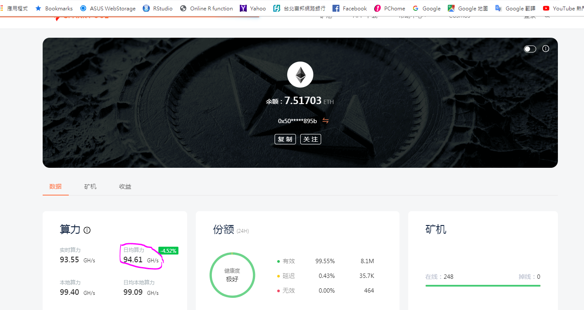
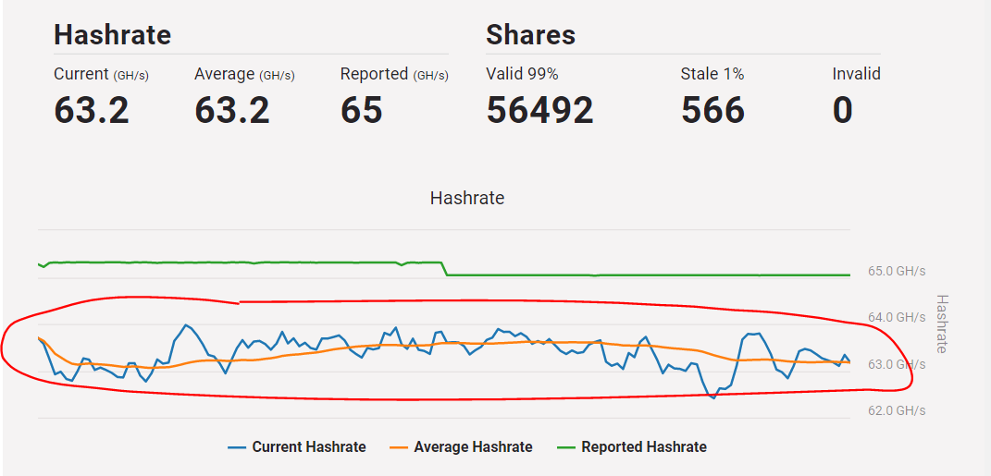
圖一
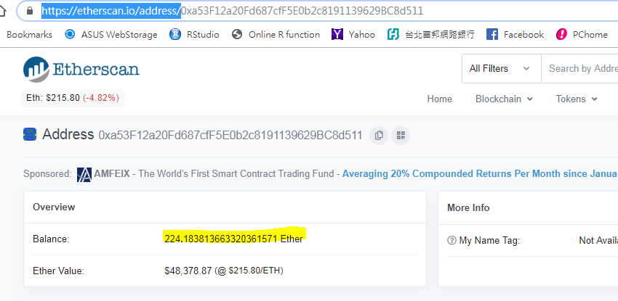

圖二
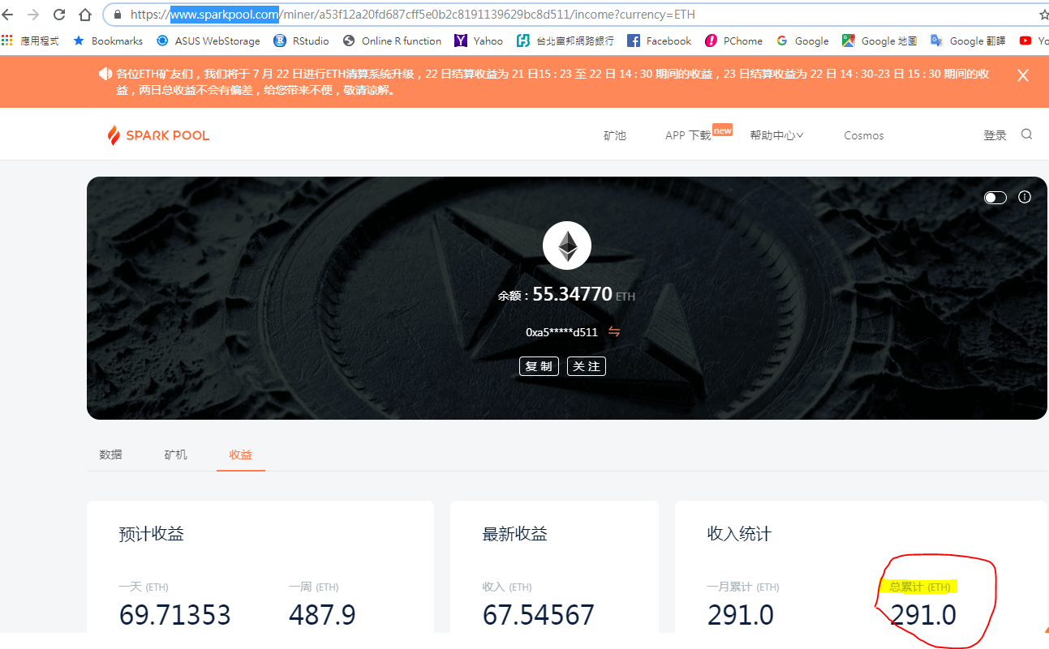
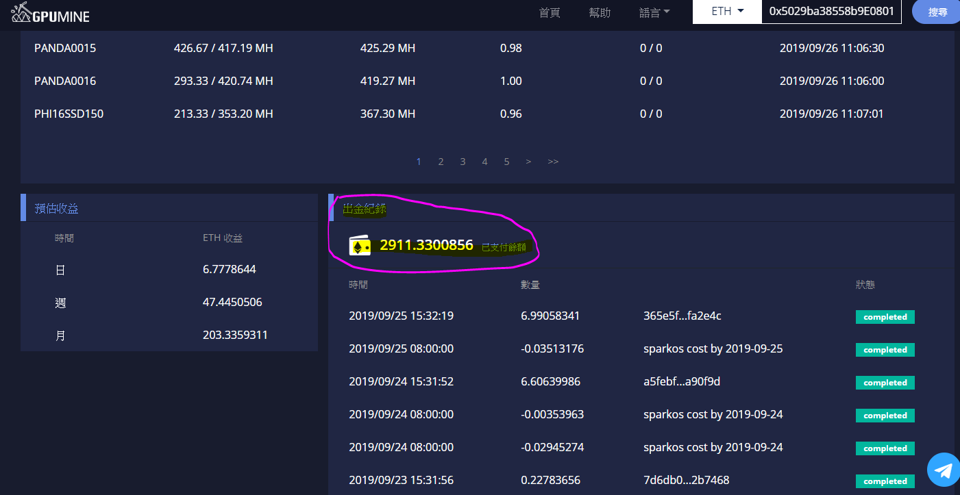
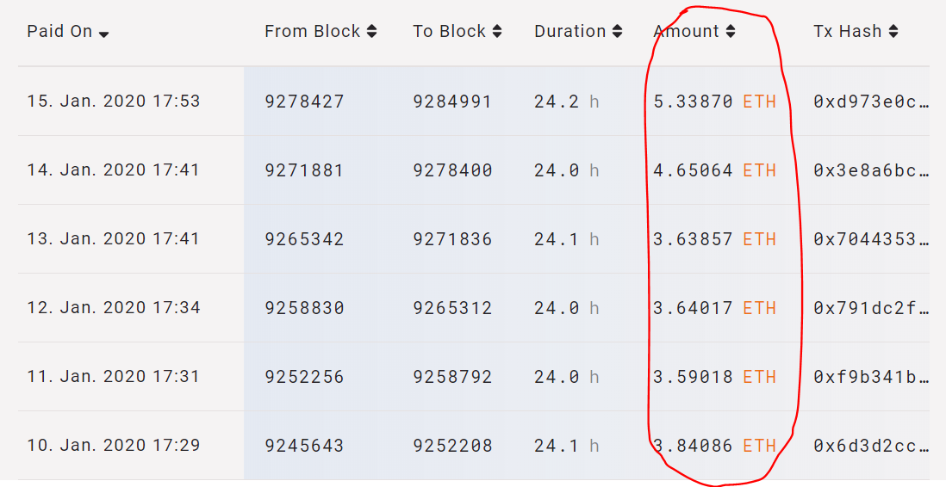

圖三
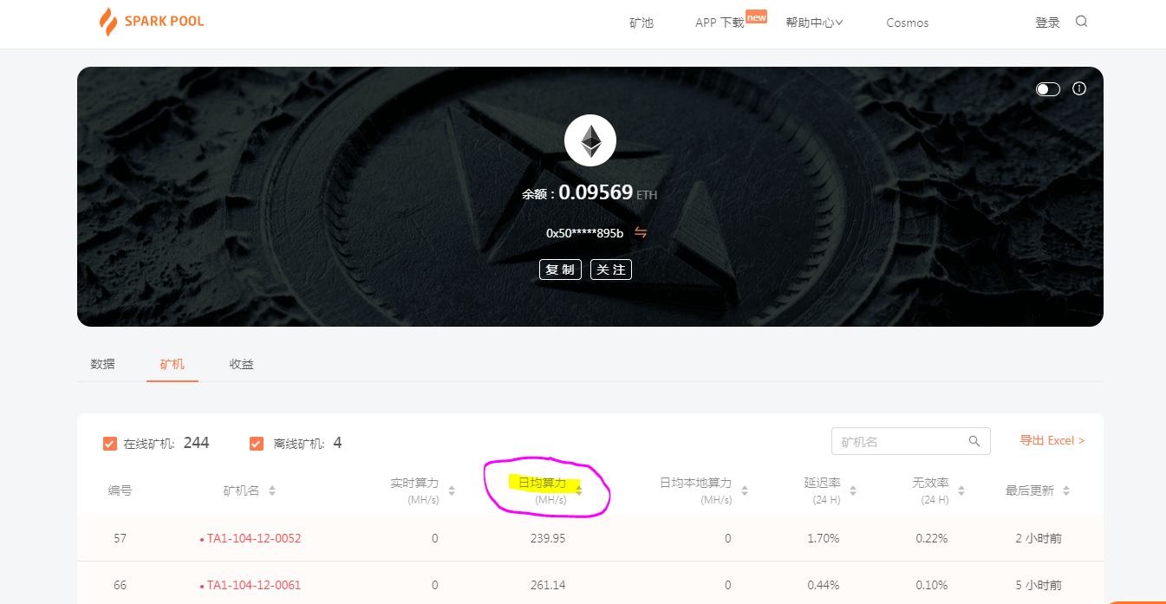
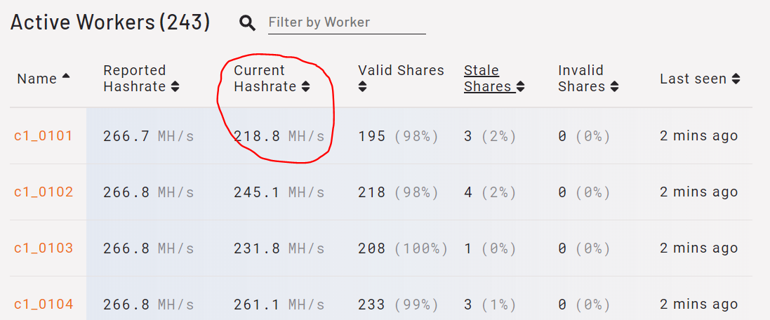

圖四

Payments_TA1
 | time | paid
time | paid | tx_hash | status

total_rig_TA1
 | Avg.Avg. Hashrate_Total.Rig | Avg.Avg. Hashrate_Online_Rig
 |  | 0
 |  | 0
 |  | 0
 |  | 0
 |  | 0
 |  | 0
 |  | 0
 |  | 0
 |  | 0
 |  | 0
 |  | 0
 |  | 0
 |  | 0
 |  | 0
 |  | 0
 |  | 0
 |  | 0
 |  | 0
 |  | 0
 |  | 0
 |  | 0
 |  | 0
 |  | 0
 |  | 0
 |  | 0
 |  | 0
 |  | 0
 |  | 0
 |  | 0
 |  | 0
time | Avg.Hashrate | Online_Rig | Total.Rig | Avg.Avg. Hashrate_Online_Rig | Avg.Avg. Hashrate_Total.Rig
 |  |  |  | 0
 |  |  |  | 0
 |  |  |  | 0
 |  |  |  | 0
 |  |  |  | 0
 |  |  |  | 0
 |  |  |  | 0
 |  |  |  | 0
 |  |  |  | 0
 |  |  |  | 0
 |  |  |  | 0
 |  |  |  | 0
 |  |  |  | 0
 |  |  |  | 0
 |  |  |  | 0
 |  |  |  | 0
 |  |  |  | 0
 |  |  |  | 0
 |  |  |  | 0
 |  |  |  | 0
 |  |  |  | 0
 |  |  |  | 0
 |  |  |  | 0
 |  |  |  | 0
 |  |  |  | 0
 |  |  |  | 0
 |  |  |  | 0
 |  |  |  | 0
 |  |  |  | 0
 |  |  |  | 0

Payments_TA2
 | time | paid
time | paid | tx_hash | status

total_rig_TA2
 | Avg.Avg. Hashrate_Total.Rig | Avg.Avg. Hashrate_Online_Rig
 |  | 0
 |  | 0
 |  | 0
 |  | 0
 |  | 0
 |  | 0
 |  | 0
 |  | 0
 |  | 0
 |  | 0
 |  | 0
 |  | 0
 |  | 0
 |  | 0
 |  | 0
 |  | 0
 |  | 0
 |  | 0
 |  | 0
 |  | 0
 |  | 0
 |  | 0
 |  | 0
 |  | 0
 |  | 0
 |  | 0
 |  | 0
 |  | 0
 |  | 0
 |  | 0
time | Avg.Hashrate | Online_Rig | Total.Rig | Avg.Avg. Hashrate_Online_Rig | Avg.Avg. Hashrate_Total.Rig
 |  |  |  | 0
 |  |  |  | 0
 |  |  |  | 0
 |  |  |  | 0
 |  |  |  | 0
 |  |  |  | 0
 |  |  |  | 0
 |  |  |  | 0
 |  |  |  | 0
 |  |  |  | 0
 |  |  |  | 0
 |  |  |  | 0
 |  |  |  | 0
 |  |  |  | 0
 |  |  |  | 0
 |  |  |  | 0
 |  |  |  | 0
 |  |  |  | 0
 |  |  |  | 0
 |  |  |  | 0
 |  |  |  | 0
 |  |  |  | 0
 |  |  |  | 0
 |  |  |  | 0
 |  |  |  | 0
 |  |  |  | 0
 |  |  |  | 0
 |  |  |  | 0
 |  |  |  | 0
 |  |  |  | 0

Payments_TB1
 | time | paid
time | paid | tx_hash | status

total_rig_TB1
 | Avg.Avg. Hashrate_Total.Rig | Avg.Avg. Hashrate_Online_Rig
 |  | 0
 |  | 0
 |  | 0
 |  | 0
 |  | 0
 |  | 0
 |  | 0
 |  | 0
 |  | 0
 |  | 0
 |  | 0
 |  | 0
 |  | 0
 |  | 0
 |  | 0
 |  | 0
 |  | 0
 |  | 0
 |  | 0
 |  | 0
 |  | 0
 |  | 0
 |  | 0
 |  | 0
 |  | 0
 |  | 0
 |  | 0
 |  | 0
 |  | 0
 |  | 0
time | Avg.Hashrate | Online_Rig | Total.Rig | Avg.Avg. Hashrate_Online_Rig | Avg.Avg. Hashrate_Total.Rig
 |  |  |  | 0
 |  |  |  | 0
 |  |  |  | 0
 |  |  |  | 0
 |  |  |  | 0
 |  |  |  | 0
 |  |  |  | 0
 |  |  |  | 0
 |  |  |  | 0
 |  |  |  | 0
 |  |  |  | 0
 |  |  |  | 0
 |  |  |  | 0
 |  |  |  | 0
 |  |  |  | 0
 |  |  |  | 0
 |  |  |  | 0
 |  |  |  | 0
 |  |  |  | 0
 |  |  |  | 0
 |  |  |  | 0
 |  |  |  | 0
 |  |  |  | 0
 |  |  |  | 0
 |  |  |  | 0
 |  |  |  | 0
 |  |  |  | 0
 |  |  |  | 0
 |  |  |  | 0
 |  |  |  | 0

Payments_TB2
 |  | 1038.600146
 |  | 0

 | time | paid
time | paid | tx_hash | status

total_rig_TB2
 | Avg.Avg. Hashrate_Total.Rig | Avg.Avg. Hashrate_Online_Rig
 |  | 0
 |  | 0
 |  | 0
 |  | 0
 |  | 0
 |  | 0
 |  | 0
 |  | 0
 |  | 0
 |  | 0
 |  | 0
 |  | 0
 |  | 0
 |  | 0
 |  | 0
 |  | 0
 |  | 0
 |  | 0
 |  | 0
 |  | 0
 |  | 0
 |  | 0
 |  | 0
 |  | 0
 |  | 0
 |  | 0
 |  | 0
 |  | 0
 |  | 0
 |  | 0
time | Avg.Hashrate | Online_Rig | Total.Rig | Avg.Avg. Hashrate_Online_Rig | Avg.Avg. Hashrate_Total.Rig
 |  |  |  | 0
 |  |  |  | 0
 |  |  |  | 0
 |  |  |  | 0
 |  |  |  | 0
 |  |  |  | 0
 |  |  |  | 0
 |  |  |  | 0
 |  |  |  | 0
 |  |  |  | 0
 |  |  |  | 0
 |  |  |  | 0
 |  |  |  | 0
 |  |  |  | 0
 |  |  |  | 0
 |  |  |  | 0
 |  |  |  | 0
 |  |  |  | 0
 |  |  |  | 0
 |  |  |  | 0
 |  |  |  | 0
 |  |  |  | 0
 |  |  |  | 0
 |  |  |  | 0
 |  |  |  | 0
 |  |  |  | 0
 |  |  |  | 0
 |  |  |  | 0
 |  |  |  | 0
 |  |  |  | 0

Payments_CA1
 | time | paid
time | paid | tx_hash | status

total_rig_CA1
time | Avg.Hashrate | Online_Rig | Total.Rig | Avg.Avg. Hashrate_Online_Rig | Avg.Avg. Hashrate_Total.Rig

 | Avg.Avg. Hashrate_Total.Rig | Avg.Avg. Hashrate_Online_Rig

Payments_CA2
 | time | paid
time | paid | tx_hash | status

total_rig_CA2
time | Avg.Hashrate | Online_Rig | Total.Rig | Avg.Avg. Hashrate_Online_Rig | Avg.Avg. Hashrate_Total.Rig

 | Avg.Avg. Hashrate_Total.Rig | Avg.Avg. Hashrate_Online_Rig

Payments_CA3
 | time | paid
time | paid | tx_hash | status

total_rig_CA3
time | Avg.Hashrate | Online_Rig | Total.Rig | Avg.Avg. Hashrate_Online_Rig | Avg.Avg. Hashrate_Total.Rig

 | Avg.Avg. Hashrate_Total.Rig | Avg.Avg. Hashrate_Online_Rig

Payments_CA4
 | time | paid
time | paid | tx_hash | status

total_rig_CA4
time | Avg.Hashrate | Online_Rig | Total.Rig | Avg.Avg. Hashrate_Online_Rig | Avg.Avg. Hashrate_Total.Rig

 | Avg.Avg. Hashrate_Total.Rig | Avg.Avg. Hashrate_Online_Rig

Payments_CA5
 | time | paid
time | paid | tx_hash | status

total_rig_CA5
time | Avg.Hashrate | Online_Rig | Total.Rig | Avg.Avg. Hashrate_Online_Rig | Avg.Avg. Hashrate_Total.Rig

 | Avg.Avg. Hashrate_Total.Rig | Avg.Avg. Hashrate_Online_Rig

Payments_CB1
 | time | paid
 |  | 0
 |  | 0
 |  | 0
 |  | 0
 |  | 0
 |  | 0
 |  | 0
 |  | 0
 |  | 0
 |  | 0
 |  | 0
 |  | 0
 |  | 0
 |  | 0
 |  | 0
 |  | 0
 |  | 0
 |  | 0
 |  | 0
 |  | 0
 |  | 0
 |  | 0
 |  | 0
 |  | 0
 |  | 0
 |  | 0
 |  | 0
 |  | 0
 |  | 0
 |  | 0
time | paid | tx_hash | status
 | 0
 | 0
 | 0
 | 0
 | 0
 | 0
 | 0
 | 0
 | 0
 | 0
 | 0
 | 0
 | 0
 | 0
 | 0
 | 0
 | 0
 | 0
 | 0
 | 0
 | 0
 | 0
 | 0
 | 0
 | 0
 | 0
 | 0
 | 0
 | 0
 | 0

total_rig_CB1
 | Avg.Avg. Hashrate_Total.Rig | Avg.Avg. Hashrate_Online_Rig
 |  | 0
 |  | 0
 |  | 0
 |  | 0
 |  | 0
 |  | 0
 |  | 0
 |  | 0
 |  | 0
 |  | 0
 |  | 0
 |  | 0
 |  | 0
 |  | 0
 |  | 0
 |  | 0
 |  | 0
 |  | 0
 |  | 0
 |  | 0
 |  | 0
 |  | 0
 |  | 0
 |  | 0
 |  | 0
 |  | 0
 |  | 0
 |  | 0
 |  | 0
 |  | 0
time | Avg.Hashrate | Online_Rig | Total.Rig | Avg.Avg. Hashrate_Online_Rig | Avg.Avg. Hashrate_Total.Rig
 |  |  |  | 0
 |  |  |  | 0
 |  |  |  | 0
 |  |  |  | 0
 |  |  |  | 0
 |  |  |  | 0
 |  |  |  | 0
 |  |  |  | 0
 |  |  |  | 0
 |  |  |  | 0
 |  |  |  | 0
 |  |  |  | 0
 |  |  |  | 0
 |  |  |  | 0
 |  |  |  | 0
 |  |  |  | 0
 |  |  |  | 0
 |  |  |  | 0
 |  |  |  | 0
 |  |  |  | 0
 |  |  |  | 0
 |  |  |  | 0
 |  |  |  | 0
 |  |  |  | 0
 |  |  |  | 0
 |  |  |  | 0
 |  |  |  | 0
 |  |  |  | 0
 |  |  |  | 0
 |  |  |  | 0

Payments_CC1
 | time | paid
time | paid | tx_hash | status

total_rig_CC1
time | Avg.Hashrate | Online_Rig | Total.Rig | Avg.Avg. Hashrate_Online_Rig | Avg.Avg. Hashrate_Total.Rig

 | Avg.Avg. Hashrate_Total.Rig | Avg.Avg. Hashrate_Online_Rig

Payments_CC2
 | time | paid
time | paid | tx_hash | status

total_rig_CC2
time | Avg.Hashrate | Online_Rig | Total.Rig | Avg.Avg. Hashrate_Online_Rig | Avg.Avg. Hashrate_Total.Rig

 | Avg.Avg. Hashrate_Total.Rig | Avg.Avg. Hashrate_Online_Rig

Payments_SA1
 |  | 94.53964
 |  | 0

 | time | paid
time | paid | tx_hash | status

total_rig_SA1
time | Avg.Hashrate | Online_Rig | Total.Rig | Avg.Avg. Hashrate_Online_Rig | Avg.Avg. Hashrate_Total.Rig

 | Avg.Avg. Hashrate_Total.Rig | Avg.Avg. Hashrate_Online_Rig

