1. Title Page
Instacart Grocery Basket Analysis

Project Name: Instacart Grocery Basket Analysis
Date: Auguest 16 2024
Analyst Name: Hardik Desai

Contents:
Population Flow
Consistency checks
Wrangling steps
Column derivations
Visualizations
Recommendations

Data Citation:
The Instacart Online Grocery Shopping Dataset 2017”, Accessed from www.instacart.com/datasets/grocery-shopping-2017 via Kaggle on July 8, 2024.

2. Population Flow
Title page

Population flow

Exclusion flag
Condition: max_order < 5
Obervations to be removed:
Final total count of order_products_all:

Orders_products_combined
Orders_products_merged
Orders_products_all

Total: 32434489
Total: 32406041
Total: 32404859

1.) The grey boxes in the first row of the population flow represent the original data sets as they were when you downloaded them. In the Total fields you need to add the count of the rows when you imported the data set into Jupyter.
2.) The second row of boxes (coloured) represents the data sets after you manipulated them, e.g., removed missing values and duplicates. In the Total fields you need to add the count of the rows after conducting these operations. This offers a visual oveview of how the data flows throughout the data consistency checks.
3.) The third row, where also the arrows are coloured, represents the merges you performed between the datasets. In the Total fields you need to add the count of the rows in the merged datasets, so that you end up with the final dataset (in the red box). Keep in mind the final dataset should be without exclusions (based on the exclusion flag).

3. Consistency checks
 |  |  |  | Title page
Consistency checks

Dataset | Missing values | Missing values treatment | Duplicates
orders | 206209 missing values from the days_since_prior_order column | missing data from columns days_since_last_order those for customers who order item first time. we can safly replace null value with 0 | There were no duplicates.
products | 16 prodcuts name are null | deleted | 5 duplicates - deletd
orders_products_prior | there is no null values | no null values | 0 duplicated values
customers | there is no null values | no null values | 0 duplicated values

4. Wrangling steps
 |  |  |  | Title page
Wrangling steps

Columns dropped | Columns renamed | Columns' type changed | Comment/Reason
eval_set |  |  | Not relevant to analysis
 | order_dow changed to order_day_of_week |  | Column name changed to provide clarity.

_merge |  |  | _merge flag on ords_prods_merge removed prior to combining with customers data since a new flag would be created at that time.
First Name (on customers) |  |  | First name and Surname are not relevant to the analysis. User_id is sufficient to identify each customer. Also due to data ethics, personal identifiers are not advised due to privacy reasons.
surname

5. Column derivations
 |  |  |  | Title page

Column derivations and aggregations

In this tab you should add tables below that the frequences of flags/label variables that you produced after deriving them. NB: don't do this for continuous variables, only for flags.
Dataset | New column | Column/s it was derived from | Conditions
odrer_product_update_combine_data | loyalty_flag | max_number_order | df_merge.loc[df_merge['max_number_order'] > 40, 'loyalty_flag'] = 'loyal_customer' df_merge.loc[(df_merge['max_number_order'] <= 40) & (df_merge['max_number_order'] > 10), 'loyalty_flag'] = 'regular_customer' df_merge.loc[df_merge['max_number_order'] <= 10, 'loyalty_flag'] = 'new_customer'
odrer_product_update_combine_data | spending_flag | mean_price_spent_customer | df_merge.loc[df_merge['mean_price_spent_customer'] >= 10, "spending_flag"] = 'High spender', df_merge.loc[df_merge['mean_price_spent_customer'] < 10, "spending_flag"] = 'Lower spender'
odrer_product_update_combine_data | frequency_flag | customer_frequency | df_merge.loc[df_merge['customer_frequency'] > 20 ,'frequency_flag'] = 'Non-frequent customer',df_merge.loc[(df_merge['customer_frequency'] > 10) & (df_merge['customer_frequency'] <= 20) ,'frequency_flag'] = 'Regular customer',df_merge.loc[df_merge['customer_frequency'] <= 10 ,'frequency_flag'] = 'Frequent customer'
customer_order_product_combine | region | state | state_to_region = {'Maine' : 'Northeast','New Hampshire' : 'Northeast','Vermont' : 'Northeast','Massachusetts' : 'Northeast','Rhode Island' : 'Northeast','Connecticut' : 'Northeast','New York' : 'Northeast','Pennsylvania' : 'Northeast','New Jersey' : 'Northeast','Wisconsin' : 'Midwest','Michigan' : 'Midwest','Illinois' : 'Midwest','Indiana' : 'Midwest','Ohio' : 'Midwest','North Dakota' : 'Midwest','South Dakota' : 'Midwest','Nebraska' : 'Midwest','Kansas' : 'Midwest','Minnesota' : 'Midwest','Iowa' : 'Midwest','Missouri' : 'Midwest','Delaware' : 'South','Maryland' : 'South','District of Columbia' : 'South','Virginia' : 'South','West Virginia' : 'South','North Carolina' : 'South','South Carolina' : 'South','Georgia' : 'South','Florida' : 'South','Kentucky' : 'South','Tennessee' : 'South','Mississippi' : 'South','Alabama' : 'South','Oklahoma' : 'South','Texas' : 'South','Arkansas' : 'South','Louisiana' : 'South','Idaho' : 'West','Montana' : 'West','Wyoming' : 'West','Nevada' : 'West','Utah' : 'West','Colorado' : 'West','Arizona' : 'West','New Mexico' : 'West','Alaska' : 'West','Washington' : 'West','Oregon' : 'West','California' : 'West','Hawaii' : 'West'}
customer_order_product_combine | age_group | age | df_main.loc[df_main['Age'] <=30 , 'age_group'] = 'young_adult' df_main.loc[(df_main['Age'] > 30) & (df_main['Age'] <=60), 'age_group'] = 'mid-age_adult' df_main.loc[df_main['Age'] > 60 , 'age_group'] = 'senior'
customer_order_product_combine | income_group | income | f_main.loc[df_main['income'] <=60000, 'income_group'] = 'low_income' df_main.loc[(df_main['income'] > 60000) & (df_main['income'] <= 120000), 'income_group'] = 'middle_income' df_main.loc[df_main['income'] > 120000, 'income_group'] = 'high_income'
customer_order_product_combine | dependants_group | Number_dependants | df_main.loc[df_main['Number_dependants'] <= 1, 'dependants_group'] = 'small' df_main.loc[df_main['Number_dependants'] == 2, 'dependants_group'] = 'medium' df_main.loc[df_main['Number_dependants'] >= 3 , 'dependants_group'] = 'large'
customer_order_product_combine | week_day_category | orders_day_of_the_week | df_main.loc[df_main['orders_day_of_the_week'].isin([0,1]),'week_day_category'] = 'weekend', df_main.loc[df_main['orders_day_of_the_week'].isin([2,3,4,5,6]),'week_day_category'] = 'weekday'
customer_order_product_combine | order_hour_group | order_hour_of_day | df_main.loc[df_main['order_hour_of_day'] < 12, 'order_hour_group'] = 'morning' df_main.loc[(df_main['order_hour_of_day'] >= 12) & (df_main['order_hour_of_day'] <= 17),'order_hour_group'] = 'afternoon' df_main.loc[df_main['order_hour_of_day'] > 17, 'order_hour_group'] = 'evening'
odrer_product_update_combine_data | max_number_order | user_id, order_number | df_merge.groupby('user_id')['order_number'].transform(np.max)
odrer_product_update_combine_data | mean_price_spent_customer | user_id,prices | df_merge['mean_price_spent_customer'] = df_merge.groupby(['user_id'])['prices'].transform(np.mean)
odrer_product_update_combine_data | customer_frequency | user_id, days_since_last_order | df_merge.groupby('user_id')['days_since_last_order'].transform('median')
order_data_product_data_combine | busiest_day | orders_day_of_the_week | result = [] for name in df_merge_ord_pro['orders_day_of_the_week']: if name == 0: result.append("Busiest day") elif name == 4: result.append("Slowest Day") else: result.append("regularbusy day")
order_data_product_data_combine | busiest_period_of_day | order_hour_of_day | result_3 = [] for name in df_merge_ord_pro['order_hour_of_day']: if name in [10,11,14,15,13,12,16,9]: result_3.append('most orders') elif name in [3,4,2,5,1]: result_3.append('Fewest orders') else: result_3.append('Average orders')

6. Visualizations
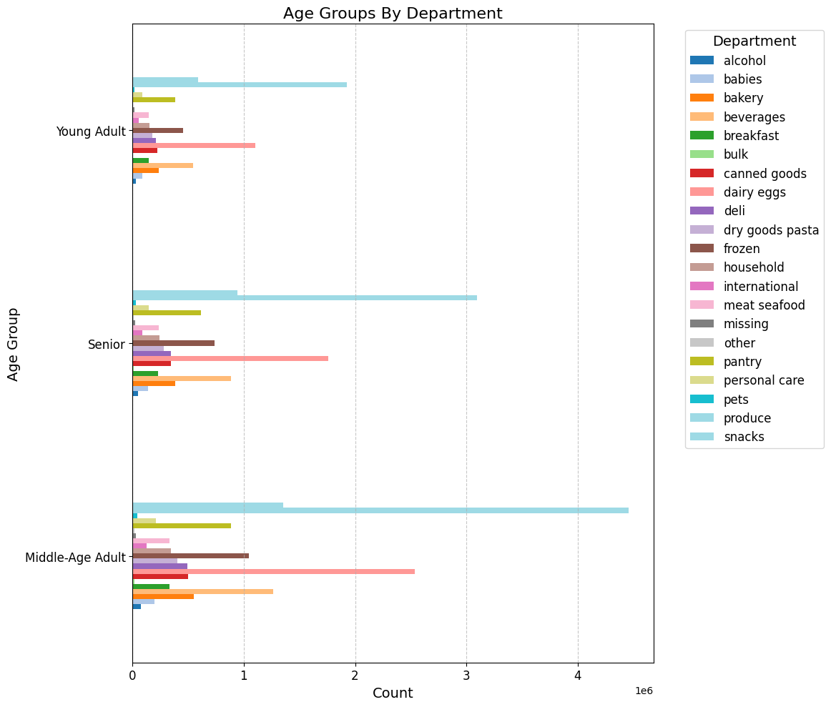
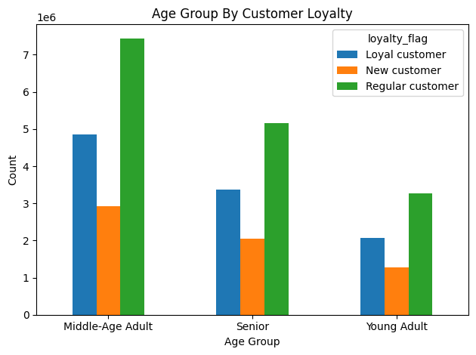
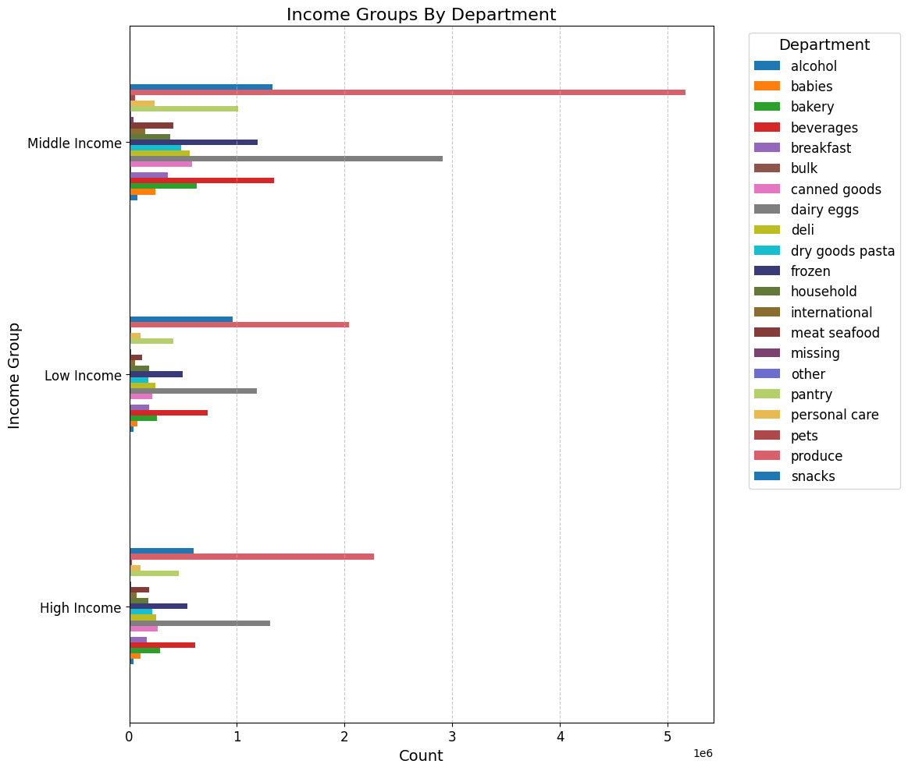
 |  |  | Title page

Visualisations

In this tab you should include all the visualtions from Exercises 4.9 and 4.10, alongside the questions from the project brief that they answer. Include any commentary on the relationship between different variables.

Key Question
The sales team needs to know what the busiest days of the week and hours of the day are (i.e., the days and times with the most orders) in order to schedule ads at times when there are fewer orders.
Comment
The bar chart for the day of the week reveals that Saturday and Sunday are the busiest days.
In contrast, Tuesday and Wednesday, which fall in the middle of the week, are the least busy. Overall, orders decline from Monday to Wednesday, then begin to increase again starting Thursday.
On a typical day, the highest number of orders are placed between 10 AM and 3 PM, while the fewest orders occur in the early morning hours from 12 AM to 5 AM. Order activity starts to rise after 5 AM, peaks between 10 AM and 3 PM, and gradually declines after 4 PM.

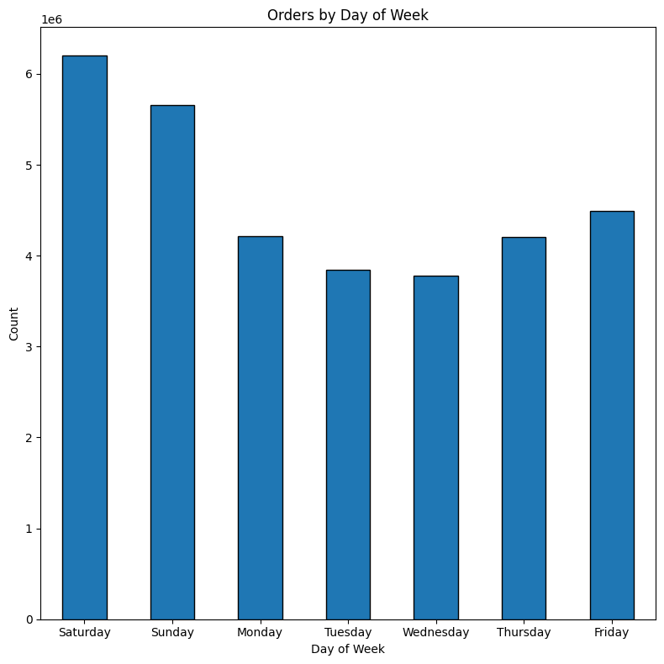

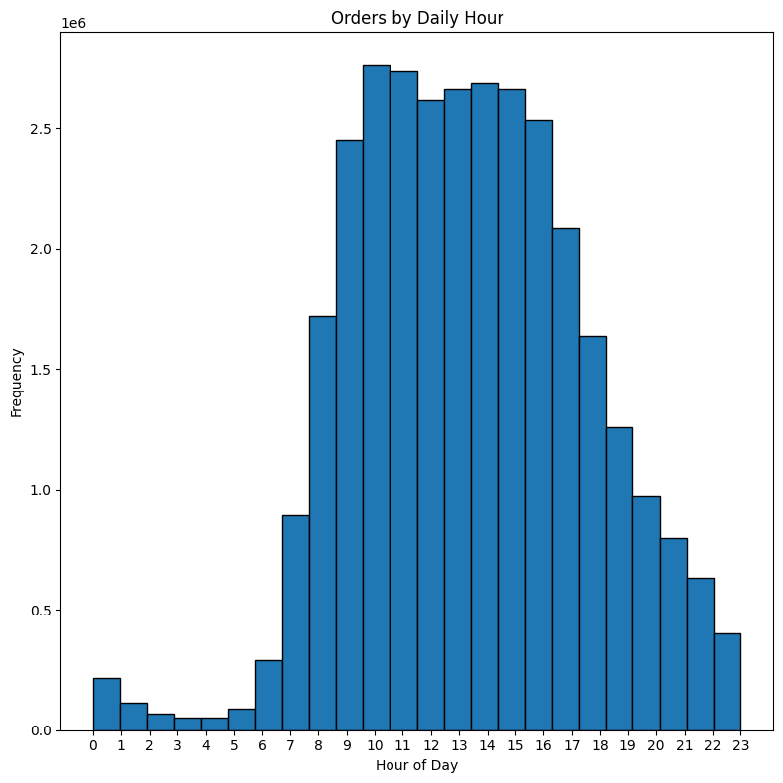

key question
They also want to know whether there are particular times of the day when people spend the most money, as this might inform the type of products they advertise at these times.

answer
The line graph of prices by hour of the day shows that prices peak early in the morning between 4 AM and 5 AM. They begin to decline starting at 6 AM, with a sharp drop occurring between 7 AM and 8 AM, reaching their lowest point between 9 AM and 10 AM. After 10 AM, prices start to rise again, with slight fluctuations after 3 PM, but they remain relatively steady. A second peak in prices occurs between 8 PM and 10 PM, after which they start to decline once more.
The line graph of prices by day of The week shows that prices peak on Friday and Saturday, followed by a sharp decline on Sunday that continues into Monday. After Monday, prices gradually increase, remaining steady between Tuesday and Wednesday, and then begin to rise gradually on Thursday, culminating in a significant increase on Friday

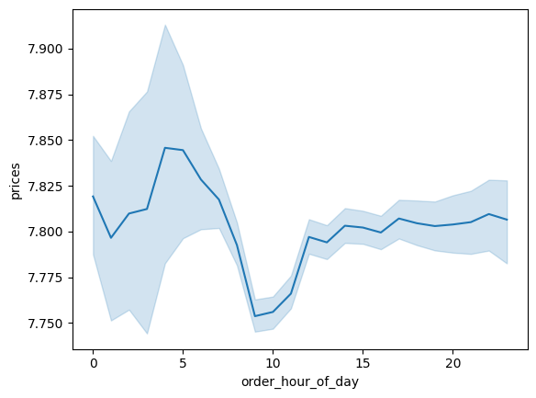
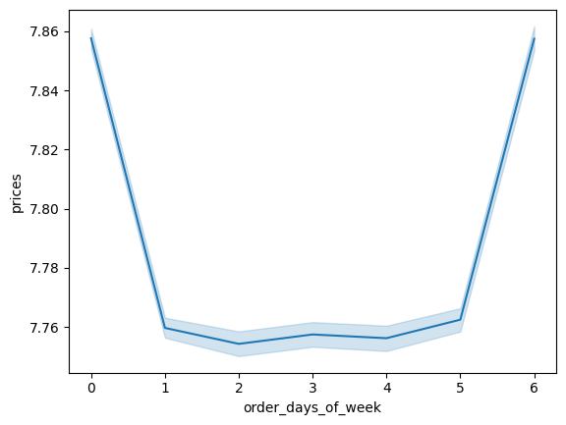

Key Question
Instacart has a lot of products with different price tags. Marketing and sales want to use simpler price range groupings to help direct their efforts.
Answer

Based on both graphs, product prices tend to favor the mid-range and low-range categories, with mid-range priced products being the most frequently sold.

High-range products are the least ordered, showing a significant drop in comparison to other price categories.

The left graph indicates that most products fall within the $5-$15 price range, aligning with the trend of mid-range prices being the most prevalent.

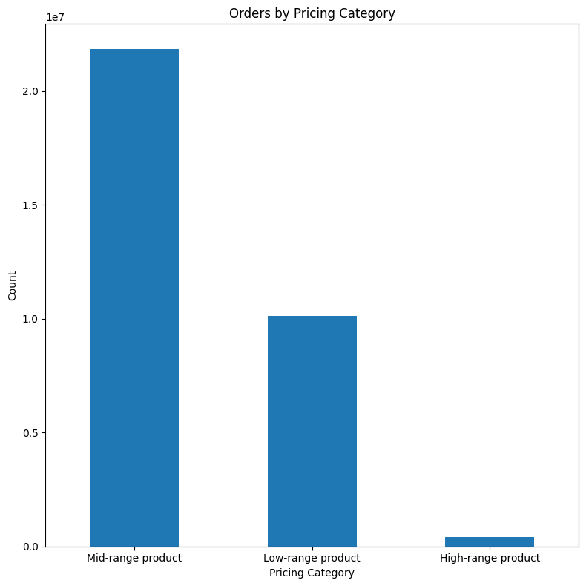

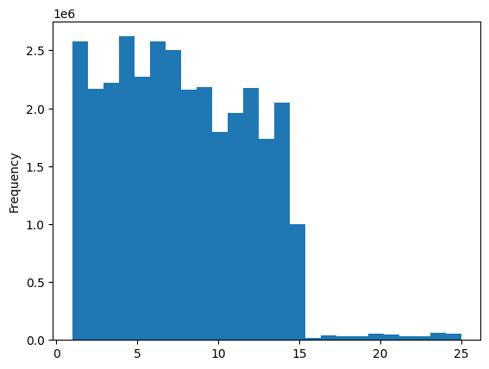

Key Question
Are there certain types of products that are more popular than others? The marketing and sales teams want to know which departments have the highest frequency of product orders
answer
Based on the bar chart below, certain product types clearly outperform others in sales.

The top 10 best-selling categories are produce, dairy and eggs, snacks, beverages, frozen foods, pantry items, bakery products, canned goods, deli items, and dry goods/pasta.

Among these, produce products dominate sales, significantly surpassing all other departments.

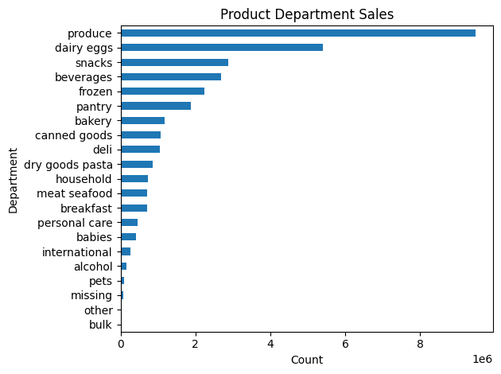

Key Question
What’s the distribution among users in regards to their brand loyalty (i.e., how often do they return to Instacart)?
answer
Based on the graphs below, approximately 49% of Instacart customers are regulars who return with relative frequency but do not fall into the loyal customer category.

Loyal customers, who return consistently and with high frequency, make up the second-largest segment at 32%, indicating a strong base of engaged users.

The smallest segment, at 19%, consists of new customers, demonstrating that Instacart continues to attract a steady stream of new users.

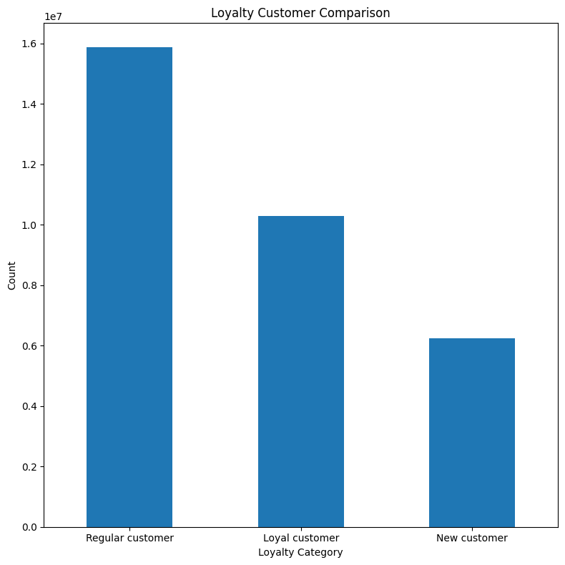
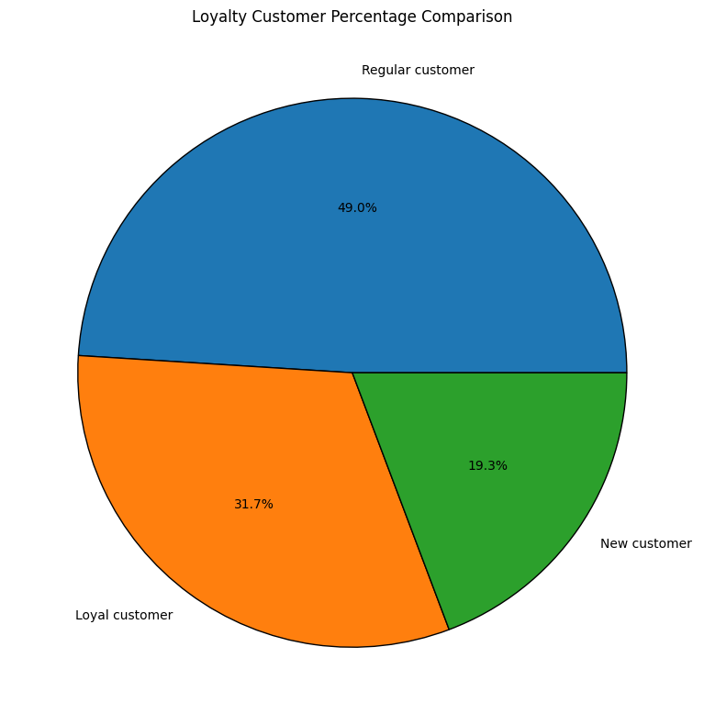

 | Key Question
 | Are there differences in ordering habits based on a customer’s loyalty status?
 | answer
 | -Based on the below graph, customer loyalty categories all show to be dominated by low spenders with each category having very few high spenders.
 | -Regular customers appear to have the most number of high spenders, but similar to other spender groups, it is very negligible.

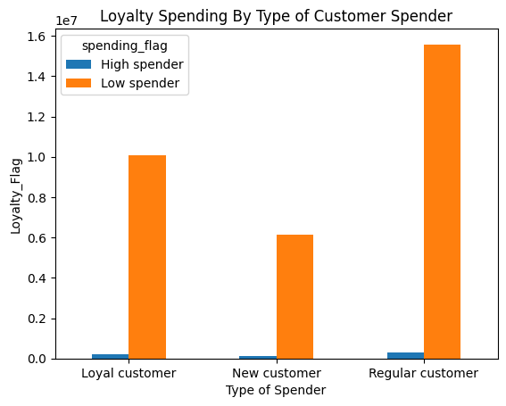

 |  | Key Question
 |  | Are there differences in ordering habits based on a customer’s region?

 |  | Based on the hourly distribution by region, orders are most commonly placed in the afternoon across all regions, with the South and West regions having the highest volume, and the Northeast having the lowest.

 |  | Regarding customer frequency, frequent customers represent the largest segment in all regions, followed by regular customers, indicating a reliable return rate. The West and Midwest regions follow the South in terms of frequent customer numbers, with both regions showing very similar figures.

 |  | In terms of age groups, the South region has the highest number of customers, with middle-aged adults being the most common demographic across all regions.

 |  | When considering income groups, the South continues to lead, with most Instacart customers falling within the middle-income bracket.

 |  | Based on household size, the South maintains its lead, with smaller-sized households making up the majority of customers across all regions, compared to larger family-sized households.

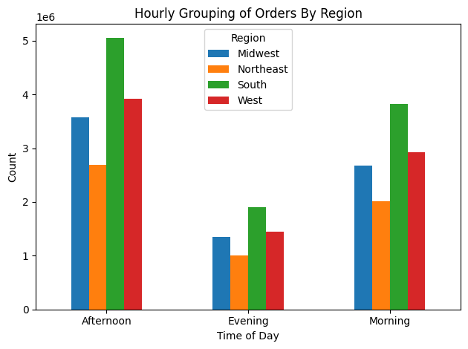
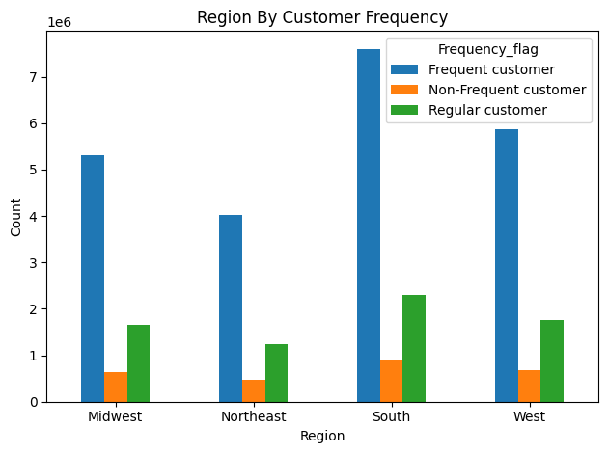
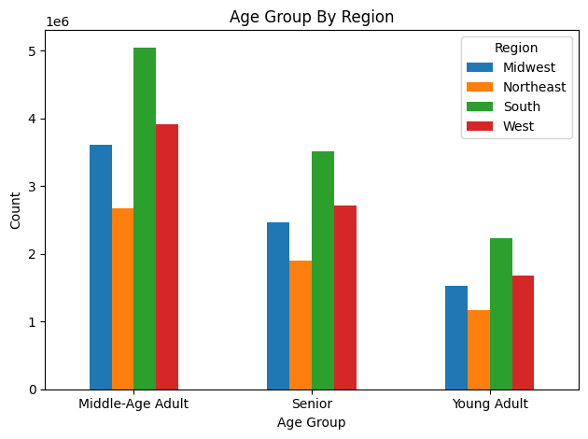

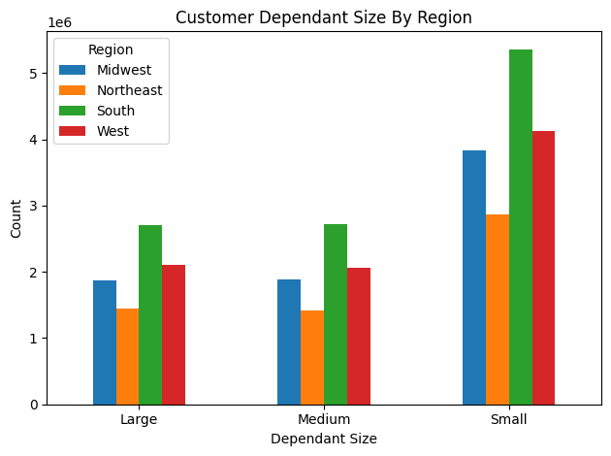

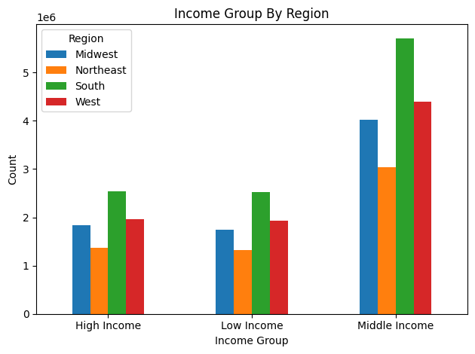

Key Question
Is there a connection between age and family status in terms of ordering habits?

Based on customer age and frequency, Instacart's most frequent customers are middle-aged adults, followed by seniors, and then young adults.

When looking at customer orders by marital status, married customers are the dominant group placing orders, followed by single and then divorced or widowed customers.

When comparing age to the number of dependents, there doesn't seem to be a clear relationship between a customer's age and the number of dependents in their household.
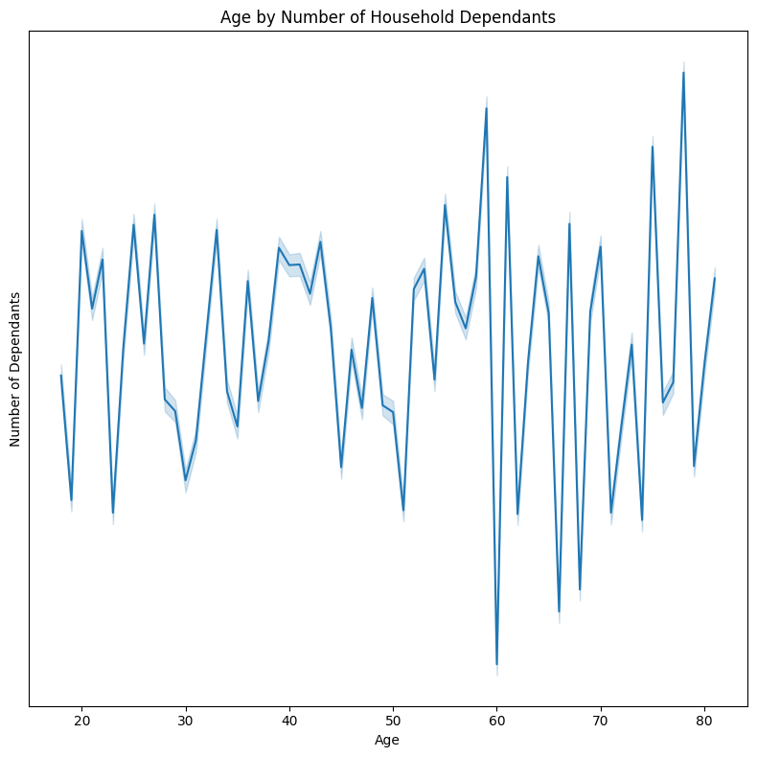
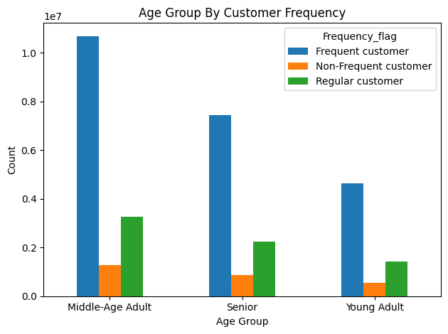
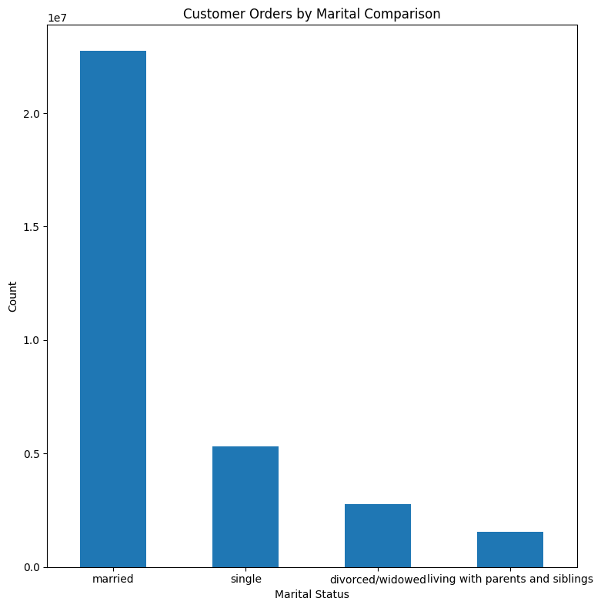

 | Key Question
 | What different classifications does the demographic information suggest? Age? Income? Certain types of goods? Family status?

 | According to the age group pie and bar charts, the majority of customers are middle-aged, accounting for 47%, followed by seniors at 32.7%, and young adults at 20.4%.
 | The scatterplot indicates that age does not show a clear relationship with income, lacking any consistent pattern of increase or decrease.
 | However, after the age of 40, some customers experience an income increase compared to younger individuals.
 | Customers over 40 also show a wider distribution of incomes above $400,000.
 | Across all ages, incomes below $200,000 are more densely packed and less scattered than those above $400,000.
 | Incomes tend to peak after the age of 40, suggesting that the highest incomes are more common among middle-aged adults and seniors rather than young adults.

 | Regarding income, most customers fall into the middle-income group, making up 53%, while high-income and low-income groups are nearly equal, with high-income at 23.8% and low-income at 23.2%.

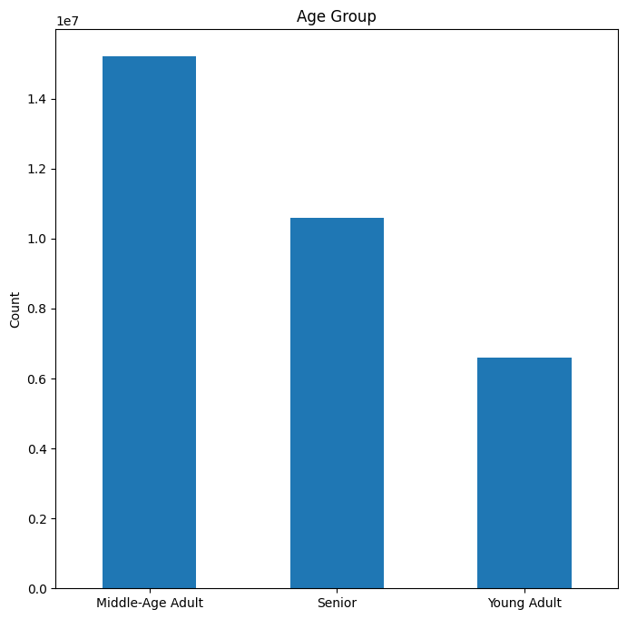
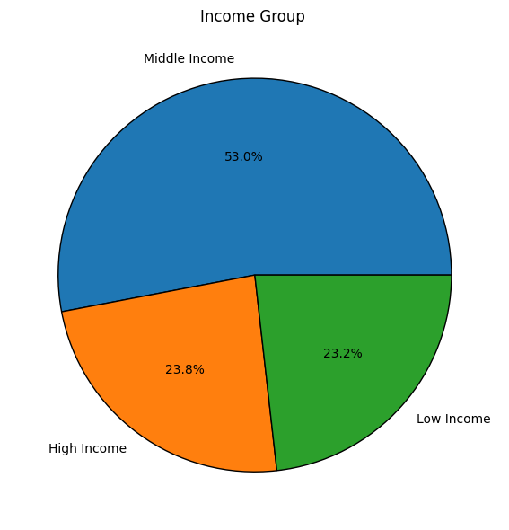
 | The dependent groups chart reveals that most customers are part of small households with 0-1 dependents.

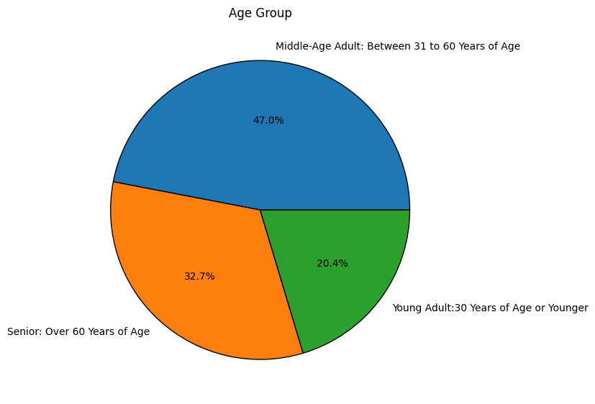

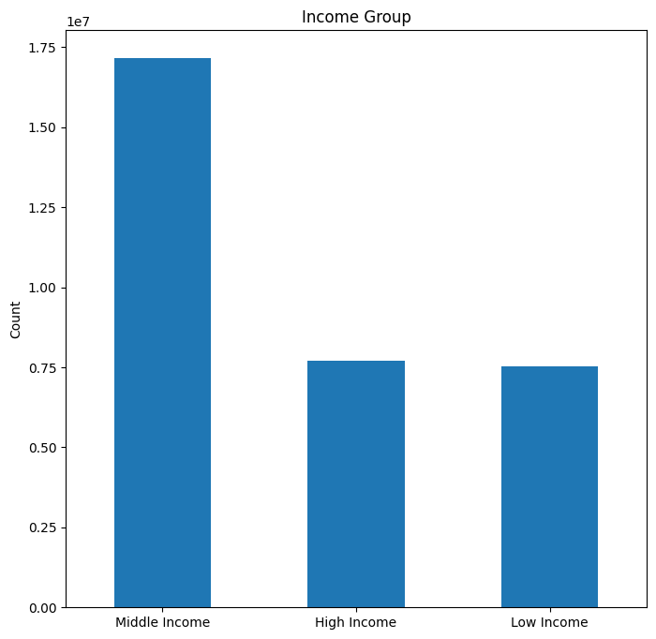
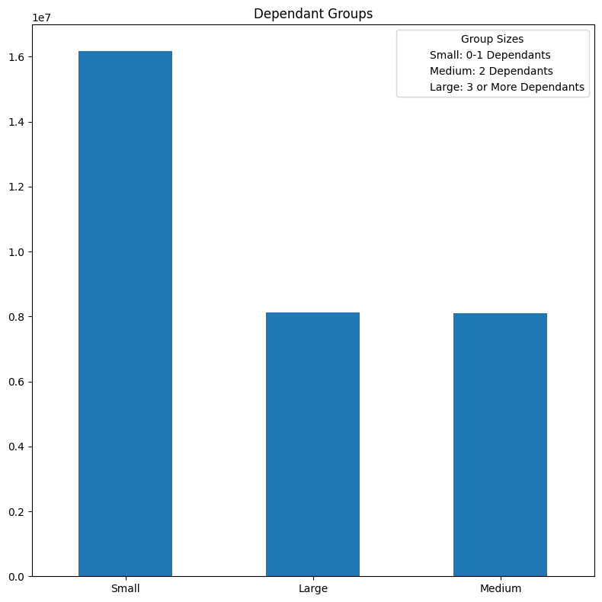

Key Question
What differences can you find in ordering habits of different customer profiles? Consider the price of orders, the frequency of orders, the products customers are ordering, and anything else you can think of.

answer
The age group profile shows that the middle-aged group dominates sales across all product departments, with produce being the top-selling category. This group also has the highest number of loyalty flag customers, with regular customers leading, followed by loyal customers.

The income group profile indicates that the middle-income group accounts for the majority of department sales. High-income customers come in second, while low-income customers rank third. Although low-income customers generally have the lowest sales, they closely follow high-income customers in several departments and even surpass them in alcohol department sales.

7. Recommendations
 |  | Title page

Recommendations

In this tab you should include any recommendations you would made to Instcart in terms of their marketing strategy based on the questions posed in the brief. Every key question has been covered in the Tasks of the Exercises - here you need to add an item - a visualisation or table/crosstable that is showing the answer in the data, acompanied by a comment from you. Please, list the questions below and add the answer underneath.

Question | Answer

What days of the week and hours of the day are busiest? | Saturday and Sunday are the busiest days of the week. Wednesday and Tuesday are the slowest days of the week. The most orders are placed between 10am and 4pm. The slowest times of the day are between midnight and 5am. To optimize marketing efforts, the marketing team should schedule ad campaigns during the slower hours of midnight to 5am, with a particular focus on Tuesdays and Wednesdays, which are the least busy days of the week. This strategy aims to increase visibility and engagement during periods of lower order activity, leveraging the downtime to capture potential customers. Additionally, the marketing team should consider targeting ad placements between 10am and 4pm on Saturday and Sunday, the busiest days, to maximize reach during peak order times.

What times of the day do people spend the most money? | Customers tend to buy the most expensive products early in the morning with a peak around 4am, with noticable variability. After the peak, there is a dip in pricing around 10am. From 10am onward through the remainder of the day, the pricing is more stable with less variability.Early Morning Promotions: Leverage the peak pricing period around 4am by running special promotions and targeted ads to capture high-value purchases. This could include offering exclusive deals or limited-time discounts to incentivize spending during this peak time. Mid-Morning Incentives: Introduce promotions around 10am to counteract the dip in pricing. Consider implementing time-limited offers or flash sales to boost engagement and drive up average order values during this lower pricing period.

Instacart has a lot of products with different price tags. Marketing and sales want to use simpler price range groupings to help direct their efforts. | Instacart has a total of 49,628 total products. Simplify price range groupings to low, medium, and high range products to better analyze customers' spending patterns.

Are there certain types of products that are more popular than others? | The most commonly purchased items are produce, followed by dairy and eggs, snacks, beverages, frozen foods, pantry items, bakery products, canned goods, deli items, and dry goods/pasta.
 | Instacart should prioritize inventory management of the most popular items/departments. Ensure consistent availability and freshness of produce and dairy/eggs to meet high demand and reduce the risk of running out of stock.

What’s the distribution among users in regards to their brand loyalty? | 51.3% of users are considered 'Regular' customers. They make orders often, but not enough to be considered loyal.
 | 33.2% of users are considered 'Loyal' customers. They make orders frequently and on a consistent basis.
 | 15.5% of users are considered 'New' customers. They have only made 10 or fewer orders thus far.

 | Retain Loyal customers: Ensure they remain engaged by offering exclusive rewards, early access to new products, or personalized recommendations based on their purchasing habits

 | Increase Enagement with Regular customers: Offer discounts or special deals after a certain number of orders within a month.

 | Convert New customers: Provide easy-to-follow guides on using Instacart and quick customer support. Consider follow-up emails with product recommendations based and coupons based on their few few purchases.

Are there differences in ordering habits based on a customer’s loyalty status? | There does not seem to be a correlation between what types of products customers' buy related to their loyalty status. Regardless of loyalty status, each loyalty category follows the same trend; low number of orders for high-range products, high number of orders for mid-range products, and a medium number of orders for low-range products. The majority of customers purchase mid or low-range products.

 | Volume Discounts: To increase overall sales and customer satisfaction, consider volume discounts for low-range products to encourage bulk purchases.

 | Expand Product Range: Since most customers prefer mid-range products, focus on expanding the variety and availability of these products. This can help cater to the preferences of the majority of the customer base.

Are there differences in ordering habits based on a customer’s region? | Young Adults: Invest in campaigns specifically targeting young adults, particularly in the Northeast and South where they exhibit a higher average expenditure. Social media campaigns, student discounts, and partnerships with universities could be effective.

 | Increase Presence in Northeast: Since this region has the smallest customer base but high expenditures in the young adult and senior age groups, efforts to acquire more customers here could yield significant revenue gains. Instacart should consider localized marketing and partnerships with regional influencers.

 | Customized Offerings for High and Middle Income Groups: Since these groups constitute the majority and tend to spend more, consider offering premium products, subscription services, and exclusive deals that cater to their preferences.

Is there a connection between age and family status in terms of ordering habits? | There apprears to be no connection between age and family status. The average expenditures of customers with and without dependents varies greatly, with no consistent pattern across regions. Each region has a distinct relationship. The clear majority of Instacart's customer base has dependents.

 | Customized Offerings for Families with Dependents: Given that most customers have dependents, bundle offers, family-sized products, and special discounts for bulk purchases could drive higher sales.

What different classifications does the demographic information suggest? Age? Income? Certain types of goods? Family status? | Given the correlation between age and spending power—where spending power increases with age—the chart below shows that total expenditure also rises with age up to a certain point. However, for seniors, expenditure begins to taper off.

 | Customers that are married spend far more than customers who are divorced/widowed, single, or living with parents and siblings.

 | Consider bundling products or services that appeal to families or couples, as these are likely to attract married customers.

 | For seniors whose expenditure tapers off, consider introducing products or services that cater specifically to their needs, potentially encouraging higher spending or greater engagement. This could include customer assistance loading orders into customer's vehicles, or delivery services.

 | Since spending patterns do not differ significantly by department across age, income, or whether or not they have dependents, use consistent strategies and promotions across all departments, rather than tailoring department-specific promotions.

What differences exist in ordering habits of different customer profiles? | There is no correlation between customer profile and how many orders each user made. The minimum, maximum, and average number of orders are the same across all customer profiles.

 | Customers who are married with dependents buy significantly more products than any other customer profile.
 | On average each customer profile spends the same amount overall - there is only roughly $20 difference in the average amount spent between each customer profile group.

 | When displayed by region, the South has the highest volume of products sold. We see a consistent pattern across each region where - Married with dependents has the most sales by far, followed by single with no dependents, followed by divorced/widowed with no dependents, lastly followed by living with parents/siblings with dependents.

 | The busiest day and hours of the week align for each customer profile align with the overall stats shown at the top of this page.

 | Since married customers with dependents buy significantly more products and have the highest sales volume across regions, consider tailoring marketing campaigns to this segment. Offer targeted promotions, discounts, or exclusive products that appeal to this customer profile.

 | Consider expanding product lines or creating bundles that cater specifically to the needs of families with dependents. This could increase sales and customer satisfaction among this high-value group.

