静的鍵をもちいた簡単VPN接続
SetUP for OpenVPN Server

事前準備：
① サーバサイドとクライアントサイドの双方にOpenVPNがインストールされていること
② サーバサイドはFirewallのポート「UDP 1194」を開放してあること

１．コマンドプロンプトを起動します。

２．OpenVPNインストールフォルダへ移動します。
 | C:\Program Files\OpenVPN\bin

３．コマンドプロンプトで次のコマンドを実行します。
 | openvpn --genkey --secret static.key

４．フォルダ内に「static.key」が作成されたことを確認します。

５．サーバサイドのOpenVPNファイルを作成します。
テキストエディタで次の設定を記載します。
※ 各パラメータについてはOpenVPN公式またはサンプルから読み解いてください。
サンプルファイル：C:\Program Files\OpenVPN\sample-config

 | proto udp
 | dev tun
 | port 1194
 | ifconfig 10.8.0.1 10.8.0.2
 | secret static.key
 | comp-lzo
 | keepalive 10 60
 | ping-timer-rem
 | persist-tun
 | persist-key

６．テキストエディタを「statickey_server.ovpn」で保存します。

７．（サーバと同様）クライアントサイドのOpenVPNファイルを作成します。

 | remote <サーバーの実IPアドレス>
 | proto udp
 | dev tun
 | port 1194
 | ifconfig 10.8.0.2 10.8.0.1
 | secret static.key
 | comp-lzo
 | keepalive 10 60
 | ping-timer-rem
 | persist-tun
 | persist-key

８．テキストエディタを「statickey_client.ovpn」で保存します。

９．５で作成した「statickey_server.ovpn」をOpenVPNインストールフォルダへ配置します。
※ 3で作成した「static.key」と「statickey_server.ovpn」がbin内に配置する形になります。
 | C:\Program Files\OpenVPN\bin\

１０．「statickey_server.ovpn」を右クリックして「Start OpenVPN on this config file」を実行します。
クライアントからの接続待ちとなります。
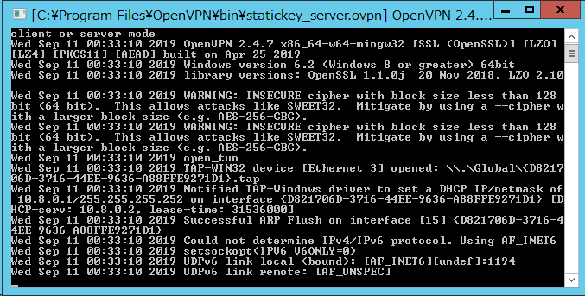

１１．３で作成した「static.key」と７で作成した「statickey_client.ovpn」をクライアントへ配布します。

１２．クライアントのOpenVPNインストールフォルダへ「static.key」と「statickey_client.ovpn」を配置します。

１３．クライアントで「statickey_client.ovpn」を右クリックして「Start OpenVPN on this config file」を実行します。
サーバへVPN接続を試み「Initialization Sequence Completed」とでれば接続完了です。
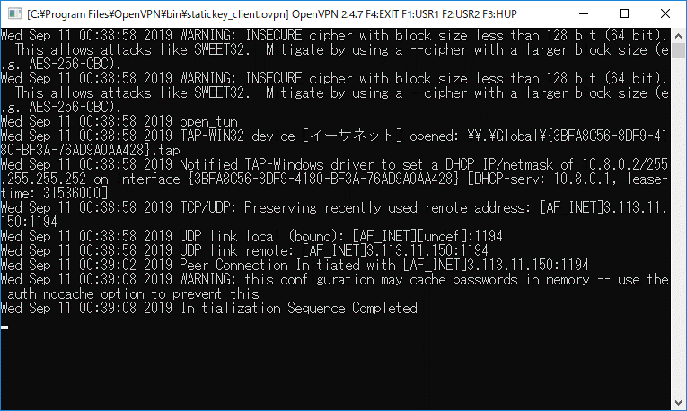

 | 補足①：VPN接続完了するとサーバサイドにも「Initialization Sequence Completed」が表示されます。
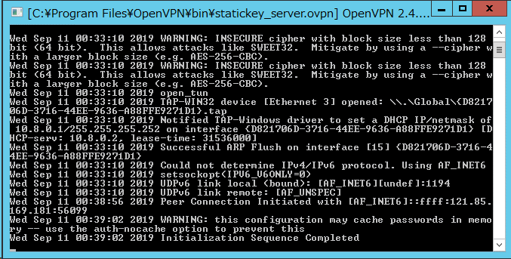

 | 補足②：クライアントサイドでIPCONFIGを行うとOpenVPNファイルに設定したIPアドレスが割り当てられています。
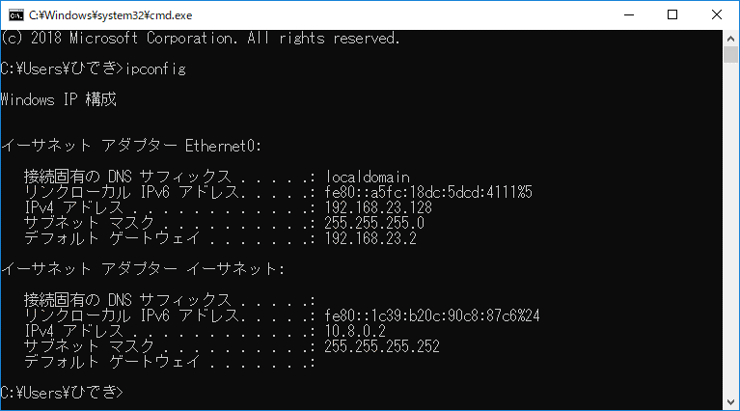

通常のインターネットを行うときに使用されるIPアドレス
※ VPN経由でインターネット接続はしていない。

仮想NIC
VPNサーバとの通信を行うときに使用されるIPアドレス
※ 静的鍵で暗号化された通信を行う。

証明書をもちいたVPN接続
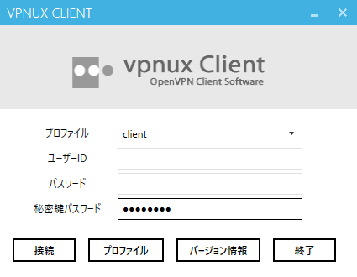
SetUP for OpenVPN Server

事前準備：
① サーバサイドとクライアントサイドの双方にOpenVPNがインストールされていること
② サーバサイドはFirewallのポート「UDP 1194」を開放してあること

< サーバサイド >
１．vpnux PKI Managerをインストールします。
認証局（CA）を管理するためのWindows用ツールです。GUIでCAを構築、管理できます。

 | https://www.openvpn.jp/download/

2．vpnux PKI Managerをもちいて以下3点を作成します。
認証局の設置（CA秘密鍵/CA証明書の作成、DHパラメータファイルの生成）
サーバー用秘密鍵／証明書の作成
クライアント用秘密鍵／証明書の作成

 | https://www.openvpn.jp/vpnux-pki/

3．OpenVPNインストールフォルダ（bin）へ以下ファイルを配置します。
ca.crt
dh2048.pem
<共通名>.key 例．Server.key
<共通名>.crt 例．Server.crt

4．サーバサイドのOpenVPNファイルを作成します。
テキストエディタで次の設定を記載します。シート「設定例）server.ovpn」参照
※ 各パラメータについてはOpenVPN公式またはサンプルから読み解いてください。
サンプルファイル：C:\Program Files\OpenVPN\sample-config

5．4で作成したserver.ovpnを3のフォルダへ配置します。

6．「server.ovpn」を右クリックして「Start OpenVPN on this config file」を実行します。
クライアントからの接続待ちとなります。
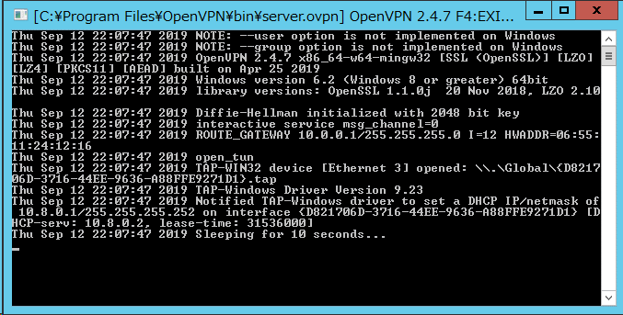

< クライアントサイド >
1．サーバサイドで作成した以下ファイルをクライアントPCへ配置します。
配置場所はどこでも問題ありません。
ca.crt
<共通名>.key 例．client.key
<共通名>.crt 例．client.crt

2．VPN Client（vpnux Client）をインストールします。

 | http://www.plum-systems.co.jp/vpnux-client/

3.vpnux Clientを起動して新しいプロファイルを作成します。
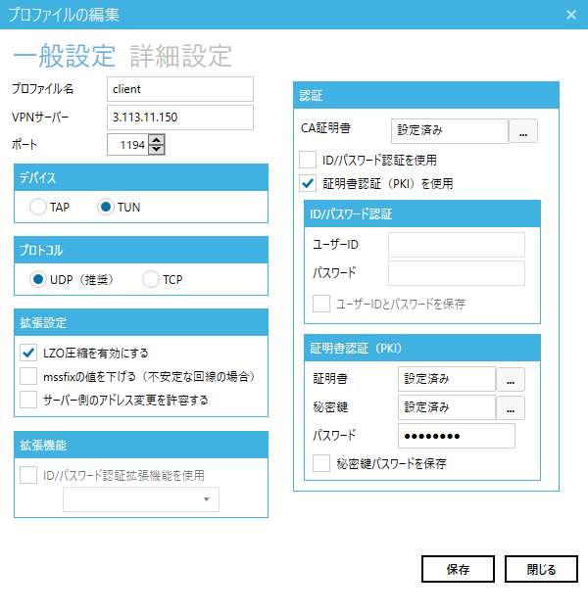

4．プロファイルを選択してVPNサーバへ接続します。

VPNを通したインターネット通信
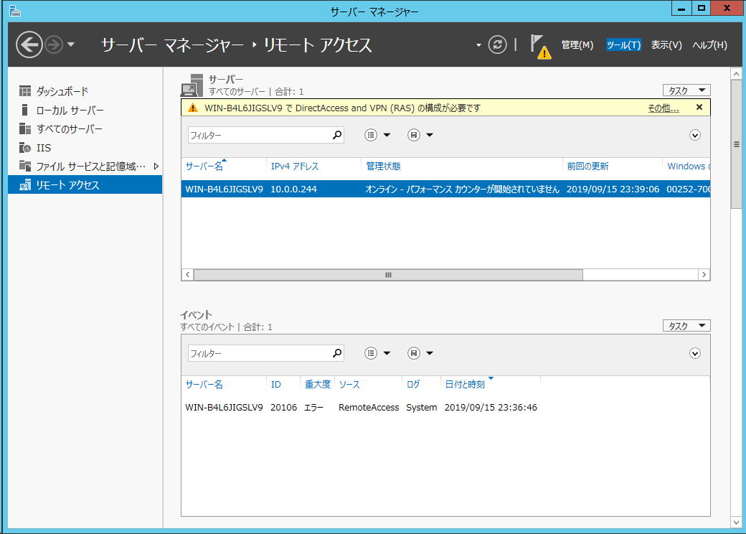
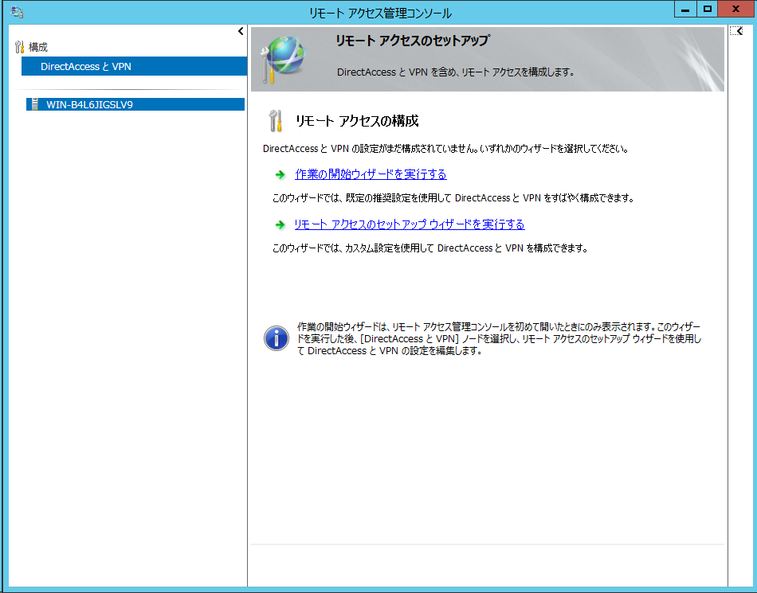
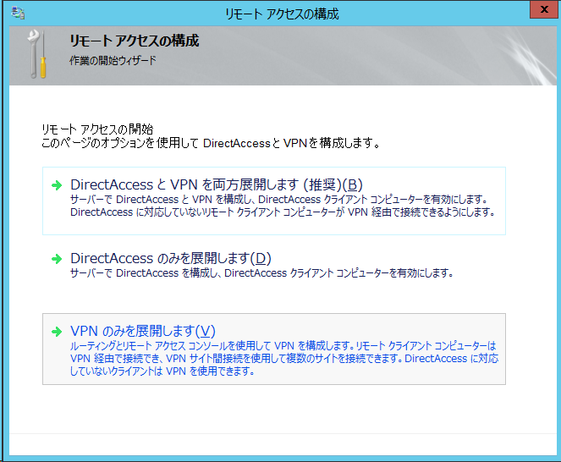
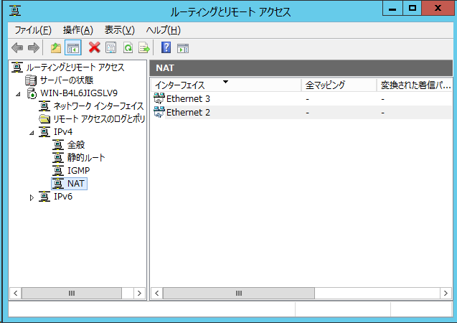
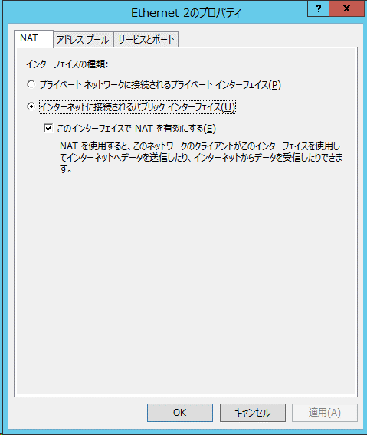
VPNを通したインターネット通信

VPNを通したインターネット通信を行うために、サーバでNAT通信を行えるよう設定を行います。

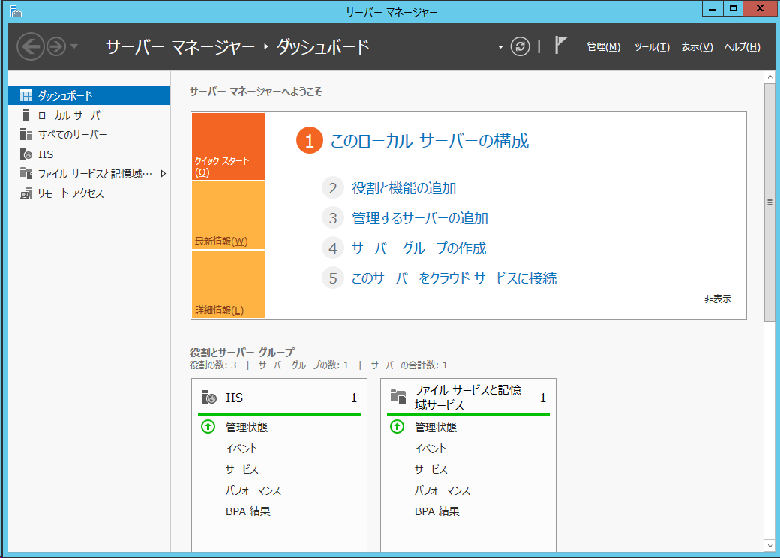

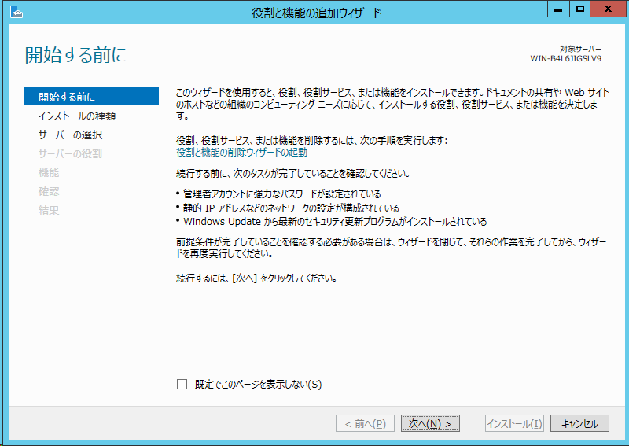

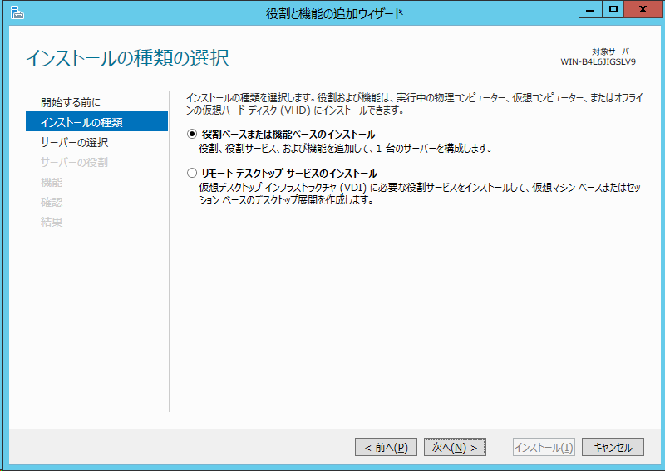

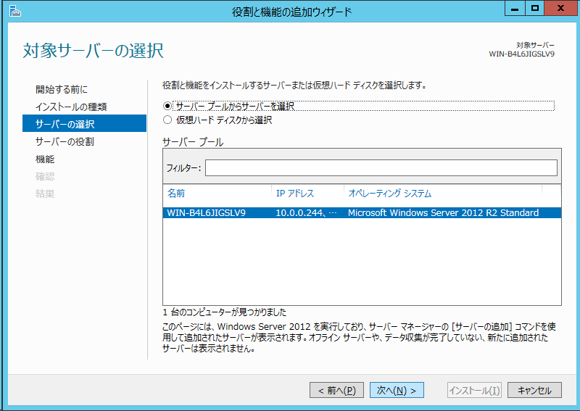

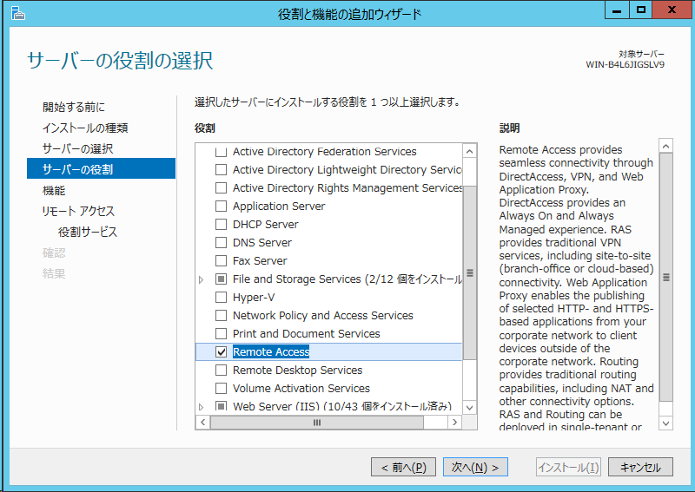

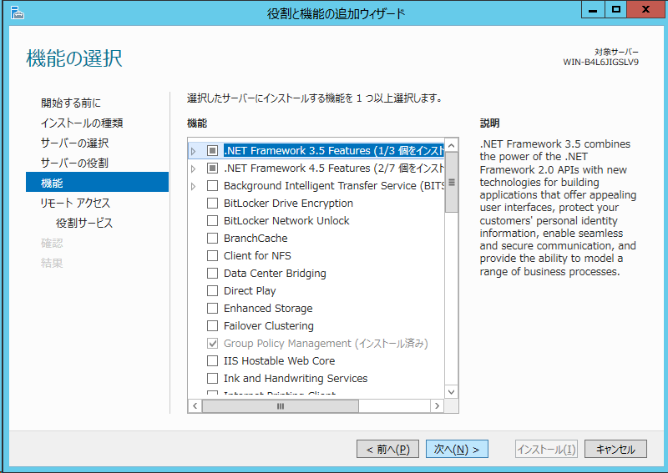

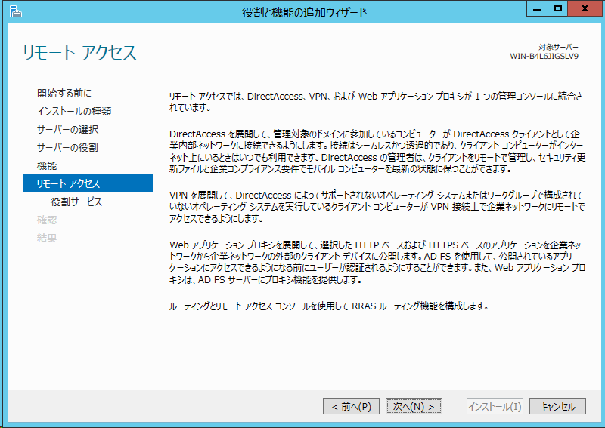

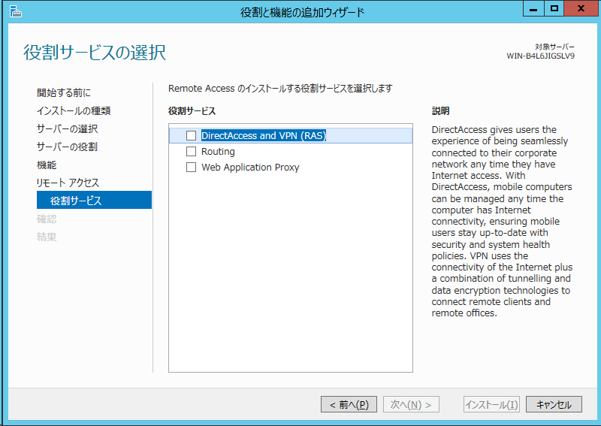

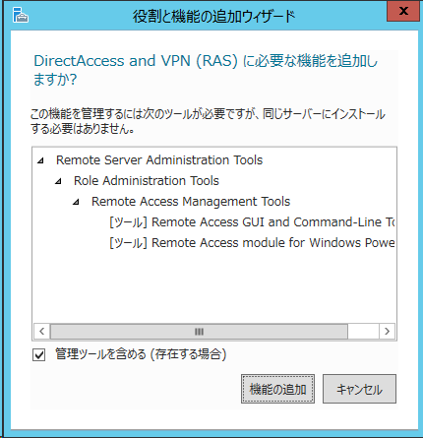

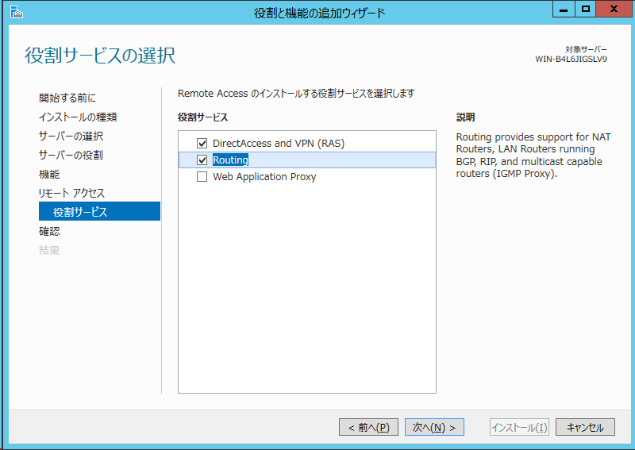

DirectAccess and VPNはチェックいらないかも

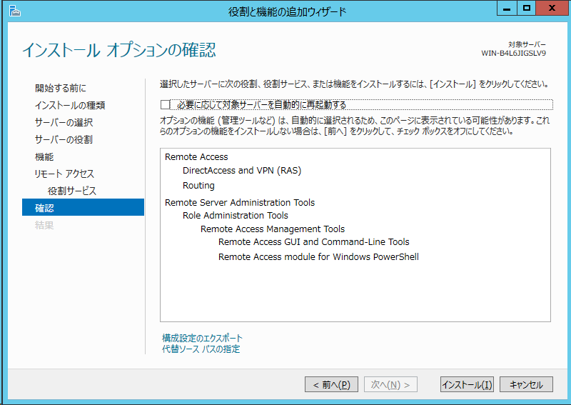

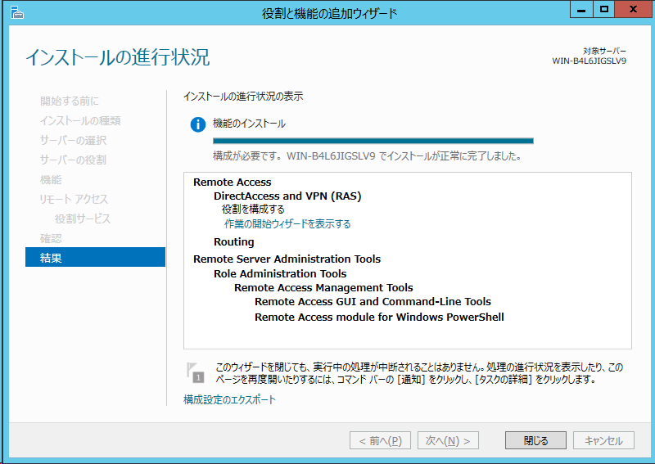

[ツール] - [リモートアクセス管理]を実行する。

