IPS FAB MJ ADPATER
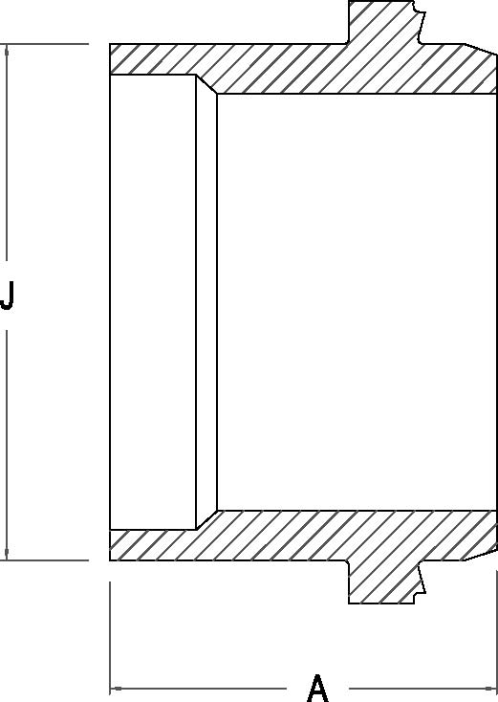


IPS FAB MJ ADAPTER

Nominal Size Actual OD | Pressure Class (psi) | Feed Stock | Dimension A (in) | Dimension J (in) | Bolt Length | Number of Bolts

3" 3.5000" |  |  | 9.00 | 3.50 | 4.5 | 4
 | 160 | DR 11
 | 200 | DR 9
4" 4.5000" |  |  | 10.25 | 4.50 | 4.5 | 4
 | 160 | DR 11
 | 200 | DR 9
6" 6.625" |  |  | 11.31 | 6.62 | 5 | 4
 | 160 | DR 11
 | 200 | DR 9
8" 8.625" |  |  | 11.94 | 8.62 | 7 | 6
 | 160 | DR 11
 | 200 | DR 9
10" 10.750" |  |  | 13.56 | 10.75 | 7 | 8
 | 160 | DR 11
 | 200 | DR 9
12" 12.750" |  |  | 13.00 | 12.75 | 7 | 8
 | 160 | DR 11
 | 200 | DR 9

