DIPS EF COUPLING
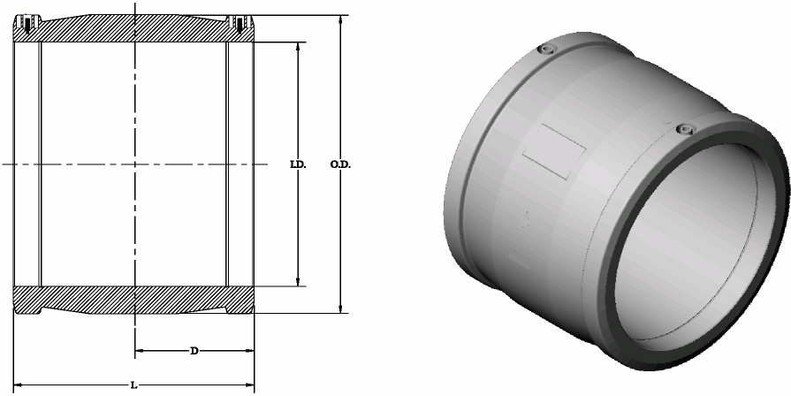



DIPS ELECTROFUSION COUPLING

NOMINAL SIZE | INSIDE DIA. (MAXIMUM) I.D. | INSIDE DIA. (MINIMUM) I.D. | OUTSIDE DIA. (NOMINAL) O.D. | STAB DEPTH (NOMINAL) D | OVERALL LENGTH (NOMINAL) L
4" DIPS | 4.846 | 4.810 | 6.06 | 3.46 | 6.93
 | 123.088 mm | 122.174 mm | 154.0 mm | 88.0 mm | 176.0 mm
6" DIPS | 6.940 | 6.910 | 8.74 | 4.09 | 8.19
 | 176.276 mm | 175.514 mm | 222.0 mm | 104.0 mm | 208.0 mm
8" DIPS | 9.105 | 9.075 | 11.14 | 5.08 | 10.16
 | 231.27 mm | 230.505 mm | 283.0 mm | 129.0 mm | 258.0 mm
10" DIPS | 11.071 | 11.031 | 13.7 | 5.5 | 11.0
 | 281.20 mm | 280.19 mm | 347 mm | 140 mm | 280 mm
12" DIPS | 13.162 | 13.122 | 16.2 | 6.5 | 13.1
 | 334.31 mm | 333.30 mm | 412 mm | 166 mm | 332 mm

