DIPS FAB MJ ADAPTOR

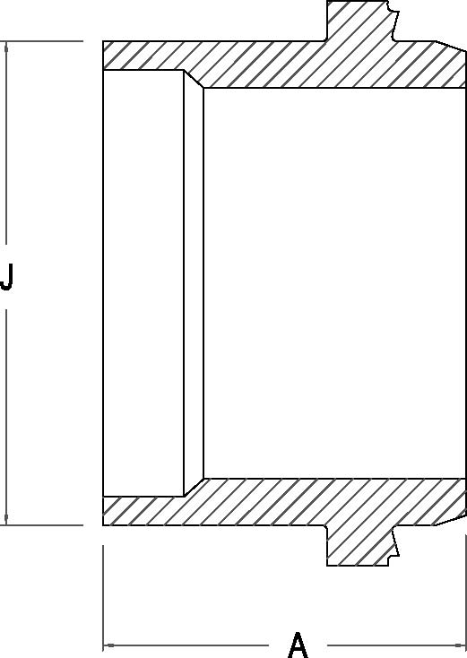

DIPS FAB MJ ADAPTER

Nominal Size Actual OD | Pressure Class (psi) | Feed Stock | Dimension A (in) | Dimension J (in) | Bolt Length | Number of Bolts

4" 4.800" |  |  | 10.25 | 4.80 | 4.5 | 4
 | 160 | DR 11
 | 200 | DR 9
6" 6.900" |  |  | 11.31 | 6.90 | 5 | 4
 | 160 | DR 11
 | 200 | DR 9
8" 9.050" |  |  | 14.00 | 9.05 | 7 | 6
 | 160 | DR 11
 | 200 | DR 9
10" 11.100" |  |  | 13.56 | 11.10 | 7 | 8
 | 160 | DR 11
 | 200 | DR 9
12" 13.200" |  |  | 13.00 | 13.20 | 7 | 8
 | 160 | DR 11
 | 200 | DR 9
14" 15.30" |  |  | 13.00 | 15.30 | 7 | 10
 | 160 | DR 11
 | 200 | DR 9
16" 17.400" |  |  | 13.00 | 17.40 | 7 | 12
 | 160 | DR 11
 | 200 | DR 9
18" 19.500" |  |  | 13.00 | 19.50 | 7 | 12
 | 160 | DR 11
 | 200 | DR 9
20" 21.600" |  |  | 16.00 | 21.60 | 7 | 14
 | 160 | DR 11
 | 200 | DR 9
24" 25.800" |  |  | 18.00 | 25.80 | 7 | 14
 | 160 | DR 11
 | 200 | DR 9

 |  | FIP NORMALLY STOCKS THESE ITEMS

