DIPS FAB 3 SEG 90
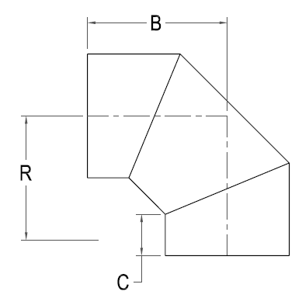



DIPS FAB 3 SEG. 90 ELBOW

Nominal Size Actual OD | Pressure Class (psi) | Feed Stock | Dimension R x C x B (in) | Weight per Item (lbs)

4" 4.80" | 128 | DR 11 | 6 X 5 1/2 X 10 | 6
 | 160 | DR 9 |  | 7
 | 200 | DR 7 |  | 7
6" 6.90 | 128 | DR 11 | 9 1/2 X 6 X 13 | 13
 | 160 | DR 9 |  | 16
 | 200 | DR 7 |  | 16
8" 9.05" | 128 | DR 11 | 10 1/2 X 6 1/2 X 14 1/2 | 24
 | 160 | DR 9 |  | 29
 | 200 | DR 7 |  | 29
10" 11.100" | 80 | DR 17 | 12 3/4 x 6 1/2 x 18 1/4 | 26
 | 128 | DR 11 |  | 39
 | 160 | DR 9 |  | 47
 | 200 | DR 7 |  | 54
12" 13.200" | 80 | DR 17 | 13 7/8 x 8 1/2 x 19 3/8 | 43
 | 128 | DR 11 |  | 64
 | 160 | DR 9 |  | 77
 | 200 | DR 7 |  | 82
14" 15.300" | 80 | DR 17 | 14 7/8 x 8 1/2 x 20 3/8 | 54
 | 128 | DR 11 |  | 81
 | 160 | DR 9 |  | 97
 | 200 | DR 7 |  | 118
16" 17.400" | 80 | DR 17 | 16 x 8 1/2 x 23 | 86
 | 128 | DR 11 |  | 128
 | 160 | DR 9 |  | 152
 | 200 | DR 7 |  | 169
18" 19.500" | 80 | DR 17 | 17 x 8 1/2 x 24 | 117
 | 128 | DR 11 |  | 174
 | 160 | DR 9 |  | 207
 | 200 | DR 7 |  | 223
20" 21.600" | 80 | DR 17 | 22 7/8 x 8 1/2 x 27 7/8 | 162
 | 128 | DR 11 |  | 241
 | 160 | DR 9 |  | 287
 | 200 | DR 7 |  | 312
24" 25.800" | 80 | DR 17 | 25 x 8 1/2 x 30 | 262
 | 128 | DR 11 |  | 321
 | 160 | DR 9 |  | 383
 | 200 | DR 7 |  | 473

