DIPS FAB BRANCH SADDLE RED TEE
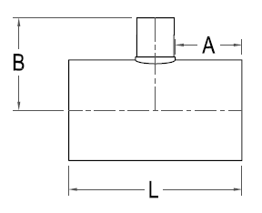


DIPS FAB BRANCH SADDLE RED. TEE

Nominal Size | Pressure Class (psi) | Feed Stock | Dimension A x B x L (in) | Weight per Item (lbs)

8" X 8" x 4 " |  |  | 6 1/4 X 14 1/2 X 19
 | 160 | DR 11 |  | 27
 | 200 | DR 9 |  | 31
10" X 10" X 4" |  |  | 6 1/4 X 15 1/2 X 19
 | 160 | DR 11 |  | 25
 | 200 | DR 9 |  | 40
12" X12" X 4" |  |  | 8 1/4 X 16 1/2 X 23
 | 160 | DR 11 |  | 49
 | 200 | DR 9 |  | 57
10" X 10" X6" |  |  | 6 1/4 X 15 1/2 X 21
 | 160 | DR 11 |  | 54
 | 200 | DR 9 |  | 63
12" X12" X 6" |  |  | 7 3/4 X 16 1/2 X 24
 | 160 | DR 11 |  | 69
 | 200 | DR 9 |  | 81
14" X 14" X 6" |  |  | 7 3/4 X 17 3/4 X 24
 | 160 | DR 11 |  | 84
 | 200 | DR 9 |  | 99
16" X16" X 6" |  |  | 10 1/4 X 18 3/4 X 29
 | 160 | DR 11 |  | 100
 | 200 | DR 9 |  | 118
12" X12" X 8" |  |  | 8 1/4 X 17 X 28
 | 160 | DR 11 |  | 80
 | 200 | DR 9 |  | 92
14" X 14" X 10" |  |  | 8 5/8 X 18 X 30
 | 160 | DR 11 |  | 115
 | 200 | DR 9 |  | 133
16" X16" X 10" |  |  | 10 5/8 X 19 X 34
 | 160 | DR 11 |  | 133
 | 200 | DR 9 |  | 155
16" X16" X 12" |  |  | 10 5/8 X 19 X 36
 | 160 | DR 11 |  | 153
 | 200 | DR 9 |  | 178

