Cover
HANOI UNIVERSITY OF SCIENCE AND TECHNOLOGY
School of Information and communications technology

Test Plan
Version 1.0

AIMS-An Internet Media Store

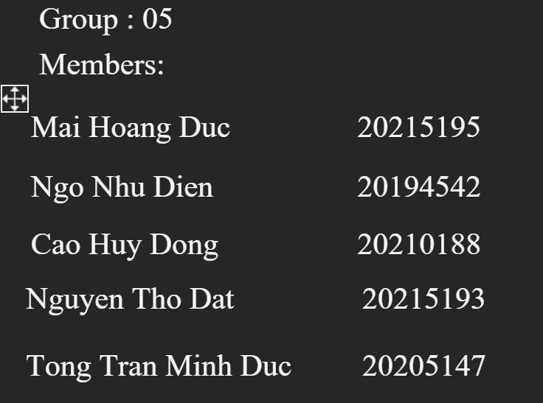

Hanoi, <month, year>

