Output
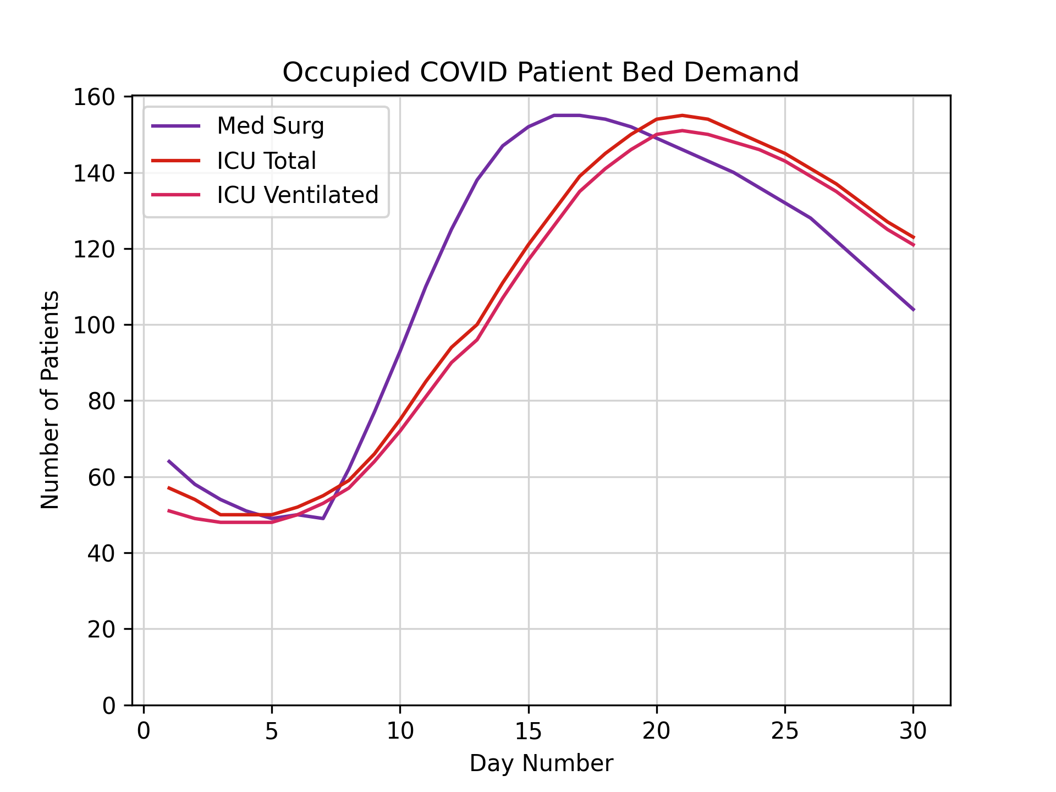
0 | 1 | 2
[0, 0] | [0, 0] | [0, 0]
[64, 215] | [57, 22] | [51, 15]
[58, 285] | [54, 29] | [49, 20]
[54, 357] | [50, 33] | [48, 25]
[51, 395] | [50, 35] | [48, 28]
[49, 362] | [50, 31] | [48, 25]
[50, 359] | [52, 32] | [50, 25]
[49, 364] | [55, 34] | [53, 26]
[62, 389] | [59, 36] | [57, 28]
[77, 398] | [66, 37] | [64, 29]
[93, 401] | [75, 37] | [72, 29]
[110, 382] | [85, 34] | [81, 27]
[125, 364] | [94, 32] | [90, 26]
[138, 352] | [100, 31] | [96, 25]
[147, 345] | [111, 32] | [107, 25]
[152, 330] | [121, 31] | [117, 24]
[155, 340] | [130, 30] | [126, 24]
[155, 349] | [139, 30] | [135, 24]
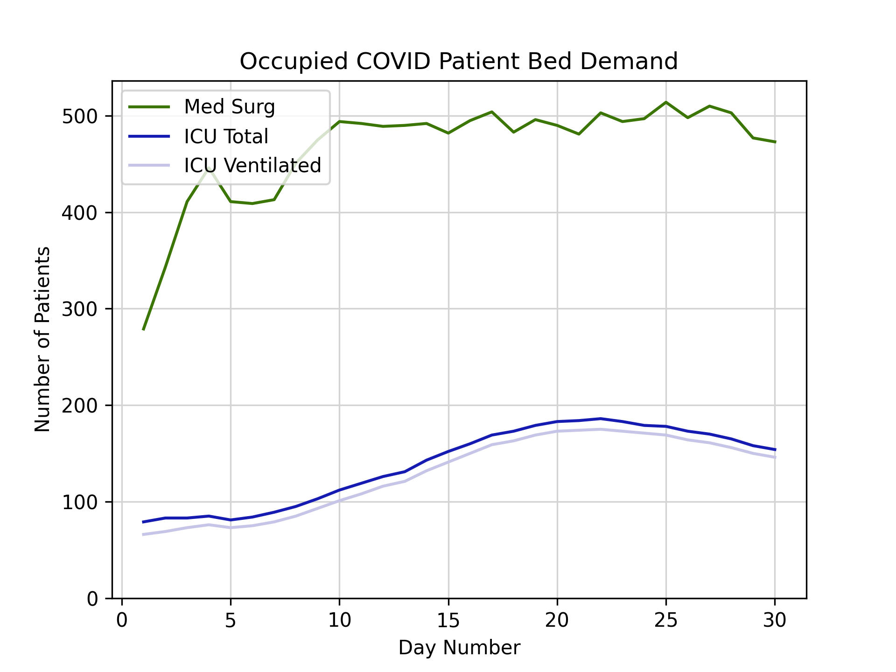
[154, 329] | [145, 28] | [141, 22]
[152, 344] | [150, 29] | [146, 23]
[149, 341] | [154, 29] | [150, 23]
[146, 335] | [155, 29] | [151, 23]
[143, 360] | [154, 32] | [150, 25]
[140, 354] | [151, 32] | [148, 25]
[136, 361] | [148, 31] | [146, 25]
[132, 382] | [145, 33] | [143, 26]
[128, 370] | [141, 32] | [139, 25]
[122, 388] | [137, 33] | [135, 26]
[116, 387] | [132, 33] | [130, 26]
[110, 367] | [127, 31] | [125, 25]
[104, 369] | [123, 31] | [121, 25]

