Output
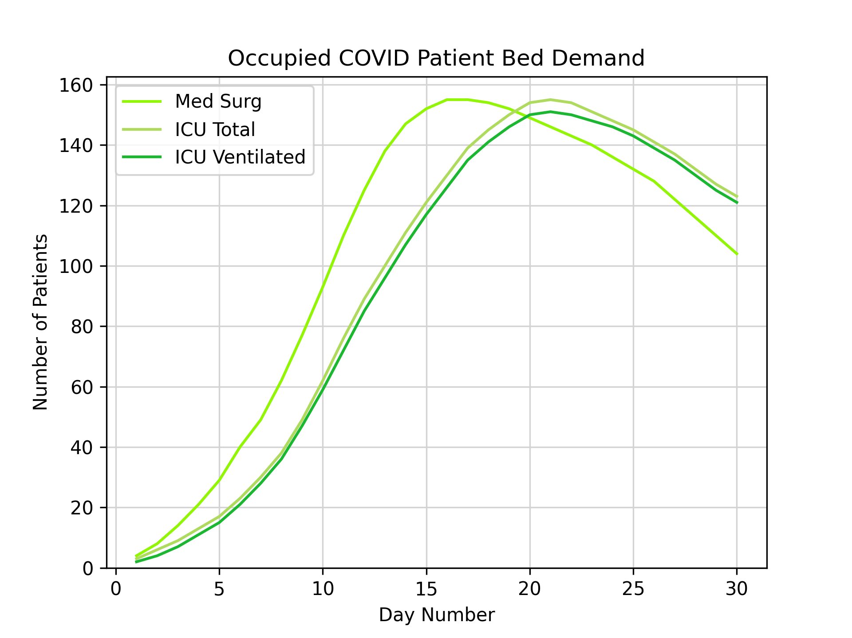
0 | 1 | 2
[0, 0] | [0, 0] | [0, 0]
[4, 85] | [3, 9] | [2, 6]
[8, 187] | [6, 20] | [4, 13]
[14, 292] | [9, 28] | [7, 20]
[21, 362] | [13, 32] | [11, 25]
[29, 362] | [17, 31] | [15, 25]
[40, 359] | [23, 32] | [21, 25]
[49, 364] | [30, 34] | [28, 26]
[62, 389] | [38, 36] | [36, 28]
[77, 398] | [49, 37] | [47, 29]
[93, 401] | [62, 37] | [59, 29]
[110, 382] | [76, 34] | [72, 27]
[125, 364] | [89, 32] | [85, 26]
[138, 352] | [100, 31] | [96, 25]
[147, 345] | [111, 32] | [107, 25]
[152, 330] | [121, 31] | [117, 24]
[155, 340] | [130, 30] | [126, 24]
[155, 349] | [139, 30] | [135, 24]
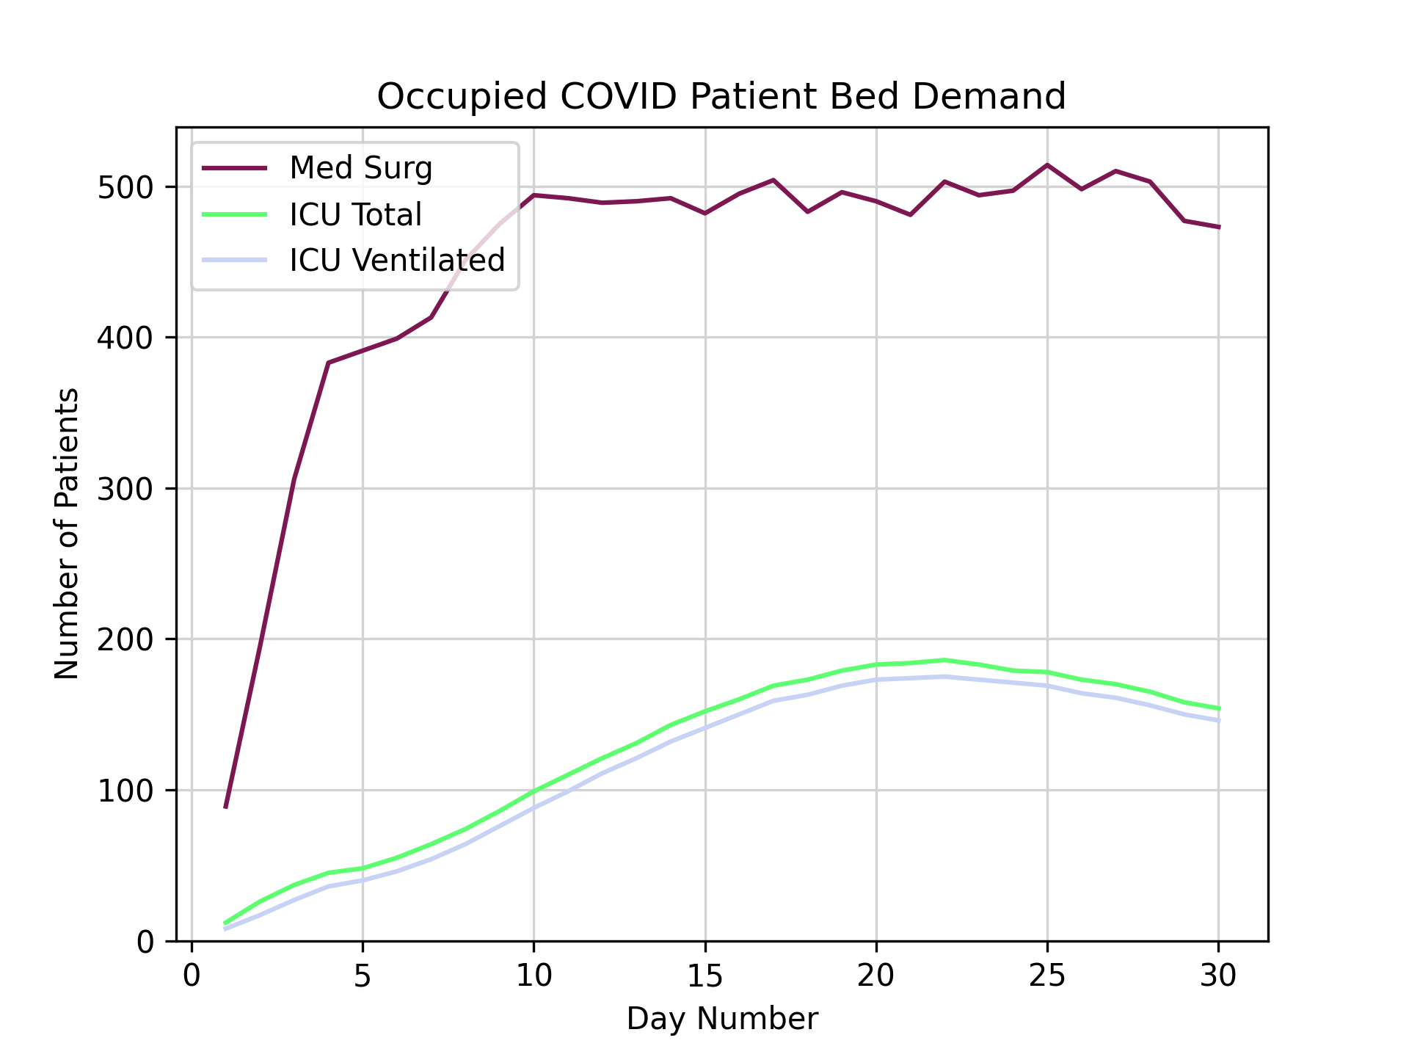
[154, 329] | [145, 28] | [141, 22]
[152, 344] | [150, 29] | [146, 23]
[149, 341] | [154, 29] | [150, 23]
[146, 335] | [155, 29] | [151, 23]
[143, 360] | [154, 32] | [150, 25]
[140, 354] | [151, 32] | [148, 25]
[136, 361] | [148, 31] | [146, 25]
[132, 382] | [145, 33] | [143, 26]
[128, 370] | [141, 32] | [139, 25]
[122, 388] | [137, 33] | [135, 26]
[116, 387] | [132, 33] | [130, 26]
[110, 367] | [127, 31] | [125, 25]
[104, 369] | [123, 31] | [121, 25]

