Plot
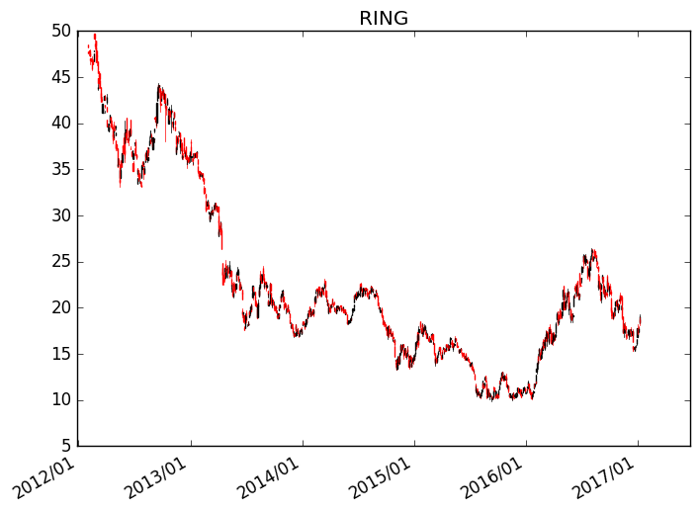
Ticker = | RING
Weeks = | 520
Plot | 520W Candlestick Plot

