Plot
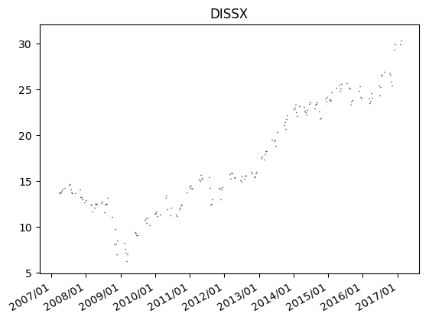
Ticker = | SCIU
Weeks = | 520
Plot | Object variable or With block variable not set

