Sheet1
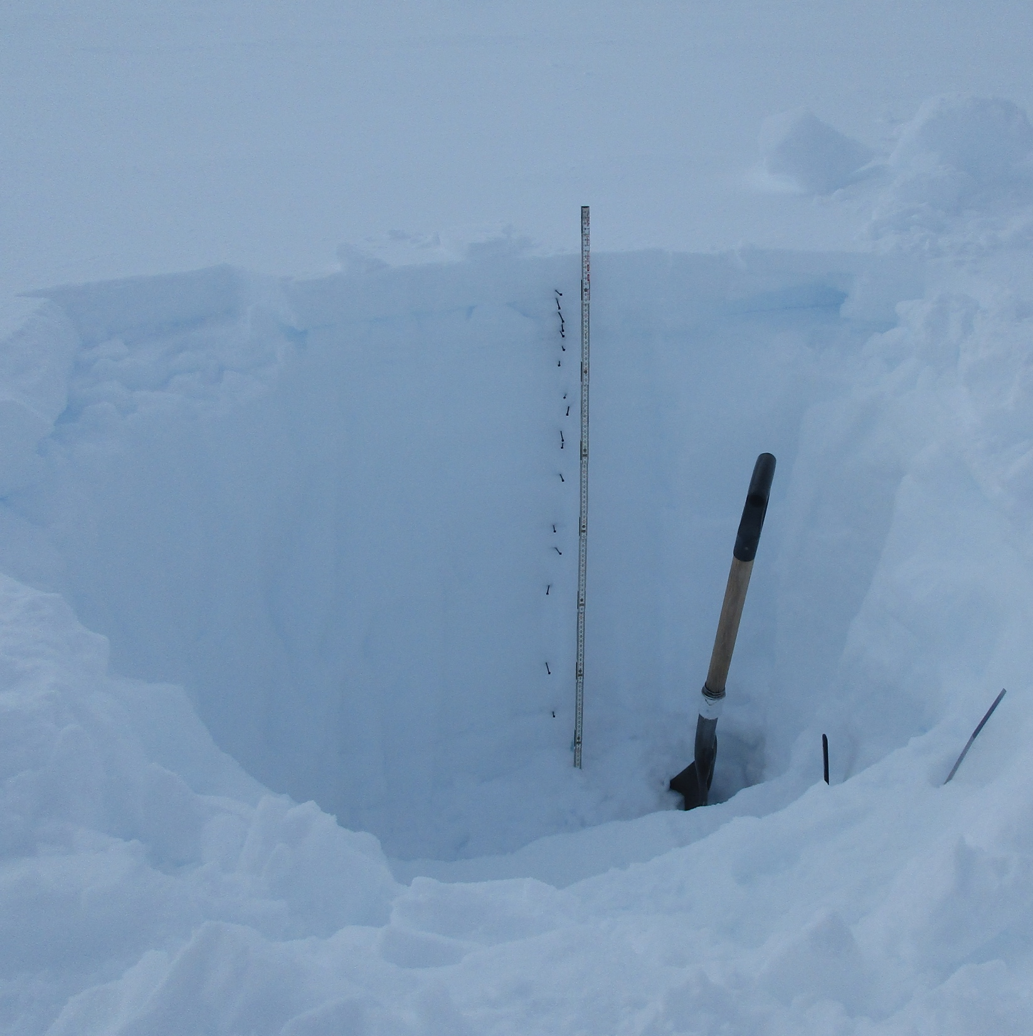
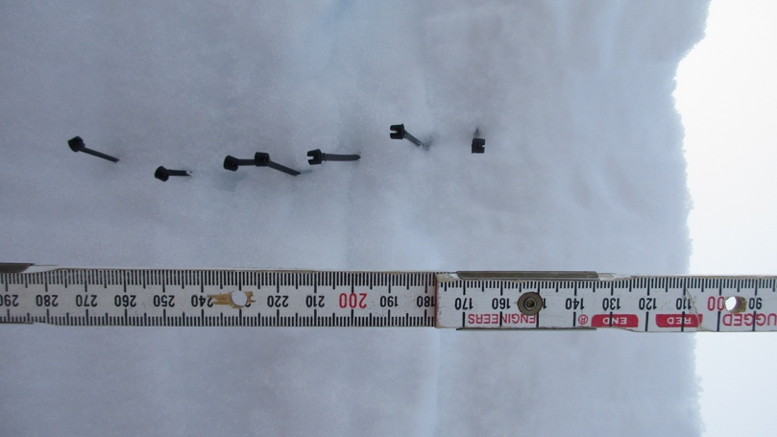
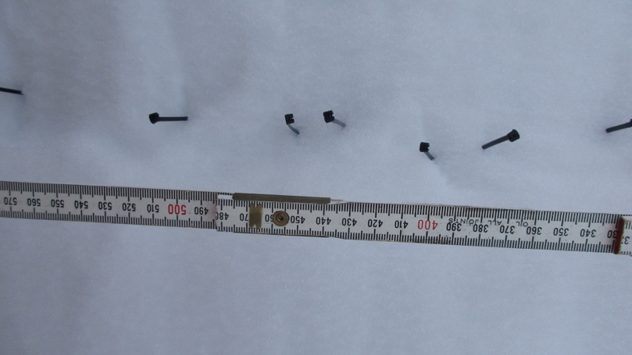
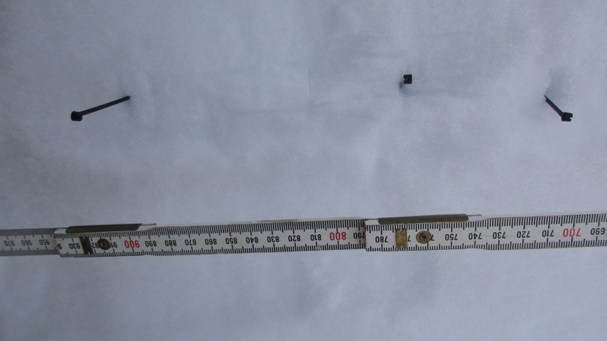
Snow pit, 2019-10-09 1500Z
This pit is located 5 m south of the 2019-09-19 pit.
In the undisturbed area ~ 20m south of the MSF.
Snow pit depth ~ 1.2 m.

Layer depth (mm) | Notes | Hand hardness | Density (kg/m3)
90 | Fresh wind slab | 1 finger | 258.3
160 | soft, sugary | 4 finger | 230.6
180 | dense, icy | pencil | 252.8
205 | sugary small crystals | 4 finger | 227.8
230 | sugary larger crystals | 4 finger | 172.2
240 | v. low density, large crystal | hand | 152.8
270 | Denser, big crystals still | 2 finger | 241.7
300 | dense, small crystals | 1 finger | 283.3
360 | very dense, small crystals | pencil | 291.7
390 | dense, small crystals | 1 finger | 222.2
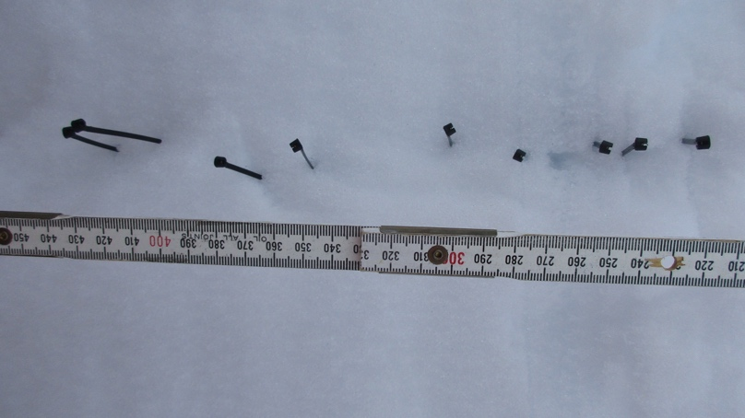
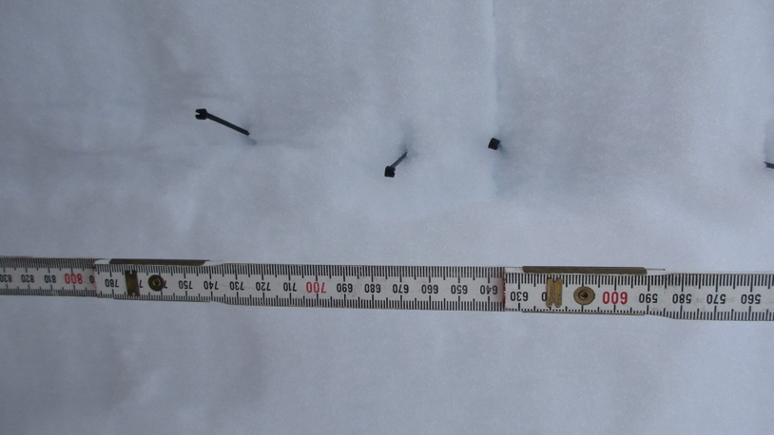
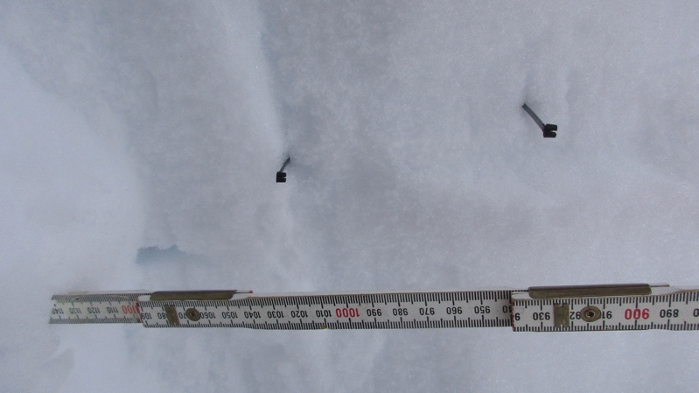
435 | sugary, bigger crystals | 4 finger | 280.6
460 | dense, small crystals | 1 finger | 366.7
525 | dense, small crystals | 1 finger | 183.3
630 | dense, small crystals | 1 finger | 300.0
680 | dense, small crystals | 1 finger | 327.8
755 | dense, small crystals | 1 finger | 216.7
910 | Icy, darker in colour | pencil | 369.4
940 | Soft sugar, large crystals | 4 finger | 244.4
1020 | Very hard, icy | pencil | 308.3
1200 | Bottom of pit

