Sheet1
august 1 2016
 | angular js | tutorial 1
 | ng-controller
 | ng-model
 | ng-click

 | two ways of binding data into browser

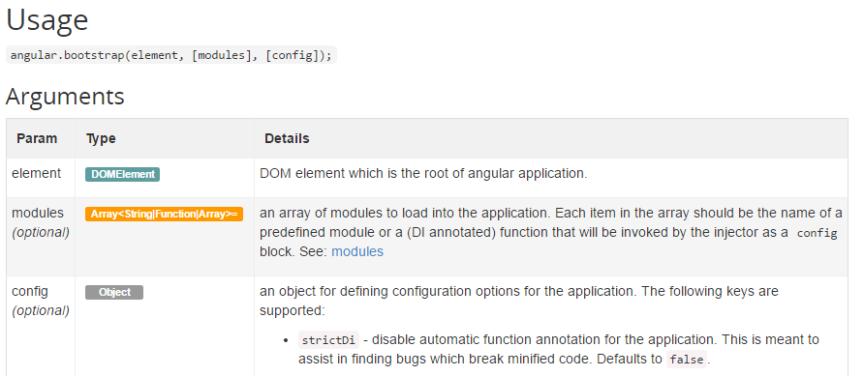
 | ng-app

 | ng-app applies onl;y one bootstrap to document angular.bootatrap applies bootstrap to different modules inside the element

 | ng-init
 | ng-repeat
 | ng-cloak
 | ng-bind
 | ng-if

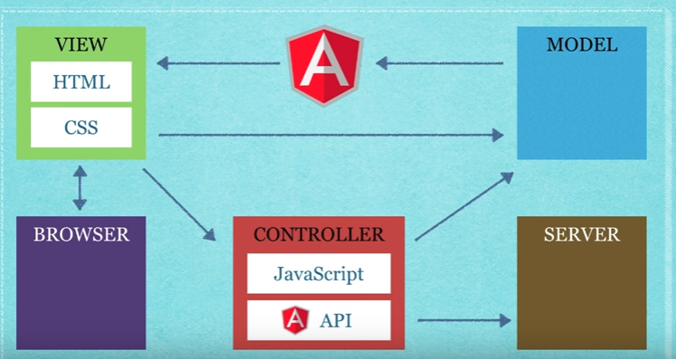

 | ng-include
 | ng-switch
 | ng-hide for checkbox

august 2 2016
 | ng-dirty |  | display message when focused and started typing inside it |  |  | <<inside span tag
 | ng-invalid |  | ng-disabled="userForm.$invalid" |  | in submit button
 | ng-required |  | //for text box
 | ng-pattern |  | ng-pattern="/^(\d{3,})\s?(\w{0,5})\s([a-zA-Z]{2,30})\s([a-zA-Z]{2,15})\.?\s?(\w{0,5})$/" |  |  |  | for address
 | ng-show |  | display span tag elements onl;y when conditions are satisfied
 | ng-minlength |  | minimum characters to be entered
 | ng-true-value //for check box message

 | ng-valid is set if the form is valid.
 | ng-invalid is set if the form is invalid.
 | ng-pending is set if the form is pending.
 | ng-pristine is set if the form is pristine.
 | ng-dirty is set if the form is dirty.
 | ng-submitted is set if the form was submitted.

 | ng-show="userForm.street.$dirty
 | && userForm.street.$invalid"

 | ng-disabled="userForm.$invalid"

 | $scope
 | $error
 | $rootscope
 | $on

august 3 2016
Example 1; | directives
 | jqlDirective can be written as jql-directive
 | when directive is applied to element these can be used
child= | element.children(),child.length,child.eq(i).text,child.eq(i).css,child.eq(i).attr,,child.eq(i).addClass(".style"),removeClass(".classname") |  |  |  |  |  | ,hasClass()
 | to get properties of a object angular.element(document.querySelector("idname")).prop("name")
Example2 | elements like p,li,span: angular.element("<span>") |  |  | or angular.element(document.querySelector("idname"))
 | element.append | element.before
 | prepend
 | replaceWith
 | remove
 | used custom directives (bbplayerlist)
 | $eval//eliminate the filter in the item

example4 | transclusion is used to data without deleting it
 | ng-transclude
 | or transclude:true

