1. Title Page
Instacart Grocery Basket Analysis

Project Name: Instacart Grocery Basket Analysis
Date: 17.10.2022
Analyst Name: Héctor Vargas

Contents:
Population Flow
Consistency checks
Wrangling steps
Column derivations
Visualizations
Recommendations

2. Population Flow
Population flow

Exclusion flag
Condition: max_order < 5
Obervations to be removed: 1440295
Final total count of order_products_all: 30964564

final_data
Orders_products_combined
Orders_products_merged

Total:
Total:
Total:
 | 32404859, 19 | 32404859. 37
32,434489, 12

3. Consistency checks
 |  |  |  | Title page
Consistency checks

Dataset | Missing values | Missing values treatment | Duplicates
orders | 206209 missing values found in 'days_since_prior_order' | Determined that missing values indicated new customers by crosstabulating the 'order_number' and 'days_since_prior_order' columns. Since all missing values in 'days_since_prior_order' occurred on order number 1 confirming that all missing values were new customers I created a new_customer flag column. | No duplicates found
products | 16 missing values found in 'product_name' | Created a new dataframe excluding missing values. | 5 duplicates removed
orders_products_prior | No missing values found | N/A | No duplicates found
customers | No missing values found | N/A | No duplicates found

4. Wrangling steps
 |  |  |  | Title page
Wrangling steps

Columns dropped | Columns renamed | Columns' type changed | Comment/Reason
eval_stat', and '_merge' columns |  |  | These flags are irrelevant for the purposes of the analysis.
Unnamed: 0.1' , 'Unnamed: 0_x' , and 'Unnamed: 0_y' columns |  |  | These columns were automatically generated and were not relevant for the purposes of this analysis.
 | 'order_hour_of_day' changed to 'hour order placed' |  | Name changed for clarity.
 | 'order_dow' changed to 'order_day_of_week' |  | Name changed for clarity
 |  | 'user_id' and 'order_number' | These columns do not contain numerically meaningful data. Converting them from integer type to a string type prevents unhelpful aggregation.
 |  | order_id | The data type of these columns was changed from int64 to a more efficient data type (usually int8 or int 32) to reduce the file size and alleviate working memory errors.
 |  | user_id
 |  | order_number
 |  | order_day_of_week
 |  | hour_order_placed
 |  | days_since_prior_order
 |  | product_id
 |  | reordered
 |  | add_to_cart_order
 |  | order_id
 |  | aisle_id
 |  | department_id
 |  | prices
 |  | age
 |  | dependants

5. Column derivations
 |  |  |  | Title page

Column derivations and aggregations

Dataset | New column | Column/s it was derived from | Conditions
ords_prods_merge | price_range | prices | prices' > 15 = 'High range product,' 'prices' <= 15 & >5 = 'Mid-range product,' and 'prices'<5 = 'Low range product'
ords_prods_merge | busiest_days | order_day_of_week | if 'order_day_of_week' = 0 or 1 return 'Busiest day' , else if 'order_day_of_week' = 4 or 3 return 'Least busy day,' else return 'Regularly busy'
ords_prods_merge | busiest_period_of_day | hour_order_placed | if 'hour_order_placed' includes an hour between 9 and 16 return 'Most Orders,' else if 'hour_order_placed' includes 7,8 or 17 through 22 return 'Average Orders,' else if 'hour order placed includes hours zero through 6 or 23 return 'Fewest Orders'
ords_prods_merge | loyalty_flag | max_order | if 'max_order' >40 return 'Loyal customer,' else if 'max_order' <=40 & >10 return 'Regular customer,' else if 'max_order' <=10 return 'New customer'
ords_prods_merge | spender_ flag | prices | if 'prices' >=10 return 'High spender,' else if 'prices' <10 return 'Low spender'
ords_prods_merge | order_frequency | avg_days_since_last_order | If 'avg_days_since_last_order' >20 return 'Non-frequent customer,' else if 'avg_days_since_last_order' >10 & <=20 return 'Regular customer,' else if 'avg_days_since_last_order' <=10 return 'Frequent customer'
ords_prods_merged | activity | max_order | If 'max_order' >=5 return 'normal,' else if 'max_order' <5 return 'low'
final_data | family_status | no_of_dependents | new_final_data.loc[(new_final_data['department_id']==18)&(new_final_data['no_of_dependents']>0),'family_status']='family with babies' new_final_data.loc[(new_final_data['department_id']==8) &(new_final_data['department_id']==18)&(new_final_data['no_of_dependents']>0),'family_status']='family with children with pets' new_final_data.loc[new_final_data['no_of_dependents']==0,'family_status']='family with no babies'
final_data | income_category | income | new_final_data.loc[(new_final_data['income']>=10000)&(new_final_data['income']<=50000),'income_category']='lower middle income' new_final_data.loc[(new_final_data['income']>=51000)&(new_final_data['income']<=100000),'income_category']='middle income' new_final_data.loc[(new_final_data['income']>=110000)&(new_final_data['income']<=300000),'income_category']='upper-middle income' new_final_data.loc[new_final_data['income']>310000,'income_category']='rich income'
final_data | age_category | age | new_final_data.loc[(new_final_data['age']>=19)&(new_final_data['age']<=35),'age_category']='young adults'new_final_data.loc[(new_final_data['age']>=36)&(new_final_data['age']<=55),'age_category']='middle age adults' new_final_data.loc[(new_final_data['age']>=56)&(new_final_data['age']<=75),'age_category']='older adults' new_final_data.loc[new_final_data['age']>76,'age_category']='senior'

6. Visualizations
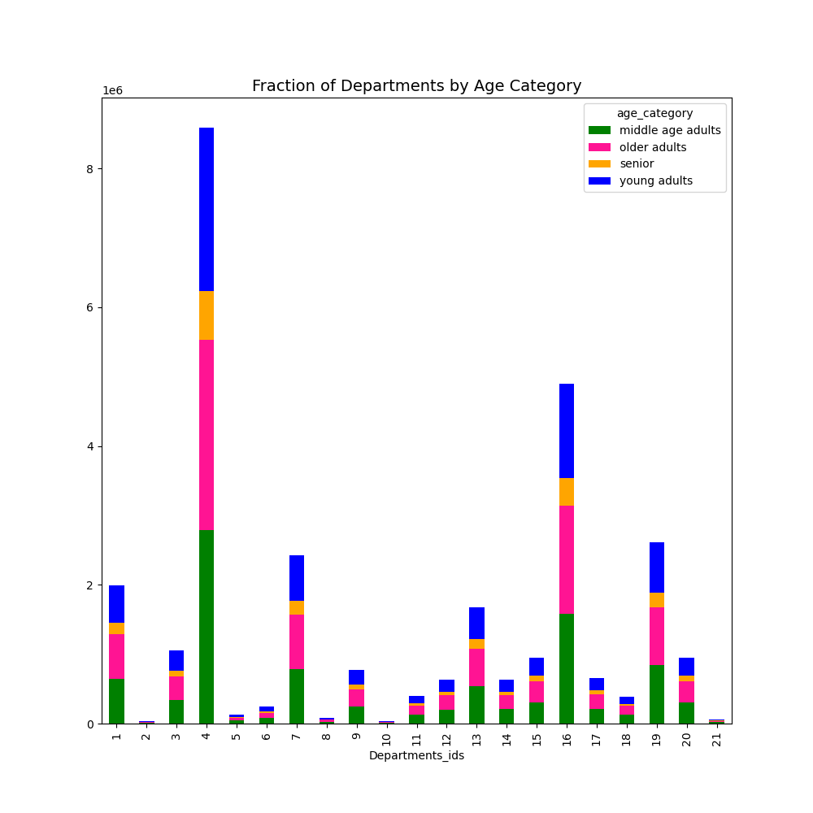
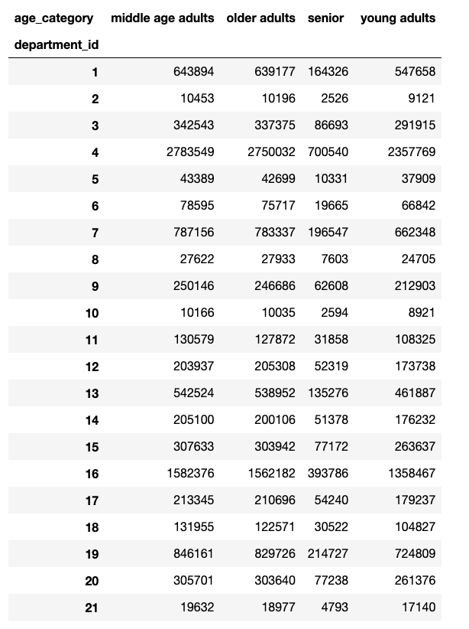
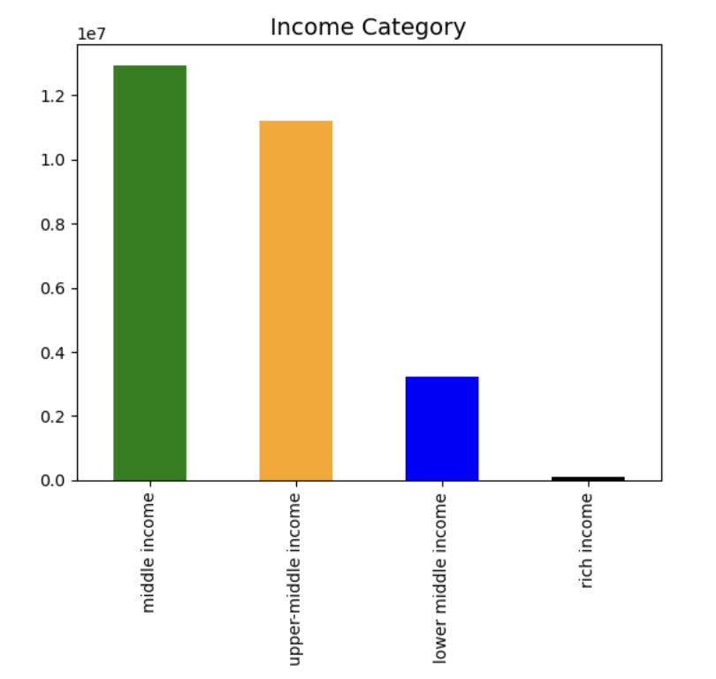
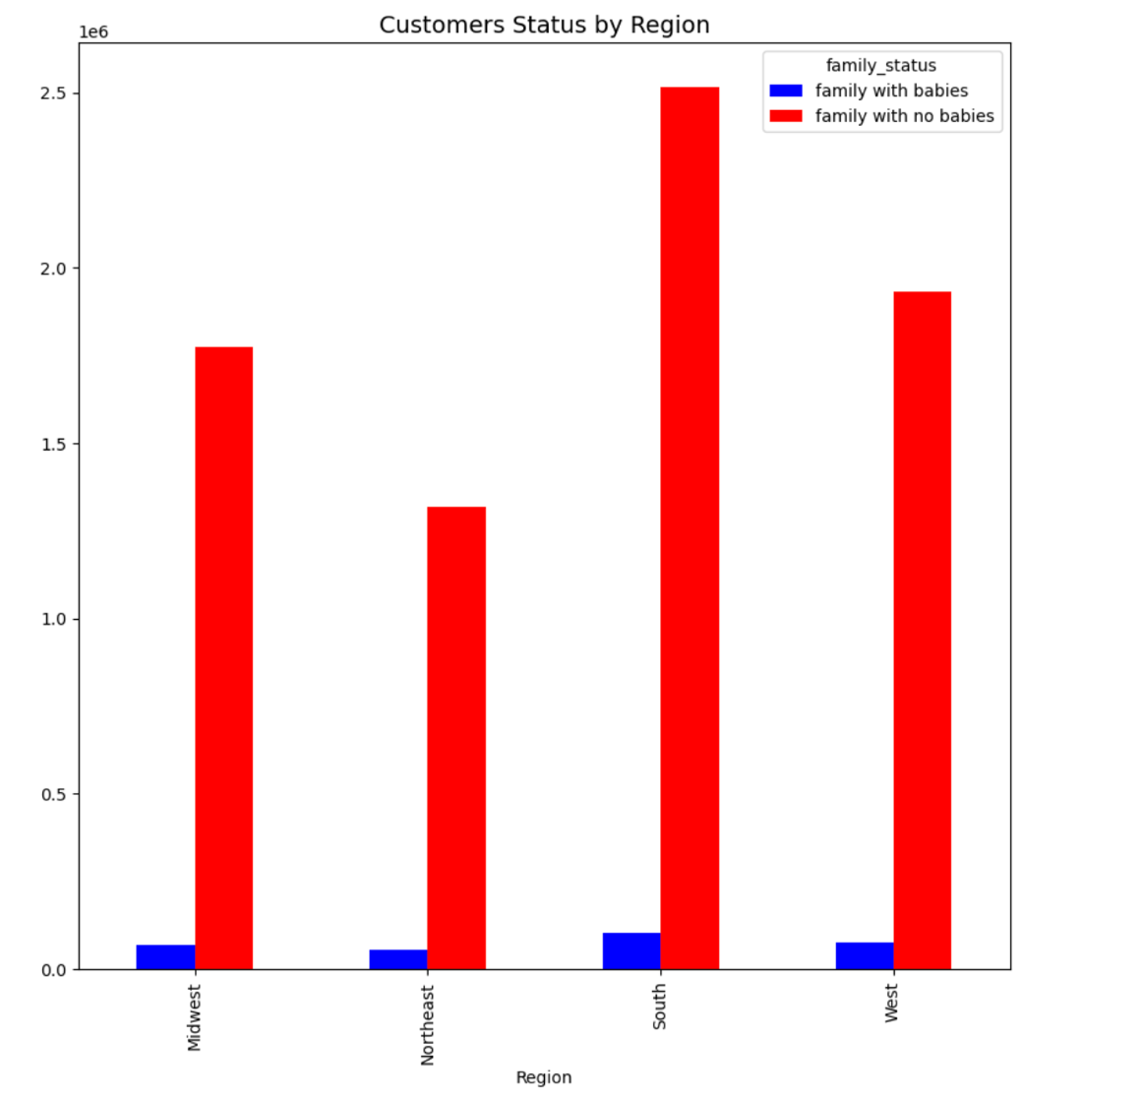
 |  |  | Title page

Visualisations

Key Questions

● The sales team needs to know what the busiest days of the week and hours of the day are (i.e., the days and times with the most orders) in order to schedule ads at times when there are fewer orders.

 | Busiest hours of the day | Busiest Days of the Week
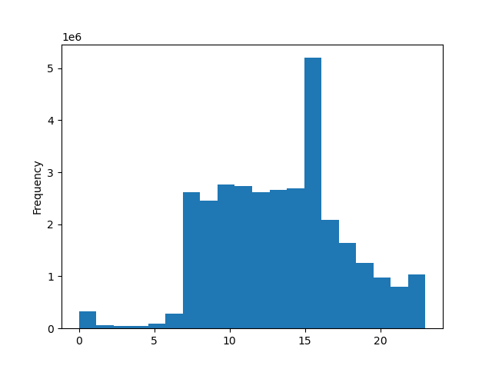


● They also want to know whether there are particular times of the day when people spend the most money, as this might inform the type of products they advertise at these times.

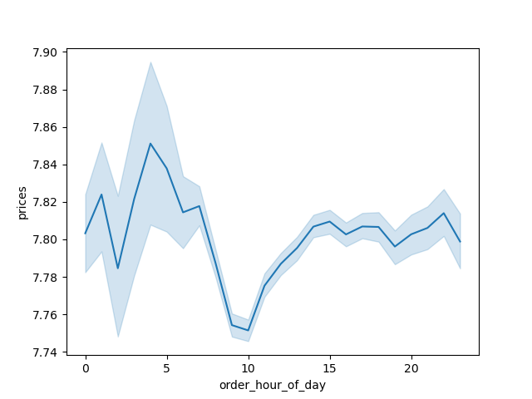

● The marketing and sales teams are particularly interested in the different types of customers in their system and how their ordering behaviors differ. For example:
● What’s the distribution among users in regards to their brand loyalty (i.e., how often do they return to Instacart)?
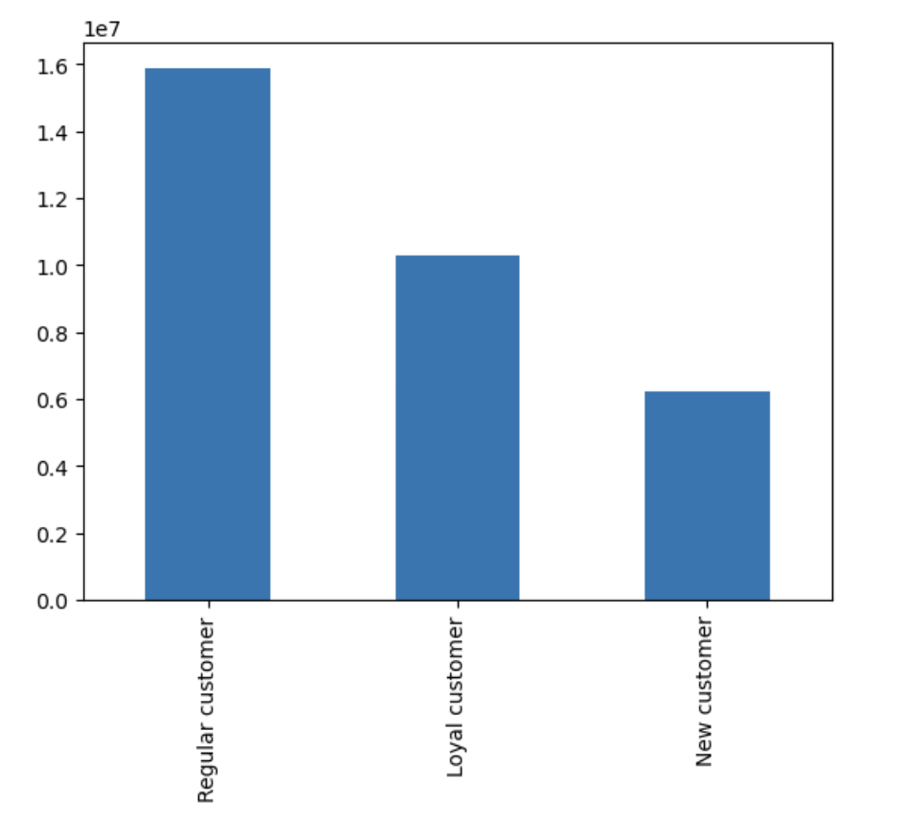

● Are there differences in ordering habits based on a customer’s loyalty status?

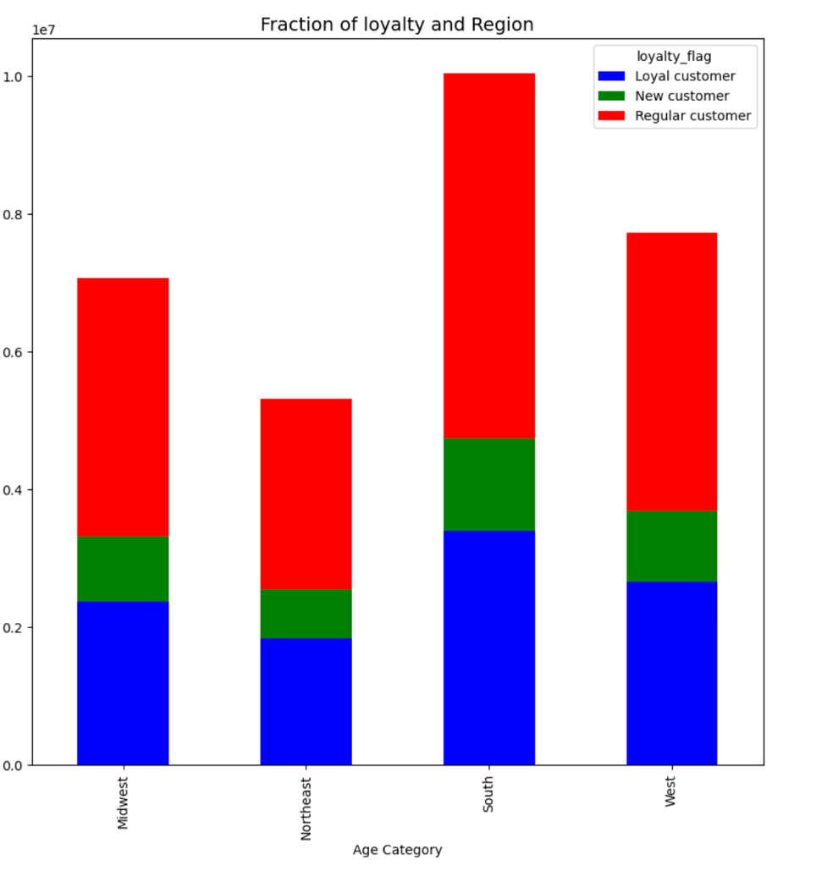

● Are there differences in ordering habits based on a customer’s region?

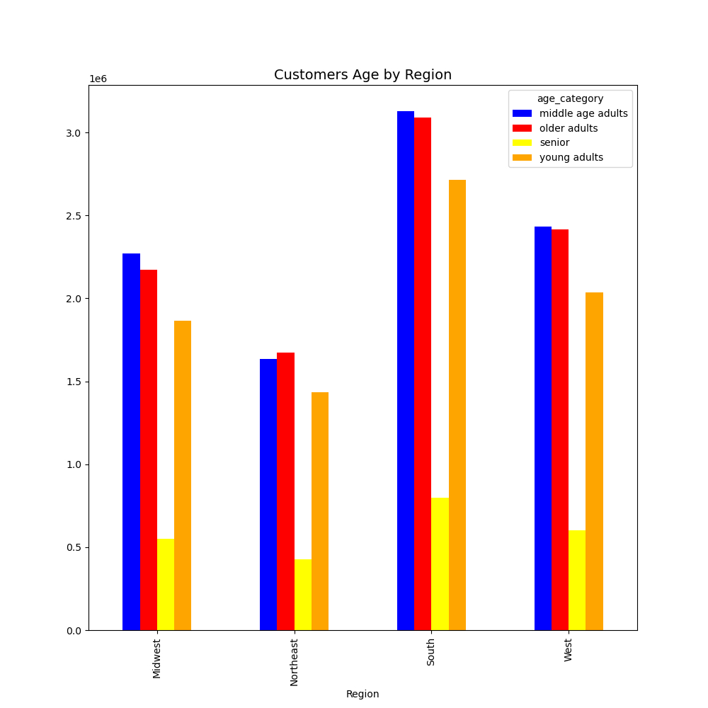

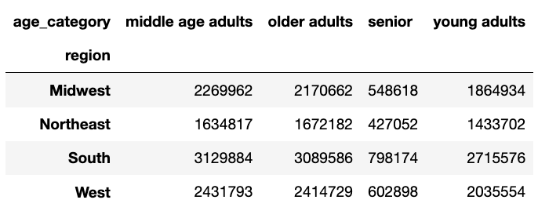

What different classifications does the demographic information suggest? Age? Income? Certain types of goods? Family status?

7. Recomendations
 |  |  |  |  |  |  |  |  |  |  | Title page

Recomendations

Key Questions

● The sales team needs to know what the busiest days of the week and hours of the day are (i.e., the days and times with the most orders) in order to schedule ads at times when there are fewer orders.

 | Busiest hours of the day |  |  |  |  |  |  | Busiest Days of the Week
 |  |  |  |  |  |  |  |  |  |  |  |  | The following insights were found based on the database provided by Instacart. The sales team is interested in knowing which days and hours are the busiest for users. Based on the data, we can see that the hours with the most rush are between 7 in the morning, reaching the highest peak at 3:00 p.m. After the trend is downhill. It would be interesting to investigate the 16-hour peak in more depth and do another analysis by device to see if the behavior is similar on desktop users to mobile users. The recommendation for the sales team would be to focus the marketing budget on these hours since the CVRs* are pretty high and reduce it at the end of the day. This can be achieved if we keep the Marketing team informed so they can schedule their campaigns to precise days and times. This will allow Instacart to allocate its Marketing Budget in a better way. The same with the days of the week. Weekends are the strongest. The behavior of Instacart users can be explained. One explanation is that people at home have more time to shop. The next step will be to investigate which products sell the most these days and which groups are pushing sales on Saturdays and Sundays to informer the sales team about it. *The conversion rate is the number of conversions divided by the total number of visitors. For example, if an e-commerce site receives 200 visitors in a month and has 50 sales, the conversion rate would be 50 divided by 200, or 25%. A conversion can refer to any desired action that you want the user to take.

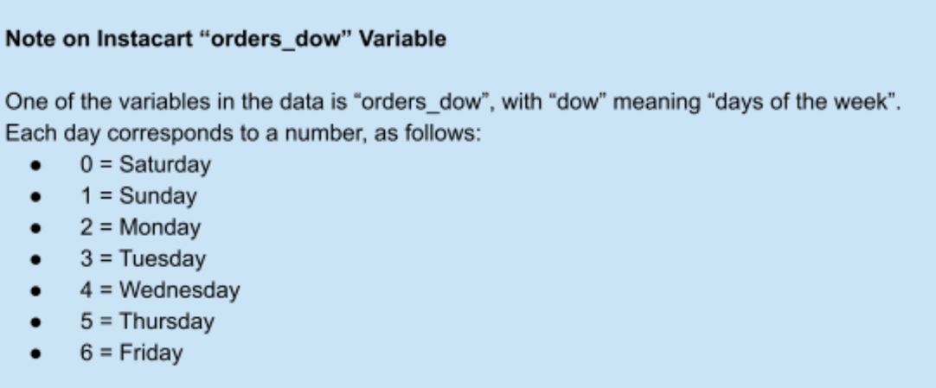

● They also want to know whether there are particular times of the day when people spend the most money, as this might inform the type of products they advertise at these times.

 |  |  |  |  |  | No clear trend can be found in the analysis. The graph shows that people spend more money during the early hours of the day, between 12 and 5 in the morning. There is a significant drop after 7 am this recovery from 10 am and maintains a reasonably stable level until 11 pm. The following steps would be to investigate the reason for this performance drop and see what variables are responsible for it. The subsequent analysis would be to see if this changes month by month and investigate the performance by device (mobile vs desktop). The recommendation for Instacart would be to create A/B test campaigns during off-peak hours to push different products to see if they can raise the average spending rate of Instacart users.

● The marketing and sales teams are particularly interested in the different types of customers in their system and how their ordering behaviors differ. For example:
● What’s the distribution among users in regards to their brand loyalty (i.e., how often do they return to Instacart)?

 |  |  |  |  |  | Instacart has a large user base who frequently use the service. After the analysis, it can be verified that regular users are the most substantial group of Instacart followed by Loyal customers. In previous analyzes*, it was found that new users spend more on average than loyal customers. The next steps will be to analyze this behavior and see what kind of products they buy. In addition, contact the marketing team to see if new users receive different offers through the acquisition team. The recommendation for Instacart will be to investigate the type of offers that new users receive and apply these to the "Loyal" group to increase the average sales of this group. Share these results with the CRM* team so they can increase the number of "loyal customers" based on specific campaigns. *Customer relationship management (CRM) is the combination of practices, strategies, and technologies that companies use to manage and analyze customer interactions and data throughout the customer lifecycle. The goal is to improve customer service relationships, assist in customer retention, and drive sales growth. *Please get in touch with me if you are interested in this analysis hectorvargas@gmail.com

● Are there differences in ordering habits based on a customer’s loyalty status?
 |  |  |  |  |  |  |  |  |  | Another exciting piece of information about the purchasing behavior of the "new, regular, loyal" groups is the southern region. This region is responsible for the majority of Instacart users. As we highlighted in the last graph, regular customers dominate all areas, with the south and western regions being the strongest. The next step and the recommendations for the sales team would be to investigate which states are responsible for this performance in these regions, in addition to seeing which products are the most consumed in states like California, Washington, or even Hawaii. From these, campaigns can be created with Google Ads* to push these products to groups such as "loyal" to increase its user base. *Google Ads is an online advertising platform developed by Google, where advertisers bid to display brief advertisements, service offerings, product listings, or videos to web users. It can place ads both in the results of search engines like Google Search and on non-search websites, mobile apps, and videos.

 |  | region | Loyal customer | New customer | Regular customer
 |  | Midwest | 2,373,774 | 1,472,573 | 3,750,978
 |  | Northeast | 1,841,785 | 1,100,207 | 2,780,744
 |  | South | 3,405,844 | 2,074,410 | 5,311,631
 |  | West | 2,662,690 | 1,596,800 | 4,033,423

● Are there differences in ordering habits based on a customer’s region?

 |  |  |  |  |  |  |  |  |  |  |  | By creating another category by age, we could see users' habits by region. In the analysis, it can be seen that the "middle age adults" group is the one that dominates in all areas, followed by "older adults" and seniors in last place. This distribution is quite logical and does not raise further questions or necessary analysis. We know that the most significant groups are the ones that are more used to internet services, and the seniors are more traditional when buying or do not have access to a mobile device or internet access. The recommendation would be to focus on the "young adults" group since they occupy third place, and the potential is significant for Instacart. This group comprises members between the ages of 19 and 35. The Marketing team can create campaigns on social networks based on buying habits since this group is more likely to spend time on Facebook, Instagram, and so on.

 |  |  |  |  | age_category | middle age adults | older adults | senior | young adults
 |  |  |  |  | region
 |  |  |  |  | Midwest | 2,269,962 | 2,170,662 | 548,618 | 1,864,934
 |  |  |  |  | Northeast | 1,634,817 | 1,672,182 | 427,052 | 1,433,702
 |  |  |  |  | South | 3,129,884 | 3,089,586 | 798,174 | 2,715,576
 |  |  |  |  | West | 2,431,793 | 2,414,729 | 602,898 | 203,555

What different classifications does the demographic information suggest? Age? Income? Certain types of goods? Family status?

 |  |  |  |  |  |  |  |  |  |  | The following graph shows the results of the analysis of shopping habits by age groups (Young adult, middle adult, older adult & senior). All the purchases made by these groups were analyzed, and it should be noted that fresh products occupy the first place in all groups, followed by eggs, snacks, and drinks. Products such as for pets, international, and bulk occupy the last positions. The recommendation and the following steps will be to break down the sales of fresh products to find out which can be heavily promoted in marketing campaigns and which ones can be removed from the catalog. Another analysis could be done on the least sold products; for example, it would be interesting to know what pet products sell the most. With these results, the marketing team could target social media campaigns for people who have cats or dogs as pets. Also, Bulk products could be targeted to Restaurants or Hotels to increase sales
 |  |  |  |  | Department_id | middle age adults | older adults | senior | young adults
 |  |  |  |  | Fresh produce | 2,783,549 | 2,750,032 | 700,540 | 2,357,769
 |  |  |  |  | dairy eggs | 1,582,376 | 1,562,182 | 393,786 | 1,358,467
 |  |  |  |  | snacks | 846,161 | 829,726 | 214,727 | 724,809
 |  |  |  |  | beverages | 787,156 | 783,337 | 196,547 | 662,348
 |  |  |  |  | frozen | 643,894 | 639,177 | 164,326 | 547,658
 |  |  |  |  | pantry | 542,524 | 538,952 | 135,276 | 461,887
 |  |  |  |  | bakery | 342,543 | 337,375 | 86,693 | 291,915
 |  |  |  |  | canned goods | 307,633 | 303,942 | 77,172 | 263,637
 |  |  |  |  | deli | 305,701 | 303,640 | 77,238 | 261,376
 |  |  |  |  | dry goods pasta | 250,146 | 246,686 | 62,608 | 212,903
 |  |  |  |  | household | 213,345 | 210,696 | 54,240 | 179,237
 |  |  |  |  | breakfast | 205,100 | 200,106 | 51,378 | 176,232
 |  |  |  |  | meat seafood | 203,937 | 205,308 | 52,319 | 173,738
 |  |  |  |  | babies | 131,955 | 122,571 | 30,522 | 104,827
 |  |  |  |  | personal care | 130,579 | 127,872 | 31,858 | 108,325
 |  |  |  |  | international | 78,595 | 75,717 | 19,665 | 66,842
 |  |  |  |  | alcohol | 43,389 | 42,699 | 10,331 | 37,909
 |  |  |  |  | pets | 27,622 | 27,933 | 7,603 | 24,705
 |  |  |  |  | missing | 19,632 | 18,977 | 4,793 | 17,140
 |  |  |  |  | other | 10,453 | 10,196 | 2,526 | 9,121
 |  |  |  |  | bulk | 10,166 | 10,035 | 2,594 | 8,921

 |  |  |  | The last graph shows information about the income of Instacart users. The analysis showed that most users have an average income from 50 to 100k, followed by the groups with an upper-middle-income oscillating between 110 and 300k. This data can be necessary for the sales and marketing team since, with this information, it is possible to create different types of campaigns with premium/bioproducts for higher-income groups.

