Q1
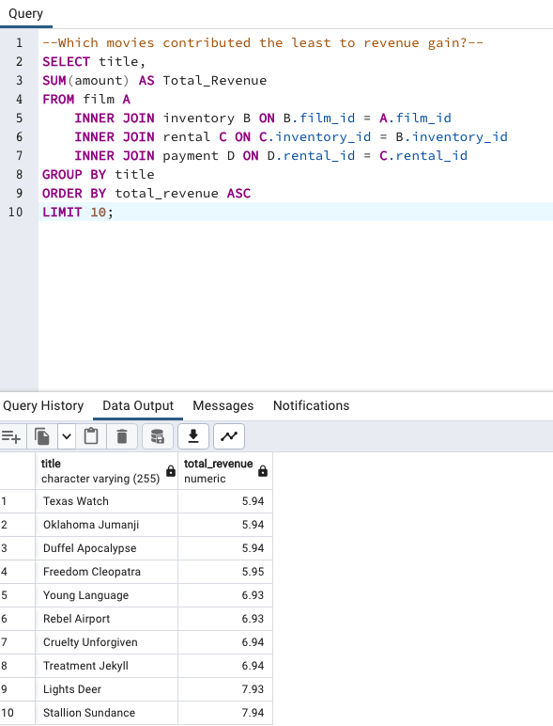
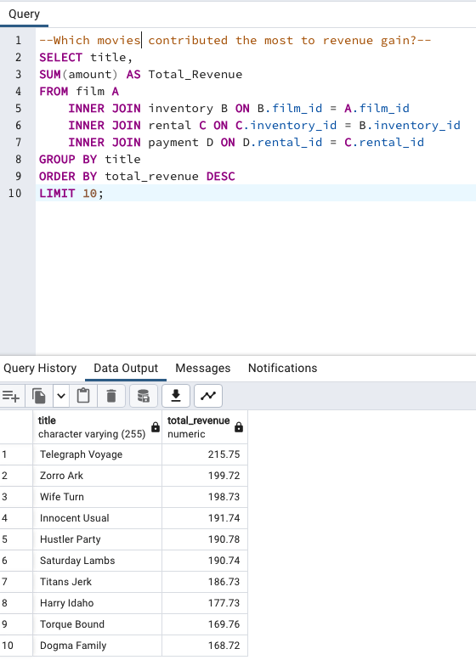
Question | Query | Question | Query
Which movies contributed the most to revenue gain? | SELECT title, SUM(amount) AS Total_Revenue FROM film A INNER JOIN inventory B ON B.film_id = A.film_id INNER JOIN rental C ON C.inventory_id = B.inventory_id INNER JOIN payment D ON D.rental_id = C.rental_id GROUP BY title ORDER BY total_revenue DESC LIMIT 10; | Which movies contributed the least to revenue gain? | SELECT title, SUM(amount) AS Total_Revenue FROM film A INNER JOIN inventory B ON B.film_id = A.film_id INNER JOIN rental C ON C.inventory_id = B.inventory_id INNER JOIN payment D ON D.rental_id = C.rental_id GROUP BY title ORDER BY total_revenue ASC LIMIT 10;

Q2
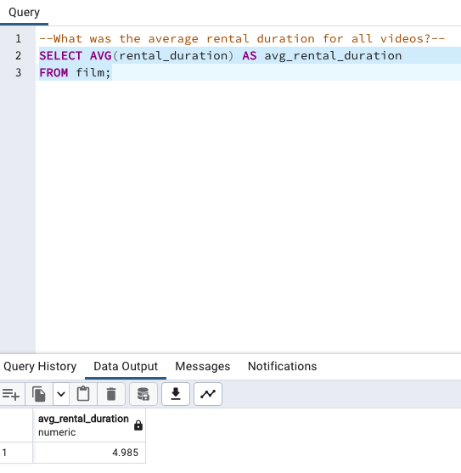
Question | Query
What was the average rental duration for all videos? | SELECT AVG(rental_duration) AS avg_rental_duration FROM film;

Q3
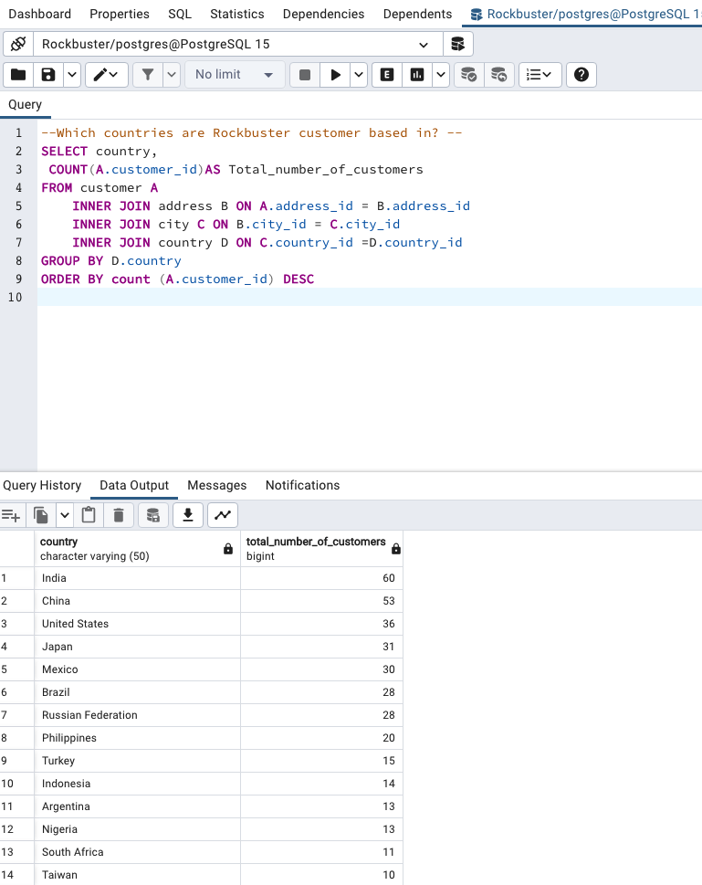
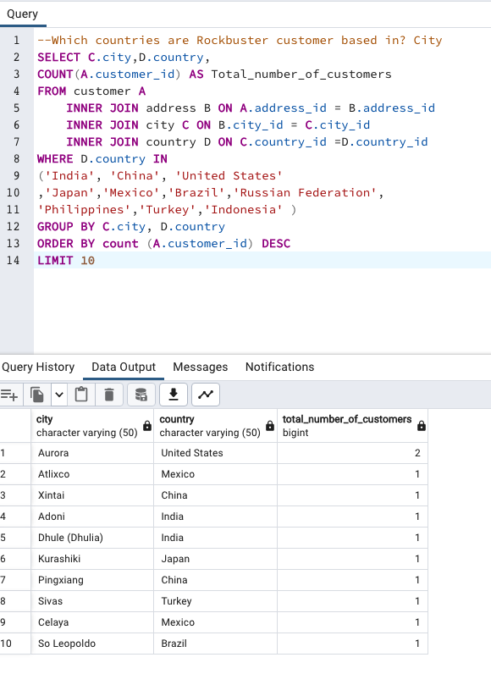
Question | Query
Which countries are Rockbuster customer based in? Country | SELECT country, COUNT(A.customer_id)AS Total_number_of_customers FROM customer A INNER JOIN address B ON A.address_id = B.address_id INNER JOIN city C ON B.city_id = C.city_id INNER JOIN country D ON C.country_id =D.country_id GROUP BY D.country ORDER BY count (A.customer_id) DESC | Which countries are Rockbuster customer based in? City | SELECT C.city,D.country, COUNT(A.customer_id) AS Total_number_of_customers FROM customer A INNER JOIN address B ON A.address_id = B.address_id INNER JOIN city C ON B.city_id = C.city_id INNER JOIN country D ON C.country_id =D.country_id WHERE D.country IN ('India', 'China', 'United States' ,'Japan','Mexico','Brazil','Russian Federation', 'Philippines','Turkey','Indonesia' ) GROUP BY C.city, D.country ORDER BY count (A.customer_id) DESC LIMIT 10

Q4
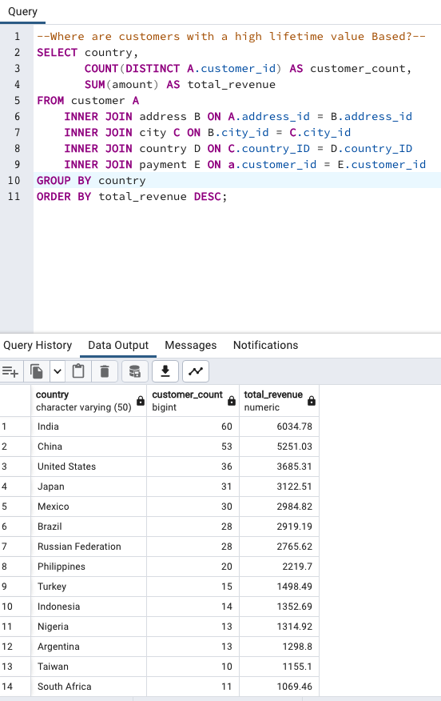
Question | Query
Where are customers with a high lifetime value Based? | SELECT country, COUNT(DISTINCT A.customer_id) AS customer_count, SUM(amount) AS total_revenue FROM customer A INNER JOIN address B ON A.address_id = B.address_id INNER JOIN city C ON B.city_id = C.city_id INNER JOIN country D ON C.country_ID = D.country_ID INNER JOIN payment E ON a.customer_id = E.customer_id GROUP BY country ORDER BY total_revenue DESC

Customers-revenue
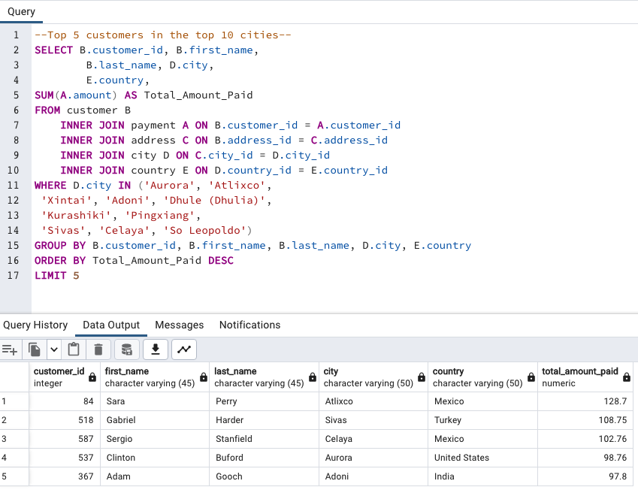
Question | Query
--Top 5 customers in the top 10 cities-- | SELECT B.customer_id, B.first_name, B.last_name, D.city, E.country, SUM(A.amount) AS Total_Amount_Paid FROM customer B INNER JOIN payment A ON B.customer_id = A.customer_id INNER JOIN address C ON B.address_id = C.address_id INNER JOIN city D ON C.city_id = D.city_id INNER JOIN country E ON D.country_id = E.country_id WHERE D.city IN ('Aurora', 'Atlixco', 'Xintai', 'Adoni', 'Dhule (Dhulia)', 'Kurashiki', 'Pingxiang', 'Sivas', 'Celaya', 'So Leopoldo') GROUP BY B.customer_id, B.first_name, B.last_name, D.city, E.country ORDER BY Total_Amount_Paid DESC LIMIT 5

