pmf_5runs_select_lr_1e-5_to_1sa
 |  |  |  |  |  | miniImagenet(224) |  |  |  |  |  |  |  |  |  | CIFAR-FS(224)
 |  |  |  |  |  | 1-shot |  |  |  |  | 5-shot |  |  |  |  | 1-shot |  |  |  |  | 5-shot
Arch | Pretrain | MetaTr | MetaTe | rd |  | ACCm | std | ACC1 | ACC10 | ACC100 | ACCm | std | ACC1 | ACC10 | ACC100 | ACCm | std | ACC1 | ACC10 | ACC100 | ACCm | std | ACC1 | ACC10 | ACC100
deit_small_p16 | DINO | PN(5-5-15) | naïve(backbone_in_pmf) |  |  | 94.28 | 5.70 | 67.73 | 73.81 | 84.80 | 98.55 | 1.84 | 86.67 | 90.72 | 95.80 | 89.02 | 8.27 | 57.87 | 62.85 | 75.65 | 95.63 | 4.54 | 74.67 | 80.16 | 87.94
deit_small_p16 | DINO | PN(5-5-15) | naïve |  |  | 93.43 | 6.09 | 61.33 | 72.40 | 83.37 | 98.36 | 1.83 | 87.73 | 91.36 | 95.56 | 87.89 | 8.32 | 51.73 | 61.73 | 74.79 | 95.49 | 4.20 | 74.70 | 81.76 | 88.52
deit_small_p16 | DINO | PN(5-5-15) | bsearch | 0.999 |  | 94.39 | 5.58 | 63.20 | 74.72 | 85.13 | 98.57 | 1.79 | 86.13 | 91.33 | 95.87 | 88.98 | 8.11 | 59.20 | 64.13 | 75.93 | 95.72 | 4.23 | 73.33 | 81.65 | 88.68

deit_base_p16 | DINO | PN(5-5-15) | naïve(backbone_in_pmf) |  |  | 95.77 | 4.98 | 68.00 | 77.31 | 87.50 | 98.88 | 1.54 | 89.33 | 92.99 | 96.34 | 90.09 | 8.31 | 53.60 | 63.39 | 76.69 | 95.87 | 4.39 | 74.93 | 80.21 | 88.42
deit_base_p16 | DINO | PN(5-5-15) | naïve |  |  | 94.93 | 5.38 | 66.94 | 75.47 | 85.99 | 98.81 | 1.58 | 89.07 | 92.90 | 96.27 | 89.81 | 8.11 | 55.20 | 64.83 | 76.79 | 95.98 | 4.07 | 73.07 | 82.19 | 89.22
deit_base_p16 | DINO | PN(5-5-15) | bsearch | 0.999 |  | 95.61 | 5.06 | 69.60 | 77.58 | 87.05 | 98.90 | 1.55 | 89.33 | 93.04 | 96.34 | 90.34 | 8.00 | 58.94 | 65.49 | 77.42 | 96.04 | 4.10 | 74.13 | 81.79 | 89.24

resnet50 | DINO | PN(5-5-15) | naïve(backbone_in_pmf) |  |  | 88.63 | 7.73 | 52.00 | 64.37 | 76.32 | 98.28 | 1.84 | 89.33 | 91.84 | 95.33
resnet50 | DINO | PN(5-5-15) | naïve |  |  | 94.85 | 5.27 | 67.20 | 75.23 | 86.27 | 98.49 | 1.73 | 89.33 | 91.89 | 95.82 | 81.73 | 10.38 | 35.20 | 51.60 | 65.77 | 91.26 | 5.49 | 71.20 | 75.12 | 82.65
resnet50 | DINO | PN(5-5-15) | bsearch | 0.999 |  | 95.25 | 5.18 | 66.14 | 74.61 | 86.86 | 98.76 | 1.57 | 89.33 | 92.69 | 96.30 | 82.27 | 10.26 | 36.27 | 51.12 | 66.51 | 91.55 | 5.34 | 73.33 | 75.97 | 83.23

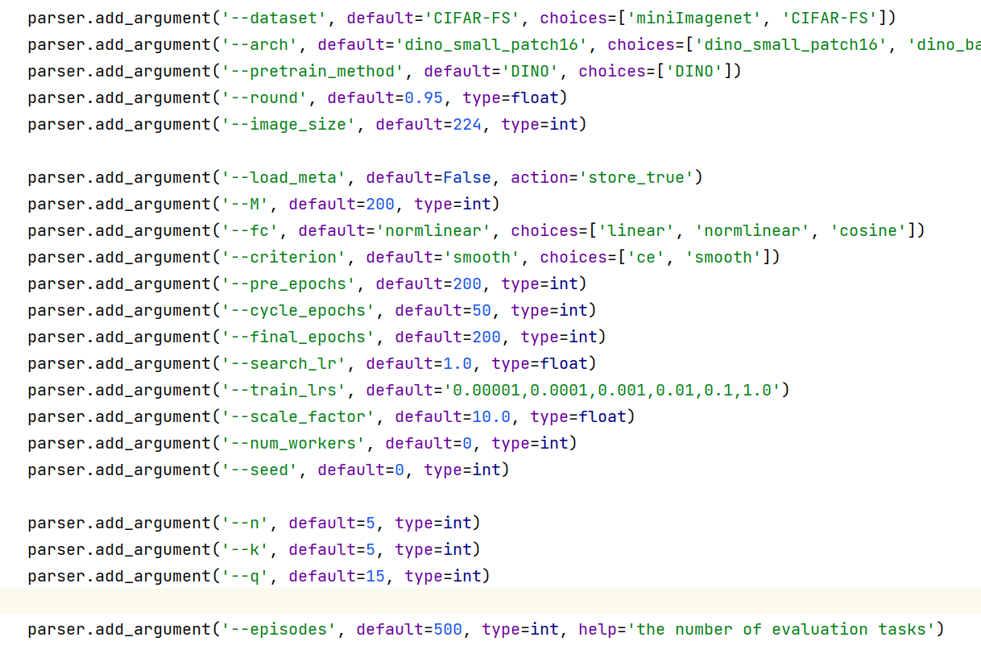

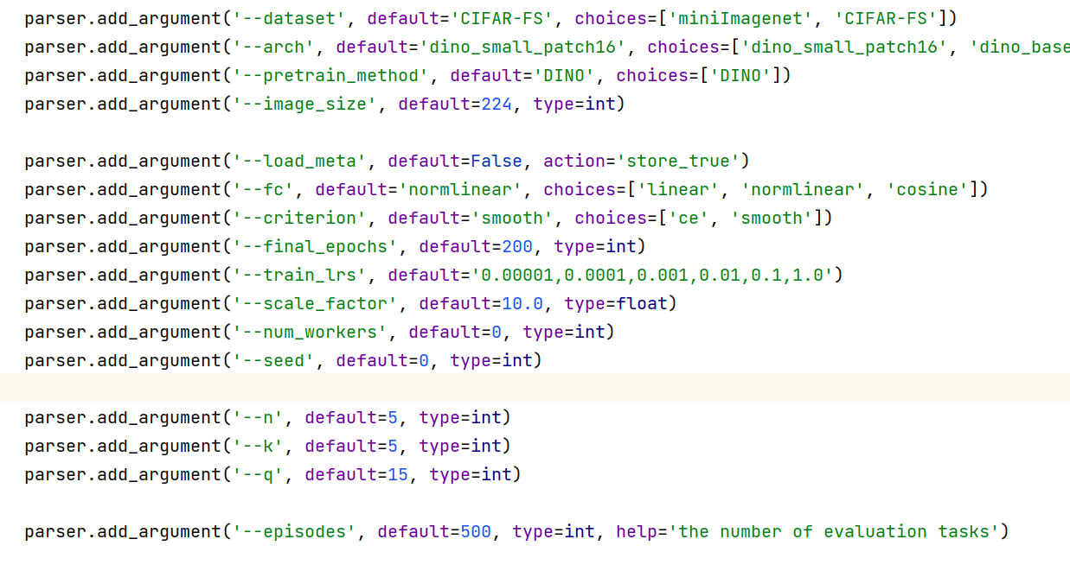

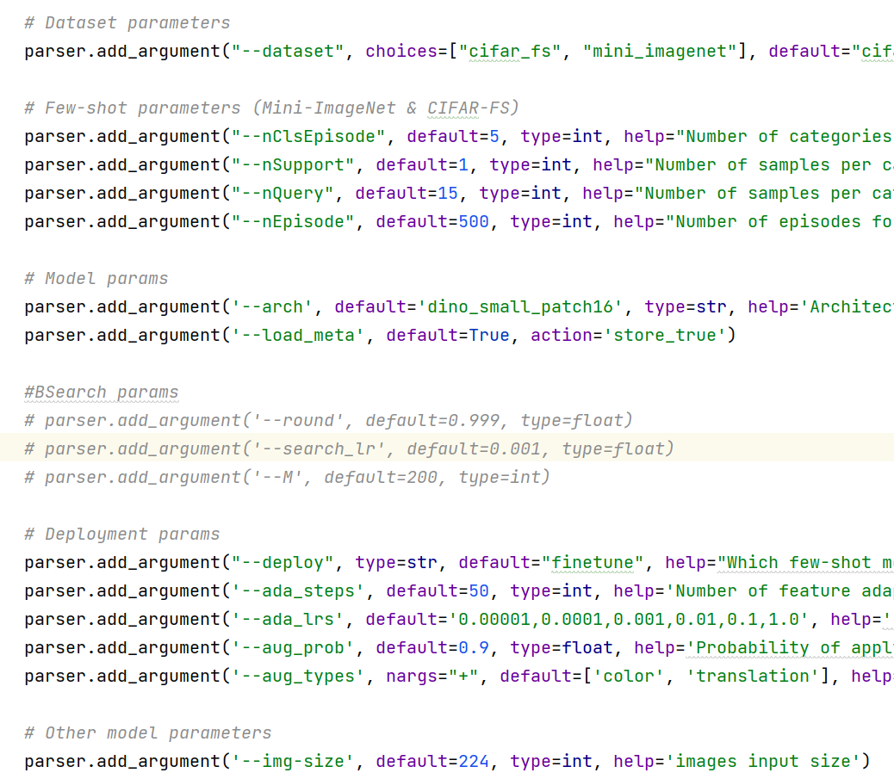

 |  |  |  |  | ada_steps=100

