Evaluation Pictures
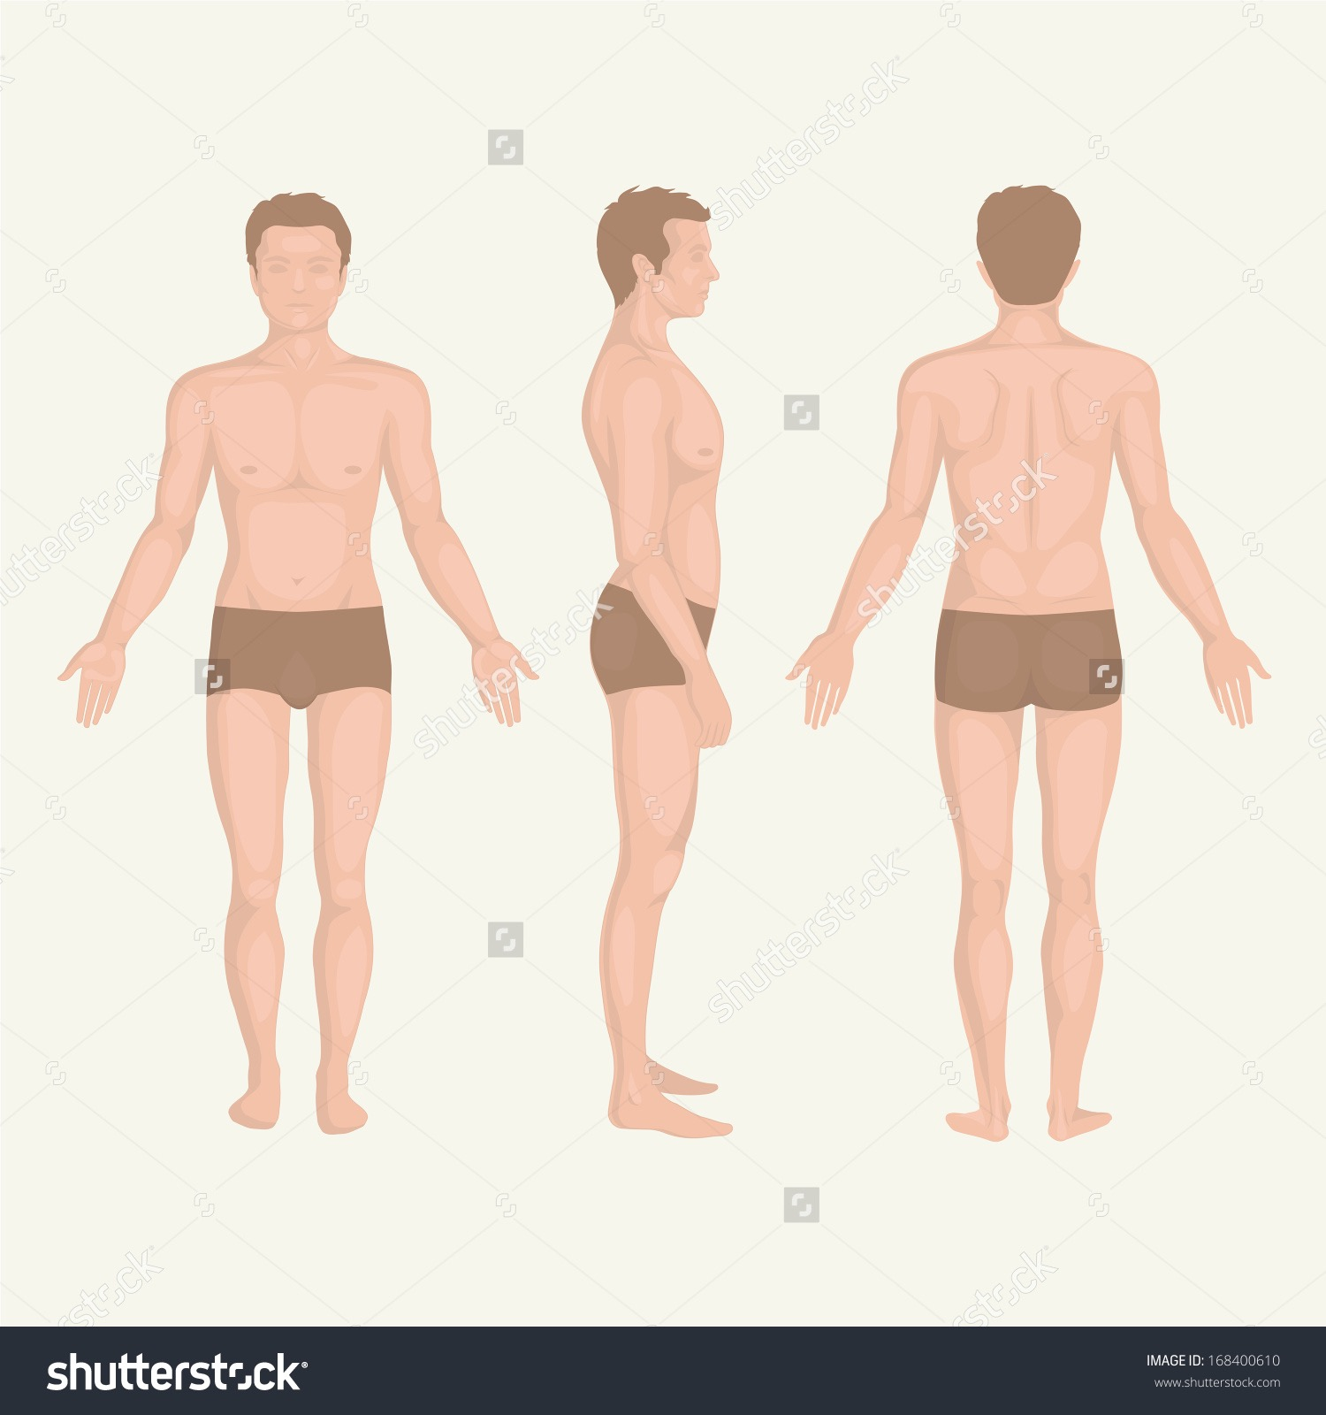
A few guidelines
I will need pictures of you in the given format to assess your condition and progress later. Remove the reference pic attached below and add yours. IMPORTANT NOTE : These pictures will remain confidential and will not be shared with anyone without your permission.

