combination
Dates | Quantity | Pounds | Value | Nutrition category
05/23/2018 | 380 | 380 | 0 | cereal
05/22/2018 | 365 | 365 | 0 | cereal
05/22/2018 | 326 | 326 | 0 | cereal
05/21/2018 | 372 | 372 | 0 | cereal
05/21/2018 | 260 | 260 | 0 | cereal
 | Pounds
05/23/2018 | 380
05/22/2018 | 365
05/22/2018 | 326
05/21/2018 | 372
05/21/2018 | 260
05/18/2018 | 209
05/18/2018 | 96
05/18/2018 | 1318
05/18/2018 | 482
05/17/2018 | 119
05/16/2018 | 29
05/16/2018 | 152
05/14/2018 | 160
05/14/2018 | 32
05/14/2018 | 90
05/11/2018 | 263
05/11/2018 | 490
05/11/2018 | 225
05/11/2018 | 98
05/09/2018 | 217
05/09/2018 | 221
05/09/2018 | 564
05/07/2018 | 476
05/07/2018 | 50
05/07/2018 | 207
05/04/2018 | 95
05/04/2018 | 65
05/04/2018 | 68
05/04/2018 | 393
05/02/2018 | 256
05/01/2018 | 322
05/01/2018 | 829
04/30/2018 | 43
04/30/2018 | 140
04/27/2018 | 51
04/27/2018 | 1023
04/26/2018 | 91
04/25/2018 | 136
04/25/2018 | 977
04/23/2018 | 112
04/23/2018 | 59
04/23/2018 | 480
04/20/2018 | 201
04/20/2018 | 95
04/20/2018 | 265
04/19/2018 | 3867
04/18/2018 | 148
04/18/2018 | 232
04/17/2018 | 127
04/16/2018 | 296
...
 | Pounds
05/23/2018 | 380
05/22/2018 | 365
05/22/2018 | 326
05/21/2018 | 372
05/21/2018 | 260
05/18/2018 | 209
05/18/2018 | 96
05/18/2018 | 1318
05/18/2018 | 482
05/17/2018 | 119
05/16/2018 | 29
05/16/2018 | 152
05/14/2018 | 160
05/14/2018 | 32
05/14/2018 | 90
05/11/2018 | 263
05/11/2018 | 490
05/11/2018 | 225
05/11/2018 | 98
05/09/2018 | 217
05/09/2018 | 221
05/09/2018 | 564
05/07/2018 | 476
05/07/2018 | 50
05/07/2018 | 207
05/04/2018 | 95
05/04/2018 | 65
05/04/2018 | 68
05/04/2018 | 393
05/02/2018 | 256
05/01/2018 | 322
05/01/2018 | 829
04/30/2018 | 43
04/30/2018 | 140
04/27/2018 | 51
04/27/2018 | 1023
04/26/2018 | 91
04/25/2018 | 136
04/25/2018 | 977
04/23/2018 | 112
04/23/2018 | 59
04/23/2018 | 480
04/20/2018 | 201
04/20/2018 | 95
04/20/2018 | 265
04/19/2018 | 3867
04/18/2018 | 148
04/18/2018 | 232
04/17/2018 | 127
04/16/2018 | 296
...
05/18/2018 | 209 | 209 | 0 | cereal
05/18/2018 | 96 | 96 | 0 | cereal
05/18/2018 | 1318 | 1318 | 0 | cereal
05/18/2018 | 482 | 482 | 0 | cereal
05/17/2018 | 119 | 119 | 0 | cereal
05/16/2018 | 29 | 29 | 0 | cereal
05/16/2018 | 152 | 152 | 0 | cereal
05/14/2018 | 160 | 160 | 0 | cereal
05/14/2018 | 32 | 32 | 0 | cereal
05/14/2018 | 90 | 90 | 0 | cereal
05/11/2018 | 263 | 263 | 0 | cereal
05/11/2018 | 490 | 490 | 0 | cereal
05/11/2018 | 225 | 225 | 0 | cereal
05/11/2018 | 98 | 98 | 0 | cereal
05/09/2018 | 217 | 217 | 0 | cereal
05/09/2018 | 221 | 221 | 0 | cereal
05/09/2018 | 564 | 564 | 0 | cereal
05/07/2018 | 476 | 476 | 0 | cereal
05/07/2018 | 50 | 50 | 0 | cereal
05/07/2018 | 207 | 207 | 0 | cereal
05/04/2018 | 95 | 95 | 0 | cereal
05/04/2018 | 65 | 65 | 0 | cereal
05/04/2018 | 68 | 68 | 0 | cereal
05/04/2018 | 393 | 393 | 0 | cereal
05/02/2018 | 256 | 256 | 0 | cereal
05/01/2018 | 322 | 322 | 0 | cereal
05/01/2018 | 829 | 829 | 0 | cereal
04/30/2018 | 43 | 43 | 0 | cereal
04/30/2018 | 140 | 140 | 0 | cereal
04/27/2018 | 51 | 51 | 0 | cereal
04/27/2018 | 1023 | 1023 | 0 | cereal
04/26/2018 | 91 | 91 | 0 | cereal
04/25/2018 | 136 | 136 | 0 | cereal
04/25/2018 | 977 | 977 | 0 | cereal
04/23/2018 | 112 | 112 | 0 | cereal
04/23/2018 | 59 | 59 | 0 | cereal
04/23/2018 | 480 | 480 | 0 | cereal
04/20/2018 | 201 | 201 | 0 | cereal
04/20/2018 | 95 | 95 | 0 | cereal
04/20/2018 | 265 | 265 | 0 | cereal
04/19/2018 | 3867 | 3867 | 0 | cereal
04/18/2018 | 148 | 148 | 0 | cereal
04/18/2018 | 232 | 232 | 0 | cereal
04/17/2018 | 127 | 127 | 0 | cereal
04/16/2018 | 296 | 296 | 0 | cereal
04/16/2018 | 36 | 36 | 0 | cereal
04/13/2018 | 413 | 413 | 0 | cereal
04/13/2018 | 92 | 92 | 0 | cereal
04/13/2018 | 987 | 987 | 0 | cereal
04/13/2018 | 127 | 127 | 0 | cereal
04/12/2018 | 481 | 481 | 0 | cereal
04/11/2018 | 239 | 239 | 0 | cereal
04/11/2018 | 134 | 134 | 0 | cereal
04/10/2018 | 153 | 153 | 0 | cereal
04/10/2018 | 115 | 115 | 0 | cereal
04/09/2018 | 186 | 186 | 0 | cereal
04/09/2018 | 98 | 98 | 0 | cereal
04/06/2018 | 443 | 443 | 0 | cereal
04/06/2018 | 174 | 174 | 0 | cereal
04/06/2018 | 166 | 166 | 0 | cereal
04/05/2018 | 397 | 397 | 0 | cereal
04/05/2018 | 200 | 200 | 0 | cereal
04/04/2018 | 450 | 450 | 0 | cereal
04/04/2018 | 304 | 304 | 0 | cereal
04/02/2018 | 497 | 497 | 0 | cereal
04/02/2018 | 97 | 97 | 0 | cereal
04/02/2018 | 770 | 770 | 0 | cereal
03/29/2018 | 133 | 133 | 0 | cereal
03/29/2018 | 174 | 174 | 0 | cereal
03/28/2018 | 81 | 81 | 0 | cereal
03/28/2018 | 127 | 127 | 0 | cereal
03/26/2018 | 210 | 210 | 0 | cereal
03/26/2018 | 50 | 50 | 0 | cereal
03/26/2018 | 158 | 158 | 0 | cereal
03/23/2018 | 86 | 86 | 0 | cereal
03/23/2018 | 228 | 228 | 0 | cereal
03/23/2018 | 97 | 97 | 0 | cereal
03/23/2018 | 49 | 49 | 0 | cereal
03/22/2018 | 57 | 57 | 0 | cereal
03/21/2018 | 210 | 210 | 0 | cereal
03/21/2018 | 63 | 63 | 0 | cereal
03/20/2018 | 53 | 530 | 0 | cereal
03/19/2018 | 252 | 252 | 0 | cereal
03/19/2018 | 66 | 66 | 0 | cereal
03/19/2018 | 870 | 870 | 0 | cereal
03/16/2018 | 320 | 320 | 0 | cereal
03/16/2018 | 224 | 224 | 0 | cereal
03/16/2018 | 108 | 108 | 0 | cereal
03/15/2018 | 265 | 265 | 0 | cereal
03/14/2018 | 160 | 160 | 0 | cereal
03/14/2018 | 760 | 760 | 0 | cereal
03/13/2018 | 282 | 1692 | 0 | cereal
03/12/2018 | 477 | 477 | 0 | cereal
03/12/2018 | 42 | 42 | 0 | cereal
03/12/2018 | 97 | 97 | 0 | cereal
03/09/2018 | 231 | 231 | 0 | cereal
03/09/2018 | 64 | 64 | 0 | cereal
03/09/2018 | 122 | 122 | 0 | cereal
03/08/2018 | 2996 | 2996 | 0 | cereal
03/07/2018 | 120 | 120 | 0 | cereal
03/07/2018 | 1134 | 1134 | 0 | cereal
03/06/2018 | 762 | 762 | 0 | cereal
03/05/2018 | 112 | 112 | 0 | cereal
03/05/2018 | 527 | 527 | 0 | cereal
03/01/2018 | 65 | 65 | 0 | cereal
02/28/2018 | 179 | 179 | 0 | cereal
02/28/2018 | 174 | 174 | 0 | cereal
02/28/2018 | 144 | 1656 | 0 | cereal
02/26/2018 | 135 | 135 | 0 | cereal
02/26/2018 | 13089 | 13089 | 0 | cereal
02/23/2018 | 1156 | 1156 | 0 | cereal
02/23/2018 | 650 | 650 | 0 | cereal
02/23/2018 | 382 | 382 | 0 | cereal
02/22/2018 | 1311 | 1311 | 0 | cereal
02/22/2018 | 720 | 720 | 0 | cereal
02/22/2018 | 40 | 40 | 0 | cereal
02/21/2018 | 12 | 49.68 | 118.44 | cereal
02/20/2018 | 337 | 337 | 0 | cereal
02/20/2018 | 207 | 207 | 0 | cereal
02/16/2018 | 273 | 273 | 0 | cereal
02/16/2018 | 417 | 417 | 0 | cereal
02/16/2018 | 179 | 179 | 0 | cereal
02/16/2018 | 297 | 297 | 0 | cereal
02/14/2018 | 408 | 408 | 0 | cereal
02/14/2018 | 306 | 306 | 0 | cereal
02/13/2018 | 132 | 132 | 0 | cereal
02/13/2018 | 36 | 149.04 | 355.32 | cereal
02/12/2018 | 339 | 339 | 0 | cereal
02/12/2018 | 759 | 759 | 0 | cereal
02/09/2018 | 1223 | 1223 | 0 | cereal
02/09/2018 | 1762 | 1762 | 0 | cereal
02/08/2018 | 447 | 447 | 0 | cereal
02/08/2018 | 548 | 548 | 0 | cereal
02/06/2018 | 183 | 183 | 0 | cereal
02/05/2018 | 232 | 232 | 0 | cereal
02/05/2018 | 36 | 36 | 0 | cereal
02/05/2018 | 380 | 380 | 0 | cereal
02/02/2018 | 185 | 185 | 0 | cereal
02/02/2018 | 28 | 28 | 0 | cereal
02/02/2018 | 401 | 401 | 0 | cereal
02/01/2018 | 125 | 125 | 0 | cereal
02/01/2018 | 42 | 42 | 0 | cereal
01/31/2018 | 332 | 332 | 0 | cereal
01/29/2018 | 143 | 143 | 0 | cereal
01/29/2018 | 615 | 615 | 0 | cereal
01/26/2018 | 187 | 187 | 0 | cereal
01/26/2018 | 166 | 166 | 0 | cereal
01/26/2018 | 38 | 38 | 0 | cereal
01/26/2018 | 70 | 70 | 0 | cereal
01/25/2018 | 44 | 44 | 0 | cereal
01/24/2018 | 3138 | 3138 | 0 | cereal
01/24/2018 | 453 | 453 | 0 | cereal
01/23/2018 | 132 | 132 | 0 | cereal
01/22/2018 | 264 | 264 | 0 | cereal
01/22/2018 | 145 | 145 | 0 | cereal
01/22/2018 | 516 | 516 | 0 | cereal
01/19/2018 | 303 | 303 | 0 | cereal
01/19/2018 | 195 | 195 | 0 | cereal
01/19/2018 | 306 | 306 | 0 | cereal
01/18/2018 | 4845 | 4845 | 0 | cereal
01/17/2018 | 189 | 189 | 0 | cereal
01/17/2018 | 94 | 94 | 0 | cereal
01/17/2018 | 1195 | 1195 | 0 | cereal
01/15/2018 | 2427 | 2427 | 0 | cereal
01/12/2018 | 367 | 367 | 0 | cereal
01/12/2018 | 217 | 217 | 0 | cereal
01/12/2018 | 30 | 30 | 0 | cereal
01/11/2018 | 2528 | 2528 | 0 | cereal
01/11/2018 | 359 | 359 | 0 | cereal
01/10/2018 | 135 | 135 | 0 | cereal
01/10/2018 | 205 | 205 | 0 | cereal
01/10/2018 | 2069 | 2069 | 0 | cereal
01/08/2018 | 460 | 460 | 0 | cereal
01/08/2018 | 36 | 36 | 0 | cereal
01/08/2018 | 128 | 128 | 0 | cereal
01/05/2018 | 346 | 346 | 0 | cereal
01/05/2018 | 228 | 228 | 0 | cereal
01/05/2018 | 677 | 677 | 0 | cereal
01/04/2018 | 19 | 19 | 0 | cereal
01/04/2018 | 261 | 261 | 0 | cereal
01/03/2018 | 454 | 454 | 0 | cereal
01/02/2018 | 286 | 286 | 0 | cereal
12/22/2017 | 287 | 287 | 0 | cereal
12/21/2017 | 191 | 191 | 0 | cereal
12/21/2017 | 171 | 171 | 0 | cereal
12/20/2017 | 111 | 111 | 0 | cereal
12/18/2017 | 119 | 119 | 0 | cereal
12/18/2017 | 74 | 74 | 0 | cereal
12/18/2017 | 624 | 624 | 0 | cereal
12/18/2017 | 750 | 750 | 0 | cereal
12/15/2017 | 145 | 145 | 0 | cereal
12/14/2017 | 314 | 314 | 0 | cereal
12/14/2017 | 1535 | 1535 | 0 | cereal
12/13/2017 | 289 | 289 | 0 | cereal
12/11/2017 | 216 | 216 | 0 | cereal
12/11/2017 | 301 | 301 | 0 | cereal
12/11/2017 | 700 | 700 | 0 | cereal
12/08/2017 | 362 | 362 | 0 | cereal
12/08/2017 | 173 | 173 | 0 | cereal
12/08/2017 | 960 | 960 | 0 | cereal
12/07/2017 | 140 | 140 | 0 | cereal
12/07/2017 | 151 | 151 | 0 | cereal
12/07/2017 | 57 | 57 | 0 | cereal
12/06/2017 | 134 | 134 | 0 | cereal
12/05/2017 | 200 | 200 | 0 | cereal
12/04/2017 | 304 | 304 | 0 | cereal
12/04/2017 | 356 | 356 | 0 | cereal
12/01/2017 | 48 | 48 | 0 | cereal
12/01/2017 | 22 | 22 | 0 | cereal
12/01/2017 | 432 | 432 | 0 | cereal
11/30/2017 | 180 | 180 | 0 | cereal
11/30/2017 | 176 | 176 | 0 | cereal
11/30/2017 | 291 | 291 | 0 | cereal
11/28/2017 | 368 | 368 | 0 | cereal
11/27/2017 | 141 | 141 | 0 | cereal
11/27/2017 | 607 | 607 | 0 | cereal
11/27/2017 | 670 | 670 | 0 | cereal
11/22/2017 | 158 | 158 | 0 | cereal
11/22/2017 | 62 | 62 | 0 | cereal
11/21/2017 | 384 | 2304 | 0 | cereal
11/20/2017 | 360 | 360 | 0 | cereal
11/20/2017 | 40 | 40 | 0 | cereal
11/20/2017 | 1391 | 1391 | 0 | cereal
11/17/2017 | 127 | 127 | 0 | cereal
11/17/2017 | 312 | 312 | 0 | cereal
11/17/2017 | 192 | 192 | 0 | cereal
11/17/2017 | 2101 | 2101 | 0 | cereal
11/17/2017 | 48 | 288 | 0 | cereal
11/16/2017 | 48 | 48 | 0 | cereal
11/16/2017 | 264 | 264 | 0 | cereal
11/16/2017 | 320 | 3840 | 0 | cereal
11/14/2017 | 273 | 273 | 0 | cereal
11/14/2017 | 73 | 73 | 0 | cereal
11/13/2017 | 99 | 99 | 0 | cereal
11/13/2017 | 808 | 808 | 0 | cereal
11/13/2017 | 164 | 164 | 0 | cereal
11/10/2017 | 170 | 170 | 0 | cereal
11/10/2017 | 346 | 346 | 0 | cereal
11/10/2017 | 206 | 206 | 0 | cereal
11/10/2017 | 324 | 1782 | 4205.52 | cereal
11/09/2017 | 218 | 218 | 0 | cereal
11/08/2017 | 213 | 213 | 0 | cereal
11/08/2017 | 2486 | 2486 | 0 | cereal
11/06/2017 | 682 | 682 | 0 | cereal
11/06/2017 | 542 | 542 | 0 | cereal
11/06/2017 | 651 | 651 | 0 | cereal
11/03/2017 | 179 | 179 | 0 | cereal
11/03/2017 | 205 | 205 | 0 | cereal
11/03/2017 | 127 | 127 | 0 | cereal
11/02/2017 | 50 | 50 | 0 | cereal
11/02/2017 | 316 | 316 | 0 | cereal
11/02/2017 | 126 | 126 | 0 | cereal
10/31/2017 | 133 | 133 | 0 | cereal
10/30/2017 | 385 | 385 | 0 | cereal
10/30/2017 | 779 | 779 | 0 | cereal
10/30/2017 | 118 | 118 | 0 | cereal
10/30/2017 | 108 | 108 | 0 | cereal
10/27/2017 | 36 | 36 | 0 | cereal
10/27/2017 | 50 | 50 | 0 | cereal
10/26/2017 | 17 | 17 | 0 | cereal
10/26/2017 | 419 | 419 | 0 | cereal
10/26/2017 | 189 | 189 | 0 | cereal
10/23/2017 | 247 | 247 | 0 | cereal
10/23/2017 | 70 | 70 | 0 | cereal
10/23/2017 | 558 | 558 | 0 | cereal
10/20/2017 | 130 | 130 | 0 | cereal
10/20/2017 | 140 | 140 | 0 | cereal
10/20/2017 | 468 | 468 | 0 | cereal
10/20/2017 | 126 | 126 | 0 | cereal
10/20/2017 | 647 | 647 | 0 | cereal
10/20/2017 | 1030 | 1030 | 0 | cereal
10/19/2017 | 115 | 115 | 0 | cereal
10/18/2017 | 253 | 253 | 0 | cereal
10/18/2017 | 569 | 569 | 0 | cereal
10/16/2017 | 68 | 68 | 0 | cereal
10/16/2017 | 227 | 227 | 0 | cereal
10/16/2017 | 1248 | 1248 | 0 | cereal
10/13/2017 | 249 | 249 | 0 | cereal
10/13/2017 | 95 | 95 | 0 | cereal
10/13/2017 | 596 | 596 | 0 | cereal
10/12/2017 | 645 | 645 | 0 | cereal
10/12/2017 | 142 | 142 | 0 | cereal
10/12/2017 | 243 | 243 | 0 | cereal
10/11/2017 | 339 | 339 | 0 | cereal
10/10/2017 | 194 | 194 | 0 | cereal
10/06/2017 | 132 | 132 | 0 | cereal
10/06/2017 | 52 | 52 | 0 | cereal
10/06/2017 | 225 | 225 | 0 | cereal
10/05/2017 | 84 | 84 | 0 | cereal
10/05/2017 | 129 | 129 | 0 | cereal
10/04/2017 | 177 | 177 | 0 | cereal
10/04/2017 | 325 | 325 | 0 | cereal
10/02/2017 | 144 | 144 | 0 | cereal
10/02/2017 | 520 | 520 | 0 | cereal
10/02/2017 | 296 | 296 | 0 | cereal
09/29/2017 | 202 | 202 | 0 | cereal
09/29/2017 | 449 | 449 | 0 | cereal
09/29/2017 | 140 | 140 | 0 | cereal
09/28/2017 | 573 | 573 | 0 | cereal
09/28/2017 | 114 | 114 | 0 | cereal
09/28/2017 | 598 | 598 | 0 | cereal
09/27/2017 | 1080 | 1080 | 0 | cereal
 | Pounds
05/23/2018 | 380
05/22/2018 | 365
05/22/2018 | 326
05/21/2018 | 372
05/21/2018 | 260
05/18/2018 | 209
05/18/2018 | 96
05/18/2018 | 1318
05/18/2018 | 482
05/17/2018 | 119
05/16/2018 | 29
05/16/2018 | 152
05/14/2018 | 160
05/14/2018 | 32
05/14/2018 | 90
05/11/2018 | 263
05/11/2018 | 490
05/11/2018 | 225
05/11/2018 | 98
05/09/2018 | 217
05/09/2018 | 221
05/09/2018 | 564
05/07/2018 | 476
05/07/2018 | 50
05/07/2018 | 207
05/04/2018 | 95
05/04/2018 | 65
05/04/2018 | 68
05/04/2018 | 393
05/02/2018 | 256
05/01/2018 | 322
05/01/2018 | 829
04/30/2018 | 43
04/30/2018 | 140
04/27/2018 | 51
04/27/2018 | 1023
04/26/2018 | 91
04/25/2018 | 136
04/25/2018 | 977
04/23/2018 | 112
04/23/2018 | 59
04/23/2018 | 480
04/20/2018 | 201
04/20/2018 | 95
04/20/2018 | 265
04/19/2018 | 3867
04/18/2018 | 148
04/18/2018 | 232
04/17/2018 | 127
04/16/2018 | 296
...
 | Pounds
05/23/2018 | 380
05/22/2018 | 365
05/22/2018 | 326
05/21/2018 | 372
05/21/2018 | 260
05/18/2018 | 209
05/18/2018 | 96
05/18/2018 | 1318
05/18/2018 | 482
05/17/2018 | 119
05/16/2018 | 29
05/16/2018 | 152
05/14/2018 | 160
05/14/2018 | 32
05/14/2018 | 90
05/11/2018 | 263
05/11/2018 | 490
05/11/2018 | 225
05/11/2018 | 98
05/09/2018 | 217
05/09/2018 | 221
05/09/2018 | 564
05/07/2018 | 476
05/07/2018 | 50
05/07/2018 | 207
05/04/2018 | 95
05/04/2018 | 65
05/04/2018 | 68
05/04/2018 | 393
05/02/2018 | 256
05/01/2018 | 322
05/01/2018 | 829
04/30/2018 | 43
04/30/2018 | 140
04/27/2018 | 51
04/27/2018 | 1023
04/26/2018 | 91
04/25/2018 | 136
04/25/2018 | 977
04/23/2018 | 112
04/23/2018 | 59
04/23/2018 | 480
04/20/2018 | 201
04/20/2018 | 95
04/20/2018 | 265
04/19/2018 | 3867
04/18/2018 | 148
04/18/2018 | 232
04/17/2018 | 127
04/16/2018 | 296
...
 | Pounds
05/23/2018 | 380
05/22/2018 | 365
05/22/2018 | 326
05/21/2018 | 372
05/21/2018 | 260
05/18/2018 | 209
05/18/2018 | 96
05/18/2018 | 1318
05/18/2018 | 482
05/17/2018 | 119
05/16/2018 | 29
05/16/2018 | 152
05/14/2018 | 160
05/14/2018 | 32
05/14/2018 | 90
05/11/2018 | 263
05/11/2018 | 490
05/11/2018 | 225
05/11/2018 | 98
05/09/2018 | 217
05/09/2018 | 221
05/09/2018 | 564
05/07/2018 | 476
05/07/2018 | 50
05/07/2018 | 207
05/04/2018 | 95
05/04/2018 | 65
05/04/2018 | 68
05/04/2018 | 393
05/02/2018 | 256
05/01/2018 | 322
05/01/2018 | 829
04/30/2018 | 43
04/30/2018 | 140
04/27/2018 | 51
04/27/2018 | 1023
04/26/2018 | 91
04/25/2018 | 136
04/25/2018 | 977
04/23/2018 | 112
04/23/2018 | 59
04/23/2018 | 480
04/20/2018 | 201
04/20/2018 | 95
04/20/2018 | 265
04/19/2018 | 3867
04/18/2018 | 148
04/18/2018 | 232
04/17/2018 | 127
04/16/2018 | 296
...
09/26/2017 | 417 | 417 | 0 | cereal
09/26/2017 | 31 | 31 | 0 | cereal
09/25/2017 | 26 | 26 | 0 | cereal
09/25/2017 | 44 | 44 | 0 | cereal
09/25/2017 | 454 | 454 | 0 | cereal
09/22/2017 | 62 | 62 | 0 | cereal
09/22/2017 | 264 | 264 | 0 | cereal
09/22/2017 | 142 | 142 | 0 | cereal
09/21/2017 | 188 | 188 | 0 | cereal
09/21/2017 | 30 | 30 | 0 | cereal
09/20/2017 | 429 | 429 | 0 | cereal
09/19/2017 | 164 | 164 | 0 | cereal
09/18/2017 | 115 | 115 | 0 | cereal
09/18/2017 | 1644 | 1644 | 0 | cereal
09/15/2017 | 307 | 307 | 0 | cereal
09/15/2017 | 48 | 48 | 0 | cereal
09/15/2017 | 444 | 444 | 0 | cereal
09/14/2017 | 1475 | 1475 | 0 | cereal
09/14/2017 | 32 | 32 | 0 | cereal
09/13/2017 | 286 | 286 | 0 | cereal
09/13/2017 | 35 | 35 | 0 | cereal
09/12/2017 | 40 | 40 | 0 | cereal
09/11/2017 | 261 | 261 | 0 | cereal
09/11/2017 | 36 | 36 | 0 | cereal
09/08/2017 | 226 | 226 | 0 | cereal
09/08/2017 | 51 | 51 | 0 | cereal
09/08/2017 | 115 | 115 | 0 | cereal
09/08/2017 | 976 | 976 | 0 | cereal
09/07/2017 | 345 | 345 | 0 | cereal
09/07/2017 | 292 | 292 | 0 | cereal
09/06/2017 | 299 | 299 | 0 | cereal
09/05/2017 | 376 | 376 | 0 | cereal
09/05/2017 | 45 | 45 | 0 | cereal
09/01/2017 | 461 | 461 | 0 | cereal
09/01/2017 | 861 | 861 | 0 | cereal
09/01/2017 | 87 | 87 | 0 | cereal
08/31/2017 | 193 | 193 | 0 | cereal
08/31/2017 | 410 | 410 | 0 | cereal
08/31/2017 | 162 | 162 | 0 | cereal
08/31/2017 | 146 | 2190 | 0 | cereal
08/31/2017 | 28 | 280 | 0 | cereal
08/31/2017 | 23 | 276 | 0 | cereal
08/31/2017 | 60 | 1200 | 0 | cereal
08/31/2017 | 84 | 1680 | 0 | cereal
08/31/2017 | 28 | 252 | 0 | cereal
08/29/2017 | 37 | 37 | 0 | cereal
08/28/2017 | 149 | 149 | 0 | cereal
08/28/2017 | 565 | 565 | 0 | cereal
08/28/2017 | 254 | 254 | 0 | cereal
08/25/2017 | 242 | 242 | 0 | cereal
08/25/2017 | 230 | 230 | 0 | cereal
08/25/2017 | 445 | 445 | 0 | cereal
08/25/2017 | 560 | 560 | 0 | cereal
08/24/2017 | 159 | 159 | 0 | cereal
08/24/2017 | 81 | 81 | 0 | cereal
08/22/2017 | 100 | 100 | 0 | cereal
08/22/2017 | 6 | 6 | 0 | cereal
08/21/2017 | 293 | 293 | 0 | cereal
08/21/2017 | 105 | 105 | 0 | cereal
08/21/2017 | 222 | 222 | 0 | cereal
08/18/2017 | 539 | 539 | 0 | cereal
08/18/2017 | 533 | 533 | 0 | cereal
08/18/2017 | 35 | 35 | 0 | cereal
08/17/2017 | 98 | 98 | 0 | cereal
08/16/2017 | 247 | 247 | 0 | cereal
08/16/2017 | 62 | 62 | 0 | cereal
08/15/2017 | 42 | 42 | 0 | cereal
08/14/2017 | 498 | 498 | 0 | cereal
08/14/2017 | 134 | 134 | 0 | cereal
08/14/2017 | 327 | 327 | 0 | cereal
08/11/2017 | 234 | 234 | 0 | cereal
08/11/2017 | 360 | 360 | 0 | cereal
08/11/2017 | 310 | 310 | 0 | cereal
08/10/2017 | 160 | 160 | 0 | cereal
08/09/2017 | 83 | 83 | 0 | cereal
08/09/2017 | 621 | 621 | 0 | cereal
08/07/2017 | 291 | 291 | 0 | cereal
08/07/2017 | 66 | 66 | 0 | cereal
08/07/2017 | 197 | 197 | 0 | cereal
08/04/2017 | 3578 | 3578 | 0 | cereal
08/04/2017 | 589 | 589 | 0 | cereal
08/04/2017 | 139 | 139 | 0 | cereal
08/03/2017 | 246 | 246 | 0 | cereal
08/03/2017 | 301 | 301 | 0 | cereal
08/02/2017 | 83 | 83 | 0 | cereal
08/02/2017 | 170 | 170 | 0 | cereal
08/01/2017 | 179 | 179 | 0 | cereal
07/31/2017 | 566 | 566 | 0 | cereal
07/31/2017 | 64 | 64 | 0 | cereal
07/31/2017 | 364 | 364 | 0 | cereal
07/28/2017 | 191 | 191 | 0 | cereal
07/28/2017 | 1598 | 1598 | 0 | cereal
07/27/2017 | 549 | 549 | 0 | cereal
07/27/2017 | 278 | 278 | 0 | cereal
07/26/2017 | 168 | 168 | 0 | cereal
07/25/2017 | 430 | 430 | 0 | cereal
07/25/2017 | 215 | 215 | 0 | cereal
07/24/2017 | 126 | 126 | 0 | cereal
07/24/2017 | 1202 | 1202 | 0 | cereal
07/24/2017 | 300 | 300 | 0 | cereal
07/24/2017 | 327 | 327 | 0 | cereal
07/21/2017 | 66 | 66 | 0 | cereal
07/21/2017 | 338 | 338 | 0 | cereal
07/21/2017 | 99 | 99 | 0 | cereal
07/20/2017 | 146 | 146 | 0 | cereal
07/20/2017 | 51 | 51 | 0 | cereal
07/20/2017 | 149 | 149 | 0 | cereal
07/18/2017 | 1251 | 1251 | 0 | cereal
07/18/2017 | 159 | 159 | 0 | cereal
07/17/2017 | 165 | 165 | 0 | cereal
07/17/2017 | 384 | 384 | 0 | cereal
07/17/2017 | 94 | 94 | 0 | cereal
07/14/2017 | 67 | 67 | 0 | cereal
07/14/2017 | 269 | 269 | 0 | cereal
07/14/2017 | 196 | 196 | 0 | cereal
07/13/2017 | 5131 | 5131 | 0 | cereal
07/12/2017 | 544 | 544 | 0 | cereal
07/12/2017 | 888 | 888 | 0 | cereal
07/11/2017 | 178 | 178 | 0 | cereal
07/11/2017 | 64 | 1920 | 0 | cereal
07/10/2017 | 512 | 512 | 0 | cereal
07/10/2017 | 325 | 325 | 0 | cereal
07/10/2017 | 320 | 320 | 0 | cereal
06/30/2017 | 140 | 140 | 0 | cereal
06/30/2017 | 183 | 183 | 0 | cereal
06/30/2017 | 298 | 298 | 0 | cereal
06/30/2017 | 1035 | 1035 | 0 | cereal
06/29/2017 | 110 | 110 | 0 | cereal
06/28/2017 | 39 | 39 | 0 | cereal
06/27/2017 | 9340 | 9340 | 0 | cereal
06/27/2017 | 1173 | 1173 | 0 | cereal
06/26/2017 | 488 | 488 | 0 | cereal
06/26/2017 | 33 | 33 | 0 | cereal
06/23/2017 | 274 | 274 | 0 | cereal
06/23/2017 | 32 | 32 | 0 | cereal
06/23/2017 | 87 | 87 | 0 | cereal
06/22/2017 | 613 | 613 | 0 | cereal
06/22/2017 | 410 | 410 | 0 | cereal
06/21/2017 | 600 | 600 | 0 | cereal
06/20/2017 | 294 | 294 | 0 | cereal
06/19/2017 | 686 | 686 | 0 | cereal
06/19/2017 | 364 | 364 | 0 | cereal
06/19/2017 | 77 | 77 | 0 | cereal
06/16/2017 | 161 | 161 | 0 | cereal
06/16/2017 | 502 | 502 | 0 | cereal
06/16/2017 | 583 | 583 | 0 | cereal
06/15/2017 | 276 | 276 | 0 | cereal
06/15/2017 | 214 | 214 | 0 | cereal
06/14/2017 | 227 | 227 | 0 | cereal
06/13/2017 | 109 | 109 | 0 | cereal
06/13/2017 | 232 | 232 | 0 | cereal
06/12/2017 | 208 | 208 | 0 | cereal
06/12/2017 | 104 | 104 | 0 | cereal
06/09/2017 | 461 | 461 | 0 | cereal
06/09/2017 | 519 | 519 | 0 | cereal
06/08/2017 | 524 | 524 | 0 | cereal
06/08/2017 | 282 | 282 | 0 | cereal
06/07/2017 | 129 | 129 | 0 | cereal
06/06/2017 | 426 | 426 | 0 | cereal
06/05/2017 | 159 | 159 | 0 | cereal
06/05/2017 | 59 | 59 | 0 | cereal
06/05/2017 | 892 | 892 | 0 | cereal
06/02/2017 | 598 | 598 | 0 | cereal
06/02/2017 | 883 | 883 | 0 | cereal
06/01/2017 | 442 | 442 | 0 | cereal
06/01/2017 | 109 | 109 | 0 | cereal
05/31/2017 | 833 | 833 | 0 | cereal
05/30/2017 | 403 | 403 | 0 | cereal
05/30/2017 | 969 | 969 | 0 | cereal
05/26/2017 | 136 | 136 | 0 | cereal
05/26/2017 | 403 | 403 | 0 | cereal
05/25/2017 | 41 | 41 | 0 | cereal
05/25/2017 | 27 | 27 | 0 | cereal
05/24/2017 | 72 | 72 | 0 | cereal
05/24/2017 | 37 | 37 | 0 | cereal
05/22/2017 | 334 | 334 | 0 | cereal
05/22/2017 | 348 | 348 | 0 | cereal
05/22/2017 | 289 | 289 | 0 | cereal
05/19/2017 | 333 | 333 | 0 | cereal
05/19/2017 | 128 | 128 | 0 | cereal
05/19/2017 | 527 | 527 | 0 | cereal
05/18/2017 | 141 | 141 | 0 | cereal
05/17/2017 | 133 | 133 | 0 | cereal
05/16/2017 | 421 | 421 | 0 | cereal
05/16/2017 | 26 | 26 | 0 | cereal
05/15/2017 | 277 | 277 | 0 | cereal
05/15/2017 | 106 | 106 | 0 | cereal
05/12/2017 | 377 | 377 | 0 | cereal
05/12/2017 | 236 | 236 | 0 | cereal
05/12/2017 | 863 | 863 | 0 | cereal
05/10/2017 | 385 | 385 | 0 | cereal
05/10/2017 | 105 | 105 | 0 | cereal
05/10/2017 | 791 | 791 | 0 | cereal
05/08/2017 | 36 | 36 | 0 | cereal
05/08/2017 | 70 | 70 | 0 | cereal
05/05/2017 | 154 | 154 | 0 | cereal
05/05/2017 | 711 | 711 | 0 | cereal
05/04/2017 | 218 | 218 | 0 | cereal
05/04/2017 | 297 | 297 | 0 | cereal
05/03/2017 | 39 | 39 | 0 | cereal
05/03/2017 | 752 | 752 | 0 | cereal
05/01/2017 | 326 | 326 | 0 | cereal
05/01/2017 | 628 | 628 | 0 | cereal
04/28/2017 | 257 | 257 | 0 | cereal
04/28/2017 | 336 | 336 | 0 | cereal
04/27/2017 | 216 | 216 | 0 | cereal
04/27/2017 | 83 | 83 | 0 | cereal
04/24/2017 | 108 | 108 | 0 | cereal
04/24/2017 | 41 | 41 | 0 | cereal
04/24/2017 | 101 | 101 | 0 | cereal
04/21/2017 | 241 | 241 | 0 | cereal
04/20/2017 | 121 | 121 | 0 | cereal
04/20/2017 | 494 | 494 | 0 | cereal
04/20/2017 | 250 | 250 | 0 | cereal
04/18/2017 | 239 | 239 | 0 | cereal
04/17/2017 | 756 | 756 | 0 | cereal
04/17/2017 | 871 | 871 | 0 | cereal
04/17/2017 | 1213 | 1213 | 0 | cereal
04/13/2017 | 114 | 114 | 0 | cereal
04/13/2017 | 8 | 8 | 0 | cereal
04/12/2017 | 2098 | 2098 | 0 | cereal
04/11/2017 | 386 | 386 | 0 | cereal
04/10/2017 | 406 | 406 | 0 | cereal
04/10/2017 | 1663 | 1663 | 0 | cereal
04/07/2017 | 184 | 184 | 0 | cereal
04/07/2017 | 108 | 108 | 0 | cereal
04/06/2017 | 56 | 56 | 0 | cereal
04/06/2017 | 145 | 145 | 0 | cereal
04/05/2017 | 360 | 360 | 0 | cereal
04/04/2017 | 205 | 205 | 0 | cereal
04/04/2017 | 227 | 227 | 0 | cereal
04/03/2017 | 95 | 95 | 0 | cereal
04/03/2017 | 125 | 125 | 0 | cereal
04/03/2017 | 2607 | 2607 | 0 | cereal
03/29/2017 | 138 | 138 | 0 | cereal
03/29/2017 | 794 | 794 | 0 | cereal
03/28/2017 | 680 | 680 | 0 | cereal
03/27/2017 | 366 | 366 | 0 | cereal
03/27/2017 | 171 | 171 | 0 | cereal
03/24/2017 | 126 | 126 | 0 | cereal
03/24/2017 | 518 | 518 | 0 | cereal
03/24/2017 | 1010 | 1010 | 0 | cereal
03/23/2017 | 324 | 324 | 0 | cereal
03/22/2017 | 195 | 195 | 0 | cereal
03/21/2017 | 256 | 256 | 0 | cereal
03/21/2017 | 98 | 784 | 0 | cereal
03/21/2017 | 90 | 720 | 0 | cereal
03/21/2017 | 18 | 108 | 0 | cereal
03/21/2017 | 63 | 2520 | 0 | cereal
03/21/2017 | 11981 | 11981 | 0 | cereal
03/20/2017 | 255 | 255 | 0 | cereal
03/20/2017 | 894 | 894 | 0 | cereal
03/20/2017 | 32218 | 32218 | 0 | cereal
03/17/2017 | 327 | 327 | 0 | cereal
03/17/2017 | 569 | 569 | 0 | cereal
03/15/2017 | 112 | 112 | 0 | cereal
03/15/2017 | 148 | 148 | 0 | cereal
03/13/2017 | 252 | 252 | 0 | cereal
03/13/2017 | 364 | 364 | 0 | cereal
03/10/2017 | 55 | 55 | 0 | cereal
03/10/2017 | 123 | 123 | 0 | cereal
03/10/2017 | 557 | 557 | 0 | cereal
03/09/2017 | 323 | 323 | 0 | cereal
03/08/2017 | 82 | 82 | 0 | cereal
03/08/2017 | 170 | 170 | 0 | cereal
03/07/2017 | 1008 | 1008 | 0 | cereal
03/06/2017 | 140 | 140 | 0 | cereal
03/06/2017 | 70 | 70 | 0 | cereal
03/03/2017 | 191 | 191 | 0 | cereal
03/03/2017 | 953 | 953 | 0 | cereal
03/02/2017 | 1991 | 1991 | 0 | cereal
03/02/2017 | 110 | 110 | 0 | cereal
03/02/2017 | 296 | 296 | 0 | cereal
02/28/2017 | 455 | 455 | 0 | cereal
02/28/2017 | 636 | 636 | 0 | cereal
02/27/2017 | 71 | 71 | 0 | cereal
02/24/2017 | 95 | 95 | 0 | cereal
02/24/2017 | 200 | 200 | 0 | cereal
02/24/2017 | 403 | 403 | 0 | cereal
02/23/2017 | 58 | 58 | 0 | cereal
02/23/2017 | 722 | 722 | 0 | cereal
02/22/2017 | 147 | 147 | 0 | cereal
02/22/2017 | 674 | 674 | 0 | cereal
02/21/2017 | 244 | 244 | 0 | cereal
02/17/2017 | 52 | 52 | 0 | cereal
02/17/2017 | 742 | 742 | 0 | cereal
02/17/2017 | 62 | 62 | 0 | cereal
02/16/2017 | 139 | 139 | 0 | cereal
02/15/2017 | 1483 | 1483 | 0 | cereal
02/14/2017 | 217 | 217 | 0 | cereal
02/13/2017 | 301 | 301 | 0 | cereal
02/13/2017 | 726 | 726 | 0 | cereal
02/10/2017 | 157 | 157 | 0 | cereal
02/10/2017 | 747 | 747 | 0 | cereal
02/09/2017 | 2261 | 2261 | 0 | cereal
02/07/2017 | 170 | 170 | 0 | cereal
02/06/2017 | 383 | 383 | 0 | cereal
02/06/2017 | 46 | 46 | 0 | cereal
02/06/2017 | 1596 | 1596 | 0 | cereal
02/03/2017 | 139 | 139 | 0 | cereal
02/03/2017 | 452 | 452 | 0 | cereal
02/02/2017 | 199 | 199 | 0 | cereal
02/02/2017 | 206 | 206 | 0 | cereal
01/31/2017 | 146 | 146 | 0 | cereal
01/31/2017 | 957 | 957 | 0 | cereal
01/30/2017 | 86 | 86 | 0 | cereal
01/30/2017 | 1187 | 1187 | 0 | cereal
01/30/2017 | 105 | 1050 | 0 | cereal
01/30/2017 | 24 | 288 | 0 | cereal
01/30/2017 | 611 | 611 | 0 | cereal
01/30/2017 | 118 | 531 | 0 | cereal
01/27/2017 | 545 | 545 | 0 | cereal
01/27/2017 | 221 | 221 | 0 | cereal
01/27/2017 | 1094 | 1094 | 0 | cereal
01/26/2017 | 8880 | 8880 | 0 | cereal
01/26/2017 | 177 | 177 | 0 | cereal
01/23/2017 | 123 | 123 | 0 | cereal
01/23/2017 | 342 | 342 | 0 | cereal
01/23/2017 | 195 | 195 | 0 | cereal
01/20/2017 | 298 | 298 | 0 | cereal
01/19/2017 | 244 | 244 | 0 | cereal
01/19/2017 | 404 | 404 | 0 | cereal
01/19/2017 | 335 | 335 | 0 | cereal
01/18/2017 | 307 | 307 | 0 | cereal
01/18/2017 | 46 | 322 | 0 | cereal
01/17/2017 | 459 | 459 | 0 | cereal
01/17/2017 | 130 | 130 | 0 | cereal
01/16/2017 | 444 | 444 | 0 | cereal
01/13/2017 | 533 | 533 | 0 | cereal
01/13/2017 | 112 | 112 | 0 | cereal
01/12/2017 | 192 | 192 | 0 | cereal
01/12/2017 | 1349 | 1349 | 0 | cereal
01/12/2017 | 58 | 58 | 0 | cereal
01/10/2017 | 460 | 460 | 0 | cereal
01/09/2017 | 240 | 240 | 0 | cereal
01/09/2017 | 196 | 196 | 0 | cereal
01/09/2017 | 2904 | 2904 | 0 | cereal
01/06/2017 | 343 | 343 | 0 | cereal
01/06/2017 | 239 | 239 | 0 | cereal
01/05/2017 | 474 | 474 | 0 | cereal
01/05/2017 | 124 | 124 | 0 | cereal
01/04/2017 | 411 | 411 | 0 | cereal
01/03/2017 | 775 | 775 | 0 | cereal
01/03/2017 | 1395 | 1395 | 0 | cereal
12/23/2016 | 211 | 211 | 0 | cereal
12/22/2016 | 1625 | 1625 | 0 | cereal
12/22/2016 | 295 | 295 | 0 | cereal
12/22/2016 | 136 | 136 | 0 | cereal
12/22/2016 | 208 | 208 | 0 | cereal
12/20/2016 | 120 | 120 | 0 | cereal
12/19/2016 | 204 | 204 | 0 | cereal
12/19/2016 | 264 | 264 | 0 | cereal
12/19/2016 | 2331 | 2331 | 0 | cereal
12/16/2016 | 405 | 405 | 0 | cereal
12/16/2016 | 1728 | 20736 | 0 | cereal
12/15/2016 | 316 | 316 | 0 | cereal
12/15/2016 | 625 | 625 | 0 | cereal
12/15/2016 | 298 | 298 | 0 | cereal
12/15/2016 | 235 | 235 | 0 | cereal
12/15/2016 | 142 | 142 | 0 | cereal
12/14/2016 | 501 | 501 | 0 | cereal
12/12/2016 | 148 | 148 | 0 | cereal
12/12/2016 | 291 | 291 | 0 | cereal
12/12/2016 | 246 | 246 | 0 | cereal
12/09/2016 | 120 | 120 | 0 | cereal
12/09/2016 | 251 | 251 | 0 | cereal
12/09/2016 | 536 | 536 | 0 | cereal
12/08/2016 | 7799 | 7799 | 0 | cereal
12/07/2016 | 491 | 491 | 0 | cereal
12/07/2016 | 941 | 941 | 0 | cereal
12/06/2016 | 302 | 302 | 0 | cereal
12/06/2016 | 132 | 132 | 0 | cereal
12/05/2016 | 354 | 354 | 0 | cereal
12/05/2016 | 490 | 490 | 0 | cereal
12/02/2016 | 267 | 267 | 0 | cereal
12/02/2016 | 1110 | 1110 | 0 | cereal
12/01/2016 | 554 | 554 | 0 | cereal
12/01/2016 | 77 | 77 | 0 | cereal
11/30/2016 | 67 | 67 | 0 | cereal
11/30/2016 | 72 | 72 | 0 | cereal
11/29/2016 | 740 | 740 | 0 | cereal
11/29/2016 | 607 | 607 | 0 | cereal
11/29/2016 | 2076 | 2076 | 0 | cereal
11/29/2016 | 18 | 540 | 0 | cereal
11/28/2016 | 328 | 328 | 0 | cereal
11/23/2016 | 90 | 90 | 0 | cereal
11/22/2016 | 172 | 172 | 0 | cereal
11/22/2016 | 992 | 992 | 0 | cereal
11/21/2016 | 152 | 152 | 0 | cereal
11/18/2016 | 317 | 317 | 0 | cereal
11/18/2016 | 893 | 893 | 0 | cereal
11/17/2016 | 66 | 66 | 0 | cereal
11/17/2016 | 274 | 274 | 0 | cereal
11/17/2016 | 61 | 61 | 0 | cereal
11/16/2016 | 844 | 844 | 0 | cereal
11/16/2016 | 451 | 451 | 0 | cereal
11/15/2016 | 147 | 147 | 0 | cereal
11/14/2016 | 687 | 687 | 0 | cereal
11/14/2016 | 434 | 434 | 0 | cereal
11/14/2016 | 303 | 303 | 0 | cereal
11/14/2016 | 1680 | 1680 | 0 | cereal
11/11/2016 | 371 | 371 | 0 | cereal
11/10/2016 | 98 | 98 | 0 | cereal
11/10/2016 | 349 | 349 | 0 | cereal
11/10/2016 | 257 | 257 | 0 | cereal
11/09/2016 | 234 | 234 | 0 | cereal
11/08/2016 | 229 | 229 | 0 | cereal
11/08/2016 | 32 | 32 | 0 | cereal
11/08/2016 | 5 | 250 | 0 | cereal
11/07/2016 | 326 | 326 | 0 | cereal
11/07/2016 | 470 | 470 | 0 | cereal
11/04/2016 | 328 | 328 | 0 | cereal
11/04/2016 | 5951 | 5951 | 0 | cereal
11/04/2016 | 70 | 1470 | 0 | cereal
11/04/2016 | 19 | 190 | 0 | cereal
11/04/2016 | 192 | 2880 | 0 | cereal
11/04/2016 | 36 | 360 | 0 | cereal
11/04/2016 | 24 | 480 | 0 | cereal
11/04/2016 | 30 | 600 | 0 | cereal
11/04/2016 | 18 | 360 | 0 | cereal
11/03/2016 | 153 | 153 | 0 | cereal
11/03/2016 | 13 | 13 | 0 | cereal
11/03/2016 | 95 | 95 | 0 | cereal
11/01/2016 | 106 | 106 | 0 | cereal
10/31/2016 | 253 | 253 | 0 | cereal
10/31/2016 | 361 | 361 | 0 | cereal
10/28/2016 | 375 | 375 | 0 | cereal
10/28/2016 | 140 | 140 | 0 | cereal
10/28/2016 | 305 | 305 | 0 | cereal
10/27/2016 | 159 | 159 | 0 | cereal
10/26/2016 | 265 | 265 | 0 | cereal
10/25/2016 | 152 | 152 | 0 | cereal
10/24/2016 | 204 | 204 | 0 | cereal
10/24/2016 | 308 | 308 | 0 | cereal
10/24/2016 | 99 | 99 | 0 | cereal
10/21/2016 | 294 | 294 | 0 | cereal
10/20/2016 | 25 | 25 | 0 | cereal
10/20/2016 | 127 | 127 | 0 | cereal
10/19/2016 | 220 | 220 | 0 | cereal
10/19/2016 | 61 | 61 | 0 | cereal
10/17/2016 | 206 | 206 | 0 | cereal
10/17/2016 | 142 | 142 | 0 | cereal
10/17/2016 | 1316 | 1316 | 0 | cereal
10/14/2016 | 353 | 353 | 0 | cereal
10/13/2016 | 8473 | 8473 | 0 | cereal
10/13/2016 | 92 | 92 | 0 | cereal
10/12/2016 | 251 | 251 | 0 | cereal
10/12/2016 | 48 | 48 | 0 | cereal
10/11/2016 | 123 | 123 | 0 | cereal
10/07/2016 | 537 | 537 | 0 | cereal
10/07/2016 | 93 | 93 | 0 | cereal
10/06/2016 | 167 | 167 | 0 | cereal
10/05/2016 | 33 | 33 | 0 | cereal
10/04/2016 | 266 | 266 | 0 | cereal
10/03/2016 | 112 | 112 | 0 | cereal
10/03/2016 | 674 | 674 | 0 | cereal
09/30/2016 | 471 | 471 | 0 | cereal
09/30/2016 | 531 | 531 | 0 | cereal
09/29/2016 | 137 | 137 | 0 | cereal
09/29/2016 | 107 | 107 | 0 | cereal
09/28/2016 | 269 | 269 | 0 | cereal
09/28/2016 | 256 | 256 | 0 | cereal
09/28/2016 | 26 | 26 | 0 | cereal
09/26/2016 | 515 | 515 | 0 | cereal
09/26/2016 | 192 | 192 | 0 | cereal
09/26/2016 | 5 | 160 | 0 | cereal
09/23/2016 | 483 | 483 | 0 | cereal
09/23/2016 | 760 | 760 | 0 | cereal
09/22/2016 | 164 | 164 | 0 | cereal
09/22/2016 | 36 | 360 | 0 | cereal
09/21/2016 | 228 | 228 | 0 | cereal
09/21/2016 | 125 | 125 | 0 | cereal
09/21/2016 | 105 | 105 | 0 | cereal
09/21/2016 | 32 | 32 | 0 | cereal
09/19/2016 | 505 | 505 | 0 | cereal
09/19/2016 | 37 | 37 | 0 | cereal
09/19/2016 | 1293 | 1293 | 0 | cereal
09/16/2016 | 539 | 539 | 0 | cereal
09/15/2016 | 206 | 206 | 0 | cereal
09/15/2016 | 122 | 122 | 0 | cereal
09/15/2016 | 201 | 201 | 0 | cereal
09/14/2016 | 243 | 243 | 0 | cereal
09/13/2016 | 637 | 637 | 0 | cereal
09/12/2016 | 164 | 164 | 0 | cereal
09/12/2016 | 189 | 189 | 0 | cereal
09/09/2016 | 213 | 213 | 0 | cereal
09/09/2016 | 198 | 198 | 0 | cereal
09/09/2016 | 744 | 744 | 0 | cereal
09/08/2016 | 2076 | 2076 | 0 | cereal
09/08/2016 | 1223 | 1223 | 0 | cereal
09/07/2016 | 267 | 267 | 0 | cereal
09/07/2016 | 49 | 49 | 0 | cereal
09/06/2016 | 601 | 601 | 0 | cereal
09/02/2016 | 118 | 118 | 0 | cereal
09/02/2016 | 756 | 756 | 0 | cereal
09/01/2016 | 224 | 224 | 0 | cereal
08/31/2016 | 158 | 158 | 0 | cereal
08/31/2016 | 7 | 7 | 0 | cereal
08/31/2016 | 885 | 885 | 0 | cereal
08/29/2016 | 802 | 802 | 0 | cereal
08/29/2016 | 40 | 40 | 0 | cereal
08/29/2016 | 1702 | 1702 | 0 | cereal
08/26/2016 | 219 | 219 | 0 | cereal
08/25/2016 | 119 | 119 | 0 | cereal
08/25/2016 | 430 | 430 | 0 | cereal
08/25/2016 | 132 | 132 | 0 | cereal
08/25/2016 | 33 | 33 | 0 | cereal
08/24/2016 | 1580 | 1580 | 0 | cereal
08/23/2016 | 142 | 142 | 0 | cereal
08/22/2016 | 262 | 262 | 0 | cereal
08/22/2016 | 1305 | 1305 | 0 | cereal
08/19/2016 | 194 | 194 | 0 | cereal
08/18/2016 | 14572 | 14572 | 0 | cereal
08/18/2016 | 127 | 127 | 0 | cereal
08/18/2016 | 250 | 250 | 0 | cereal
08/18/2016 | 53 | 53 | 0 | cereal
08/15/2016 | 145 | 145 | 0 | cereal
08/15/2016 | 502 | 502 | 0 | cereal
08/15/2016 | 118 | 118 | 0 | cereal
08/12/2016 | 302 | 302 | 0 | cereal
08/12/2016 | 448 | 448 | 0 | cereal
08/12/2016 | 24 | 24 | 0 | cereal
08/11/2016 | 104 | 104 | 0 | cereal
08/10/2016 | 432 | 432 | 0 | cereal
08/10/2016 | 86 | 86 | 0 | cereal
08/09/2016 | 670 | 670 | 0 | cereal
08/08/2016 | 237 | 237 | 0 | cereal
08/08/2016 | 94 | 94 | 0 | cereal
08/05/2016 | 396 | 396 | 0 | cereal
08/05/2016 | 28 | 28 | 0 | cereal
08/05/2016 | 618 | 618 | 0 | cereal
08/04/2016 | 482 | 482 | 0 | cereal
08/04/2016 | 27 | 432 | 0 | cereal
08/04/2016 | 54 | 702 | 0 | cereal
08/03/2016 | 305 | 305 | 0 | cereal
08/03/2016 | 35 | 35 | 0 | cereal
08/03/2016 | 28 | 28 | 0 | cereal
08/03/2016 | 55 | 1100 | 0 | cereal
08/02/2016 | 34 | 34 | 0 | cereal
08/01/2016 | 728 | 728 | 0 | cereal
08/01/2016 | 1352 | 1352 | 0 | cereal
07/29/2016 | 958 | 958 | 0 | cereal
07/29/2016 | 57 | 627 | 0 | cereal
07/28/2016 | 271 | 271 | 0 | cereal
07/28/2016 | 80 | 80 | 0 | cereal
07/28/2016 | 553 | 553 | 0 | cereal
07/27/2016 | 601 | 601 | 0 | cereal
07/27/2016 | 31 | 31 | 0 | cereal
07/26/2016 | 94 | 94 | 0 | cereal
07/26/2016 | 2001 | 2001 | 0 | cereal
07/25/2016 | 29 | 29 | 0 | cereal
07/25/2016 | 904 | 904 | 0 | cereal
07/22/2016 | 234 | 234 | 0 | cereal
07/21/2016 | 3911 | 3911 | 0 | cereal
07/21/2016 | 126 | 126 | 0 | cereal
07/21/2016 | 21 | 21 | 0 | cereal
07/20/2016 | 12 | 12 | 0 | cereal
07/19/2016 | 1004 | 1004 | 0 | cereal
07/18/2016 | 562 | 562 | 0 | cereal
07/18/2016 | 578 | 578 | 0 | cereal
07/18/2016 | 51 | 51 | 0 | cereal
07/15/2016 | 324 | 324 | 0 | cereal
07/15/2016 | 167 | 167 | 0 | cereal
07/14/2016 | 87 | 87 | 0 | cereal
07/14/2016 | 653 | 653 | 0 | cereal
07/13/2016 | 287 | 287 | 0 | cereal
07/13/2016 | 96 | 96 | 0 | cereal
07/12/2016 | 1190 | 1190 | 0 | cereal
07/11/2016 | 640 | 640 | 0 | cereal
07/11/2016 | 173 | 173 | 0 | cereal
07/01/2016 | 361 | 361 | 0 | cereal
07/01/2016 | 148 | 148 | 0 | cereal
07/01/2016 | 486 | 486 | 0 | cereal
06/30/2016 | 188 | 188 | 0 | cereal
06/29/2016 | 835 | 835 | 0 | cereal
06/29/2016 | 39 | 39 | 0 | cereal
06/29/2016 | 21 | 21 | 0 | cereal
06/27/2016 | 150 | 150 | 0 | cereal
06/27/2016 | 560 | 560 | 0 | cereal
06/27/2016 | 399 | 399 | 0 | cereal
06/24/2016 | 356 | 356 | 0 | cereal
06/23/2016 | 421 | 421 | 0 | cereal
06/23/2016 | 768 | 768 | 0 | cereal
06/22/2016 | 53 | 53 | 0 | cereal
06/21/2016 | 449 | 449 | 0 | cereal
06/20/2016 | 355 | 355 | 0 | cereal
06/20/2016 | 589 | 589 | 0 | cereal
06/20/2016 | 785 | 785 | 0 | cereal
06/17/2016 | 455 | 455 | 0 | cereal
06/17/2016 | 450 | 450 | 0 | cereal
06/16/2016 | 162 | 162 | 0 | cereal
06/16/2016 | 41 | 41 | 0 | cereal
06/15/2016 | 28 | 28 | 0 | cereal
06/14/2016 | 391 | 391 | 0 | cereal
06/13/2016 | 589 | 589 | 0 | cereal
06/13/2016 | 292 | 292 | 0 | cereal
06/13/2016 | 52 | 52 | 0 | cereal
06/10/2016 | 273 | 273 | 0 | cereal
06/10/2016 | 511 | 511 | 0 | cereal
06/09/2016 | 188 | 188 | 0 | cereal
06/09/2016 | 122 | 122 | 0 | cereal
06/09/2016 | 162 | 162 | 0 | cereal
06/09/2016 | 134 | 536 | 0 | cereal
06/08/2016 | 110 | 110 | 0 | cereal
06/08/2016 | 55 | 55 | 0 | cereal
06/07/2016 | 541 | 541 | 0 | cereal
06/06/2016 | 72 | 72 | 0 | cereal
06/06/2016 | 109 | 109 | 0 | cereal
06/06/2016 | 55 | 55 | 0 | cereal
06/03/2016 | 60 | 60 | 0 | cereal
06/03/2016 | 471 | 471 | 0 | cereal
06/02/2016 | 6254 | 6254 | 0 | cereal
06/02/2016 | 221 | 221 | 0 | cereal
06/02/2016 | 211 | 2321 | 0 | cereal
06/01/2016 | 592 | 592 | 0 | cereal
06/01/2016 | 246 | 246 | 0 | cereal
05/31/2016 | 786 | 786 | 0 | cereal
05/31/2016 | 632 | 632 | 0 | cereal
05/27/2016 | 122 | 122 | 0 | cereal
05/26/2016 | 139 | 139 | 0 | cereal
05/26/2016 | 274 | 274 | 0 | cereal
05/25/2016 | 427 | 427 | 0 | cereal
05/25/2016 | 98 | 98 | 0 | cereal
05/25/2016 | 48 | 48 | 0 | cereal
05/24/2016 | 188 | 188 | 0 | cereal
05/23/2016 | 147 | 147 | 0 | cereal
05/23/2016 | 428 | 428 | 0 | cereal
05/23/2016 | 1575 | 1575 | 0 | cereal
05/20/2016 | 491 | 491 | 0 | cereal
05/19/2016 | 342 | 342 | 0 | cereal
05/19/2016 | 10 | 10 | 0 | cereal
05/18/2016 | 29 | 29 | 0 | cereal
05/17/2016 | 1255 | 1255 | 0 | cereal
05/17/2016 | 1013 | 1013 | 0 | cereal
05/16/2016 | 9006 | 9006 | 0 | cereal
05/16/2016 | 543 | 543 | 0 | cereal
05/13/2016 | 426 | 426 | 0 | cereal
05/13/2016 | 502 | 502 | 0 | cereal
05/13/2016 | 212 | 212 | 0 | cereal
05/13/2016 | 1263 | 1263 | 0 | cereal
05/12/2016 | 307 | 307 | 0 | cereal
05/12/2016 | 470 | 470 | 0 | cereal
05/10/2016 | 814 | 814 | 0 | cereal
05/09/2016 | 473 | 473 | 0 | cereal
05/09/2016 | 402 | 402 | 0 | cereal
05/09/2016 | 1282 | 1282 | 0 | cereal
05/06/2016 | 208 | 208 | 0 | cereal
05/06/2016 | 73 | 73 | 0 | cereal
05/05/2016 | 95 | 95 | 0 | cereal
05/05/2016 | 42 | 42 | 0 | cereal
05/04/2016 | 353 | 353 | 0 | cereal
05/04/2016 | 213 | 213 | 0 | cereal
05/04/2016 | 479 | 479 | 0 | cereal
05/02/2016 | 360 | 360 | 0 | cereal
05/02/2016 | 254 | 254 | 0 | cereal
05/02/2016 | 1106 | 1106 | 0 | cereal
05/02/2016 | 339 | 339 | 0 | cereal
04/28/2016 | 349 | 349 | 0 | cereal
04/28/2016 | 20687 | 20687 | 0 | cereal
04/28/2016 | 305 | 305 | 0 | cereal
04/28/2016 | 1179 | 5895 | 0 | cereal
04/27/2016 | 197 | 197 | 0 | cereal
04/26/2016 | 256 | 256 | 0 | cereal
04/25/2016 | 317 | 317 | 0 | cereal
04/25/2016 | 645 | 645 | 0 | cereal
04/25/2016 | 48 | 48 | 0 | cereal
04/22/2016 | 389 | 389 | 0 | cereal
04/22/2016 | 1595 | 1595 | 0 | cereal
04/21/2016 | 2354 | 2354 | 0 | cereal
04/21/2016 | 275 | 275 | 0 | cereal
04/20/2016 | 1661 | 1661 | 0 | cereal
04/20/2016 | 63 | 63 | 0 | cereal
04/19/2016 | 171 | 1710 | 0 | cereal
04/18/2016 | 414 | 414 | 0 | cereal
04/18/2016 | 268 | 268 | 0 | cereal
04/18/2016 | 640 | 640 | 0 | cereal
04/18/2016 | 53 | 53 | 0 | cereal
04/15/2016 | 85 | 85 | 0 | cereal
04/14/2016 | 386 | 386 | 0 | cereal
04/14/2016 | 725 | 725 | 0 | cereal
04/14/2016 | 48 | 48 | 0 | cereal
04/13/2016 | 330 | 330 | 0 | cereal
04/11/2016 | 193 | 193 | 0 | cereal
04/11/2016 | 199 | 199 | 0 | cereal
04/08/2016 | 281 | 281 | 0 | cereal
04/08/2016 | 1729 | 1729 | 0 | cereal
04/07/2016 | 1401 | 1401 | 0 | cereal
04/07/2016 | 557 | 557 | 0 | cereal
04/06/2016 | 244 | 244 | 0 | cereal
04/06/2016 | 32 | 32 | 0 | cereal
04/05/2016 | 120 | 120 | 0 | cereal
04/04/2016 | 113 | 113 | 0 | cereal
04/01/2016 | 188 | 188 | 0 | cereal
04/01/2016 | 421 | 421 | 0 | cereal
04/01/2016 | 1079 | 1079 | 0 | cereal
03/31/2016 | 2523 | 2523 | 0 | cereal
03/31/2016 | 662 | 662 | 0 | cereal
03/30/2016 | 465 | 465 | 0 | cereal
03/30/2016 | 151 | 151 | 0 | cereal
03/29/2016 | 387 | 387 | 0 | cereal
03/28/2016 | 216 | 216 | 0 | cereal
03/28/2016 | 179 | 179 | 0 | cereal
03/24/2016 | 300 | 300 | 0 | cereal
03/24/2016 | 435 | 435 | 0 | cereal
03/23/2016 | 280 | 280 | 0 | cereal
03/22/2016 | 18 | 18 | 0 | cereal
03/22/2016 | 164 | 2624 | 0 | cereal
03/21/2016 | 207 | 207 | 0 | cereal
03/21/2016 | 593 | 593 | 0 | cereal
03/18/2016 | 419 | 419 | 0 | cereal
03/17/2016 | 440 | 440 | 0 | cereal
03/17/2016 | 346 | 346 | 0 | cereal
03/16/2016 | 162 | 162 | 0 | cereal
03/16/2016 | 46 | 46 | 0 | cereal
03/15/2016 | 255 | 255 | 0 | cereal
03/14/2016 | 330 | 330 | 0 | cereal
03/14/2016 | 250 | 250 | 0 | cereal
03/11/2016 | 683 | 683 | 0 | cereal
03/11/2016 | 392 | 392 | 0 | cereal
03/11/2016 | 621 | 621 | 0 | cereal
03/10/2016 | 343 | 343 | 0 | cereal
03/09/2016 | 178 | 178 | 0 | cereal
03/09/2016 | 780 | 780 | 0 | cereal
03/09/2016 | 73 | 73 | 0 | cereal
03/07/2016 | 527 | 527 | 0 | cereal
03/07/2016 | 14 | 14 | 0 | cereal
03/04/2016 | 815 | 815 | 0 | cereal
milk
 | Pounds
05/23/2018 | 380
05/22/2018 | 365
05/22/2018 | 326
05/21/2018 | 372
05/21/2018 | 260
05/18/2018 | 209
05/18/2018 | 96
05/18/2018 | 1318
05/18/2018 | 482
05/17/2018 | 119
05/16/2018 | 29
05/16/2018 | 152
05/14/2018 | 160
05/14/2018 | 32
05/14/2018 | 90
05/11/2018 | 263
05/11/2018 | 490
05/11/2018 | 225
05/11/2018 | 98
05/09/2018 | 217
05/09/2018 | 221
05/09/2018 | 564
05/07/2018 | 476
05/07/2018 | 50
05/07/2018 | 207
05/04/2018 | 95
05/04/2018 | 65
05/04/2018 | 68
05/04/2018 | 393
05/02/2018 | 256
05/01/2018 | 322
05/01/2018 | 829
04/30/2018 | 43
04/30/2018 | 140
04/27/2018 | 51
04/27/2018 | 1023
04/26/2018 | 91
04/25/2018 | 136
04/25/2018 | 977
04/23/2018 | 112
04/23/2018 | 59
04/23/2018 | 480
04/20/2018 | 201
04/20/2018 | 95
04/20/2018 | 265
04/19/2018 | 3867
04/18/2018 | 148
04/18/2018 | 232
04/17/2018 | 127
04/16/2018 | 296
...
milk
 | Pounds
05/23/2018 | 380
05/22/2018 | 365
05/22/2018 | 326
05/21/2018 | 372
05/21/2018 | 260
05/18/2018 | 209
05/18/2018 | 96
05/18/2018 | 1318
05/18/2018 | 482
05/17/2018 | 119
05/16/2018 | 29
05/16/2018 | 152
05/14/2018 | 160
05/14/2018 | 32
05/14/2018 | 90
05/11/2018 | 263
05/11/2018 | 490
05/11/2018 | 225
05/11/2018 | 98
05/09/2018 | 217
05/09/2018 | 221
05/09/2018 | 564
05/07/2018 | 476
05/07/2018 | 50
05/07/2018 | 207
05/04/2018 | 95
05/04/2018 | 65
05/04/2018 | 68
05/04/2018 | 393
05/02/2018 | 256
05/01/2018 | 322
05/01/2018 | 829
04/30/2018 | 43
04/30/2018 | 140
04/27/2018 | 51
04/27/2018 | 1023
04/26/2018 | 91
04/25/2018 | 136
04/25/2018 | 977
04/23/2018 | 112
04/23/2018 | 59
04/23/2018 | 480
04/20/2018 | 201
04/20/2018 | 95
04/20/2018 | 265
04/19/2018 | 3867
04/18/2018 | 148
04/18/2018 | 232
04/17/2018 | 127
04/16/2018 | 296
...
milk
 | Pounds
05/23/2018 | 380
05/22/2018 | 365
05/22/2018 | 326
05/21/2018 | 372
05/21/2018 | 260
05/18/2018 | 209
05/18/2018 | 96
05/18/2018 | 1318
05/18/2018 | 482
05/17/2018 | 119
05/16/2018 | 29
05/16/2018 | 152
05/14/2018 | 160
05/14/2018 | 32
05/14/2018 | 90
05/11/2018 | 263
05/11/2018 | 490
05/11/2018 | 225
05/11/2018 | 98
05/09/2018 | 217
05/09/2018 | 221
05/09/2018 | 564
05/07/2018 | 476
05/07/2018 | 50
05/07/2018 | 207
05/04/2018 | 95
05/04/2018 | 65
05/04/2018 | 68
05/04/2018 | 393
05/02/2018 | 256
05/01/2018 | 322
05/01/2018 | 829
04/30/2018 | 43
04/30/2018 | 140
04/27/2018 | 51
04/27/2018 | 1023
04/26/2018 | 91
04/25/2018 | 136
04/25/2018 | 977
04/23/2018 | 112
04/23/2018 | 59
04/23/2018 | 480
04/20/2018 | 201
04/20/2018 | 95
04/20/2018 | 265
04/19/2018 | 3867
04/18/2018 | 148
04/18/2018 | 232
04/17/2018 | 127
04/16/2018 | 296
...
03/04/2016 | 189 | 189 | 0 | cereal
03/03/2016 | 191 | 191 | 0 | cereal
03/03/2016 | 906 | 906 | 0 | cereal
03/02/2016 | 924 | 924 | 0 | cereal
03/01/2016 | 115 | 115 | 0 | cereal
03/01/2016 | 412 | 412 | 0 | cereal
02/29/2016 | 175 | 175 | 0 | cereal
02/29/2016 | 100 | 100 | 0 | cereal
02/26/2016 | 852 | 852 | 0 | cereal
02/26/2016 | 263 | 263 | 0 | cereal
02/25/2016 | 138 | 138 | 0 | cereal
02/25/2016 | 103 | 618 | 0 | cereal
02/25/2016 | 105 | 735 | 0 | cereal
02/25/2016 | 119 | 476 | 0 | cereal
02/24/2016 | 274 | 274 | 0 | cereal
02/24/2016 | 28 | 28 | 0 | cereal
02/23/2016 | 1639 | 1639 | 0 | cereal
02/23/2016 | 471 | 471 | 0 | cereal
02/22/2016 | 458 | 458 | 0 | cereal
02/22/2016 | 274 | 274 | 0 | cereal
02/19/2016 | 330 | 330 | 0 | cereal
02/19/2016 | 60 | 60 | 0 | cereal
02/18/2016 | 781 | 781 | 0 | cereal
02/18/2016 | 687 | 687 | 0 | cereal
02/18/2016 | 362 | 362 | 0 | cereal
02/17/2016 | 677 | 677 | 0 | cereal
02/12/2016 | 263 | 263 | 0 | cereal
02/12/2016 | 144 | 144 | 0 | cereal
02/11/2016 | 110 | 110 | 0 | cereal
02/11/2016 | 192 | 192 | 0 | cereal
02/10/2016 | 323 | 323 | 0 | cereal
02/09/2016 | 777 | 777 | 0 | cereal
02/09/2016 | 355 | 355 | 0 | cereal
02/05/2016 | 4882 | 4882 | 0 | cereal
02/05/2016 | 612 | 612 | 0 | cereal
02/05/2016 | 273 | 273 | 0 | cereal
02/05/2016 | 1340 | 1340 | 0 | cereal
02/04/2016 | 182 | 182 | 0 | cereal
02/04/2016 | 418 | 418 | 0 | cereal
02/04/2016 | 43 | 344 | 0 | cereal
02/03/2016 | 78 | 78 | 0 | cereal
02/02/2016 | 677 | 677 | 0 | cereal
02/01/2016 | 522 | 522 | 0 | cereal
02/01/2016 | 310 | 310 | 0 | cereal
02/01/2016 | 75 | 75 | 0 | cereal
01/29/2016 | 201 | 201 | 0 | cereal
01/29/2016 | 315 | 315 | 0 | cereal
01/29/2016 | 71 | 71 | 0 | cereal
01/29/2016 | 305 | 305 | 0 | cereal
01/26/2016 | 220 | 220 | 0 | cereal
01/25/2016 | 130 | 130 | 0 | cereal
01/25/2016 | 170 | 170 | 0 | cereal
01/25/2016 | 25 | 25 | 0 | cereal
01/22/2016 | 100 | 100 | 0 | cereal
01/21/2016 | 2660 | 2660 | 0 | cereal
01/21/2016 | 315 | 315 | 0 | cereal
01/20/2016 | 165 | 165 | 0 | cereal
01/19/2016 | 839 | 839 | 0 | cereal
01/19/2016 | 126 | 126 | 0 | cereal
01/18/2016 | 488 | 488 | 0 | cereal
01/15/2016 | 166 | 166 | 0 | cereal
01/15/2016 | 549 | 549 | 0 | cereal
01/15/2016 | 49 | 490 | 0 | cereal
01/14/2016 | 1246 | 1246 | 0 | cereal
01/14/2016 | 282 | 282 | 0 | cereal
01/14/2016 | 499 | 499 | 0 | cereal
01/13/2016 | 563 | 563 | 0 | cereal
01/13/2016 | 35 | 35 | 0 | cereal
01/12/2016 | 180 | 180 | 0 | cereal
01/12/2016 | 330 | 330 | 0 | cereal
01/12/2016 | 906 | 906 | 0 | cereal
01/12/2016 | 187 | 187 | 0 | cereal
01/11/2016 | 629 | 629 | 0 | cereal
01/06/2016 | 166 | 166 | 0 | cereal
01/06/2016 | 29 | 29 | 0 | cereal
01/05/2016 | 606 | 606 | 0 | cereal
01/04/2016 | 567 | 567 | 0 | cereal
01/04/2016 | 694 | 694 | 0 | cereal
05/22/2018 | 119 | 2856 | 1392.3 | Eggs
05/08/2018 | 180 | 4320 | 2160 | Eggs
04/24/2018 | 90 | 2160 | 1120.5 | Eggs
04/24/2018 | 45 | 2025 | 1120.5 | Eggs
04/03/2018 | 90 | 4050 | 3996 | Eggs
03/06/2018 | 90 | 4050 | 3078 | Eggs
02/26/2018 | 361 | 5776 | 0 | Eggs
02/20/2018 | 90 | 4050 | 2484 | Eggs
02/06/2018 | 90 | 4050 | 3348 | Eggs
01/23/2018 | 60 | 2700 | 1566 | Eggs
01/09/2018 | 90 | 4050 | 2457 | Eggs
10/31/2017 | 90 | 3420 | 1458 | Eggs
10/17/2017 | 90 | 4050 | 2106 | Eggs
09/26/2017 | 90 | 4050 | 2106 | Eggs
09/12/2017 | 90 | 4050 | 1809 | Eggs
08/22/2017 | 60 | 1440 | 495 | Eggs
08/22/2017 | 60 | 2700 | 990 | Eggs
08/01/2017 | 123 | 5535 | 2583 | Eggs
07/18/2017 | 90 | 4050 | 1485 | Eggs
06/27/2017 | 201 | 5628 | 0 | Eggs
06/20/2017 | 90 | 4050 | 1485 | Eggs
06/06/2017 | 90 | 3420 | 999 | Eggs
05/23/2017 | 90 | 4050 | 1350 | Eggs
05/09/2017 | 60 | 2700 | 810 | Eggs
04/25/2017 | 90 | 3420 | 945 | Eggs
04/11/2017 | 90 | 4050 | 1485 | Eggs
02/21/2017 | 90 | 4050 | 1350 | Eggs
02/08/2017 | 52 | 1976 | 0 | Eggs
02/08/2017 | 12 | 288 | 0 | Eggs
12/06/2016 | 60 | 2280 | 504 | Eggs
12/06/2016 | 30 | 1350 | 351 | Eggs
10/18/2016 | 90 | 4050 | 1080 | Eggs
10/04/2016 | 30 | 1140 | 180 | Eggs
10/04/2016 | 30 | 1230 | 0 | Eggs
09/28/2016 | 24 | 576 | 0 | Eggs
09/27/2016 | 90 | 3420 | 540 | Eggs
09/27/2016 | 90 | 3690 | 0 | Eggs
09/13/2016 | 90 | 3420 | 540 | Eggs
09/13/2016 | 90 | 3690 | 0 | Eggs
08/24/2016 | 480 | 11520 | 0 | Eggs
08/24/2016 | 420 | 10080 | 0 | Eggs
08/09/2016 | 90 | 4050 | 945 | Eggs
07/26/2016 | 90 | 4050 | 945 | Eggs
07/12/2016 | 100 | 3800 | 900 | Eggs
07/12/2016 | 100 | 4100 | 0 | Eggs
06/28/2016 | 100 | 3800 | 900 | Eggs
06/28/2016 | 100 | 4100 | 0 | Eggs
06/14/2016 | 90 | 4050 | 1080 | Eggs
06/01/2016 | 90 | 3690 | 0 | Eggs
05/17/2016 | 90 | 4050 | 1215 | Eggs
05/03/2016 | 69 | 2622 | 724.5 | Eggs
04/19/2016 | 90 | 3690 | 0 | Eggs
04/05/2016 | 90 | 4050 | 1485 | Eggs
03/22/2016 | 90 | 4050 | 2160 | Eggs
03/08/2016 | 90 | 4050 | 2025 | Eggs
02/23/2016 | 90 | 4050 | 2160 | Eggs
02/02/2016 | 90 | 3420 | 2295 | Eggs
01/20/2016 | 90 | 3420 | 1620 | Eggs
01/05/2016 | 90 | 3420 | 1755 | Eggs
05/15/2018 | 571 | 571 | 0 | Milk
04/30/2018 | 256 | 256 | 0 | Milk
04/23/2018 | 60 | 60 | 0 | Milk
04/16/2018 | 292 | 292 | 0 | Milk
04/06/2018 | 16 | 688 | 210.24 | Milk
milk
03/26/2018 | 301 | 301 | 0 | Milk
03/23/2018 | 54 | 2322 | 709.56 | Milk
03/21/2018 | 84 | 84 | 0 | Milk
03/16/2018 | 102 | 102 | 0 | Milk
03/16/2018 | 54 | 2322 | 709.56 | Milk
03/09/2018 | 34 | 34 | 0 | Milk
03/05/2018 | 104 | 104 | 0 | Milk
03/05/2018 | 54 | 2322 | 709.56 | Milk
02/26/2018 | 62 | 62 | 0 | Milk
02/23/2018 | 54 | 2322 | 709.56 | Milk
02/22/2018 | 8 | 144 | 0 | Milk
02/16/2018 | 26 | 26 | 0 | Milk
02/16/2018 | 54 | 2322 | 709.56 | Milk
02/09/2018 | 205 | 205 | 0 | Milk
02/09/2018 | 54 | 2322 | 709.56 | Milk
02/02/2018 | 30 | 30 | 0 | Milk
02/02/2018 | 54 | 2322 | 709.56 | Milk
01/29/2018 | 183 | 183 | 0 | Milk
01/26/2018 | 424 | 424 | 0 | Milk
01/26/2018 | 54 | 2322 | 709.56 | Milk
01/22/2018 | 72 | 72 | 0 | Milk
01/19/2018 | 54 | 2322 | 709.56 | Milk
01/15/2018 | 164 | 164 | 0 | Milk
01/12/2018 | 54 | 2322 | 709.56 | Milk
01/05/2018 | 72 | 72 | 0 | Milk
01/05/2018 | 54 | 2322 | 709.56 | Milk
01/02/2018 | 503 | 15593 | 10925.16 | Milk
12/19/2017 | 541 | 541 | 0 | Milk
12/13/2017 | 359 | 359 | 0 | Milk
12/08/2017 | 124 | 124 | 0 | Milk
12/05/2017 | 2 | 36 | 0 | Milk
11/29/2017 | 17 | 17 | 0 | Milk
11/17/2017 | 98 | 98 | 0 | Milk
11/10/2017 | 312 | 312 | 0 | Milk
11/03/2017 | 25 | 1050 | 0 | Milk
10/30/2017 | 40 | 40 | 0 | Milk
10/13/2017 | 504 | 15624 | 10810.8 | Milk
10/03/2017 | 1796 | 1796 | 0 | Milk
09/29/2017 | 54 | 2322 | 709.56 | Milk
09/22/2017 | 118 | 118 | 0 | Milk
09/22/2017 | 54 | 2322 | 709.56 | Milk
 | Pounds
05/23/2018 | 380
05/22/2018 | 365
05/22/2018 | 326
05/21/2018 | 372
05/21/2018 | 260
05/18/2018 | 209
05/18/2018 | 96
05/18/2018 | 1318
05/18/2018 | 482
05/17/2018 | 119
05/16/2018 | 29
05/16/2018 | 152
05/14/2018 | 160
05/14/2018 | 32
05/14/2018 | 90
05/11/2018 | 263
05/11/2018 | 490
05/11/2018 | 225
05/11/2018 | 98
05/09/2018 | 217
05/09/2018 | 221
05/09/2018 | 564
05/07/2018 | 476
05/07/2018 | 50
05/07/2018 | 207
05/04/2018 | 95
05/04/2018 | 65
05/04/2018 | 68
05/04/2018 | 393
05/02/2018 | 256
05/01/2018 | 322
05/01/2018 | 829
04/30/2018 | 43
04/30/2018 | 140
04/27/2018 | 51
04/27/2018 | 1023
04/26/2018 | 91
04/25/2018 | 136
04/25/2018 | 977
04/23/2018 | 112
04/23/2018 | 59
04/23/2018 | 480
04/20/2018 | 201
04/20/2018 | 95
04/20/2018 | 265
04/19/2018 | 3867
04/18/2018 | 148
04/18/2018 | 232
04/17/2018 | 127
04/16/2018 | 296
...
09/21/2017 | 94 | 94 | 0 | Milk
09/18/2017 | 173 | 173 | 0 | Milk
09/15/2017 | 250 | 250 | 0 | Milk
09/15/2017 | 54 | 2322 | 709.56 | Milk
09/08/2017 | 54 | 2322 | 709.56 | Milk
09/01/2017 | 60 | 60 | 0 | Milk
09/01/2017 | 54 | 2322 | 709.56 | Milk
08/28/2017 | 1378 | 1378 | 0 | Milk
08/25/2017 | 54 | 2322 | 709.56 | Milk
08/25/2017 | 99 | 1782 | 0 | Milk
08/23/2017 | 366 | 366 | 0 | Milk
08/21/2017 | 60 | 60 | 0 | Milk
08/18/2017 | 54 | 2322 | 709.56 | Milk
08/14/2017 | 54 | 2322 | 709.56 | Milk
08/11/2017 | 72 | 72 | 0 | Milk
08/07/2017 | 56 | 56 | 0 | Milk
08/04/2017 | 54 | 2322 | 709.56 | Milk
08/04/2017 | 20 | 780 | 275.2 | Milk
08/03/2017 | 135 | 135 | 0 | Milk
07/31/2017 | 74 | 74 | 0 | Milk
07/28/2017 | 54 | 2322 | 709.56 | Milk
07/24/2017 | 252 | 252 | 0 | Milk
07/21/2017 | 54 | 2322 | 709.56 | Milk
07/17/2017 | 209 | 209 | 0 | Milk
07/17/2017 | 12 | 216 | 0 | Milk
07/14/2017 | 75 | 75 | 0 | Milk
07/14/2017 | 54 | 2322 | 709.56 | Milk
07/12/2017 | 62 | 62 | 0 | Milk
06/30/2017 | 154 | 154 | 0 | Milk
06/29/2017 | 1137 | 1137 | 0 | Milk
06/28/2017 | 10 | 10 | 0 | Milk
06/26/2017 | 80 | 80 | 0 | Milk
06/21/2017 | 486 | 486 | 0 | Milk
06/16/2017 | 65 | 65 | 0 | Milk
06/09/2017 | 93 | 93 | 0 | Milk
06/02/2017 | 200 | 200 | 0 | Milk
05/30/2017 | 49 | 882 | 0 | Milk
05/24/2017 | 104 | 104 | 0 | Milk
05/24/2017 | 25 | 900 | 0 | Milk
05/19/2017 | 27 | 1161 | 345.06 | Milk
05/17/2017 | 700 | 700 | 0 | Milk
05/12/2017 | 290 | 290 | 0 | Milk
05/12/2017 | 54 | 2322 | 690.12 | Milk
05/11/2017 | 115 | 2875 | 0 | Milk
05/08/2017 | 24 | 24 | 0 | Milk
05/05/2017 | 165 | 165 | 0 | Milk
05/05/2017 | 54 | 2322 | 690.12 | Milk
05/04/2017 | 375 | 9375 | 0 | Milk
05/01/2017 | 825 | 825 | 0 | Milk
04/25/2017 | 88 | 88 | 0 | Milk
04/20/2017 | 125 | 125 | 0 | Milk
04/20/2017 | 504 | 15624 | 10332 | Milk
04/13/2017 | 504 | 14112 | 0 | Milk
04/13/2017 | 240 | 6720 | 0 | Milk
04/07/2017 | 54 | 2322 | 690.12 | Milk
04/05/2017 | 108 | 108 | 0 | Milk
04/03/2017 | 375 | 375 | 0 | Milk
03/30/2017 | 452 | 12656 | 0 | Milk
03/30/2017 | 82 | 2296 | 0 | Milk
03/30/2017 | 584 | 16352 | 0 | Milk
03/28/2017 | 147 | 147 | 0 | Milk
03/24/2017 | 94 | 94 | 0 | Milk
03/24/2017 | 54 | 2322 | 690.12 | Milk
03/20/2017 | 33 | 33 | 0 | Milk
03/17/2017 | 54 | 2322 | 690.12 | Milk
03/15/2017 | 55 | 55 | 0 | Milk
03/10/2017 | 143 | 143 | 0 | Milk
03/10/2017 | 54 | 2322 | 690.12 | Milk
03/03/2017 | 205 | 205 | 0 | Milk
03/03/2017 | 54 | 2322 | 690.12 | Milk
02/28/2017 | 800 | 22400 | 0 | Milk
02/24/2017 | 161 | 161 | 0 | Milk
02/24/2017 | 54 | 2322 | 690.12 | Milk
02/17/2017 | 54 | 2322 | 690.12 | Milk
02/16/2017 | 165 | 165 | 0 | Milk
02/13/2017 | 138 | 138 | 0 | Milk
02/10/2017 | 54 | 2322 | 690.12 | Milk
02/08/2017 | 136 | 136 | 0 | Milk
02/06/2017 | 504 | 15624 | 10962 | Milk
02/03/2017 | 54 | 2322 | 690.12 | Milk
01/31/2017 | 22 | 396 | 0 | Milk
01/30/2017 | 316 | 316 | 0 | Milk
01/27/2017 | 321 | 321 | 0 | Milk
01/27/2017 | 54 | 2322 | 690.12 | Milk
01/25/2017 | 215 | 215 | 0 | Milk
01/20/2017 | 54 | 2322 | 690.12 | Milk
01/18/2017 | 217 | 217 | 0 | Milk
01/16/2017 | 81 | 81 | 0 | Milk
01/13/2017 | 569 | 569 | 0 | Milk
01/13/2017 | 54 | 2322 | 690.12 | Milk
01/09/2017 | 87 | 87 | 0 | Milk
01/05/2017 | 810 | 810 | 0 | Milk
01/03/2017 | 490 | 490 | 0 | Milk
12/23/2016 | 48 | 48 | 0 | Milk
12/22/2016 | 2107 | 21070 | 0 | Milk
12/19/2016 | 261 | 261 | 0 | Milk
12/14/2016 | 116 | 116 | 0 | Milk
12/07/2016 | 167 | 167 | 0 | Milk
12/07/2016 | 255 | 6375 | 0 | Milk
12/02/2016 | 614 | 614 | 0 | Milk
12/01/2016 | 131 | 131 | 0 | Milk
12/01/2016 | 216 | 9072 | 0 | Milk
11/30/2016 | 159 | 3975 | 0 | Milk
11/21/2016 | 119 | 119 | 0 | Milk
11/11/2016 | 114 | 114 | 0 | Milk
11/08/2016 | 243 | 243 | 0 | Milk
11/04/2016 | 27 | 1161 | 345.06 | Milk
11/01/2016 | 11 | 11 | 0 | Milk
10/28/2016 | 310 | 310 | 0 | Milk
10/28/2016 | 54 | 2322 | 690.12 | Milk
10/24/2016 | 37 | 37 | 0 | Milk
10/21/2016 | 54 | 2322 | 690.12 | Milk
10/14/2016 | 379 | 379 | 0 | Milk
10/14/2016 | 54 | 2322 | 690.12 | Milk
10/13/2016 | 15 | 375 | 0 | Milk
10/12/2016 | 525 | 525 | 0 | Milk
10/12/2016 | 162 | 4050 | 0 | Milk
10/07/2016 | 54 | 2322 | 690.12 | Milk
10/06/2016 | 69 | 69 | 0 | Milk
09/30/2016 | 54 | 2322 | 690.12 | Milk
09/29/2016 | 99 | 99 | 0 | Milk
09/29/2016 | 1200 | 13200 | 0 | Milk
09/29/2016 | 248 | 1488 | 0 | Milk
09/29/2016 | 145 | 870 | 0 | Milk
09/29/2016 | 290 | 2610 | 0 | Milk
09/29/2016 | 155 | 930 | 0 | Milk
09/23/2016 | 54 | 2322 | 690.12 | Milk
09/23/2016 | 106 | 1060 | 0 | Milk
09/21/2016 | 8 | 144 | 0 | Milk
09/19/2016 | 21 | 21 | 0 | Milk
09/16/2016 | 54 | 2322 | 690.12 | Milk
09/09/2016 | 54 | 2322 | 690.12 | Milk
09/07/2016 | 314 | 314 | 0 | Milk
09/06/2016 | 54 | 2322 | 690.12 | Milk
08/30/2016 | 683 | 683 | 0 | Milk
08/26/2016 | 54 | 2322 | 690.12 | Milk
08/25/2016 | 107 | 107 | 0 | Milk
08/24/2016 | 163 | 1467 | 0 | Milk
08/19/2016 | 115 | 115 | 0 | Milk
08/19/2016 | 54 | 2322 | 690.12 | Milk
08/18/2016 | 509 | 509 | 0 | Milk
08/12/2016 | 54 | 2322 | 690.12 | Milk
08/11/2016 | 71 | 71 | 0 | Milk
08/09/2016 | 756 | 6804 | 0 | Milk
08/09/2016 | 630 | 5670 | 0 | Milk
08/09/2016 | 756 | 6804 | 0 | Milk
08/09/2016 | 630 | 5670 | 0 | Milk
08/08/2016 | 174 | 174 | 0 | Milk
08/05/2016 | 158 | 158 | 0 | Milk
08/05/2016 | 54 | 2322 | 690.12 | Milk
07/29/2016 | 251 | 251 | 0 | Milk
07/29/2016 | 54 | 2322 | 690.12 | Milk
07/22/2016 | 402 | 402 | 0 | Milk
07/15/2016 | 165 | 165 | 0 | Milk
07/11/2016 | 111 | 111 | 0 | Milk
07/11/2016 | 604 | 18724 | 9633.8 | Milk
06/30/2016 | 282 | 282 | 0 | Milk
06/24/2016 | 1464 | 14640 | 0 | Milk
06/23/2016 | 1900 | 1900 | 0 | Milk
06/23/2016 | 103 | 1442 | 0 | Milk
06/23/2016 | 29 | 812 | 0 | Milk
06/23/2016 | 378 | 10584 | 0 | Milk
06/23/2016 | 423 | 11844 | 0 | Milk
06/20/2016 | 107 | 107 | 0 | Milk
06/16/2016 | 252 | 252 | 0 | Milk
06/14/2016 | 3276 | 32760 | 0 | Milk
06/09/2016 | 197 | 197 | 0 | Milk
06/02/2016 | 429 | 429 | 0 | Milk
06/02/2016 | 32 | 1376 | 400.32 | Milk
06/01/2016 | 1040 | 29120 | 0 | Milk
05/24/2016 | 446 | 446 | 0 | Milk
05/19/2016 | 73 | 73 | 0 | Milk
05/11/2016 | 304 | 304 | 0 | Milk
05/05/2016 | 148 | 148 | 0 | Milk
05/05/2016 | 283 | 7924 | 0 | Milk
05/05/2016 | 2393 | 26323 | 0 | Milk
05/04/2016 | 1488 | 41664 | 0 | Milk
05/02/2016 | 32 | 1376 | 406.08 | Milk
04/26/2016 | 87 | 87 | 0 | Milk
04/21/2016 | 54 | 2322 | 685.26 | Milk
04/15/2016 | 152 | 152 | 0 | Milk
04/14/2016 | 54 | 2322 | 685.26 | Milk
04/11/2016 | 212 | 212 | 0 | Milk
04/08/2016 | 44 | 792 | 0 | Milk
04/07/2016 | 515 | 515 | 0 | Milk
04/07/2016 | 54 | 2322 | 685.26 | Milk
04/06/2016 | 1393 | 39004 | 0 | Milk
04/01/2016 | 319 | 319 | 0 | Milk
03/31/2016 | 54 | 2322 | 685.26 | Milk
03/24/2016 | 504 | 15624 | 8316 | Milk
03/24/2016 | 54 | 2322 | 685.26 | Milk
03/18/2016 | 162 | 162 | 0 | Milk
03/17/2016 | 54 | 2322 | 685.26 | Milk
03/10/2016 | 28 | 28 | 0 | Milk
03/10/2016 | 54 | 2322 | 685.26 | Milk
03/07/2016 | 302 | 302 | 0 | Milk
03/03/2016 | 54 | 2322 | 685.26 | Milk
02/29/2016 | 252 | 252 | 0 | Milk
02/25/2016 | 54 | 2322 | 685.26 | Milk
02/22/2016 | 377 | 377 | 0 | Milk
02/18/2016 | 54 | 2322 | 685.26 | Milk
02/12/2016 | 392 | 392 | 0 | Milk
02/11/2016 | 54 | 2322 | 685.26 | Milk
02/05/2016 | 323 | 323 | 0 | Milk
02/04/2016 | 152 | 152 | 0 | Milk
02/04/2016 | 54 | 2322 | 685.26 | Milk
01/29/2016 | 416 | 416 | 0 | Milk
01/29/2016 | 54 | 2322 | 685.26 | Milk
01/25/2016 | 35 | 35 | 0 | Milk
01/21/2016 | 54 | 2322 | 685.26 | Milk
01/12/2016 | 600 | 600 | 0 | Milk
01/04/2016 | 863 | 863 | 0 | Milk
05/22/2018 | 339 | 339 | 0 | Nuts
05/21/2018 | 34 | 34 | 0 | Nuts
05/21/2018 | 38 | 38 | 0 | Nuts
05/21/2018 | 42 | 42 | 0 | Nuts
05/21/2018 | 1548 | 1548 | 0 | Nuts
05/18/2018 | 302 | 302 | 0 | Nuts
05/18/2018 | 72 | 72 | 0 | Nuts
05/18/2018 | 108 | 108 | 0 | Nuts
05/17/2018 | 126 | 126 | 0 | Nuts
05/16/2018 | 147 | 147 | 0 | Nuts
05/15/2018 | 125 | 125 | 0 | Nuts
05/15/2018 | 435 | 435 | 0 | Nuts
05/14/2018 | 122 | 122 | 0 | Nuts
05/14/2018 | 258 | 258 | 0 | Nuts
05/14/2018 | 140 | 140 | 0 | Nuts
05/11/2018 | 154 | 154 | 0 | Nuts
05/11/2018 | 152 | 152 | 0 | Nuts
05/11/2018 | 112 | 112 | 0 | Nuts
05/11/2018 | 132 | 132 | 0 | Nuts
05/09/2018 | 16 | 16 | 0 | Nuts
05/09/2018 | 325 | 325 | 0 | Nuts
05/08/2018 | 229 | 229 | 0 | Nuts
05/07/2018 | 128 | 128 | 0 | Nuts
05/07/2018 | 67 | 67 | 0 | Nuts
05/04/2018 | 192 | 192 | 0 | Nuts
05/04/2018 | 50 | 50 | 0 | Nuts
05/04/2018 | 655 | 655 | 0 | Nuts
05/03/2018 | 998 | 998 | 0 | Nuts
05/03/2018 | 144 | 144 | 0 | Nuts
05/02/2018 | 52 | 52 | 0 | Nuts
04/30/2018 | 170 | 170 | 0 | Nuts
04/30/2018 | 217 | 217 | 0 | Nuts
04/30/2018 | 135 | 135 | 0 | Nuts
04/27/2018 | 164 | 164 | 0 | Nuts
04/27/2018 | 83 | 83 | 0 | Nuts
04/27/2018 | 190 | 190 | 0 | Nuts
04/25/2018 | 267 | 267 | 0 | Nuts
04/25/2018 | 386 | 386 | 0 | Nuts
04/23/2018 | 238 | 238 | 0 | Nuts
04/23/2018 | 387 | 387 | 0 | Nuts
04/20/2018 | 556 | 556 | 0 | Nuts
04/20/2018 | 136 | 136 | 0 | Nuts
...
Dates | Quantity | Pounds | Value | Nutrition category
03/26/2018 | 287 | 287 | 0 | Nuts
03/23/2018 | 289 | 289 | 0 | Nuts
03/23/2018 | 296 | 296 | 0 | Nuts
03/23/2018 | 132 | 132 | 0 | Nuts
03/23/2018 | 188 | 188 | 0 | Nuts
03/21/2018 | 1035 | 1035 | 0 | Nuts
03/20/2018 | 404 | 404 | 0 | Nuts
03/20/2018 | 104 | 104 | 0 | Nuts
03/19/2018 | 100 | 100 | 0 | Nuts
03/19/2018 | 115 | 115 | 0 | Nuts
03/19/2018 | 310 | 310 | 0 | Nuts
03/16/2018 | 334 | 334 | 0 | Nuts
03/16/2018 | 210 | 210 | 0 | Nuts
03/15/2018 | 176 | 176 | 0 | Nuts
03/14/2018 | 222 | 222 | 0 | Nuts
03/14/2018 | 243 | 243 | 0 | Nuts
03/13/2018 | 208 | 208 | 0 | Nuts
03/12/2018 | 202 | 202 | 0 | Nuts
03/12/2018 | 73 | 73 | 0 | Nuts
03/12/2018 | 153 | 153 | 0 | Nuts
03/09/2018 | 342 | 342 | 0 | Nuts
03/09/2018 | 44 | 44 | 0 | Nuts
03/09/2018 | 190 | 190 | 0 | Nuts
03/08/2018 | 81 | 81 | 0 | Nuts
03/07/2018 | 133 | 133 | 0 | Nuts
03/07/2018 | 130 | 130 | 0 | Nuts
03/05/2018 | 74 | 74 | 0 | Nuts
03/05/2018 | 71 | 71 | 0 | Nuts
03/01/2018 | 198 | 198 | 0 | Nuts
02/28/2018 | 162 | 162 | 0 | Nuts
02/28/2018 | 73 | 73 | 0 | Nuts
02/27/2018 | 320 | 320 | 0 | Nuts
02/26/2018 | 708 | 708 | 0 | Nuts
02/26/2018 | 612 | 612 | 0 | Nuts
02/23/2018 | 139 | 139 | 0 | Nuts
02/23/2018 | 22 | 22 | 0 | Nuts
02/23/2018 | 169 | 169 | 0 | Nuts
02/22/2018 | 532 | 532 | 0 | Nuts
02/22/2018 | 75 | 75 | 0 | Nuts
02/21/2018 | 886 | 886 | 0 | Nuts
02/16/2018 | 282 | 282 | 0 | Nuts
02/16/2018 | 299 | 299 | 0 | Nuts
02/16/2018 | 182 | 182 | 0 | Nuts
02/16/2018 | 1944 | 1944 | 0 | Nuts
02/16/2018 | 37 | 37 | 0 | Nuts
02/15/2018 | 348 | 348 | 0 | Nuts
02/14/2018 | 209 | 209 | 0 | Nuts
02/12/2018 | 159 | 159 | 0 | Nuts
02/12/2018 | 718 | 718 | 0 | Nuts
02/12/2018 | 322 | 322 | 0 | Nuts
milk
 | Pounds
05/23/2018 | 380
05/22/2018 | 365
05/22/2018 | 326
05/21/2018 | 372
05/21/2018 | 260
05/18/2018 | 209
05/18/2018 | 96
05/18/2018 | 1318
05/18/2018 | 482
05/17/2018 | 119
05/16/2018 | 29
05/16/2018 | 152
05/14/2018 | 160
05/14/2018 | 32
05/14/2018 | 90
05/11/2018 | 263
05/11/2018 | 490
05/11/2018 | 225
05/11/2018 | 98
05/09/2018 | 217
05/09/2018 | 221
05/09/2018 | 564
05/07/2018 | 476
05/07/2018 | 50
05/07/2018 | 207
05/04/2018 | 95
05/04/2018 | 65
05/04/2018 | 68
05/04/2018 | 393
05/02/2018 | 256
05/01/2018 | 322
05/01/2018 | 829
04/30/2018 | 43
04/30/2018 | 140
04/27/2018 | 51
04/27/2018 | 1023
04/26/2018 | 91
04/25/2018 | 136
04/25/2018 | 977
04/23/2018 | 112
04/23/2018 | 59
04/23/2018 | 480
04/20/2018 | 201
04/20/2018 | 95
04/20/2018 | 265
04/19/2018 | 3867
04/18/2018 | 148
04/18/2018 | 232
04/17/2018 | 127
04/16/2018 | 296
...
02/09/2018 | 76 | 76 | 0 | Nuts
02/09/2018 | 116 | 116 | 0 | Nuts
02/09/2018 | 332 | 332 | 0 | Nuts
02/08/2018 | 456 | 456 | 0 | Nuts
02/08/2018 | 581 | 581 | 0 | Nuts
02/06/2018 | 289 | 289 | 0 | Nuts
02/05/2018 | 63 | 63 | 0 | Nuts
02/02/2018 | 145 | 145 | 0 | Nuts
02/02/2018 | 178 | 178 | 0 | Nuts
02/02/2018 | 126 | 126 | 0 | Nuts
02/02/2018 | 1531 | 1531 | 0 | Nuts
02/01/2018 | 187 | 187 | 0 | Nuts
01/31/2018 | 12 | 12 | 0 | Nuts
01/31/2018 | 1302 | 1302 | 0 | Nuts
01/29/2018 | 583 | 583 | 0 | Nuts
01/29/2018 | 105 | 105 | 0 | Nuts
01/29/2018 | 997 | 997 | 0 | Nuts
01/26/2018 | 62 | 62 | 0 | Nuts
01/26/2018 | 202 | 202 | 0 | Nuts
01/26/2018 | 309 | 309 | 0 | Nuts
01/25/2018 | 2433 | 2433 | 0 | Nuts
01/25/2018 | 66 | 66 | 0 | Nuts
01/24/2018 | 74 | 74 | 0 | Nuts
01/24/2018 | 67 | 67 | 0 | Nuts
01/22/2018 | 203 | 203 | 0 | Nuts
01/22/2018 | 54 | 54 | 0 | Nuts
01/22/2018 | 202 | 202 | 0 | Nuts
01/19/2018 | 180 | 180 | 0 | Nuts
01/19/2018 | 273 | 273 | 0 | Nuts
01/19/2018 | 369 | 369 | 0 | Nuts
01/19/2018 | 493 | 493 | 0 | Nuts
01/18/2018 | 186 | 186 | 0 | Nuts
01/17/2018 | 118 | 118 | 0 | Nuts
01/15/2018 | 287 | 287 | 0 | Nuts
01/15/2018 | 304 | 304 | 0 | Nuts
01/15/2018 | 262 | 262 | 0 | Nuts
01/12/2018 | 172 | 172 | 0 | Nuts
01/12/2018 | 42 | 42 | 0 | Nuts
01/12/2018 | 511 | 511 | 0 | Nuts
01/11/2018 | 1265 | 1265 | 0 | Nuts
01/11/2018 | 25 | 25 | 0 | Nuts
01/10/2018 | 319 | 319 | 0 | Nuts
01/10/2018 | 138 | 138 | 0 | Nuts
01/09/2018 | 110 | 110 | 0 | Nuts
01/08/2018 | 266 | 266 | 0 | Nuts
01/08/2018 | 114 | 114 | 0 | Nuts
01/08/2018 | 743 | 743 | 0 | Nuts
01/05/2018 | 68 | 68 | 0 | Nuts
01/05/2018 | 88 | 88 | 0 | Nuts
01/04/2018 | 105 | 105 | 0 | Nuts
01/03/2018 | 111 | 111 | 0 | Nuts
01/03/2018 | 328 | 328 | 0 | Nuts
01/02/2018 | 197 | 197 | 0 | Nuts
12/22/2017 | 378 | 378 | 0 | Nuts
12/22/2017 | 27 | 27 | 0 | Nuts
12/21/2017 | 93 | 93 | 0 | Nuts
12/21/2017 | 118 | 118 | 0 | Nuts
12/18/2017 | 485 | 485 | 0 | Nuts
12/18/2017 | 472 | 472 | 0 | Nuts
12/18/2017 | 390 | 390 | 0 | Nuts
12/18/2017 | 1529 | 1529 | 0 | Nuts
12/15/2017 | 175 | 175 | 0 | Nuts
12/15/2017 | 1976 | 1976 | 0 | Nuts
12/14/2017 | 47 | 47 | 0 | Nuts
12/14/2017 | 94 | 94 | 0 | Nuts
12/13/2017 | 215 | 215 | 0 | Nuts
...
Dates | Quantity | Pounds | Value | Nutrition category
12/08/2017 | 428 | 428 | 0 | snack
12/06/2017 | 375 | 375 | 0 | snack
12/04/2017 | 223 | 223 | 0 | snack
11/30/2017 | 44 | 264 | 0 | snack
11/29/2017 | 269 | 269 | 0 | snack
11/27/2017 | 361 | 361 | 0 | snack
11/27/2017 | 886 | 886 | 0 | snack
11/21/2017 | 18 | 144 | 0 | snack
11/21/2017 | 45 | 1260 | 0 | snack
11/21/2017 | 39 | 507 | 0 | snack
11/21/2017 | 48 | 1344 | 0 | snack
11/21/2017 | 110 | 1870 | 0 | snack
11/21/2017 | 2176 | 2176 | 0 | snack
11/20/2017 | 239 | 239 | 0 | snack
11/17/2017 | 571 | 571 | 0 | snack
11/17/2017 | 133 | 532 | 0 | snack
11/15/2017 | 604 | 604 | 0 | snack
11/13/2017 | 292 | 292 | 0 | snack
11/10/2017 | 267 | 267 | 0 | snack
11/08/2017 | 292 | 292 | 0 | snack
11/06/2017 | 292 | 292 | 0 | snack
11/03/2017 | 308 | 308 | 0 | snack
10/30/2017 | 236 | 236 | 0 | snack
10/27/2017 | 204 | 204 | 0 | snack
10/27/2017 | 281 | 281 | 0 | snack
10/25/2017 | 196 | 196 | 0 | snack
10/23/2017 | 339 | 339 | 0 | snack
10/20/2017 | 326 | 326 | 0 | snack
10/19/2017 | 176 | 176 | 0 | snack
10/18/2017 | 314 | 314 | 0 | snack
10/18/2017 | 132 | 132 | 0 | snack
10/16/2017 | 323 | 323 | 0 | snack
10/13/2017 | 342 | 342 | 0 | snack
10/11/2017 | 755 | 755 | 0 | snack
10/06/2017 | 354 | 354 | 0 | snack
10/04/2017 | 263 | 263 | 0 | snack
10/02/2017 | 302 | 302 | 0 | snack
09/29/2017 | 630 | 630 | 0 | snack
09/29/2017 | 269 | 269 | 0 | snack
09/27/2017 | 305 | 305 | 0 | snack
09/25/2017 | 181 | 181 | 0 | snack
09/22/2017 | 434 | 434 | 0 | snack
09/20/2017 | 395 | 395 | 0 | snack
09/20/2017 | 130 | 130 | 0 | snack
09/18/2017 | 476 | 476 | 0 | snack
09/15/2017 | 315 | 315 | 0 | snack
09/13/2017 | 469 | 469 | 0 | snack
09/13/2017 | 54 | 54 | 0 | snack
09/11/2017 | 408 | 408 | 0 | snack
09/08/2017 | 398 | 398 | 0 | snack
09/06/2017 | 591 | 591 | 0 | snack
09/01/2017 | 488 | 488 | 0 | snack
08/28/2017 | 452 | 452 | 0 | snack
08/25/2017 | 377 | 377 | 0 | snack
08/23/2017 | 285 | 285 | 0 | snack
08/23/2017 | 239 | 239 | 0 | snack
08/23/2017 | 133 | 332.5 | 0 | snack
08/21/2017 | 129 | 129 | 0 | snack
08/18/2017 | 286 | 286 | 0 | snack
08/17/2017 | 887 | 887 | 0 | snack
08/16/2017 | 311 | 311 | 0 | snack
08/14/2017 | 114 | 114 | 0 | snack
08/11/2017 | 198 | 198 | 0 | snack
08/09/2017 | 276 | 276 | 0 | snack
08/07/2017 | 95 | 95 | 0 | snack
08/04/2017 | 461 | 461 | 0 | snack
08/04/2017 | 480 | 3360 | 0 | snack
08/04/2017 | 219 | 2628 | 0 | snack
08/02/2017 | 448 | 448 | 0 | snack
08/01/2017 | 133 | 1197 | 0 | snack
07/31/2017 | 261 | 261 | 0 | snack
07/28/2017 | 299 | 299 | 0 | snack
07/26/2017 | 272 | 272 | 0 | snack
07/26/2017 | 346 | 3114 | 0 | snack
07/24/2017 | 410 | 410 | 0 | snack
07/21/2017 | 541 | 541 | 0 | snack
07/20/2017 | 142 | 142 | 0 | snack
07/20/2017 | 237 | 3555 | 0 | snack
07/19/2017 | 301 | 301 | 0 | snack
07/17/2017 | 349 | 349 | 0 | snack
07/14/2017 | 178 | 178 | 0 | snack
07/14/2017 | 417 | 417 | 0 | snack
07/13/2017 | 36 | 216 | 0 | snack
07/13/2017 | 67 | 938 | 0 | snack
07/12/2017 | 240 | 240 | 0 | snack
07/10/2017 | 360 | 360 | 0 | snack
06/30/2017 | 199 | 199 | 0 | snack
06/29/2017 | 2529 | 2529 | 0 | snack
06/28/2017 | 460 | 460 | 0 | snack
06/28/2017 | 367 | 367 | 0 | snack
06/26/2017 | 133 | 133 | 0 | snack
06/23/2017 | 180 | 180 | 0 | snack
06/22/2017 | 5100 | 5100 | 0 | snack
06/21/2017 | 358 | 358 | 0 | snack
06/19/2017 | 219 | 219 | 0 | snack
06/16/2017 | 402 | 402 | 0 | snack
06/15/2017 | 126 | 504 | 0 | snack
06/15/2017 | 326 | 326 | 0 | snack
06/14/2017 | 350 | 350 | 0 | snack
06/12/2017 | 503 | 503 | 0 | snack
06/09/2017 | 377 | 377 | 0 | snack
06/07/2017 | 237 | 237 | 0 | snack
06/06/2017 | 2 | 22 | 0 | snack
06/05/2017 | 378 | 378 | 0 | snack
06/02/2017 | 309 | 309 | 0 | snack
05/30/2017 | 913 | 913 | 0 | snack
05/26/2017 | 426 | 426 | 0 | snack
05/24/2017 | 357 | 357 | 0 | snack
05/22/2017 | 543 | 543 | 0 | snack
05/19/2017 | 471 | 471 | 0 | snack
05/17/2017 | 420 | 420 | 0 | snack
05/15/2017 | 272 | 272 | 0 | snack
05/15/2017 | 389 | 389 | 0 | snack
05/12/2017 | 295 | 295 | 0 | snack
05/10/2017 | 327 | 327 | 0 | snack
05/08/2017 | 418 | 418 | 0 | snack
...
Dates | Quantity | Pounds | Value | Nutrition category
07/29/2016 | 267 | 267 | 0 | snack
07/29/2016 | 190 | 190 | 0 | snack
07/29/2016 | 94 | 376 | 0 | snack
07/29/2016 | 716 | 716 | 0 | snack
07/27/2016 | 273 | 273 | 0 | snack
07/27/2016 | 87 | 87 | 0 | snack
07/25/2016 | 168 | 168 | 0 | snack
07/22/2016 | 248 | 248 | 0 | snack
07/21/2016 | 124 | 124 | 0 | snack
07/21/2016 | 250 | 250 | 0 | snack
07/21/2016 | 71 | 213 | 0 | snack
07/21/2016 | 52 | 312 | 0 | snack
07/21/2016 | 58 | 58 | 0 | snack
07/20/2016 | 431 | 431 | 0 | snack
07/20/2016 | 1009 | 3027 | 0 | snack
07/20/2016 | 348 | 6960 | 0 | snack
07/20/2016 | 32 | 160 | 0 | snack
07/19/2016 | 347 | 347 | 0 | snack
07/18/2016 | 165 | 165 | 0 | snack
07/15/2016 | 348 | 348 | 0 | snack
07/13/2016 | 91 | 91 | 0 | snack
07/11/2016 | 324 | 324 | 0 | snack
06/30/2016 | 704 | 2112 | 0 | snack
06/29/2016 | 353 | 353 | 0 | snack
06/28/2016 | 270 | 2160 | 0 | snack
06/27/2016 | 274 | 274 | 0 | snack
06/24/2016 | 115 | 115 | 0 | snack
06/23/2016 | 916 | 916 | 0 | snack
06/22/2016 | 592 | 592 | 0 | snack
06/17/2016 | 384 | 384 | 0 | snack
06/16/2016 | 99 | 693 | 0 | snack
06/16/2016 | 136 | 136 | 0 | snack
06/16/2016 | 112 | 448 | 0 | snack
06/16/2016 | 50 | 500 | 0 | snack
06/16/2016 | 273 | 1092 | 0 | snack
06/16/2016 | 995 | 995 | 0 | snack
06/15/2016 | 421 | 11788 | 0 | snack
06/15/2016 | 32 | 800 | 0 | snack
06/15/2016 | 488 | 488 | 0 | snack
06/14/2016 | 125 | 2250 | 0 | snack
06/10/2016 | 298 | 298 | 0 | snack
06/09/2016 | 52 | 416 | 0 | snack
06/09/2016 | 160 | 2240 | 0 | snack
06/09/2016 | 54 | 648 | 0 | snack
06/09/2016 | 20 | 120 | 0 | snack
06/09/2016 | 276 | 276 | 0 | snack
06/08/2016 | 183 | 183 | 0 | snack
06/07/2016 | 23 | 138 | 0 | snack
06/03/2016 | 203 | 203 | 0 | snack
06/02/2016 | 54 | 324 | 0 | snack
06/02/2016 | 61 | 244 | 0 | snack
06/02/2016 | 33 | 198 | 0 | snack
06/02/2016 | 104 | 832 | 0 | snack
06/02/2016 | 105 | 1470 | 0 | snack
06/02/2016 | 120 | 480 | 0 | snack
06/02/2016 | 60 | 240 | 0 | snack
06/02/2016 | 1546 | 1546 | 0 | snack
06/01/2016 | 288 | 288 | 0 | snack
05/27/2016 | 361 | 361 | 0 | snack
05/25/2016 | 211 | 211 | 0 | snack
05/24/2016 | 382 | 382 | 0 | snack
05/24/2016 | 548 | 548 | 0 | snack
05/23/2016 | 155 | 155 | 0 | snack
05/20/2016 | 130 | 130 | 0 | snack
05/20/2016 | 33 | 33 | 0 | snack
05/18/2016 | 320 | 320 | 0 | snack
05/17/2016 | 15 | 15 | 0 | snack
05/16/2016 | 32 | 32 | 0 | snack
05/13/2016 | 330 | 330 | 0 | snack
05/13/2016 | 480 | 3840 | 0 | snack
05/12/2016 | 2765 | 2765 | 0 | snack
05/11/2016 | 223 | 223 | 0 | snack
05/10/2016 | 392 | 3136 | 0 | snack
05/09/2016 | 244 | 244 | 0 | snack
05/06/2016 | 156 | 156 | 0 | snack
05/06/2016 | 4898 | 4898 | 0 | snack
05/04/2016 | 183 | 183 | 0 | snack
05/02/2016 | 637 | 637 | 0 | snack
04/27/2016 | 226 | 226 | 0 | snack
04/25/2016 | 456 | 456 | 0 | snack
04/22/2016 | 630 | 630 | 0 | snack
04/22/2016 | 427 | 427 | 0 | snack
04/22/2016 | 378 | 378 | 0 | snack
04/21/2016 | 168 | 168 | 0 | snack
04/21/2016 | 893 | 893 | 0 | snack
04/21/2016 | 912 | 912 | 0 | snack
04/20/2016 | 273 | 273 | 0 | snack
04/18/2016 | 606 | 606 | 0 | snack
04/18/2016 | 468 | 468 | 0 | snack
04/18/2016 | 311 | 311 | 0 | snack
04/15/2016 | 427 | 427 | 0 | snack
04/14/2016 | 113 | 113 | 0 | snack
04/13/2016 | 339 | 339 | 0 | snack
04/12/2016 | 43 | 1118 | 0 | snack
04/12/2016 | 74 | 2146 | 0 | snack
04/12/2016 | 135 | 3645 | 0 | snack
04/12/2016 | 1318 | 1318 | 0 | snack
04/11/2016 | 417 | 417 | 0 | snack
04/08/2016 | 641 | 641 | 0 | snack
04/07/2016 | 19 | 361 | 0 | snack
04/06/2016 | 471 | 471 | 0 | snack
04/04/2016 | 472 | 472 | 0 | snack
04/01/2016 | 380 | 380 | 0 | snack
03/30/2016 | 495 | 495 | 0 | snack
03/29/2016 | 26 | 832 | 0 | snack
03/28/2016 | 719 | 719 | 0 | snack
03/24/2016 | 964 | 964 | 0 | snack
...
milk

total
...
Quantity | Pounds | Value | Nutrition category
571 | 571 | 0 | Milk
256 | 256 | 0 | Milk
60 | 60 | 0 | Milk
292 | 292 | 0 | Milk
16 | 688 | 210.24 | Milk
milk
301 | 301 | 0 | Milk
54 | 2322 | 709.56 | Milk
84 | 84 | 0 | Milk
102 | 102 | 0 | Milk
54 | 2322 | 709.56 | Milk
34 | 34 | 0 | Milk
104 | 104 | 0 | Milk
54 | 2322 | 709.56 | Milk
62 | 62 | 0 | Milk
54 | 2322 | 709.56 | Milk
8 | 144 | 0 | Milk
26 | 26 | 0 | Milk
54 | 2322 | 709.56 | Milk
205 | 205 | 0 | Milk
54 | 2322 | 709.56 | Milk
30 | 30 | 0 | Milk
54 | 2322 | 709.56 | Milk
183 | 183 | 0 | Milk
424 | 424 | 0 | Milk
54 | 2322 | 709.56 | Milk
72 | 72 | 0 | Milk
54 | 2322 | 709.56 | Milk
164 | 164 | 0 | Milk
54 | 2322 | 709.56 | Milk
72 | 72 | 0 | Milk
54 | 2322 | 709.56 | Milk
...

plot
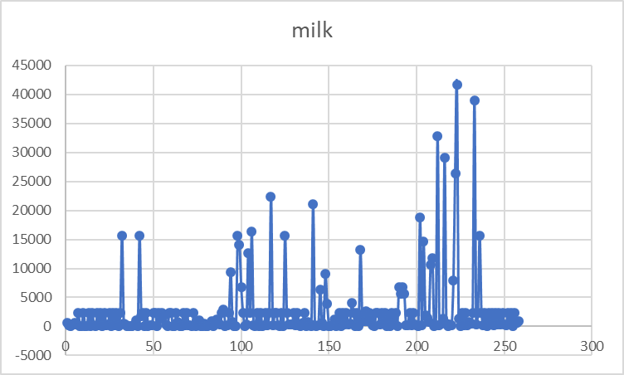
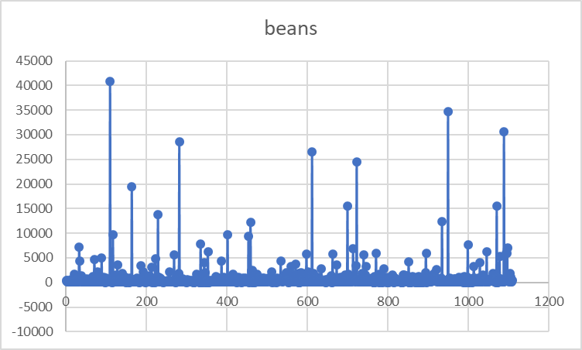
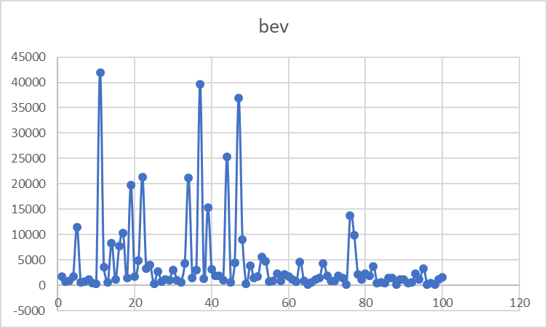
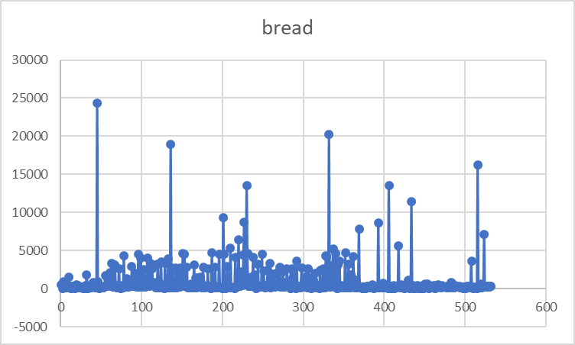
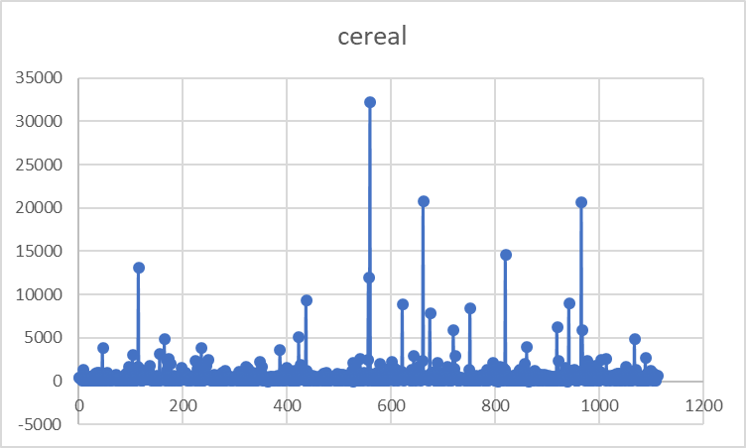
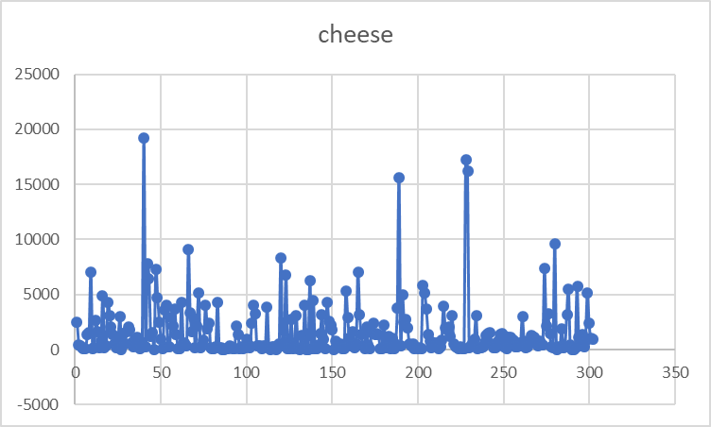
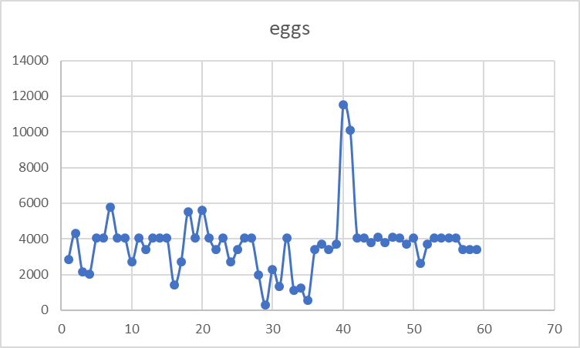
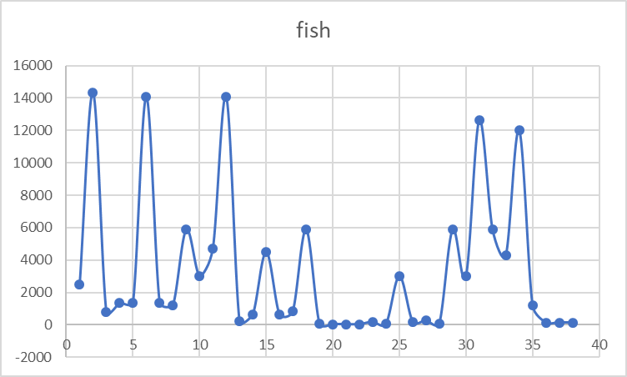
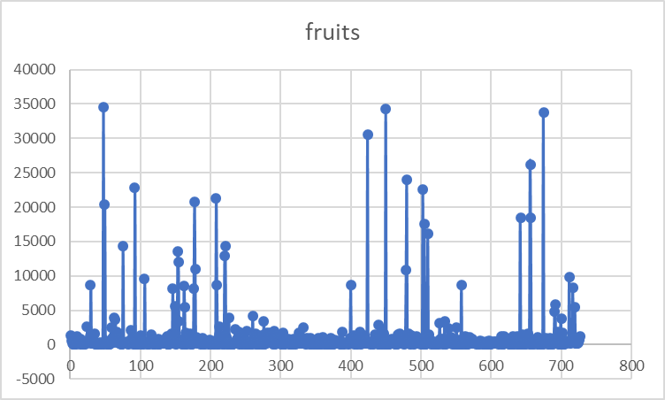
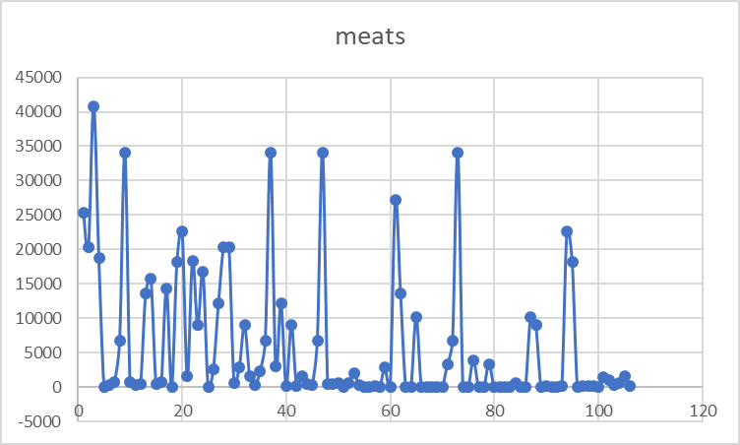
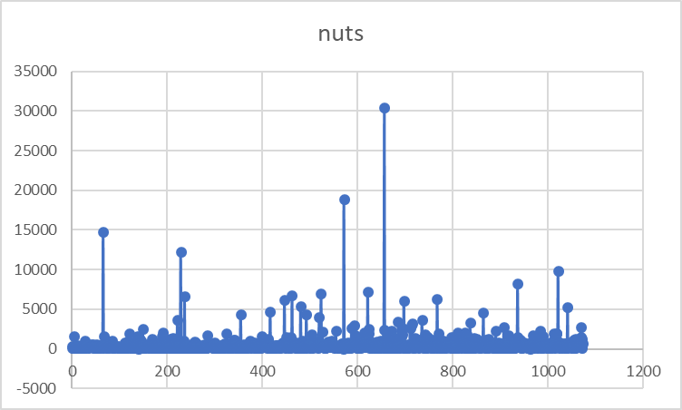
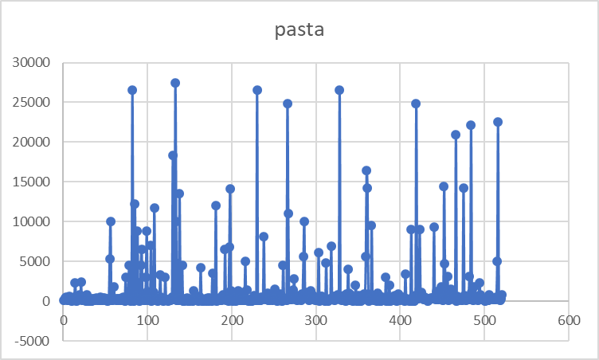
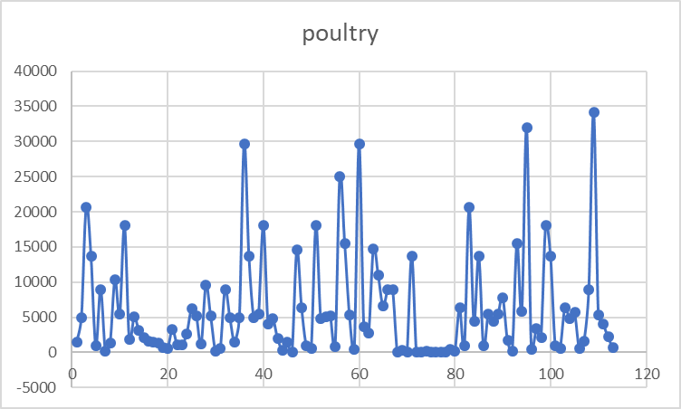
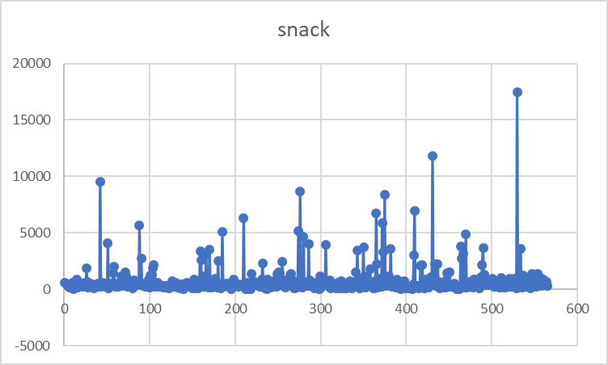
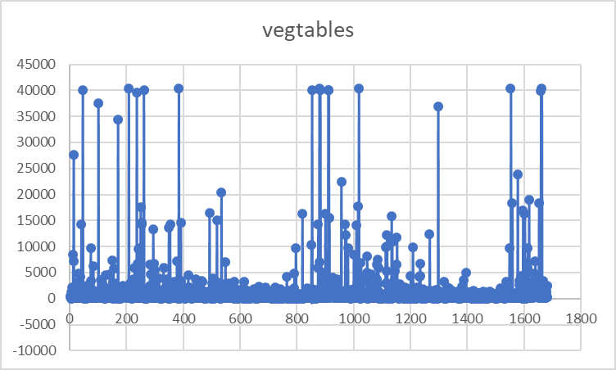
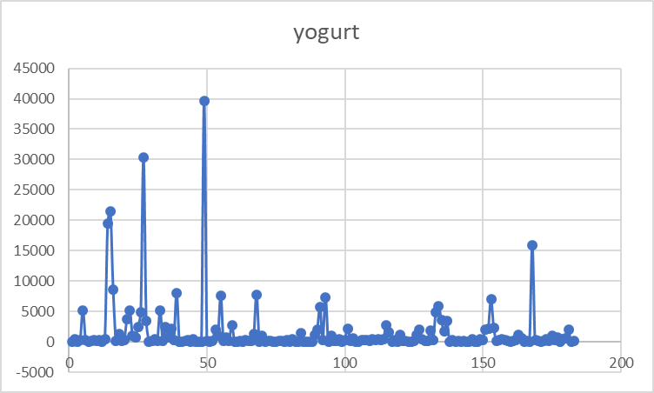
yogurt

fish
...
Pounds | Value | Nutrition category
3000 | 7375 | Fish
4704 | 9000.32 | Fish
14080 | 20240 | Fish
220 | 0 | Fish
639 | 0 | Fish
4500 | 8910 | Fish
640 | 0 | Fish
838 | 0 | Fish
5880 | 10064.6 | Fish
73 | 0 | Fish
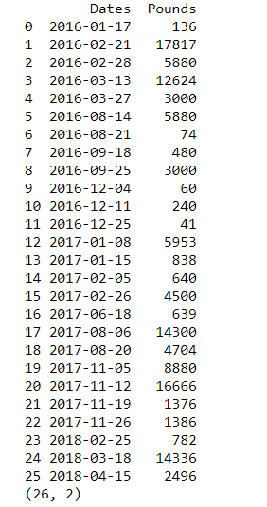
41 | 0 | Fish
30 | 0 | Fish
30 | 0 | Fish
180 | 0 | Fish
60 | 0 | Fish
3000 | 5970 | Fish
201 | 0 | Fish
279 | 0 | Fish
74 | 0 | Fish
5880 | 10064.6 | Fish
3000 | 6150 | Fish
12624 | 17555.25 | Fish
5880 | 10064.6 | Fish
4320 | 0 | Fish
12000 | 0 | Fish
1200 | 0 | Fish
150 | 0 | Fish
147 | 0 | Fish
136 | 0 | Fish

