Hoja1
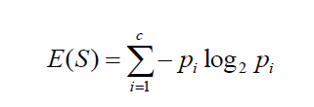
Past Trend | Open Interest | Trading Volume | Return
Positive | Low | High | Up | P(Past Trend = Positive) |  | 0.60
Negative | High | Low | Down | P(Past Trend = Negative |  | 0.40
Positive | Low | High | Up
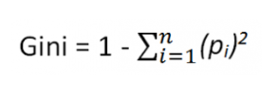
Positive | High | High | Up
Negative | Low | High | Down | Past Trend | Fraction | Return =Up | Return = Down | Gini | Gini Index | Entropy
Positive | Low | Low | Down | Positive | 0.60 | 0.67 | 0.33 | 0.55555555556 | 0.44444444444 | 0.91829583405
Negative | High | High | Down | Negative | 0.40 | 0.00 | 1.00 | 1 | 0 | 0
Negative | Low | High | Down | Gini Index | 0.27
Positive | Low | Low | Down | Entropy | 0.55
Positive | High | High | Up
 |  |  |  | Open Interest | Fraction | Return =Up | Return = Down | Gini | Gini Index | Entropy
 |  |  |  | Low | 0.60 | 0.33 | 0.67 | 0.55555555556 | 0.44444444444 | 0.91829583405
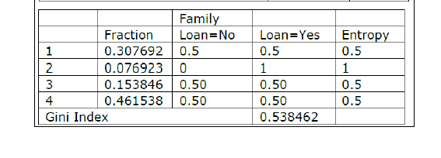
 |  |  |  | High | 0.40 | 0.50 | 0.50 | 0.5 | 0.5 | 1
 |  |  |  | Gini Index | 0.47
 |  |  |  | Entropy | 0.95

 |  |  |  |  |  |  |  |  |  |  | 0.307692 | 0.5
 |  |  |  |  |  |  |  |  |  |  | 0.076923 | 1
 |  |  |  |  |  |  |  |  |  |  | 0.153846 | 0.5
 |  |  |  |  |  |  |  |  |  |  | 0.461538 | 0.5
 |  |  |  |  |  |  |  |  |  |  | 0.538461

Hoja2
ID | Age | Icome | Family | CCAvg | Personal Loan
1 | Young | Low | 4 | Low | 0 | E(Personal Loan) | 0.99572745208
2 | old | Low | 3 | Low | 0
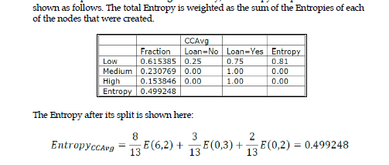
3 | Middle | Low | 1 | Low | 0
4 | Middle | Medium | 1 | Low | 0
5 | Middle | Low | 4 | Low | 0 | Cavg
6 | Middle | Low | 4 | Low | 0 |  | Fraction | Loan=no | Loan=yes | Entropy
10 | Middle | High | 1 | High | 1 | Low | 0.61538461538 | 0.75 | 0.25 | 0.81127812446
17 | Middle | Medium | 4 | Medium | 1 | Medium | 0.23076923077 | 0.00 | 1 | 0
19 | Old | High | 2 | High | 1 | High | 0.15384615385 | 0.00 | 1 | 0
30 | Middle | Medium | 1 | Medium | 1 | E(Cav) | 1.3346791411
39 | old | Medium | 3 | Medium | 1 | EAV(Cav) | 0.49924807659
43 | Young | Medium | 4 | Low | 1
48 | Middle | High | 4 | Low | 1

