2-level cluster randomisation
See Colquhoun, D. (2014). An investigation of the false discovery rate and the misinterpretation of p-values. Royal Society Open Science, 1(3), 140216. OR CLICK THIS BOX.
Alter values in white cells for output in yellow cells.
Insert your own values here.
Average cluster size: |  | 18.04
SD of cluster size: |  | 3.89
 |  |  |  |  |  |  |  |  |  |  |  |  |  | The "Bayesian" stuff: --- What will the result tell us? ---
Description (arbitrary) | Sig. criterion you used | The power you used | The effect size you used | Sample size for individual-level randomisation (per group) | ICC (see worksheet "Find ICC...") | Arms | Coefficient of variation | Design effect | Total sample size | Dropout % T1-T2 (optional) | Dropout % T2-T3 (optional) | Dropout % T3-T4 (optional) | Recruit n to account for dropout | Prior probability of your alternative hypothesis | Probability effect doesn't exist if p<0,05 | Probability effect doesn't exist if p>0,05
low n / small effect | 0.05 | 0.8 | 0.3 | 100 | 0.03 | 2 | 0.22 | 1.54 | 307 | 20% | 20% | 20% | 600 | 10% | 36% | 98%
medium n / small effect | 0.05 | 0.8 | 0.3 | 300 | 0.03 | 2 | 0.22 | 1.54 | 922 | 20% | 20% | 20% | 1800 | 10% | 36% | 98%
high n / small effect | 0.05 | 0.8 | 0.3 | 600 | 0.03 | 2 | 0.22 | 1.54 | 1844 | 20% | 20% | 20% | 3601 | 10% | 36% | 98%

medium n / small effect | 0.05 | 0.8 | 0.2 | 300 | 0.03 | 2 | 0.22 | 1.54 | 922 | 20% | 20% | 20% | 1800 | 10% | 36% | 98%
medium n / medium effect | 0.05 | 0.8 | 0.5 | 300 | 0.03 | 2 | 0.22 | 1.54 | 922 | 20% | 20% | 20% | 1800 | 10% | 36% | 98%
medium n / large effect | 0.05 | 0.8 | 0.7 | 300 | 0.03 | 2 | 0.22 | 1.54 | 922 | 20% | 20% | 20% | 1800 | 10% | 36% | 98%

High ICC / small effect | 0.05 | 0.8 | 0.2 | 300 | 0.07 | 2 | 0.22 | 2.25 | 1351 | 20% | 20% | 20% | 2638 | 10% | 36% | 98%
Medium ICC / small effect | 0.05 | 0.8 | 0.2 | 300 | 0.03 | 2 | 0.22 | 1.54 | 922 | 20% | 20% | 20% | 1800 | 10% | 36% | 98%
Low ICC / small effect | 0.05 | 0.8 | 0.2 | 300 | 0.01 | 2 | 0.22 | 1.18 | 707 | 20% | 20% | 20% | 1381 | 10% | 36% | 98%

Realistic (?) scenario | 0.05 | 0.8 | 0.5 | 225 | 0.05 | 2 | 0.22 | 1.89 | 852 | 40% | 50% | 50% | 5682 | 10% | 36% | 98%
Your educated guess or something more fancy
Click this box for G*Power and use it to get this number!
Reminders to yourself; do not affect calculations as they should be accounted for in the sample size column. Affect columns Q and R.
Design effect calculations based on: Eldridge, S. & Kerry, S. (2012). A practical guide to cluster randomised trials in health services research (Vol. 120). John Wiley & Sons. (pp. 150-152)
Always consult your statistician before proceeding from sample size calculations.
(Click here for the most helpful help file I've found. Source is dodgy so let me know if you got a better one!)
BONUS: Don't know prior but got a p? Insert p-val: | Min. prob. of a false discovery:
0.05 | 29%

3-level cluster randomisation
Alter values in white cells for output in yellow cells.

Description (arbitrary) | Schools (K) | Classrooms per school (J) | Students per classroom (n) | School-level ICC (rho3) | Classroom ICC (rho2a) | Standardized effect size (sigma) | Total n | df1 | df2 | Lambda | F(0,05) | P(F<F(0,05;df1;df2) | Achieved power | Dropout % (optional) | Recruit n to account for dropout
low n / small effect | 6 | 7 | 15 | 0.03 | 0.03 | 0.3 | 630 | 1 | 4 | 3.12 | 7.71 | 0.72 | 0.28 | 20% | 756
medium n / small effect | 8 | 8 | 18 | 0.03 | 0.03 | 0.3 | 1152 | 1 | 6 | 4.47 | 5.99 | 0.57 | 0.43 | 20% | 1382
high n / small effect | 10 | 10 | 20 | 0.03 | 0.03 | 0.3 | 2000 | 1 | 8 | 5.97 | 5.32 | 0.43 | 0.57 | 20% | 2400

medium n / small effect | 8 | 8 | 18 | 0.03 | 0.03 | 0.3 | 1152 | 1 | 6 | 4.47 | 5.99 | 0.57 | 0.43 | 20% | 1382
medium n / medium effect | 8 | 8 | 18 | 0.03 | 0.03 | 0.5 | 1152 | 1 | 6 | 12.41 | 5.99 | 0.17 | 0.83 | 20% | 1382
medium n / large effect | 8 | 8 | 18 | 0.03 | 0.03 | 0.7 | 1152 | 1 | 6 | 24.33 | 5.99 | 0.02 | 0.98 | 20% | 1382

High ICC / small effect | 8 | 8 | 18 | 0.07 | 0.07 | 0.3 | 1152 | 1 | 6 | 2.12 | 5.99 | 0.77 | 0.23 | 20% | 1382
Medium ICC / small effect | 8 | 8 | 18 | 0.03 | 0.03 | 0.3 | 1152 | 1 | 6 | 4.47 | 5.99 | 0.57 | 0.43 | 20% | 1382
Low ICC / small effect | 8 | 8 | 18 | 0.01 | 0.01 | 0.3 | 1152 | 1 | 6 | 9.97 | 5.99 | 0.25 | 0.75 | 20% | 1382

Realistic (?) scenario for 80% power | 6 | 8 | 5 | 0.001 | 0.02 | 0.5 | 240 | 1 | 4 | 13.40 | 7.71 | 0.22 | 0.78 | 40% | 336

[Check: this should be 0,73] | 40 | 10 | 19 | 0.05 | 0.03 | 0.2 | 7600 | 1 | 38 | 6.92 | 4.10 | 0.27 | 0.73

See basis for calculation in sheet
"Justification for 3-level".
Disclaimer: Always consult your statistician before proceeding from sample size calculations.

Justification for 3-level
3-level calculator based on Antti Kärnä's presentation here:
https://www.jyu.fi/ytk/laitokset/ihme/metodifestivaali-2013/ohjelma/tiistai-21.5/Multilevel_analysis_Karna.pdf

Relevant formulas:
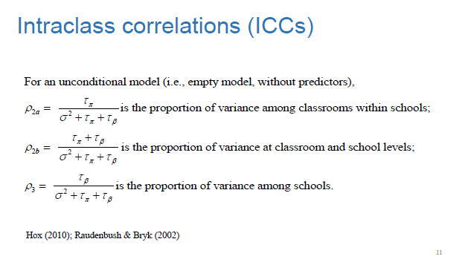
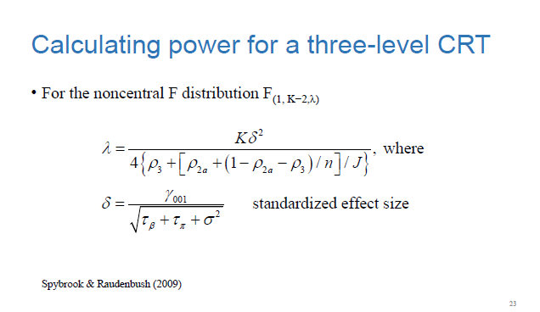

pdf-file:
(to open, right-click object below and go to "Acrobat Document Object" -> Open)

