Control Pin
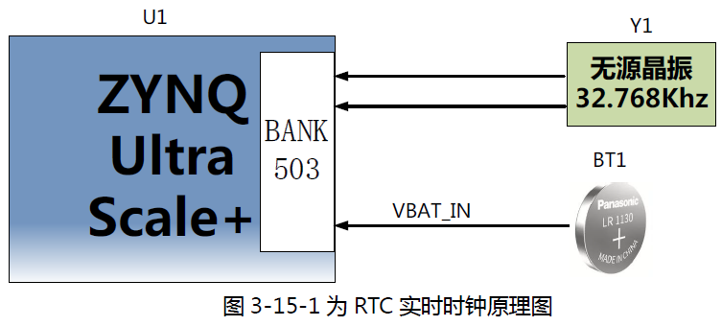
SFT_V4 Pin Define

Signal Name | Signal Type | Description | Zynq Pin Name | Zynq Pin No. | Zynq PS/PL | In/Out Direction | IC | Remark
Power
VDDI | Power | voltage range : 0.500V ~ 5.000V, unit : 0.001V |  |  |  |  | TPS7A90/WSON
VCI | Power | voltage range : 0.500V ~ 5.000V, unit : 0.001V |  |  |  |  | TPS7A90/WSON
VCC | Power | voltage range : 0.500V ~ 5.000V, unit : 0.001V |  |  |  |  | TPS7A90/WSON
VBAT | Power | voltage range : 2.000V ~ 7.000V, unit : 0.001V |  |  |  |  | TPS54332DDAR
VOTP | Power | voltage range : 2.000V ~ 10.000V, unit : 0.001V |  |  |  |  | TPS54332DDAR
AGND | Ground | analog ground |  |  |  |  | -
DGND | Ground | digital ground |  |  |  |  | -
Power (CTR Signal)
DAC_SYNC | Control Signal | SPI CS for DAC |  |  | PS | OUT | DAC8568D
DAC_SCLK | Control Signal | SPI SCLK for DAC |  |  | PS | OUT
DAC_DIN | Control Signal | SPI DIN for DAC |  |  | PS | IN / OUT
DAC_LDAC | Control Signal | LDAC CTR for DAC |  |  | PS | OUT
VDDI_EN | Control Signal | Enable CTR pin |  |  | PS | OUT | TPS7A90/WSON
VDDI_SS | Control Signal | VDDI soft-start CTR pin |  |  | PS | OUT
VCI_EN | Control Signal | Enable CTR pin |  |  | PS | OUT | TPS7A90/WSON
VCI_SS | Control Signal | VCI soft-start CTR pin |  |  | PS | OUT
VCC_EN | Control Signal | Enable CTR pin |  |  | PS | OUT | TPS7A90/WSON
VCC_SS | Control Signal | VCC soft-start CTR pin |  |  | PS | OUT
VBAT_EN | Control Signal | Enable CTR pin |  |  | PS | OUT | TPS54332DDAR
VOTP_EN | Control Signal | Enable CTR pin |  |  | PS | OUT | TPS54332DDAR

MIPI D-PHY / C-PHY
TXA_DSI_D_D2P TXA_DSI_C_A0 | I/F Port | D-PHY & C-PHY pin shared |  |  |  |  | SSD2832 (D-PHY & C-PHY)
TXA_DSI_D_D2N TXA_DSI_C_B0 | I/F Port
TXA_DSI_D_D1P TXA_DSI_C_C0 | I/F Port
TXA_DSI_D_D1N TXA_DSI_C_A1 | I/F Port
TXA_DSI_D_CKP TXA_DSI_C_B1 | I/F Port
TXA_DSI_D_CKN TXA_DSI_C_C1 | I/F Port
TXA_DSI_D_D0P TXA_DSI_C_A2 | I/F Port
TXA_DSI_D_D0N TXA_DSI_C_B2 | I/F Port
TXA_DSI_D_D3P TXA_DSI_C_C2 | I/F Port
TXA_DSI_D_D3N | I/F Port
TXB_DSI_D_D2P TXB_DSI_C_A0 | I/F Port
TXB_DSI_D_D2N TXB_DSI_C_B0 | I/F Port
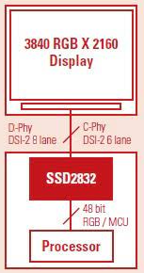
TXB_DSI_D_D1P TXB_DSI_C_C0 | I/F Port
TXB_DSI_D_D1N TXB_DSI_C_A1 | I/F Port
TXB_DSI_D_CKP TXB_DSI_C_B1 | I/F Port
TXB_DSI_D_CKN TXB_DSI_C_C1 | I/F Port
TXB_DSI_D_D0P TXB_DSI_C_A2 | I/F Port
TXB_DSI_D_D0N TXB_DSI_C_B2 | I/F Port
TXB_DSI_D_D3P TXB_DSI_C_C2 | I/F Port
TXB_DSI_D_D3N | I/F Port
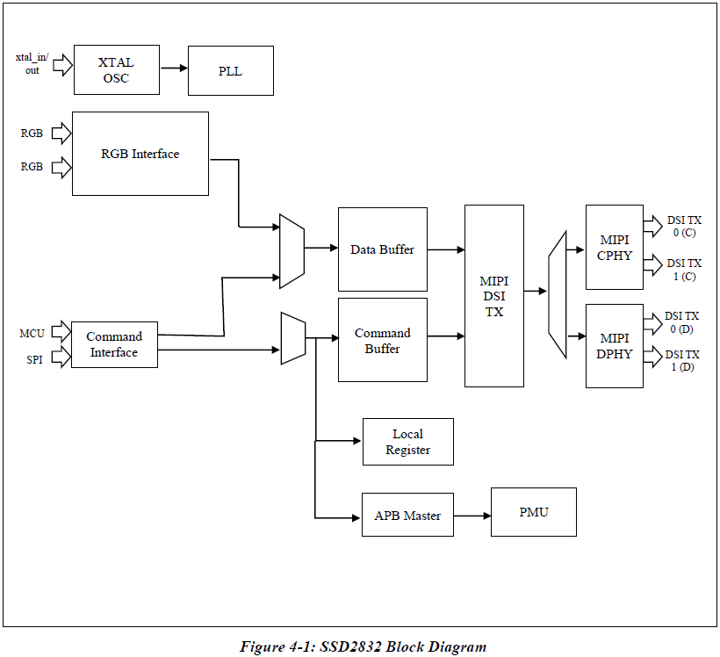
SSD2832 (CTR Signal)
DATA0[59:0] | Control Signal | RGB data for RGB interface MCU data for MCU interface |  |  | PL | OUT | SSD2832 (D-PHY & C-PHY)
VSYNC / WRX | Control Signal | VSYNC for RGB interface WRX for MCU interface |  |  | PL | OUT
PCLK / RDX | Control Signal | PCLK for RGB interface RDX for MCU interface |  |  | PL | OUT
HSYNC | Control Signal | VSYNC for RGB interface |  |  | PL | OUT
DEN / DCX | Control Signal | DEN for RGB interface DCX for MCU interface |  |  | PL | OUT
TE_IN_0 | Control Signal | Input Tearing Effect signal for MCU interface |  |  | PL | OUT
TE_OUT_0 | Control Signal | Output Tearing Effect signal for MCU interface |  |  | PL | OUT
CSX0 | Control Signal | Chip Select for SPI interface |  |  | PL | OUT
SDC | Control Signal | Data or Command for SPI interface (for 8-bit 4wire) |  |  | PL | OUT
SCK | Control Signal | Serial clock for SPI interface |  |  | PL | OUT
SDI | Control Signal | Serial data input for SPI interface |  |  | PL | OUT
SDO | Control Signal | Serial data output for SPI interface |  |  | PL | IN
RESET | Control Signal | System reset signal |  |  | PL | OUT
INT_B | Control Signal | Output Interrupt signal |  |  | PL | IN
IF_SEL0 | Control Signal | Interface selection signal -. 0 : A combination of RGB and SPI Interface -. 1 : MCU interface |  |  | PL | OUT
PS[1:0] | Control Signal | for SPI Interface selection -. 00 : 3-wire 24-bit SPI -. 01 : 3-wire 8-bit SPI -. 10 : 4-wire 8-bit SPI |  |  | PL | OUT
PS[4:2] | Control Signal | for MCU Interface selection -. 000 : 8-bit MCU interface -. 001 : 16-bit MCU interface -. 100 : 24-bit MCU interface -. 101 : 48-bit MCU interface |  |  | PL | OUT
TEST_MODE0 | Control Signal | MIPI C-PHY / D-PHY output selection -. 0 : MIPI C-PHY output -. 1 : MIPI D-PHY output |  |  | PL | OUT
XTAL_IN | Control Signal | Crystal in for System PLL Frequency range : 8MHz to 30MHz |  |  | PL | OUT

QSPI / SPI-3W / SPI-4W
CSX | I/F Port | QSPI / SPI-3W / SPI-4W / MPU |  |  | PL | OUT | SN74AVC4T774(BUFF_A)
DCX_SDI1 | I/F Port | QSPI / SPI-3W / SPI-4W / MPU |  |  | PL | IN / OUT
SPI_SCL | I/F Port |  |  |  | PL | OUT
SPI_SDI0 | I/F Port |  |  |  | PL | IN / OUT | SN74AVC4T774(BUFF_B)
SPI_SDO_SDI1 | I/F Port |  |  |  | PL | IN / OUT
SPI_SDI2 | I/F Port |  |  |  | PL | OUT
SPI_SDI3 | I/F Port |  |  |  | PL | OUT
SPI (CTR Signal)
BUFF_A_EN | Control Signal | BUFF_A output enable |  |  | PL | OUT | SN74AVC4T774(BUFF_A)
DCX_SDI1_DIR | Control Signal | DCX_SDI1 pin direction control |  |  | PL | OUT
BUFF_B_EN | Control Signal | BUFF_B output enable |  |  | PL | OUT | SN74AVC4T774(BUFF_B)
SPI_SDI0_DIR | Control Signal | SPI_SDI0 pin direction control |  |  | PL | OUT
SPI_SDO_SDI1_DIR | Control Signal | SPI_SDO_SDI1 pin direction control |  |  | PL | OUT

MPU
MPU_WRX | I/F Port |  |  |  | PL | OUT | SN74AVC4T774(BUFF_C)
MPU_RDX | I/F Port |  |  |  | PL | OUT
MPU_DB0 | I/F Port |  |  |  | PL | IN / OUT | SN74AVC8T245(BUFF_D)
MPU_DB1 | I/F Port |  |  |  | PL | IN / OUT
MPU_DB2 | I/F Port |  |  |  | PL | IN / OUT
MPU_DB3 | I/F Port |  |  |  | PL | IN / OUT
MPU_DB4 | I/F Port |  |  |  | PL | IN / OUT
MPU_DB5 | I/F Port |  |  |  | PL | IN / OUT
MPU_DB6 | I/F Port |  |  |  | PL | IN / OUT
MPU_DB7 | I/F Port |  |  |  | PL | IN / OUT
MPU (CTR Signal)
BUFF_C_EN | Control Signal | BUFF_C output enable |  |  | PL | OUT | SN74AVC4T774(BUFF_C)
BUFF_D_EN | Control Signal | BUFF_D output enable |  |  | PL | OUT | SN74AVC8T245(BUFF_D)
MPU_DB_DIR | Control Signal | MPU_DB[7:0] pin direction control |  |  | PL | OUT

I2C
I2C_SCL | I/F Port |  |  |  | PL | OUT | PCA9517DGK(BUFF_E)
I2C_SDA | I/F Port |  |  |  | PL | IN/OUT
I2C (CTR Signal)
BUFF_E_EN | Control Signal | BUFF_E output enable |  |  | PL | OUT | PCA9517DGK(BUFF_E)

SIGNAL PIN
RESET | I/F Port | DDI Reset |  |  | PL | OUT | SN74AVC4T774(BUFF_F)
TE | I/F Port | TE input |  |  | PL | IN
TRG_A | I/F Port | Auto Trigger |  |  | PL | OUT
TRG_M | I/F Port | Manual Trigger |  |  | PL | OUT
SIGNAL (CTR Signal)
BUFF_F_EN | Control Signal | BUFF_F output enable |  |  | PL | OUT | SN74AVC4T774(BUFF_F)

GPIO PIN
GPIO0 | I/F Port |  |  |  | PL | OUT | SN74AVC8T245(BUFF_G)
GPIO1 | I/F Port |  |  |  | PL | OUT
GPIO2 | I/F Port |  |  |  | PL | OUT
GPIO3 | I/F Port |  |  |  | PL | OUT
GPIO4 | I/F Port |  |  |  | PL | OUT
GPIO5 | I/F Port |  |  |  | PL | OUT
GPIO6 | I/F Port |  |  |  | PL | OUT
GPIO7 | I/F Port |  |  |  | PL | OUT
GPIO (CTR Signal)
BUFF_G_EN | Control Signal | BUFF_G output enable |  |  | PL | OUT | SN74AVC8T245(BUFF_G)

USB-HS (Host)
USB_DATA0 | Control Signal | BANK 502 | PS_MIO56 | C23 | PS |  | USB3300-EZK/QFN(USB_IC_A) | Connect to equipment
USB_DATA1 | Control Signal |  | PS_MIO57 | A23 | PS |  |  | USB Port-Type A
USB_DATA2 | Control Signal |  | PS_MIO54 | F23 | PS
USB_DATA3 | Control Signal |  | PS_MIO59 | B24 | PS
USB_DATA4 | Control Signal |  | PS_MIO60 | E24 | PS
USB_DATA5 | Control Signal |  | PS_MIO61 | C24 | PS
USB_DATA6 | Control Signal |  | PS_MIO62 | G24 | PS
USB_DATA7 | Control Signal |  | PS_MIO63 | D24 | PS
USB_CLK | Control Signal |  | PS_MIO52 | F22 | PS
USB_STP | Control Signal |  | PS_MIO58 | G23 | PS
USB_NXT | Control Signal |  | PS_MIO55 | B23 | PS
USB_DIR | Control Signal |  | PS_MIO53 | E23 | PS
USB_RESET_N | Control Signal |  | PS_MIO32 | H22 | PS

USB-HS (Client)
USB_DATA0 | Control Signal | BANK ? |  |  | PS |  | USB3300-EZK/QFN(USB_IC_B) | Connect to PC
USB_DATA1 | Control Signal |  |  |  | PS |  |  | USB Port-Type B
USB_DATA2 | Control Signal |  |  |  | PS
USB_DATA3 | Control Signal |  |  |  | PS
USB_DATA4 | Control Signal |  |  |  | PS
USB_DATA5 | Control Signal |  |  |  | PS
USB_DATA6 | Control Signal |  |  |  | PS
USB_DATA7 | Control Signal |  |  |  | PS
USB_CLK | Control Signal |  |  |  | PS
USB_STP | Control Signal |  |  |  | PS
USB_NXT | Control Signal |  |  |  | PS
USB_DIR | Control Signal |  |  |  | PS
USB_RESET_N | Control Signal |  |  |  | PS

Debug UART
USART_TX | Control Signal |  | PS_MIO43 | K24 | PS | OUT | CP2102 | USB to UART
USART_RX | Control Signal |  | PS_MIO42 | M24 | PS | IN |  | Mini USB Port

SDMMC
SDMMC_CMD | Control Signal | BANK 501 | SD_CMD | P25 | PS | OUT | TXS02612 | MICRO SD CARD
SDMMC_CLK | Control Signal |  | SD_CLK |  | PS | OUT
SDMMC_CD | Control Signal |  | SD_CD | P24 | PS | IN
SDMMC_D0 | Control Signal |  | SD_D0 | J25 | PS | IN / OUT
SDMMC_D1 | Control Signal |  | SD_D1 | L25 | PS | IN / OUT
SDMMC_D2 | Control Signal |  | SD_D2 | M25 | PS | IN / OUT
SDMMC_D3 | Control Signal |  | SD_D3 | K25 | PS | IN / OUT

Key Button
PLAY_STOP | Control Signal | Interrupt |  |  | PS | IN
NEXT | Control Signal | Interrupt |  |  | PS | IN
PREV | Control Signal | Interrupt |  |  | PS | IN
AUTO | Control Signal | Interrupt |  |  | PS | IN
FUNC1 | Control Signal | Interrupt |  |  | PS | IN
FUNC2 | Control Signal | Interrupt |  |  | PS | IN

Indicator
LED1 | Control Signal | Command exec. indicator |  |  | PS | OUT

Buzzer
Buzzer | Control Signal | PWM signal for Buzzer |  |  | PS | OUT | ULN2803

JTAG
FPGA_TCK | Control Signal |  |  |  | PS |  | FT232HL
FPGA_TDI | Control Signal |  |  |  | PS
FPGA_TDO | Control Signal |  |  |  | PS
FPGA_TMS | Control Signal |  |  |  | PS

EEPROM
PS_IIC_SCL_1V8 | Control Signal | BANK 501 | PS_IIC_SCL_1V8 | L22 | PS | OUT | EEPROM (24LC04) | for Calculation data saving
PS_IIC_SDA_1V8 | Control Signal |  | PS_IIC_SDA_1V8 | P22 | PS | IN / OUT |  | 4K bit

RTC

