Matrix
Regular KeyMap
Teensy I/O 7 |  |  | 6 | 4 | 23 | 22 | 5 | 19 | 8 | KeyTypes
 | Keyboard Pin 5 |  | 9 | 13 | 17 | 15 | 11 | 7 | 3
10 | 32 |  | Scroll-Lock | Print-Screen | Alt-Right |  |  |  | Alt-Left | Regular Key

30 | 28 | Home |  | End | Cursor Left | Pause |  |  | Cursor Up | Modifier

24 | 20 | Insert |  | F12 | Cursor Right |  |  |  |  | Multimedia

29 | 16 | Delete | Vol-Up | F11 | Cursor Down |  | Mute | Vol-Down | ThinkVantage | switched Ger/Eng

27 | 12 | Ger:ß Intl:- | p | 0 | Ger:- Intl:/ | Ger:#' Intl:#~\ | Ger:ö Intl:; | Ger:ü Intl:[{ | Ger:ä Intl:" | ANSI-Key Missing in ISO
 |  | MINUS |  |  | SLASH | BACKSLASH | SEMICOLON | LEFT_BRACE | QUOTE
16 | 8 | F8 | o | 9 |  | . | l | F7 |  | Added in ISO Missing in ANSI
 |  |  |  |  |  | PERIOD
9 | 4 | ´ | i | 8 |  | , | k | }] | F6 | NumPad
 |  | EQUAL |  |  |  | COMMA |  | RIGHT_BRACE
26 | 22 | ^ | q | 1 |  | Ger:y / Intl:z | a | Tab | Esc
 |  | TILDE |  |  |  | KEY_Z
28 | 26 |  |  |  |  | Shift-Right |  | Shift-Left
 |  |  |  |  |  |  |  |  |  | ignore the german swaps in green,
32 | 30 | Ctrl-Left |  |  |  | Ctrl-Right |  |  |  | even the german keyboard sends
 |  |  |  |  |  |  |  |  |  | the same keycodes as a UK or
31 | 18 | F1 | w | 2 |  | x | s | Caps-Locks | Ger: <> | Intl:\| | any other ISO keyboard.
 |  |  |  |  |  |  |  |  | NON_US_BS | The mapping is only keycaps and
17 | 14 | F2 | e | 3 |  | c | d | F3 | F4 | the operating system

25 | 10 | 5 | r | 4 | b | v | f | t | g

33 | 6 | F9 |  | F10 | Space | Enter | \ | Back-Space | F5
 |  |  |  |  |  |  | BACKSLASH
15 | 2 | 6 | u | 7 | n | m | j | Ger:z Intl:y | h
 |  |  |  |  |  |  |  | KEY_Y
14 | 24 | Page-Up | GUI/Win | Page-Down | Document-Right | Document-Left | Menu
 |  |  |  |  | AC_FORWARD | AC_BACK

Num-Lock
Teensy I/O 7 |  |  | 6 | 4 | 23 | 22 | 5 | 19 | 8 | KeyTypes
 | Keyboard Pin 5 |  | 9 | 13 | 17 | 15 | 11 | 7 | 3
10 | 32 |  | Scroll-Lock | Print-Screen | Alt-Right |  |  |  | Alt-Left | Regular Key

30 | 28 | Home |  | End | Cursor Left | Pause |  |  | Cursor Up | Modifier

24 | 20 | Insert |  | F12 | Cursor Right |  |  |  |  | Multimedia

29 | 16 | Delete | Vol-Up | F11 | Cursor Down |  | Mute | Vol-Down | ThinkVantage | switched Ger/Eng

27 | 12 | Ger:ß Intl:- | * | / | + | Ger:#' Intl:#~\ | - | Ger:ü Intl:[{ | Ger:ä Intl:" | ANSI-Key Missing in ISO
 |  | MINUS | KEYPAD_ASTERIX | KEYPAD_SLASH | KEYPAD_PLUS | BACKSLASH | KEYPAD_MINUS | LEFT_BRACE | QUOTE
16 | 8 | F8 | 6 | 9 |  | . | 3 | F7 |  | Added in ISO Missing in ANSI
 |  |  | KEYPAD_6 | KEYPAD_9 |  | KEYPAD_PERIOD | KEYPAD_3
9 | 4 | ´ | 5 | 8 |  | , | 2 | }] | F6 | NumPad
 |  | EQUAL | KEYPAD_5 | KEYPAD_8 |  | COMMA | KEYPAD_2 | RIGHT_BRACE
26 | 22 | ^ | q | 1 |  | Ger:y Intl:z | a | Tab | Esc
 |  | TILDE |  |  |  | KEY_Z
28 | 26 |  |  |  |  | Shift-Right |  | Shift-Left
 |  |  |  |  |  |  |  |  |  | ignore the german swaps in green,
32 | 30 | Ctrl-Left |  |  |  | Ctrl-Right |  |  |  | even the german keyboard sends
 |  |  |  |  |  |  |  |  |  | the same keycodes as a UK or
31 | 18 | F1 | w | 2 |  | x | s | Caps-Lock | Ger: <>| Intl:\| | any other ISO keyboard.
 |  |  |  |  |  |  |  |  | NON_US_BS | The mapping is only keycaps and
17 | 14 | F2 | e | 3 |  | c | d | F3 | F4 | the operating system

25 | 10 | 5 | r | 4 | b | v | f | t | g

33 | 6 | F9 |  | F10 | Space | Enter | \ | Back-Space | F5
 |  |  |  |  |  |  | BACKSLASH
15 | 2 | 6 | 4 | 7 | n | 0 | 1 | Ger:z Intl:y | h
 |  |  | KEYPAD_4 | KEYPAD_7 |  | KEYPAD_0 | KEYPAD_1 | KEY_Y
14 | 24 | Page-Up | GUI/Win | Page-Down | Document-Right | Document-Left | Menu
 |  |  |  |  | AC_FORWARD | AC_BACK

Fn-Overlay
Teensy I/O 7 |  |  | 6 | 4 | 23 | 22 | 5 | 19 | 8 | KeyTypes
 | Keyboard Pin 5 |  | 9 | 13 | 17 | 15 | 11 | 7 | 3
10 | 32 |  | Num-Lock |  |  |  |  |  |  | Regular Key

30 | 28 | Screen Bright- |  | Screen Bright- | Prev Track | Pause |  |  | Stop | Modifier
 |  | ness Up |  | ness Down | MEDIA_PREV_TRACK |  |  |  | MEDIA_STOP
24 | 20 | Insert |  | F12 / Hibernate | Next Track |  |  |  |  | Multimedia
 |  |  |  |  | MEDIA_NEXT_TRACK
29 | 16 | Delete |  | F11 | Play/Pause |  |  |  | ThinkVantage | switched Ger/Eng
 |  |  |  |  | MEDIA_PLAY_PAUSE
27 | 12 |  | * | / | + |  | - |  |  | ANSI-Key Missing in ISO
 |  |  | KEYPAD_ASTERIX | KEYPAD_SLASH | KEYPAD_PLUS |  | KEYPAD_MINUS
16 | 8 | F8 | 6 | 9 |  | . | 3 | F7 / Project |  | Added in ISO Missing in ANSI
 |  | Track Point/Pad | KEYPAD_6 | KEYPAD_9 |  | KEYPAD_PERIOD | KEYPAD_3 | (Win+P)
9 | 4 |  | 5 | 8 |  |  | 2 |  | F6 | NumPad
 |  |  | KEYPAD_5 | KEYPAD_8 |  |  | KEYPAD_2
26 | 22 |  |  |  |  |  |  |  |  | Fn Key-Combo

28 | 26

32 | 30

31 | 18 | F1

17 | 14 | F2 / Lock |  |  |  |  |  | F3 / Screen Saver | F4 / Sleep
 |  | (Win+L)
25 | 10

33 | 6 | F9 / Eject |  | F10 | Space / Zoom |  |  |  | F5 / Wifi-Toggle
 |  | MEDIA_EJECT
15 | 2 |  | 4 | 7 |  | 0 | 1
 |  |  | KEYPAD_4 | KEYPAD_7 |  | KEYPAD_0 | KEYPAD_1
14 | 24 | ThinkLight
 |  |  |  |  | MEDIA_FAST_FORWARD | MEDIA_REWIND

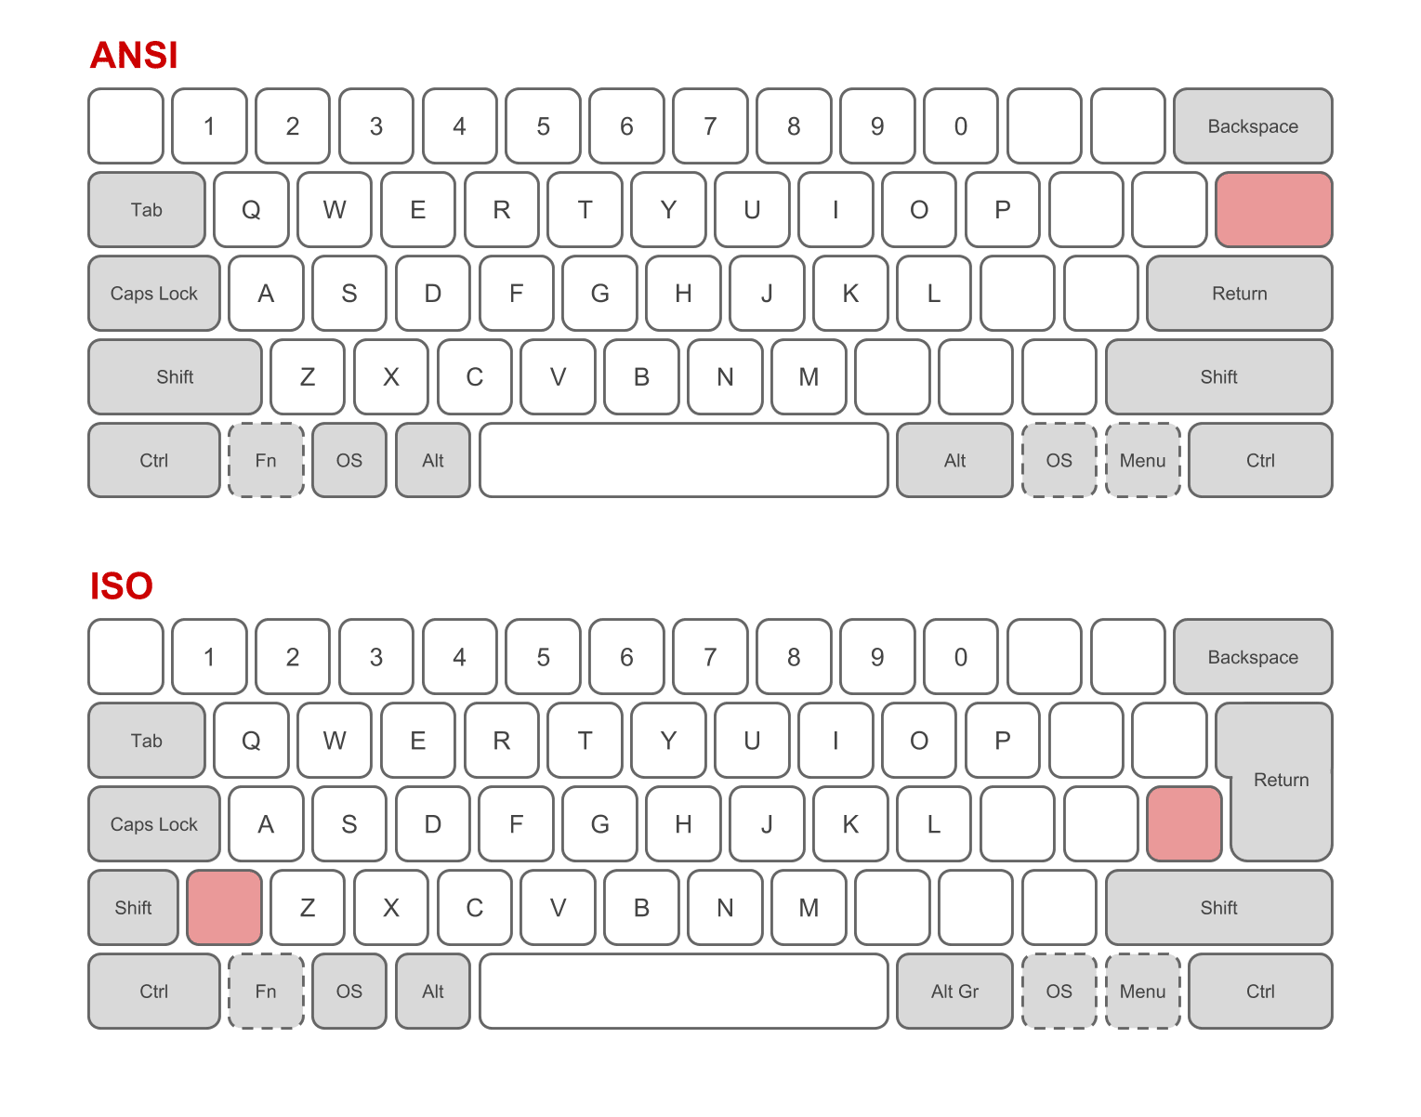

 |  | Keycodes | International | Intl.+Shift | Intl.+AltGr | German | Ger+Shift | Ger+AltGr | Notes

 |  | NON_US_BS | \ | | |  | < | > | | | Column on Pin 3 | ANSI-Key Missing in ISO
 |  | 100 | 0xF000 |  |  |  |  |  |  | Row in Pin 18
 |  | BACKSLASH | \ |  |  |  |  |  | Column on Pin 5 | Added in ISO Missing in ANSI
 |  | 49 | 0xF000 |  |  |  |  |  |  | Row on Pin 6
 |  | BACKSLASH | # | ~ | \ | # | ' |  | Column on Pin 15
 |  | 49 | 0xF000 |  |  |  |  |  |  | Row on Pin 12

 |  | Identifier |  | KeyCode | Keys pressed
 |  | AC_FORWARD |  | 0x225 | 0xE400 | Document right | works as Forward/Back in most applications (e.g. browser)
 |  | AC_BACK |  | 0x224 | 0xE400 | Document left

 |  | AC_ZOOM |  | 0x22F | 0xE400 | Fn+Space | does not do anythink in Windows

 |  | BRIGHTNESS_INC |  | 0x6F | 0xE400 | Fn+Home | working on Windows
 |  | BRIGHTNESS_DEC |  | 0x70 | 0xE400 | Fn+End | but your screen needs to support changing the brightness over HDMI/DP

 |  | AL_CALCULATOR |  | 0x192 | 0xE400 | ThinkVantage | Calculator on ThinkVantage-Button, but could be anything else

 |  | MEDIA_MUTE |  | 0xE2 | 0xE400 | Mute | all working
 |  | MEDIA_VOLUME_DEC |  | 0xEA | 0xE400 | Volume Down
 |  | MEDIA_VOLUME_INC |  | 0xE9 | 0xE400 | Volume Up

 |  | MEDIA_PREV_TRACK |  | 0xB6 | 0xE400 | Fn+Left | all working
 |  | MEDIA_NEXT_TRACK |  | 0xB5 | 0xE400 | Fn+Right
 |  | MEDIA_PLAY_PAUSE |  | 0xCD | 0xE400 | Fn+Down
 |  | MEDIA_STOP |  | 0xB7 | 0xE400 | Fn+Up

 |  | MEDIA_FAST_FORWARD |  | 0xB3 | 0xE400 | Fn+DocRight | working on windows
 |  | MEDIA_REWIND |  | 0xB4 | 0xE400 | Fn+DocLEft | using these two keys additionally to the blue imprints for media control

 |  | AL_TERMINAL_LOCK |  | 0x19E | 0xE400 | Fn+F2 | does not work on Windows, send Win+L instead
 |  | AL_SCREEN_SAVER |  | 0x1B1 | 0xE400 | Fn+F3 | does not do anythink in Windows
 |  | SYSTEM_SLEEP |  | 0x82 | 0xE200 | Fn+F4 | works on Windows
 |  | AL_WIFI_STATUS |  | 0x1AD | 0xE400 | Fn+F5 | does not do anythink in Windows
 |  | SYSTEM_PROJECT |  | 0xB5 | 0xE200 | Fn+F7 | does not work on Windows, send Win+P instead
 |  |  |  |  | Fn+F8 | used internally to switch TrackPoint on/off
 |  | MEDIA_EJECT |  | 0xB8 | 0xE400 | Fn+F9 | does not seem to work
 |  | SYSTEM_HIBERNATE |  | 0x81 | 0xE200 | Fn+F12 | works on Windows

 |  |  |  | // Keycodes-Ranges:
 |  |  |  | // 32 - 127 ASCII direct (U+0020 to U+007F) <-- uses layout
 |  |  |  | // 128 - 0xC1FF Unicode direct (U+0080 to U+C1FF) <-- uses layout
 |  |  |  | // 0xC200 - 0xDFFF Unicode UTF8 packed (U+0080 to U+07FF) <-- uses layout
 |  |  |  | // 0xE000 - 0xE0FF Modifier key (bitmap, 8 keys, shift/ctrl/alt/gui)
 |  |  |  | // 0xE200 - 0xE2FF System key (HID usage code, within usage page 1)
 |  |  |  | // 0xE400 - 0xE7FF Media/Consumer key (HID usage code, within usage page 12)
 |  |  |  | // 0xF000 - 0xFFFF Normal key (HID usage code, within usage page 7)

