Tabelle1
Default

∆ϕ = kfar∆θfar + knear∆θnear + kI min(θnear, θnmax)∆t,

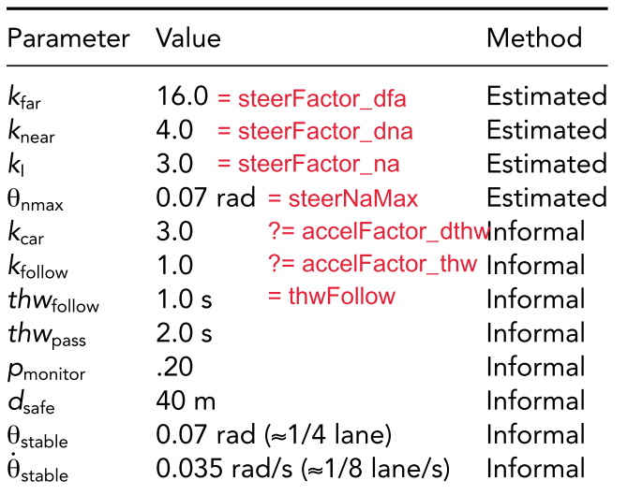
 | scale | steerFactor_dfa | steerFactor_dna | steerFactor_na | steerFactor_fa | accelFactor_thw | accelFactor_dthw | steerNaMax | thwFollow | thwMax | Comment
 | 0.6 | 16 | 4 | 3 | 0 | 1 | 3 | 0.07 | 1 | 5 | Doesnt steer often enough
 | 0.85 | 16 | 4 | 3 | 0 | 1 | 3 | 0.07 | 1 | 5
 | 0.85 | 10 | 5 | 7 | 0 | 1 | 3 | 0.04 | 1 | 5 | gets out of control with overcorrecting
 | 0.85 | 10 | 5 | 5 | 0 | 1 | 3 | 0.04 | 1 | 5 | same
 | 0.85 | 10 | 4 | 3 | 0 | 1 | 3 | 0.04 | 1 | 5

 |  |  |  |  |  |  |  |  |  |  |  | steerFactor_dfa | 16
 |  |  |  |  |  |  |  |  |  |  |  | steerFactor_dna | 4
 |  |  |  |  |  |  |  |  |  |  |  | steerFactor_na | 3
 |  |  |  |  |  |  |  |  |  |  |  | steerFactor_fa | 0
 |  |  |  |  |  |  |  |  |  |  |  | accelFactor_thw | 1
 |  |  |  |  |  |  |  |  |  |  |  | accelFactor_dthw | 3
 |  |  |  |  |  |  |  |  |  |  |  | steerNaMax | 0.07
 |  |  |  |  |  |  |  |  |  |  |  | thwFollow | 1
 |  |  |  |  |  |  |  |  |  |  |  | thwMax | 5

