Sheet1
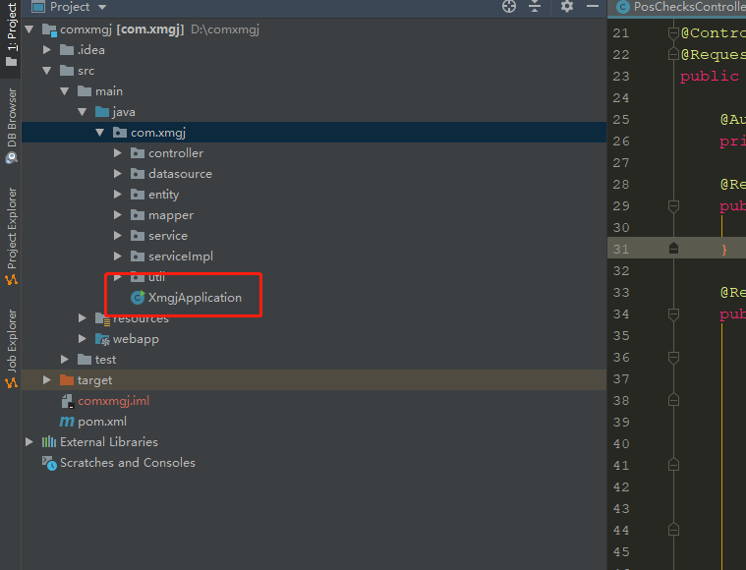

Run the main method in the red box to access the link below

http://localhost:8081/export/index

Clicking export generates a.xls file in the project's folder Report path
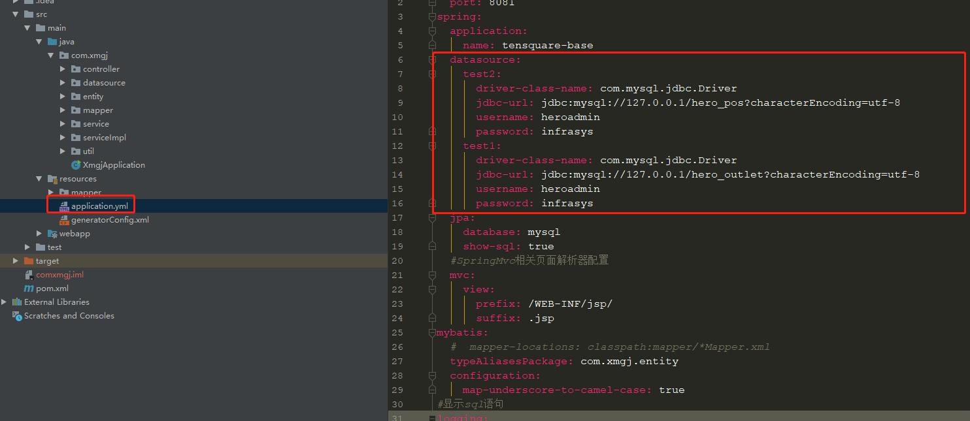

Configure connection data sources

