工作表1
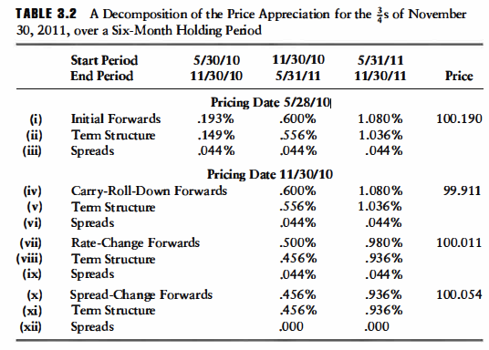
Start Period | 5/30/10 | 11/30/10 | 5/31/11 | Price
End Period | 11/30/10 | 5/31/11 | 11/30/11 | 0.375
Pricing Date: 5/28/10
Initial Forwards | 0.193% | 0.600% | 1.080% | 100.18946992
Term Structure | 0.149% | 0.556% | 1.036%
Spreads | 0.044% | 0.044% | 0.044%
Pricing Date: 11/30/10
Carry-Roll-Down Forwards |  | 0.600% | 1.080% | 99.911152756 | -0.27831716153
Term Structure |  | 0.556% | 1.036%
Spreads |  | 0.044% | 0.044%

Rate-Change Forwards |  | 0.500% | 0.980% | 100.01053442 | 0.099381660099
Term Stucture |  | 0.45600% | 0.93600%
Spreads |  | 0.044% | 0.044%

Spread-Change Forwards |  | 0.456% | 0.936% | 100.05430939 | 0.043774970889
Term Structure |  | 0.456% | 0.936%
Spreads |  | 0.000% | 0.000%

Initial Price | 100.19
Price Appreciation | -0.13516053054
Carry-Roll-Down | -0.27831716153
Rates | 0.099381660099
Spread | 0.043774970889
Cash Carry | 0.375
Coupon | 0.375
Financing | 0
PNL | 0.23983946946

