1. Title Page
Grocery Basket Analysis

Project Name: Instacart Grocery Basket Analysis
Date: March 2026
Analyst Name: Helena Robalinho Freitas
Description: Instacart is an online grocery store that operates through an app. Instacart has very good sales, but they want to uncover more information about their sales patterns, in order to target different customers with applicable marketing campaigns. This analysis intends to inform what this strategy might look like, to ensure Instacart targets the right customer profiles with the appropriate products.

Contents:
Population Flow
Consistency checks
Wrangling steps
Column derivations
Visualizations
Recommendations

Data:

“The Instacart Online Grocery Shopping Dataset 2017”, accessed from:
www.instacart.com/datasets/grocery-shopping-2017 via Kaggle on March 22, 2026.

Note:
Instacart is a real company and the data used in this project is publicly available.
The business context and project brief were adapted for academic purposes as part of the CareerFoundry Analytics program. CareerFoundry created Data Sets: Customers Data Set.
The 'prices' column in the Products data was fabricated for the purpose of this course.

2. Population Flow
Population flow

Exclusion flag
Condition: max_order < 5
Obervations to be removed: Exclude all order–product records from customers who have placed fewer than 5 orders, as they are considered low-activity users and not relevant for revenue analysis.

Final Dataframe shape for Analysis (df_final):
30,964,564 rows, 38 columns
Orders_products_combined
Orders_products_merged
final_merged

Total: 32,404,859 rows, 19 columns
Total: 32,434,489 rows, 14 columns
Total: 32,404,859 rows, 34 columns

1.) The grey boxes in the first row of the population flow represent the original data sets as they were.
2.) The second row of boxes (coloured) represents the data sets after data manipulation. This offers a visual overview of how the data flows throughout the data consistency checks.
3.) The third row, where also the arrows are coloured, represents the merges performed between the datasets. We end up with the final dataset (in the red box).

3. Consistency checks
Consistency checks

Dataset | Missing values | Missing values treatment | Duplicates
orders | 206,209 missing values in 'days_since_prior_order' column | The missing values are not truly missing; they correspond to first-time customer orders. These values cannot be imputed or removed. Before addressing them, I verified whether the records with missing values had an order_number equal to 1, and this was true for all NaN entries. This confirms that all missing values in the days_since_prior_order column represent customers’ first orders. Therefore, these records should not be deleted. Instead, I introduced a boolean flag called first_order. | No duplicates
products | 16 missing values in 'product_name' column | Exactly 16 rows were dropped from the original. Names are text labels and cannot be imputed. | 5 duplicates removed. Final dataset has 49,672 rows.
orders_products_prior | No missing values | No action required | No duplicates
customers | No missing values | No action required | No duplicates

4. Wrangling steps
Wrangling steps

Columns dropped | Columns renamed | Columns' type changed | Comment/Reason
eval-set | - | - | Irrelevant to the analysis.
- | 'order_dow' --> 'orders_day_of_week' | - | More descriptive name, improves interpretability.
- | - | 'order_id': integer --> string | To be excluded from descriptive statisitcs calculations.
- | - | 'user_id': integer --> string | To be excluded from descriptive statisitcs calculations. To match data types between dataframes and allow merging with custumoer data on that column.
- | 'First Name' --> 'first_name' | - | Changed for consistency, to match format of other columns.
- | 'Surnam' --> 'surname' | - | Changed for consistency, to match format of other columns.
- | 'Gender' --> 'gender' | - | Changed for consistency, to match format of other columns.
- | 'STATE' --> 'state' | - | Changed for consistency, to match format of other columns.
- | 'Age' --> 'age' | - | Changed for consistency, to match format of other columns.
- | 'n_dependants' --> 'n_dependents' | - | Changed for consistency, to match format of other columns.
 |  | first_name' --> string | To fix the mixed-type data in the column.

5. Column derivations
Column derivations and aggregations

Dataset | New column | Column/s it was derived from | Conditions | Comment/Reason
orders_products_merge | 'price_range_loc' | 'prices' | If price <= 5 dollars, then it is a ''Low-range product'' If price >5 and <=15, then it is a "Mid-range product" If price >15, then it is a 'High-range product' | Categorize products into price range groups for easy filtering. Price_range frequency: Mid-range product 21,860,860 Low-range product 10,126,321 High-range product 417,678
orders_products_merge | 'busiest_day' | 'orders_day_of_week' | If 'orders_day_of_week' is 0 (Saturday), then it is a "Busiest day" 'If 'orders_day_of_week' is 4 (Wednesday), then it is a "Least busy" 'Else, it is a "Regular busy" | Labels the busiest and least busiest days (everything else regularly busy) of the week. Busiest_day frequency: Regularly busy 22,416,875 Busiest day 6,204,182 Least busy 3,783,802
orders_products_merge | 'busiest_days' | 'orders_day_of_week' | If 'orders_day_of_week' is 0 or 1 (Saturday or Sunday), then it is a "Busiest days" 'If 'orders_day_of_week' is 3 or 4 (Tuesday or Wednesday), then it is a "Slowest days" Else, it is a "Regularly busy" day | Labels the top 2 busiests days and top 2 slowest days of the week. Busiest_days frequency: Regular days 12,916,111 Busiest days 11,864,412 Slowest days 7,624,336
orders_products_merge | 'busiest_period_of_day' | 'order_hour_of_day' | If value in 'order_hour_of_day' is in [10, 11, 14, 15, 13, 12, 16, 9], then it is a "Most orders" period If value in 'order_hour_of_day' is in [23, 6, 0, 1, 5, 2, 4, 3], then it is a "Fewest orders" period Else, it is na "Average orders" period | To breakdown hours of the day into three periods. Busiest_period_of_day frequency: Most orders 21,118,071 Average orders 9,997,651 Fewest orders 1,289,137
orders_products_merge | 'max_order' | 'order_number' | Maximum order number per user aggregation. | Used for loyalty classification.
orders_products_merge | 'loyalty_flag' | 'max_order' | If 'max_order' > 40, then 'loyalty_flag' = 'Loyal customer' If 'max_order' <= 40 and 'max_order' > 10), then 'loyalty_flag' = 'Regular customer' If 'max_order' <= 10, then 'loyalty_flag' = 'New customer' | Categorizes customers by loyalty status. Loyalty_flag frequency: Regular customer 15,876,776 Loyal customer 10,284,093 New customer 6,243,990
orders_products_merge | 'avg_product_price' | 'prices' | Mean product price per user aggregation. | Used for spending flag.
orders_products_merge | 'spending_flag' | 'avg_product_price' | If 'avg_product_price'] < 10, then 'spending_flag' = 'Low spender' If 'avg_product_price' >= 10, then 'spending_flag' = 'High spender' | Categorizes customers by spending habits, based on the average price (amount paid) on every customer's orders. Spending_flag frequency: Low spender 31,770,614 High spender 634,245
orders_products_merge | 'median_days_between_orders' | 'days_since_previous_order' | Median days between orders per user aggregation. | Used for order frequency flag.
orders_products_merge | 'order_frequency_flag' | 'median_days_between_orders' | If 'median_days_between_orders' > 20, then 'order_frequency_flag' = 'Non-frequent customer' If 'median_days_between_orders' > 10 and 'median_days_between_orders' <= 20, then 'order_frequency_flag'= 'Regular customer' If 'median_days_between_orders' <= 10, then 'order_frequency_flag' = 'Frequent customer' | Categorizes customers by ordering habits, based on the median days that passed between orders. Order_frequency_flag frequency: Frequent customer 21,559,853 Regular customer 7,208,564 Non-frequent customer 3,636,437
final_merged | 'region' | 'state' | Assignment of each state to a region as follows: If the state is Maine, New Hampshire, Vermont, Massachusetts, Rhode Island, Connecticut, New York, Pennsylvania, or New Jersey, then the region is Northeast. If the state is Wisconsin, Michigan, Illinois, Indiana, Ohio, North Dakota, South Dakota, Nebraska, Kansas, Minnesota, Iowa, or Missouri, then the region is Midwest. If the state is Delaware, Maryland, District of Columbia, Virginia, West Virginia, North Carolina, South Carolina, Georgia, Florida, Kentucky, Tennessee, Mississippi, Alabama, Oklahoma, Texas, Arkansas, or Louisiana, then the region is South. If the state is Idaho, Montana, Wyoming, Nevada, Utah, Colorado, Arizona, New Mexico, Alaska, Washington, Oregon, California, or Hawaii, then the region is West. | Used for regional segmentation of the data, in order to have an analysis for different geographic areas.
final_merged | 'department' | 'department_id' | Matching each department_id with its corresponding department name using the department reference table. A new column called 'department' was created and filled by mapping: If a department_id exists in the reference table, then it is assigned the corresponding department name. Otherwise, it is left empty or null. | To show the department name.
final_merged | 'customer_activity' | max_order | If max_order is less than 5, then customer_activity = low If max_order is 5 or greater, then customer_activity = high | To sort customers in terms of shopping activity. Customer_activity frequency: High 30,964,564 Low 1,440,295
df_final | 'age_category' | 'age' | Age groups: If age is 33 or younger, then Young adult If age is greater than 33 and less than 65, then Middle-aged adult If age is greater than 65, then Older adult | Ages are put into groups based on quartiles. Age_category frequency: Middle-aged adult 15,011,555 Older adult 8,195,544 Young adult 7,757,465
df_final | 'income_category' | 'income' | Income groups: If income is 30,000 or less, then Low income If income is greater than 30,000 and less than 100,000, then Average income If income is greater than 100,000, then High income | Income categorized based on quartiles. Income_category frequency: Average income 16,563,030 High income 14,207,402 Low income 194,132
df_final | 'customer_profile' | 'age' 'fam_status' 'n_dependents' | Assignment of customer profiles based on the following conditions: If age ≤ 33, no dependents, and single, then Young professional If age ≤ 33, 1 or more dependents, and married, then Young family If age ≥ 65, no dependents, and divorced or widowed, then Independent senior If age between 34 and 64, 1 or more dependents, and married, then Established family If age ≤ 33 and living with parents and siblings, then Young adult living with parents If age between 34 and 64, no dependents, and married, then Empty-nest older couple If age ≥ 65, 1 or more dependents, and married, then Older caregivers If age between 34 and 64, no dependents, and single or divorced/widowed, then Solo settler | Customer profiles combining age, number of dependents and family status turn a much richer segmentation to be able. Customer_profile frequency: Established family 11,233,531 Older caregivers 6,173,586 Young family 4,336,594 Solo settler 3,778,024 Independent senior 2,021,958 Young professional 1,939,699 Young adult living with parents 1,481,172

6. Visualizations
Visualizations

1. WHEN do customers order?

Visualization # |  | Business Question | Key Findings | Comments
1.1 | 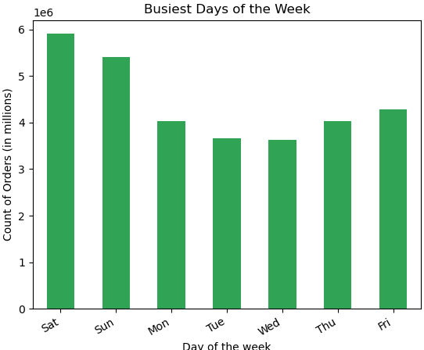 | What are the busiest days of the week (days with the most orders)? | Based on the count of orders, the busiests days of the week are Saturday and Sunday. Midweek (Tuesday and Wednesday) are the two days with the fewest orders. | -
1.2 | 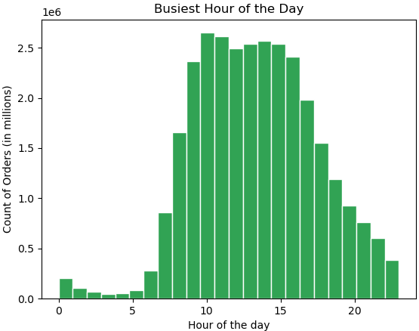 | What are the busiest hours of the day (times with the most orders)? | After 5am orders begin to increase, hitting their peak at 10am. The busiest hours with the most orders are from 9am-4pm. Orders begin to decrease after 3pm and continue to do so until 5am, which are the slowest hours of the business. | -
1.3 | 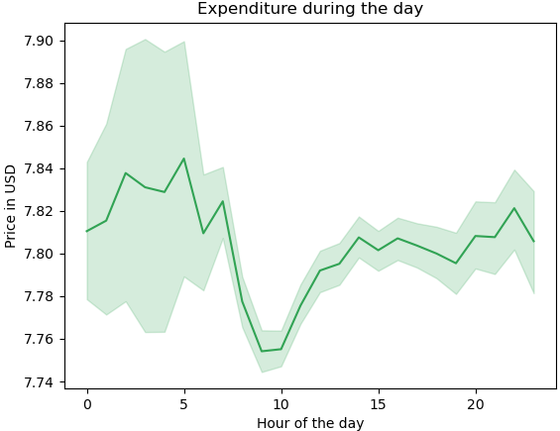 | Are there particular times of the day when people spend the most money? | Expenditure is at its highest when order placement is at its lowest (before 5am) and vice versa. This indicates that, although order volume is low during this period, customers who shop at this time make larger purchases. During peak hours (9am to evening), order volume is higher, but spending per order is more consistent and less variable, indicating standardized purchasing behavior. | Regarding the days of the week, customer expenditure is the highest on Friday and Saturday. This suggests customers like to place orders on the weekend to stock up on groceries before the start of the workweek.

2. HOW MUCH do customers spend?

Visualization # |  | Business Question | Key Findings | Comments
2.1 | 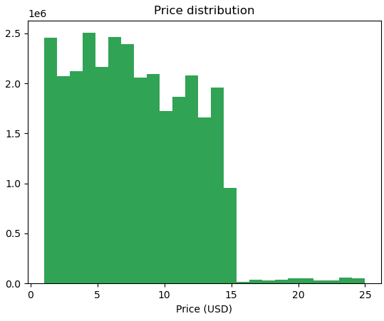 | How can products be grouped into simpler price ranges to support marketing and sales efforts? | The histogram shows the price range (1 - 25 USD) and the count of items for each price. Most products are less than 15 USD (low to mid-range). | -
2.2 | 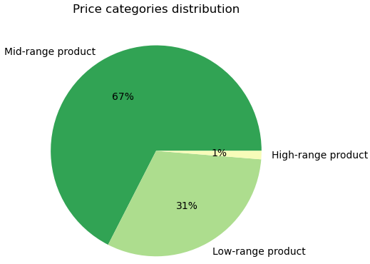 |  | Over 67% of the products sold fall into the mid-range category (5-15 USD). 31% of the products sold are considered low-range (<5 USD). Very few products (1%) are considered high-range (>15 USD). This suggests that there is low demand for premium goods, as most customers buy items in the low to mid-range category. | -

3. WHAT do customers buy?

Visualization # |  | Business Question | Key Findings | Comments
3.1 | 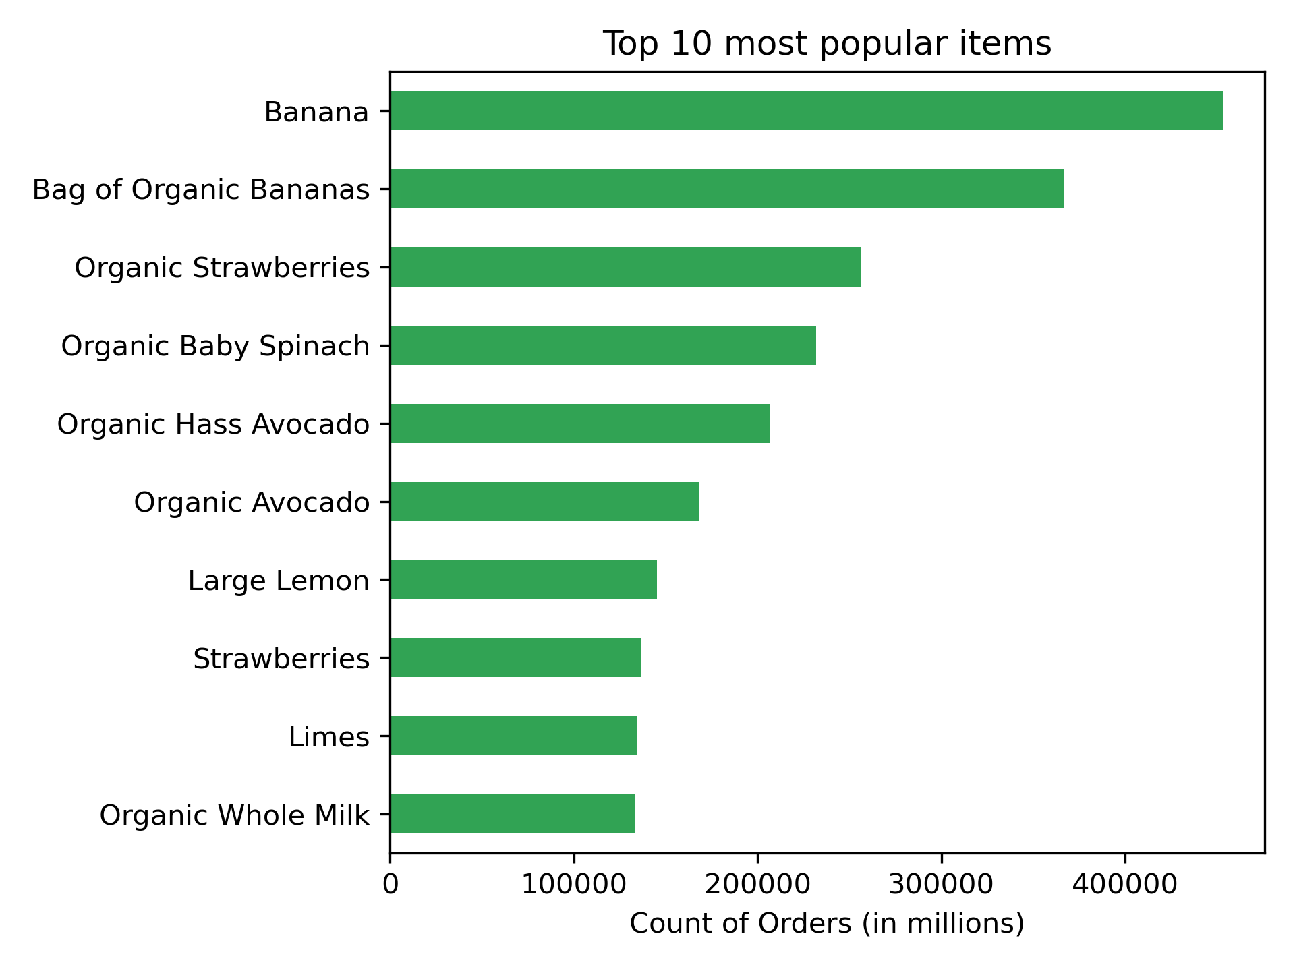 | Are there certain types of products that are more popular than others? | The most popular items are: bananas, organic strawberries, organic baby spinach and organic avocados. | -
3.2 | 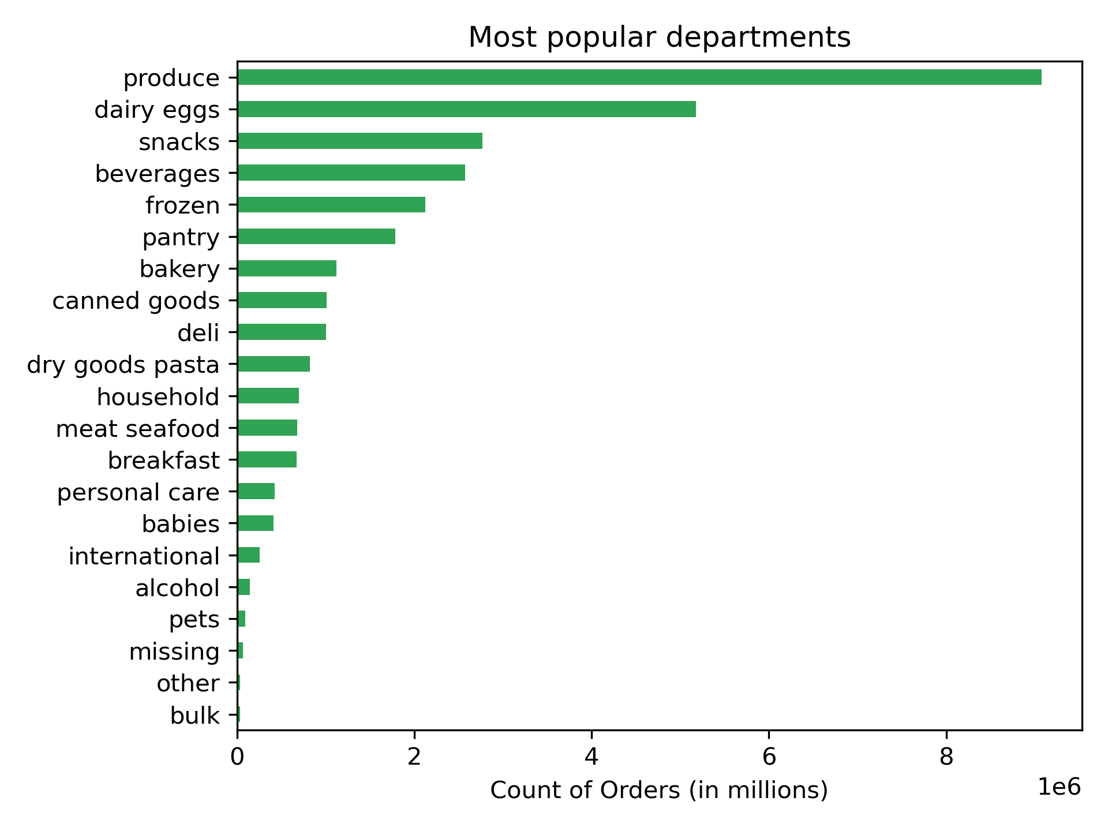 | Which departments have the highest frequency of product orders? | The top departments with the most orders are produce and dairy/eggs. Followed by snacks, beverages and frozen. The departments with the least amount of orders are pets, alcohol, and international. | 9 out of the 10 most popular products are from the produce department (+ organic whole milk from dairy/eggs). Inside the department produce we have all the top 9 overall products + organic raspberries. The "Fresh Fruits & Vegetables" category completely dominates purchasing behavior.

4. WHO are the customers?

4.1 Loyalty Analysis

Visualization # |  | Business Question | Key Findings | Comments
4.1.1 | 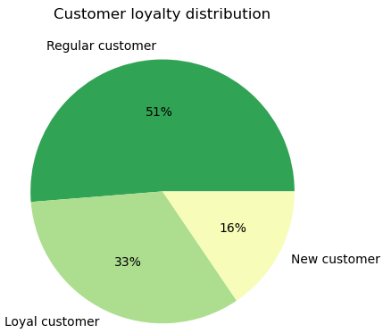 | What is the distribution of users in terms of brand loyalty (how often they return)? | Regular customers (51%) form the largest segment, representing the core of the business. A substantial share (33%) are loyal customers and new customers represent only 16%. Over 80% of customers are repeated buyers (regular + loyal), indicating a strong retention base. | -
4.1.2 | 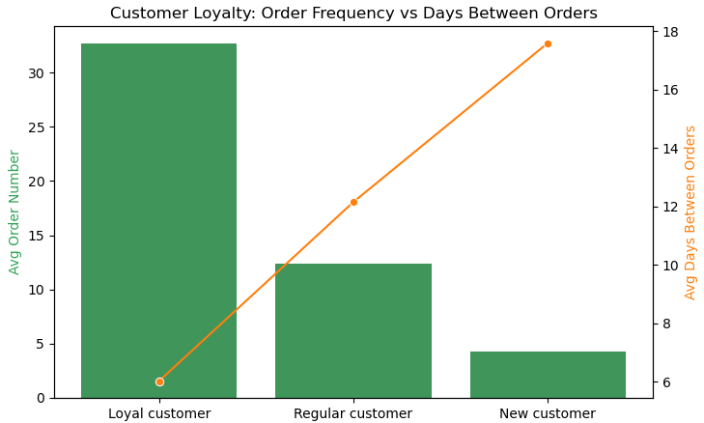 | Are there differences in ordering habits based on a customer’s loyalty status? | Loyal customers (those who placed 40+ orders): order very frequently (on average 32 orders in total) and have short gaps between purchases (6 days). New customers (those who placed 10 or less orders): order rarely (on average 4 orders) and have long delays between orders (17 days). Regular customers sit in between. | Customer loyalty is strongly associated with purchasing behavior. Loyal customers place significantly more orders and exhibit shorter intervals between purchases, indicating high engagement. In contrast, new customers show low order frequency and long gaps between purchases, suggesting weaker engagement and retention.

4.2 Geographic Analysis

Visualization # |  | Business Question | Key Findings | Comments
4.2.1 | 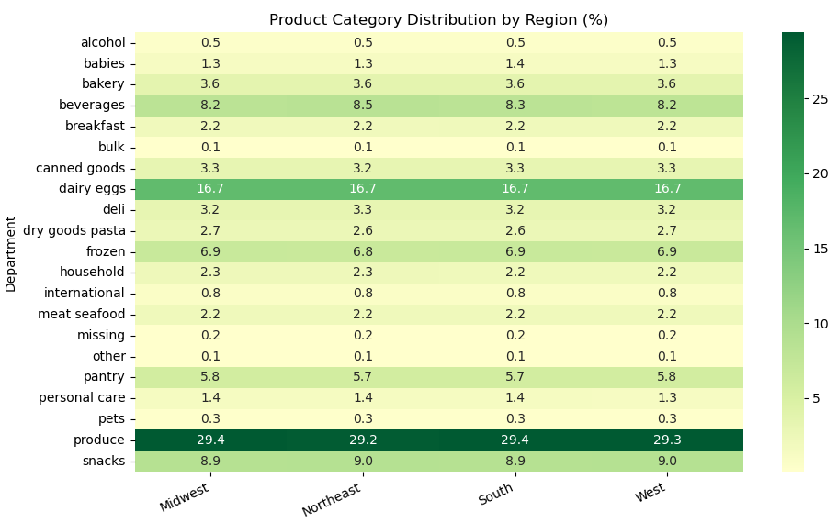 | Are there differences in ordering habits based on a customer’s region? | Strong uniformity across regions: product category distribution is almost identical in the 4 regions. Customer needs are universal, not region-specific. Top categories dominate everywhere: produce (~29%) is by far the largest category across all regions, followed by dairy & eggs (~16.7%), snacks (~9%), and beverages (~8–8.5%). Very small regional variations: Northeast has slightly higher beverages and snacks, Midwest & South slightly higher in produce. But these are not operationally significant. Categories like alcohol and pets contribute <1% consistently. | There is no significant variation in ordering behavior across regions. Both order frequency and time between orders remain consistent regardless of geographic location: order frequency is between 17 and 18 across all regions and days between orders is between 10 and 11 across all regions.

4.3 Demographic Analysis

Visualization # |  | Business Question | Key Findings | Comments
4.3.1 | 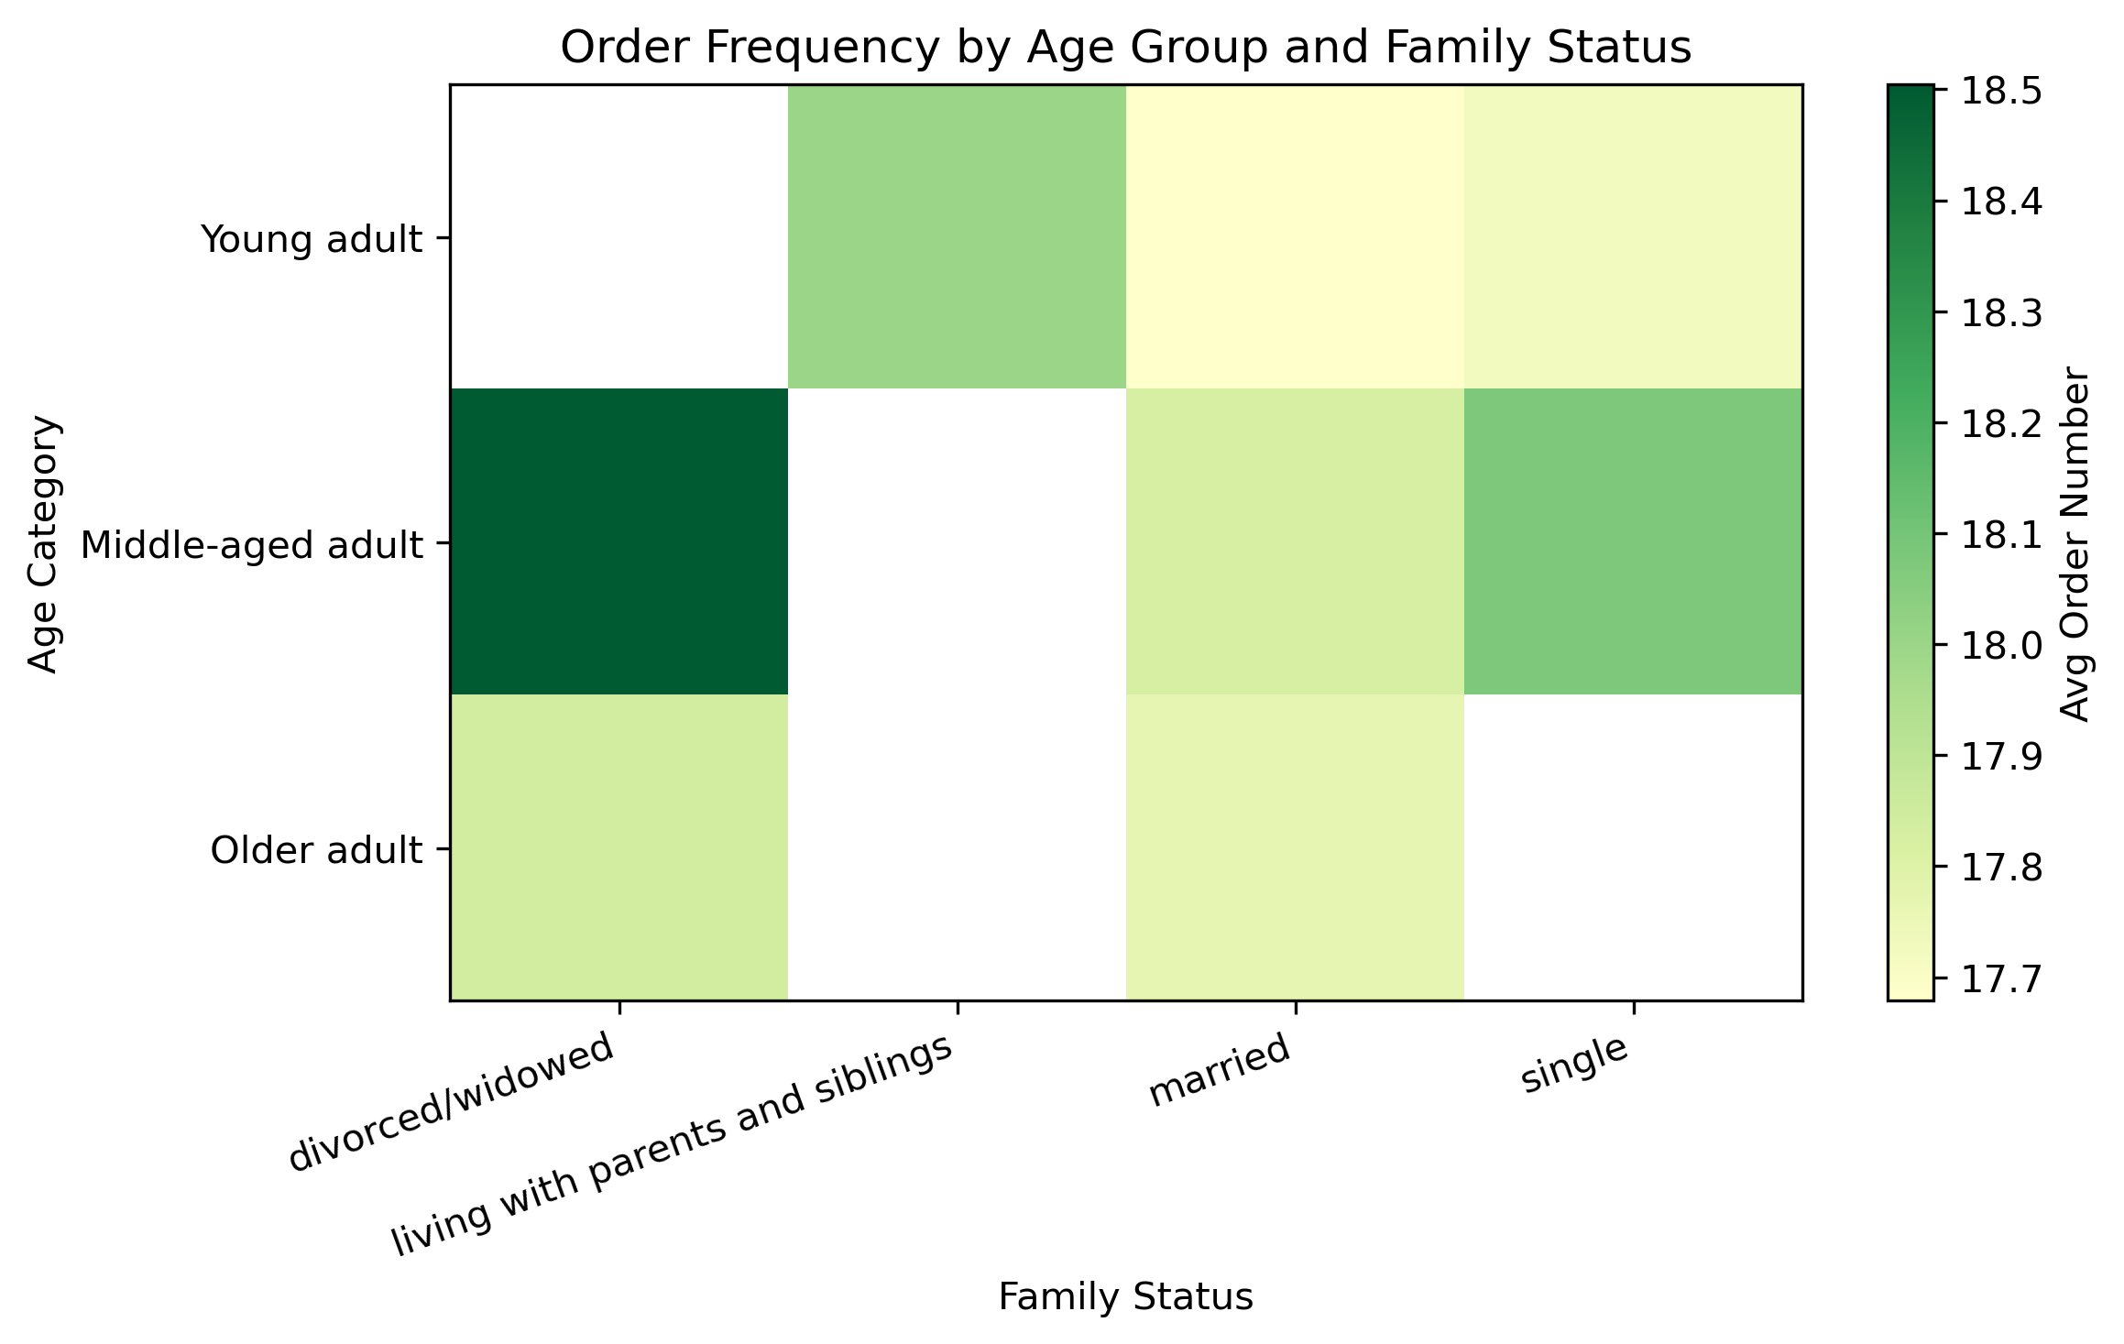 | Is there a connection between age and family status in terms of ordering habits? | Ordering behavior is highly consistent across feasible age × family status combinations (the average order number varies on a very small order). No specific demographic segment exhibits significantly higher or lower order frequency, indicating that customers behave similarly regardless of age and family situation. | Combinations that are structurally rare or impossible (e.g., older adults living with parents) appear empty and should not be interpreted. Age alone has little impact on spending or ordering habits: purchase patterns are consistent across all age groups, with weekends and mid-day being peak times. Family status alone shows a small difference: married customers order more frequently throughout the week, while those living with parents or divorced/widowed order less. However, these differences are too small to be relevant.
4.3.2 | 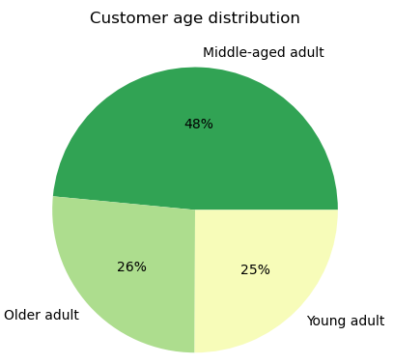 | What classifications can be derived from demographic information? | Most customers are middle-aged adults (aged 34+). Older (aged 65+) and Young (age < 33) adults make up the other half of the base. | -
4.3.3 | 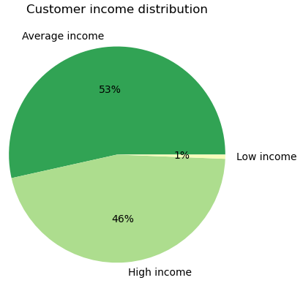 |  | Most customers (53%) earn an average salary (between 30,000 - 100,000), closely followed by high income earners (99,000+) which account for 46%. | -
4.3.4 | 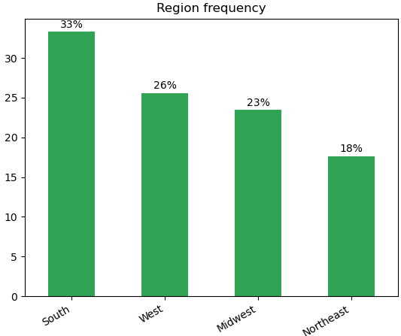 |  | Customer distribution is skewed towards the South (33%), with the West and Midwest forming a balanced mid-tier (48% combined), while the Northeast remains the smallest segment (18%). | -
4.3.5 | 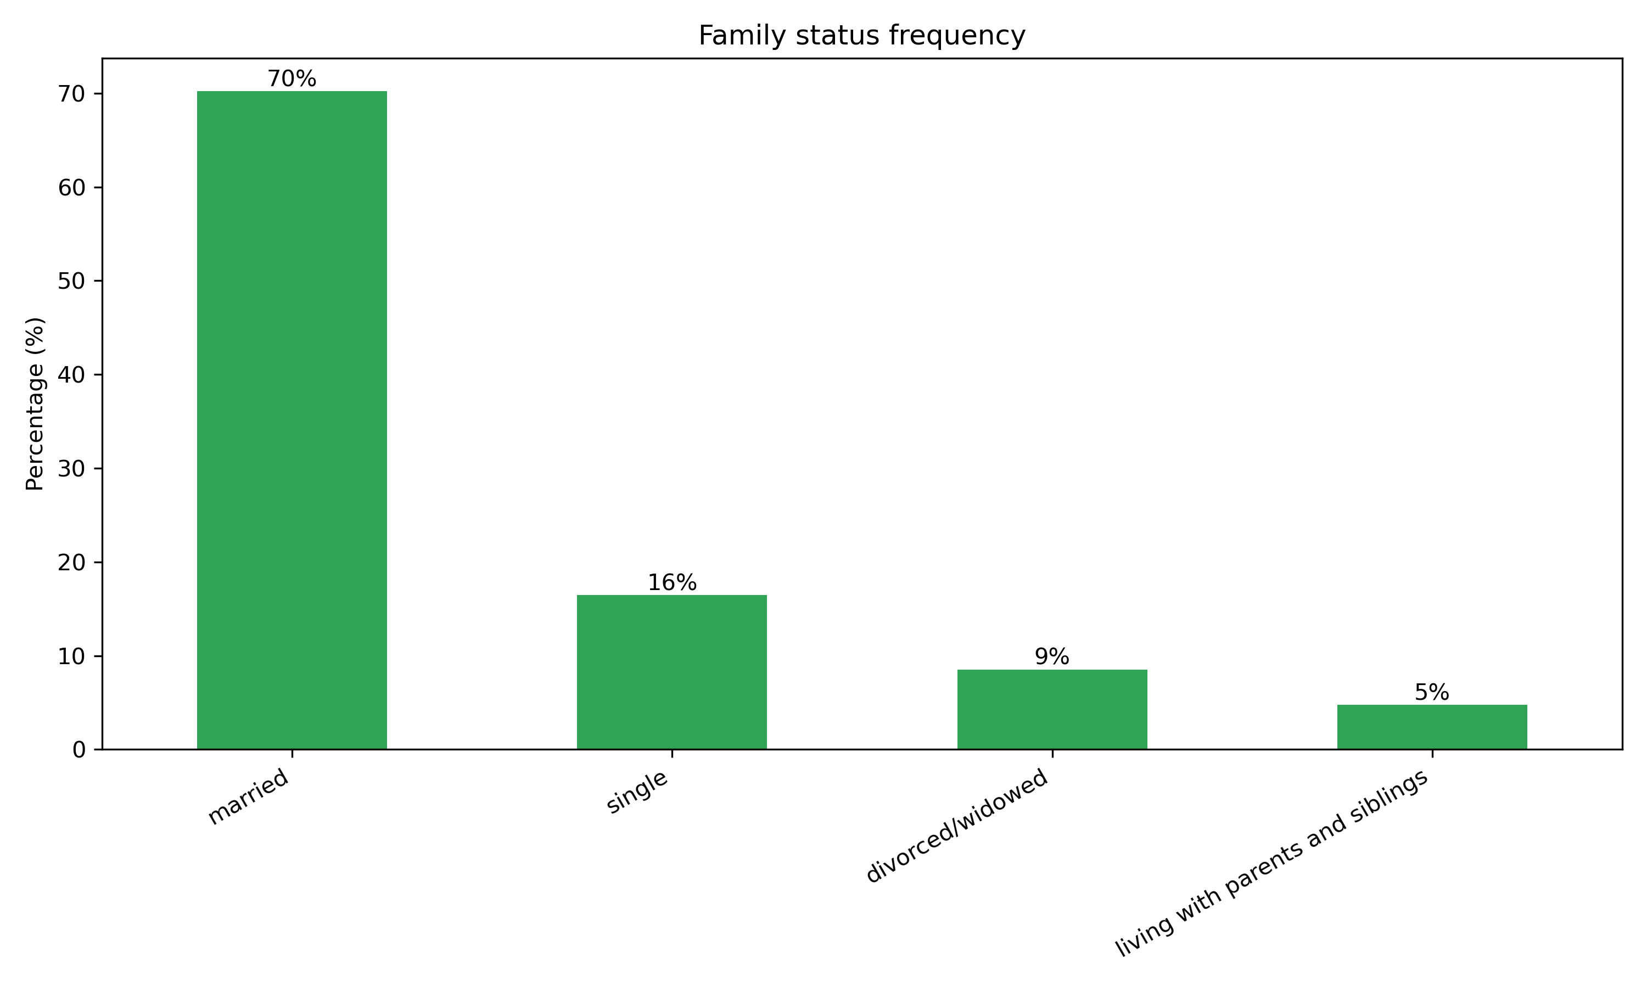 |  | The majority of customers are married (70%), with much smaller segments of single (16%), divorced/widowed (9%), and those living with parents or siblings (5%). | The distribution of number of dependents is not relatable with the family status. Each category of 0, 1, 2, or 3 dependents represents approximately 25% of the population.

4.4 Behavioral Profiles

Visualization # |  | Business Question | Key Findings | Comments
4.4.1 | 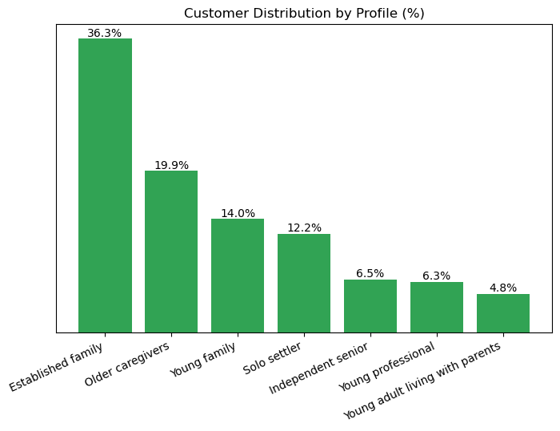 | What differences can be found in ordering habits across customer profiles? | Most of the customers fall into the "Established family" profile, followed by the "Older caregivers" and "young family" profiles. | -
4.4.2 | 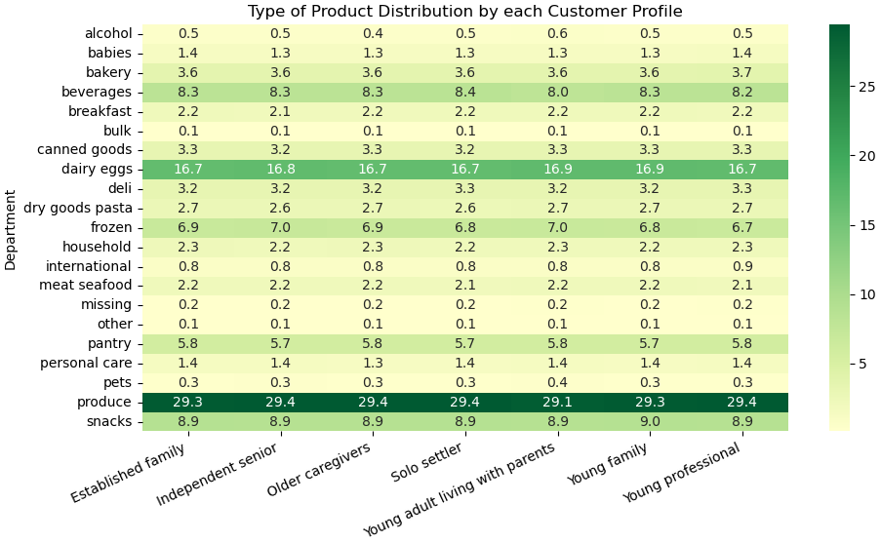 |  | This heatmap shows that produce is universally the top department for all profiles. Dairy & eggs is also consistently important. The Young adult living with parents profile is the most distinctive: less produce, less beverages, more frozen foods, more alcohol, more pets. This could reflect shared household dynamics where purchasing decisions are split. Despite 7 different life-stage profiles, variation remains minimal. | Important observations on customer ordering habits: Price: all customer profiles purchase products with similar average prices. Differences in spending are driven by order frequency and basket composition, not product price. Order Frequency: most profiles shop roughly every two weeks, with minor variations. Frequency is habit-driven and largely independent of demographics. Basket Size: Average order size (around 10 items) is consistent across profiles, indicating spending differences are not due to order size. Timing (day & hour): Shopping follows a universal weekly and daily pattern (early week + weekend peaks; peak hours 10am - 3pm). Timing is routine-driven, not profile-driven. Regional Effects: Ordering behavior is consistent across regions, but product mix varies slightly (e.g., Northeast favors beverages). Geography affects what is bought, not how or when it is bought. Overall Insight: Customer behavior is largely uniform across profiles and regions. Spending differences are mainly influenced by purchase frequency and product selection, rather than price, basket size, or timing.

7. Recommendations
Recommendations

Insight # | Business Question | Viz # | Insights | Recommendations for Marketing and Sales team
1 | What are the busiest days of the week (days with the most orders)? | 1.1 | Orders peak on weekends and drop midweek. | Shift ads and promotions to Tuesday to Wednesday to boost demand, while using weekends to upsell high-margin products.
2 | What are the busiest hours of the day (times with the most orders)? | 1.2 | Orders concentrate during daytime, especially late morning. | Run promotions early morning (before 9am) and late afternoon to spread demand and reduce operational pressure.
3 | Are there particular times of the day when people spend the most money? | 1.3 | Customers spend more per order during low-traffic hours (before 5am). | Promote premium products and bundles during off-peak hours, and focus on convenience deals during peak hours.
4 | How can products be grouped into simpler price ranges to support marketing and sales efforts? | 2.1 2.2 | Product assortment is mainly low to mid-priced. Only 1% of purchases are high-priced items. | Focus marketing on value-for-money messaging and competitive pricing for everyday items. Limit focus on premium goods and instead bundle them with popular mid-range products to increase adoption.
5 | Are there certain types of products that are more popular than others? | 3.1 | Fresh and organic goods dominate purchases. | Prioritize promotions, visibility, and stock for top-selling fresh products to drive traffic.
6 | Which departments have the highest frequency of product orders? | 3.2 | Fresh fruits & vegetables drive most orders. | Build campaigns around fresh food (like “weekly essentials”) and use them as entry points for cross-selling other categories.
7 | What is the distribution of users in terms of brand loyalty (how often they return)? | 4.1.1 | Most customers are returning users. | Invest in loyalty programs and personalized offers to retain and increase lifetime value.
8 | Are there differences in ordering habits based on a customer’s loyalty status? | 4.1.2 | Loyal customers order more often with shorter gaps. | Create incentives (rewards, subscriptions, perks) to convert regular customers into loyal ones.
9 | Are there differences in ordering habits based on a customer’s region? | 4.2.1 | Customer behavior is similar across regions. | Standardize national marketing campaigns and only slightly adjust product mix by region.
10 | Is there a connection between age and family status in terms of ordering habits? | 4.3.1 | Age and family status do not significantly influence ordering habits. | Avoid demographic-based targeting. Focus on behavioral segmentation instead.
11 | What classifications can be derived from demographic information? | 4.3.2 4.3.3 4.3.4 4.3.5 | Core audience is middle-aged, married, and financially stable. | Tailor messaging around convenience, family needs, and time-saving solutions.
12 | What differences can be found in ordering habits across customer profiles? | 4.4.1 4.4.2 | Customer profiles behave similarly. Only product preferences vary slightly. | Use product-based targeting (not timing or pricing) to differentiate campaigns across profiles.

Overall Recommended Strategy

 | Focus on behavioral and product-based segmentation, not demographics.
 | Use promotions to balance demand (boost midweek, off-peak hours).
 | Leverage fresh products as key drivers of traffic and cross-selling.
 | Strengthen loyalty programs to increase frequency and retention.
 | Keep a standardized marketing strategy, with small adjustments for product preferences.

