13 - Decision Tree
Decision Tree to determine the probability of customers leaving the bank

From the identified risk factors that have contributed to customers leaving the bank, they are now ordered in terms of impact:
1. Activity level: Inactive: 70% left
2. Number of products: 1 product: 70% left
3. Age: Middle-aged adults: 60% left
4. Country: 29% of German customers left

Note: The activity level will be the top decision node with the greatest impact, because it represents the current engagement and it is simply splited in two (Active/Inactive). This current behaviour is usually more predictive. The number of products is more a historical engagement of the customer, and it can be splited in 4 options (1-4 products).

For the active customers branch, data showed that age didn't matter much after the number of products, but gender instead:
In active customers with 1 product, female gender has a higher risk.
In active customers with 2+ products, the risk is already low, no further split needed.

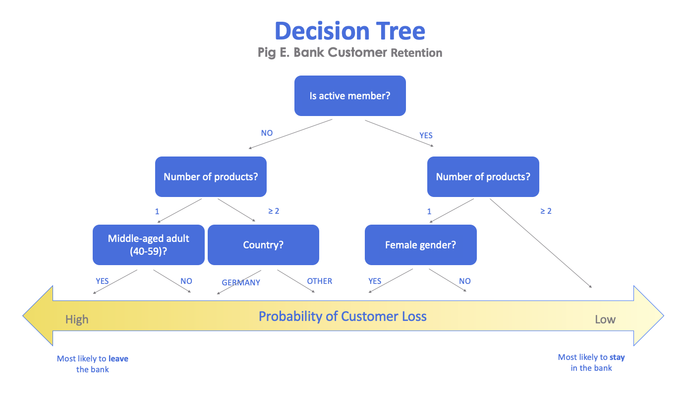

Business Impact

The highest-risk customer profile identified was: - Inactive customer - Only one banking product - Middle-aged - Located in Germany The results indicate that customer retention is strongly influenced by engagement levels and the use of multiple products. Reducing inactivity and promoting wider product adoption are likely to play a key role in lowering customer churn.

14 - Time Series
Year | Avg Oil Price | 5 Yr MA | Time Series Analysis
12/31/87 | $19.20
12/31/88 | $15.97 |  | The objective of this analysis was to evaluate long-term oil price behavior. A five-year moving average (5-Year MA) was calculated to smooth short-term fluctuations and better visualize long-term market trends.
12/31/89 | $19.64
12/31/90 | $24.53
Long-term Oil Price Behavior
 | Avg Oil Price | 5 Yr MA
12/31/87 | $19.20
12/31/88 | $15.97
12/31/89 | $19.64
12/31/90 | $24.53
12/31/91 | $21.54
12/31/92 | $20.58 | 20.176
12/31/93 | $18.43 | 20.452
12/31/94 | $17.20 | 20.944
12/31/95 | $18.43 | 20.456
12/31/96 | $22.12 | 19.236
12/31/97 | $20.61 | 19.352
12/31/98 | $14.42 | 19.358
12/31/99 | $19.35 | 18.556
12/31/00 | $30.38 | 18.986
12/31/01 | $25.98 | 21.376
12/31/02 | $26.19 | 22.148
12/31/03 | $31.08 | 23.264
12/31/04 | $41.51 | 26.596
12/31/05 | $56.64 | 31.028
12/31/06 | $66.05 | 36.28
12/31/07 | $72.34 | 44.294
12/31/08 | $99.67 | 53.524
12/31/09 | $61.95 | 67.242
12/31/10 | $79.48 | 71.33
12/31/11 | $94.88 | 75.898
12/31/12 | $94.05 | 81.664
12/31/13 | $97.98 | 86.006
12/31/14 | $93.17 | 85.668
12/31/15 | $48.66 | 91.912
12/31/16 | $43.29 | 85.748
12/31/17 | $50.80 | 75.43
12/31/18 | $65.23 | 66.78
12/31/19 | $56.99 | 60.23
12/31/91 | $21.54
12/31/92 | $20.58 | $20.18 |  | Observations: The oil price series displayed a general upward trend over time, indicating a non-stationary time series. Prices experienced several fluctuations and volatility spikes across different years. The five-year moving average smoothed the sharp rises and drops in oil prices, making the broader trend easier to interpret. This improves forecasting by emphasizing long-term trends rather than temporary fluctuations. This helps analysts better understand macroeconomic behavior and identify more stable trend patterns for financial planning and investment analysis. Conclusion: Although oil prices fluctuate considerably in the short term, the moving average demonstrates that long-term trend analysis provides a more reliable foundation for forecasting and strategic decision-making.
12/31/93 | $18.43 | $20.45
12/31/94 | $17.20 | $20.94
12/31/95 | $18.43 | $20.46
12/31/96 | $22.12 | $19.24
12/31/97 | $20.61 | $19.35
12/31/98 | $14.42 | $19.36
12/31/99 | $19.35 | $18.56
12/31/00 | $30.38 | $18.99
12/31/01 | $25.98 | $21.38
12/31/02 | $26.19 | $22.15
12/31/03 | $31.08 | $23.26
12/31/04 | $41.51 | $26.60
12/31/05 | $56.64 | $31.03
12/31/06 | $66.05 | $36.28
12/31/07 | $72.34 | $44.29
12/31/08 | $99.67 | $53.52
12/31/09 | $61.95 | $67.24
12/31/10 | $79.48 | $71.33
12/31/11 | $94.88 | $75.90
12/31/12 | $94.05 | $81.66
12/31/13 | $97.98 | $86.01
12/31/14 | $93.17 | $85.67
12/31/15 | $48.66 | $91.91
12/31/16 | $43.29 | $85.75
12/31/17 | $50.80 | $75.43
12/31/18 | $65.23 | $66.78
12/31/19 | $56.99 | $60.23

