Read Me
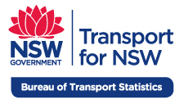

BTS reference | Electronic Publication No. E2014-23-Train-Patronage
Release Date | 24.10.2014
Data Owner | Bureau of Transport Statistics
DataSet | Train Patronage Data
Data Reference Year | January 2001 to most recent
Geographic coverage | Sydney Trains network and NSW TrainLink Intercity network (formerly CityRail)
Counts of | Journeys, by month, line, fare type, ticket type, station and year
Notes | The official measure of train patronage is journeys and is featured here.
 | Opal was progressively rolled out across the train network from June 2013 to April 2014. This is a significant change which impacts the way patronage is estimated. A review is underway which could result in the revision of historical data.
 | The current method of assigning Opal journeys to line is causing a marked increase in patronage attributed to the CBD. Prior to Opal, the patronage estimates were based on MST (Magnetic Stripe Ticket) sales and a journey multiplier for each ticket type. The journeys for each ticket sold are attributed to the station of sale, normally the ‘home’ station. With Opal, the current methodology uses the tap on location to assign the station and line. With many return journeys originating from the CBD, this has resulted in a rise in CBD patronage and less growth from most other lines. These issues are being addressed as part of the review.
 | Opal journeys are allocated to ticket type 'Single' and fare type 'Adult' and has resulted in a rise in these categories.
 | From July 2013, CityRail was split into two entities - Sydney Trains and NSW TrainLink. Data in this summary represents combined journeys for both organisations.
 | Prior to the opening of the Epping to Chatswood Rail Link, ticket sales for stations between Normanhurst and Cheltenham were allocated to the Northern via Strathfield line. From June 2009 these stations have been allocated to the new Northern via Macquarie Park line. The data for these stations prior to this date are now recorded under this line for over time consistency.
 | 'MyZone' tickets (i.e. MyMulti and MyTrain) were first introduced in April 2010. For most of these ticket types the counts of issues/journeys are zero prior to 2010 but with a few exceptions: - Counts for MyMulti Day Pass prior to 2010 correspond to the Day Tripper ticket. - Counts for MyTrain Weekly prior to 2010 correspond to the old weekly train tickets.
 | Prior to the introduction of MyMulti products in 2010, monthly, quarterly, yearly and other types of periodical train tickets were classified under rail periodicals.
 | Travelpasses were replaced with MyMulti products in 2010, except in Newcastle where they are still available.
 | Train line 'Other' refers to journeys based on tickets issued from vendors other than Sydney Trains and NSW TrainLink, such as STA, Harbour City Ferries, Private buses, newsagents and convenience stores. This category also includes unpaid travel, such as free school passes and fare evasion.
Technical Documentation | Please refer to the Technical Documentation in the BTS website for more information.
Disclaimer | While all care is taken in producing this work, no responsibility is taken or warranty made with respect to the accuracy of any information, data or representation.
 | The authors (including copyright owners) expressly disclaim all liability in respect of anything done or omitted to be done and the consequences upon reliance of the contents of this information.
© 2014 Copyright (Free to share) | Users are welcome to copy, reproduce and distribute the information contained in this file for non-commercial purposes only, provided acknowledgement is given to the Bureau of Transport Statistics as the source.

Contents | Journeys by month
 | Journeys by line
 | Journeys by line (FY)
 | Journeys by fare type
 | Journeys by ticket type
 | Line by month
 | Line by fare type
 | Line by ticket type
 | Line by station
 | Line by station by fare type
 | Network maps

Network maps
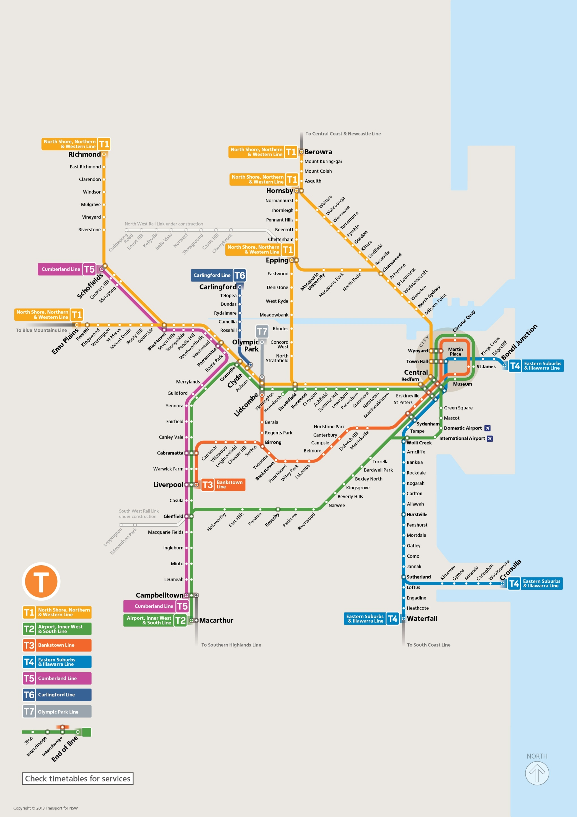
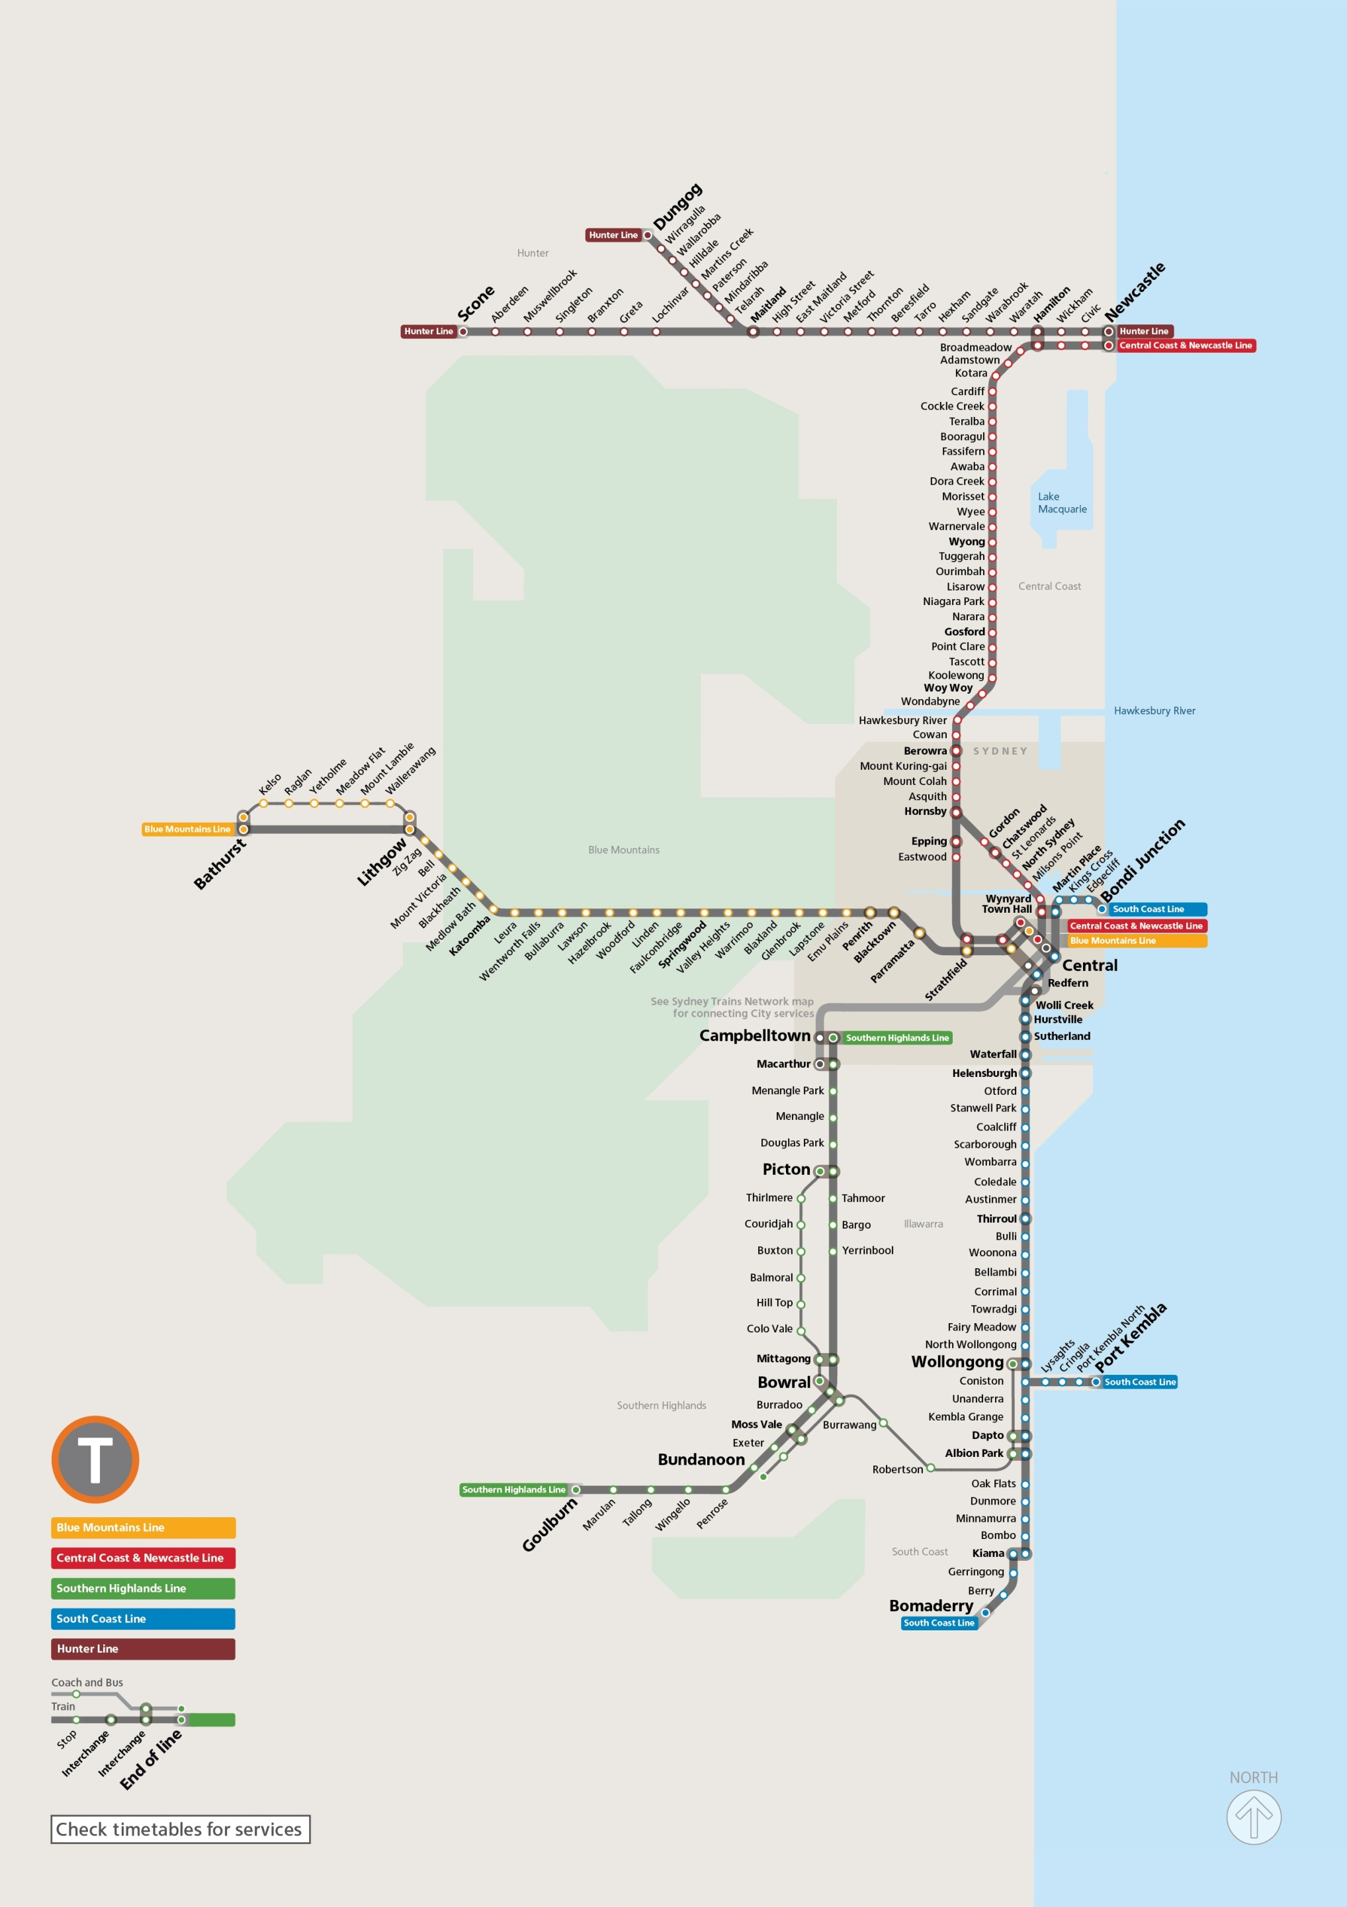
Sydney Trains network map | NSW TrainLink InterCity network map

