Data
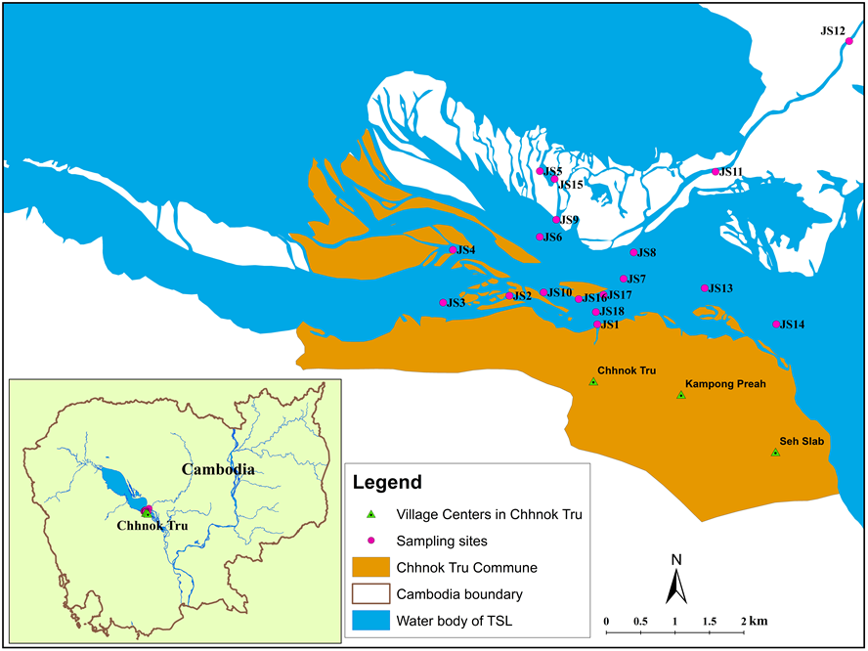
Dry season

Sites | DSi | TN | TP | Chl-a | Temperature | DO | Conductivity | pH | ORP
 | mg/L | mg/L | mg/L | µg/L | oC | mg/L | µS/cm |  | mV

JS1 | 22.10 | 24.40 | 0.33 | 14.71 | 32.47 | 0.40 | 783.00 | 7.93 | -1095.00
JS2 | 19.00 | 1.60 | 0.11 | 2.39 | 30.52 | 5.35 | 148.00 | 8.58 | 96.30
JS3 | 19.60 | 11.40 | 0.36 | 6.16 | 33.44 | 7.23 | 150.30 | 9.93 | 40.90
JS4 | 22.10 | 6.20 | 0.17 | 2.96 | 30.47 | 5.44 | 149.30 | 9.05 | 76.30
JS5 | 19.00 | 11.70 | 0.36 | 4.87 | 30.76 | 6.25 | 112.85 | 9.47 | 52.60
JS6 | 16.30 | 15.20 | 0.23 | 4.41 | 29.99 | 5.92 | 133.30 | 9.09 | 71.20
JS7 | 21.40 | 4.20 | 0.06 | 3.98 | 29.85 | 5.77 | 139.30 | 8.83 | 87.40
JS8 | 18.60 | 12.60 | 0.42 | 4.15 | 29.01 | 6.42 | 118.45 | 8.51 | 105.05
JS9 | 19.20 | 6.00 | 0.10 | 4.78 | 30.90 | 4.98 | 121.25 | 8.93 | 75.25
JS10 | 20.40 | 3.70 | 0.12 | 2.76 | 30.57 | 5.37 | 149.05 | 7.79 | 97.80
JS11 | 18.30 | 1.60 | 0.65 | 1.71 | 29.88 | 3.93 | 76.10 | 8.48 | 101.35
JS12 | 19.50 | 21.20 | 0.44 | 2.22 | 29.50 | 5.58 | 339.80 | 7.67 | 124.20
JS13 | 19.20 | 5.40 | 0.42 | 4.03 | 29.70 | 5.78 | 132.15 | 8.71 | 92.25
JS14 | 16.90 | 5.20 | 0.21 | 4.02 | 29.63 | 6.30 | 131.70 | 8.36 | 96.80
JS15 | 19.00 | 10.80 | 0.46 | 4.80 | 30.75 | 5.70 | 118.35 | 8.90 | 72.35 | Sampling sites | Sampling location area
JS16 | 19.00 | 6.30 | 0.31 | 2.37 | 30.73 | 4.10 | 151.25 | 8.13 | 90.90 | JS1 | River (floating village)
JS17 | 18.70 | 12.30 | 0.41 | 2.55 | 29.79 | 5.10 | 148.85 | 8.13 | 106.70 | JS2 | River
JS18 | 19.40 | 9.60 | 0.25 | 4.98 | 31.28 | 3.46 | 274.20 | 8.08 | 82.40 | JS3 | River
 |  |  |  |  |  |  |  |  |  | JS4 | River
Wet season |  |  |  |  |  |  |  |  |  | JS5 | Wetland area
 |  |  |  |  |  |  |  |  |  | JS6 | River
JS1 | 11.10 | 1.90 | 0.48 | 2.51 | 28.81 | 6.16 | 67.08 | 7.52 | 243.07 | JS7 | Main river (Kramam River)
JS2 | 11.60 | 2.30 | 0.21 | 1.81 | 28.54 | 5.73 | 66.98 | 7.60 | 264.69 | JS8 | Main river (Kramam River)
JS3 | 11.90 | 9.70 | 0.43 | 2.48 | 28.54 | 7.00 | 65.40 | 7.74 | 261.13 | JS9 | Wetland area
JS4 | 11.50 | 5.10 | 0.17 | 1.76 | 28.55 | 6.86 | 64.74 | 7.90 | 257.78 | JS10 | River
JS5 | 9.90 | 3.60 | 0.27 | 1.26 | 27.83 | 7.15 | 73.66 | 7.48 | 281.57 | JS11 | Wetland area (along stung river)
JS6 | 7.20 | 5.30 | 0.46 | 1.80 | 28.15 | 7.02 | 75.80 | 7.56 | 321.29 | JS12 | Wetland area
JS7 | 12.70 | 3.00 | 0.27 | 1.31 | 27.71 | 6.70 | 72.10 | 7.66 | 316.54 | JS13 | Main river (Kramam River)
JS8 | 10.60 | 2.60 | 0.29 | 0.88 | 28.11 | 4.76 | 76.48 | 7.44 | 333.03 | JS14 | Main river (Kramam River)
JS9 | 10.00 | 3.70 | 0.05 | 1.22 | 27.91 | 6.76 | 74.28 | 7.50 | 313.02 | JS15 | Wetland area
JS10 | 10.50 | 3.80 | 0.10 | 1.63 | 28.15 | 6.77 | 65.85 | 7.89 | 306.65 | JS16 | Floating village
JS11 | 11.30 | 3.20 | 0.22 | 1.41 | 27.99 | 6.14 | 77.95 | 7.31 | 327.07 | JS17 | River (near floating village area)
JS12 | 8.10 | 4.60 | 0.14 | 0.87 | 27.45 | 5.09 | 62.90 | 7.39 | 311.08 | JS18 | Floating village (wetland area)
JS13 | 11.10 | 3.40 | 0.09 | 1.40 | 27.99 | 6.72 | 66.30 | 7.71 | 272.91
JS14 | 11.50 | 4.90 | 0.19 | 1.55 | 27.44 | 6.78 | 66.23 | 7.58 | 329.21
JS15 | 11.20 | 4.40 | 0.15 | 1.33 | 27.89 | 6.60 | 74.81 | 7.41 | 319.00
JS16 | 14.00 | 4.00 | 0.24 | 1.68 | 27.85 | 6.72 | 65.17 | 7.72 | 273.98
JS17 | 10.00 | 3.90 | 0.20 | 1.74 | 27.94 | 6.73 | 65.34 | 7.65 | 238.60
JS18 | 9.90 | 2.90 | 0.10 | 2.06 | 27.99 | 5.56 | 66.52 | 7.68 | 258.14

