Sheet1
 | Name | Input | Picture | Output
Getting started | Output one | Build a circuit with no inputs and one output. That output should always drive 1 (or logic high) |  | module top_module( output one ); assign one = 1'b1; endmodule
 | Output zero | Build a circuit with no inputs and one output that outputs a constant 0 |  | module top_module ( output zero ); assign zero = 1'b0; endmodule
Basics | Simple wire | Create a module with one input and one output that behaves like a wire.The ports on a module have a direction (usually input or output). An input port is driven by something from outside the module, while an output port drives something outside. When viewed from inside the module, an input port is a driver or source, while an output port is a sink. | 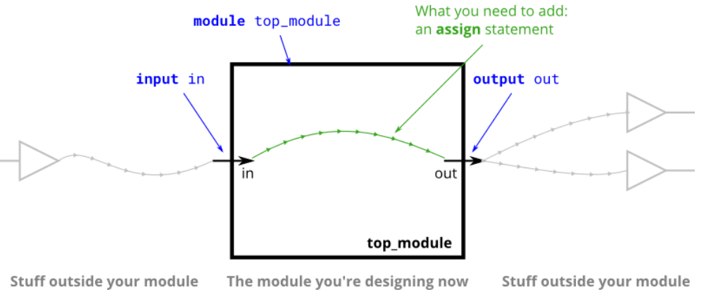 | module top_module( input in, output out ); assign out = in; // Note that wires are directional, so "assign in = out" is not equivalent. endmodule
 | Four wires | Create a module with 3 inputs and 4 outputs that behaves like wires that makes these connections: a -> w b -> x b -> y c -> z | 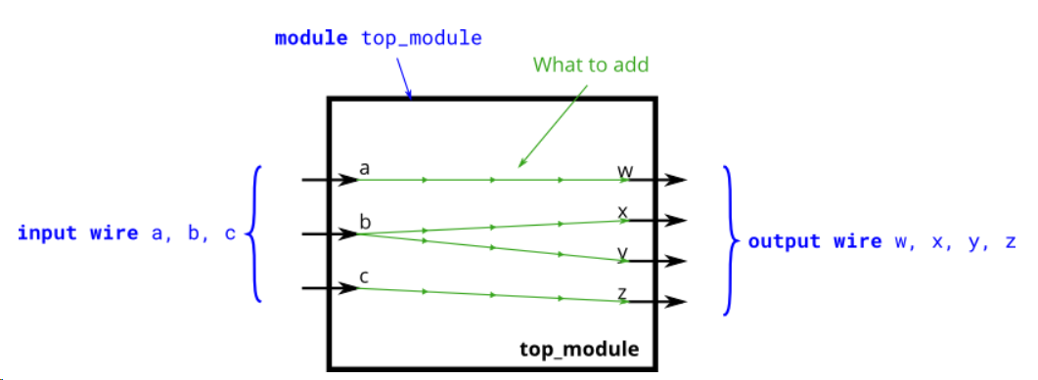 | module top_module ( input a, input b, input c, output w, output x, output y, output z ); assign w = a; assign x = b; assign y = b; assign z = c; // If we're certain about the width of each signal, using // the concatenation operator is equivalent and shorter: // assign {w,x,y,z} = {a,b,b,c}; endmodule
 | Inverter | Create a module that implements a NOT gate. This circuit is similar to wire, but with a slight difference. When making the connection from the wire in to the wire out we're going to implement an inverter (or "NOT-gate") instead of a plain wire. | 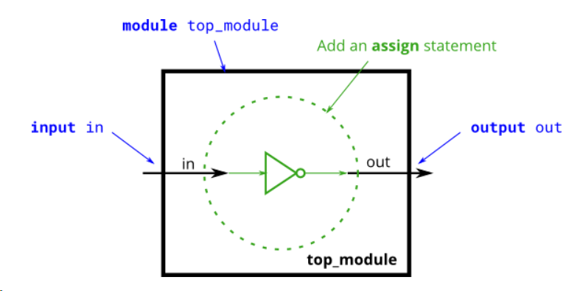 | module top_module( input in, output out ); assign out = ~in; endmodule
 | AND gate | Create a module that implements an AND gate. This circuit now has three wires (a, b, and out). Wires a and b already have values driven onto them by the input ports. But wire out currently is not driven by anything. Write an assign statement that drives out with the AND of signals a and b. | 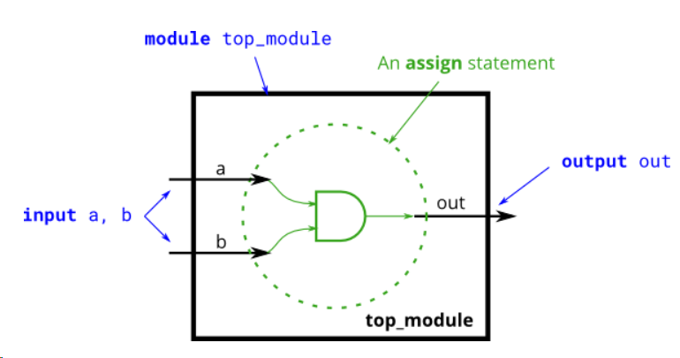 | module top_module( input a, input b, output out ); assign out = a & b; endmodule
 | NOR gate | Create a module that implements a NOR gate. A NOR gate is an OR gate with its output inverted. A NOR function needs two operators when written in Verilog. An assign statement drives a wire (or "net", as it's more formally called) with a value. This value can be as complex a function as you want, as long as it's a combinational (i.e., memory-less, with no hidden state) function. An assign statement is a continuous assignment because the output is "recomputed" whenever any of its inputs change, forever, much like a simple logic gate. | 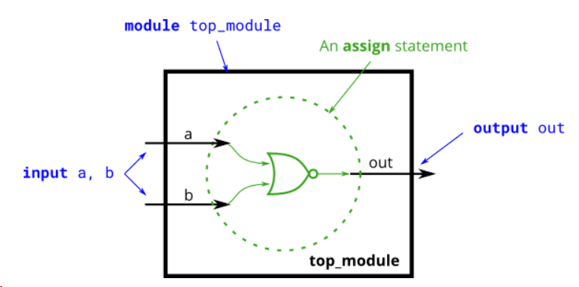 | module top_module( input a, input b, output out ); assign out = ~(a | b); endmodule
 | XNOR gate | Create a module that implements an XNOR gate. | 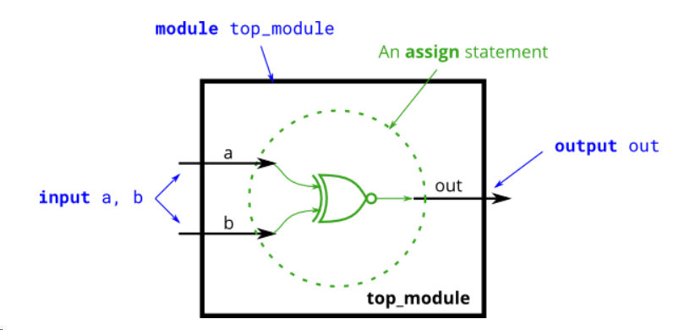 | module top_module( input a, input b, output out ); assign out = ~ a^b; endmodule
 | Declaring wires | mplement the following circuit. Create two intermediate wires (named anything you want) to connect the AND and OR gates together. Note that the wire that feeds the NOT gate is really wire out, so you do not necessarily need to declare a third wire here. Notice how wires are driven by exactly one source (output of a gate), but can feed multiple inputs. | 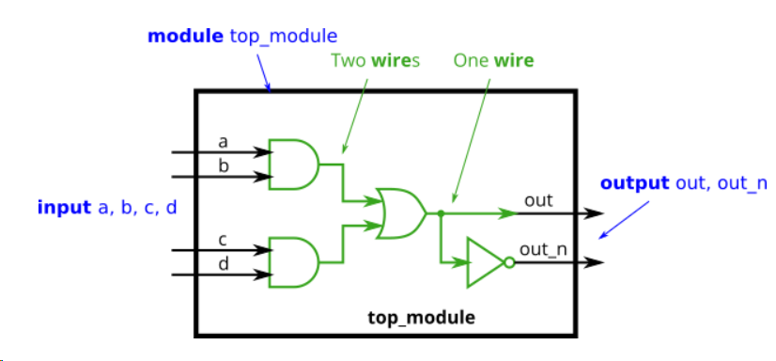 | module top_module ( input a, input b, input c, input d, output out, output out_n ); wire w1, w2; // Declare two wires (named w1 and w2) assign w1 = a&b; // First AND gate assign w2 = c&d; // Second AND gate assign out = w1|w2; // OR gate: Feeds both 'out' and the NOT gate assign out_n = ~out; // NOT gate endmodule
 | 7458 chip | The 7458 is a chip with four AND gates and two OR gates. This problem is slightly more complex than 7420. Create a module with the same functionality as the 7458 chip. It has 10 inputs and 2 outputs. You may choose to use an assign statement to drive each of the output wires, or you may choose to declare (four) wires for use as intermediate signals, where each internal wire is driven by the output of one of the AND gates. | 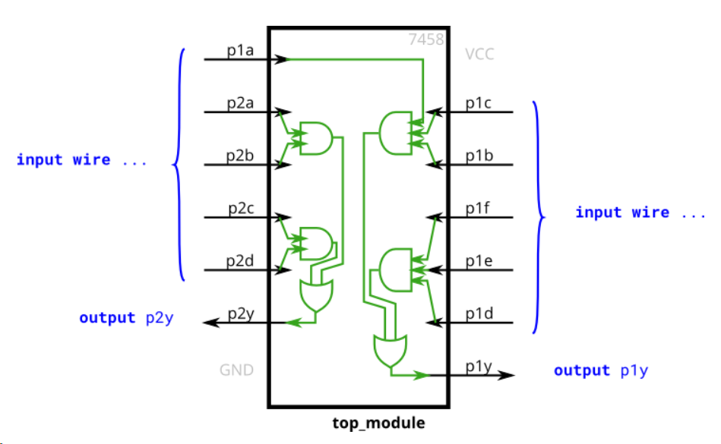 | module top_module ( input p1a, p1b, p1c, p1d, p1e, p1f, output p1y, input p2a, p2b, p2c, p2d, output p2y ); assign p1y = (p1a & p1b & p1c)|(p1d & p1e & p1f); assign p2y = (p2a & p2b)|(p2c & p2d); endmodule
Vectors | Vectors | Build a circuit that has one 3-bit input, then outputs the same vector, and also splits it into three separate 1-bit outputs. Connect output o0 to the input vector's position 0, o1 to position 1, etc. | 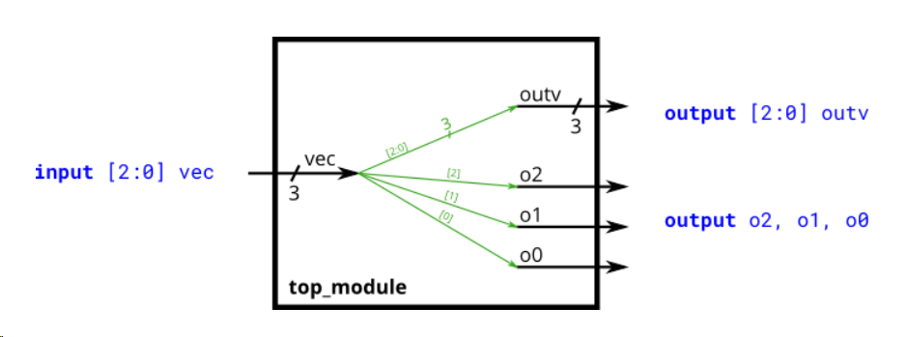 | module top_module( input [2:0] vec, output [2:0] outv, output o2, output o1, output o0 ); assign outv = vec; // This is ok too: assign {o2, o1, o0} = vec; assign o0 = vec[0]; assign o1 = vec[1]; assign o2 = vec[2]; endmodule
 | Vectors in more detail | Build a combinational circuit that splits an input half-word (16 bits, [15:0] ) into lower [7:0] and upper [15:8] bytes. |  | module top_module ( input [15:0] in, output [7:0] out_hi, output [7:0] out_lo ); assign out_hi = in[15:8]; assign out_lo = in[7:0]; // Concatenation operator also works: assign {out_hi, out_lo} = in; endmodule
 | Vectors part select | A 32-bit vector can be viewed as containing 4 bytes (bits [31:24], [23:16], etc.). Build a circuit that will reverse the byte ordering of the 4-byte word. AaaaaaaaBbbbbbbbCcccccccDddddddd => DdddddddCcccccccBbbbbbbbAaaaaaaa This operation is often used when the endianness of a piece of data needs to be swapped, for example between little-endian x86 systems and the big-endian formats used in many Internet protocols. |  | module top_module ( input [31:0] in, output [31:0] out ); assign out[31:24] = in[ 7: 0]; assign out[23:16] = in[15: 8]; assign out[15: 8] = in[23:16]; assign out[ 7: 0] = in[31:24]; endmodule
 | Bitwise operators | Build a circuit that has two 3-bit inputs that computes the bitwise-OR of the two vectors, the logical-OR of the two vectors, and the inverse (NOT) of both vectors. Place the inverse of b in the upper half of out_not (i.e., bits [5:3]), and the inverse of a in the lower half. |  | module top_module( input [2:0] a, input [2:0] b, output [2:0] out_or_bitwise, output out_or_logical, output [5:0] out_not ); assign out_or_bitwise = a | b; assign out_or_logical = a || b; assign out_not[2:0] = ~a; // Part-select on left side is o. assign out_not[5:3] = ~b; //Assigning to [5:3] does not conflict with [2:0] endmodule
 | Four input gates | Build a combinational circuit with four inputs, in[3:0]. There are 3 outputs: out_and: output of a 4-input AND gate. out_or: output of a 4-input OR gate. out_xor: output of a 4-input XOR gate. |  | //solution 1 module top_module( input [3:0] in, output out_and, output out_or, output out_xor ); assign out_and = in[0]&in[1]&in[2]&in[3]; assign out_or = in[0]|in[1]|in[2]|in[3]; assign out_xor = in[0]^in[1]^in[2]^in[3]; endmodule //solution 2 module top_module( input [3:0] in, output out_and, output out_or, output out_xor ); assign out_and = &in;//reduction operator assign out_or = |in; assign out_xor = ^in; endmodule
 | Vector concatenation operator | Given several input vectors, concatenate them together then split them up into several output vectors. There are six 5-bit input vectors: a, b, c, d, e, and f, for a total of 30 bits of input. There are four 8-bit output vectors: w, x, y, and z, for 32 bits of output. The output should be a concatenation of the input vectors followed by two 1 bits: |  | module top_module ( input [4:0] a, b, c, d, e, f, output [7:0] w, x, y, z );// assign {w, x, y, z}={a, b, c, d, e, f, 2'b11}; // assign { ... } = { ... }; endmodule
 | Vector reversal 1 | Given an 8-bit input vector [7:0], reverse its bit ordering. | 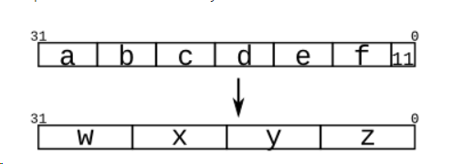 | //solution 1 module top_module ( input [7:0] in, output [7:0] out ); assign {out[0],out[1],out[2],out[3],out[4],out[5],out[6],out[7]} = in; endmodule //solution 2 module top_module ( input [7:0] in, output [7:0] out ); always @(*) begin for (int i=0; i<8; i++) // int is a SystemVerilog type. Use integer for pure Verilog. out[i] = in[8-i-1]; end endmodule //solution 3 module top_module ( input [7:0] in, output [7:0] out ); generate genvar i; for (i=0; i<8; i = i+1) begin: my_block_name assign out[i] = in[8-i-1]; end endgenerate endmodule
 | Replication operator | Build a circuit that sign-extends an 8-bit number to 32 bits. This requires a concatenation of 24 copies of the sign bit (i.e., replicate bit[7] 24 times) followed by the 8-bit number itself. |  | module top_module ( input [7:0] in, output [31:0] out ); // Concatenate two things together: // 1: {in[7]} repeated 24 times (24 bits) // 2: in[7:0] (8 bits) assign out = { {24{in[7]}}, in };//notice the braces endmodule
 | More replication | Given five 1-bit signals (a, b, c, d, and e), compute all 25 pairwise one-bit comparisons in the 25-bit output vector. The output should be 1 if the two bits being compared are equal. out[24] = ~a ^ a; // a == a, so out[24] is always 1. out[23] = ~a ^ b; out[22] = ~a ^ c; ... out[ 1] = ~e ^ d; out[ 0] = ~e ^ e; |  | module top_module ( input a, b, c, d, e, output [24:0] out ); wire [24:0] top, bottom; assign top = { {5{a}}, {5{b}}, {5{c}}, {5{d}}, {5{e}} }; assign bottom = {5{a,b,c,d,e}}; assign out = ~top ^ bottom; // Bitwise XNOR // This could be done on one line: // assign out = ~{ {5{a}}, {5{b}}, {5{c}}, {5{d}}, {5{e}} } ^ {5{a,b,c,d,e}}; endmodule
Modules: Hierarchy | Modules | create one instance of module mod_a, then connect the module's three pins (in1, in2, and out) to your top-level module's three ports (wires a, b, and out). The module mod_a is provided for you — you must instantiate it. When connecting modules, only the ports on the module are important. You do not need to know the code inside the module. The code for module mod_a looks like this: Module moda.png module mod_a ( input in1, input in2, output out ); // Module body endmodule The hierarchy of modules is created by instantiating one module inside another, as long as all of the modules used belong to the same project (so the compiler knows where to find the module). The code for one module is not written inside another module's body (Code for different modules are not nested). | 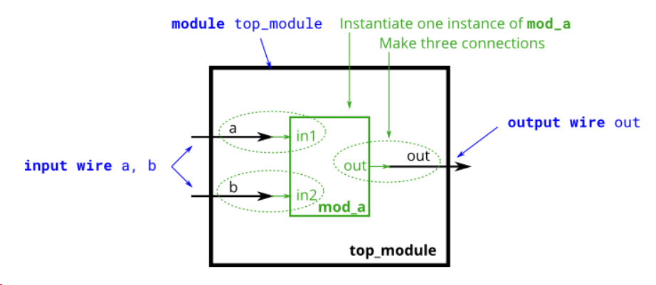 | module top_module ( input a, input b, output out ); // Create an instance of "mod_a" named "inst1", and connect ports by name: mod_a inst1 ( .in1(a), // Port"in1"connects to wire "a" .in2(b), // Port "in2" connects to wire "b" .out(out) // Port "out" connects to wire "out" // (Note: mod_a's port "out" is not related to top_module's wire "out". // It is simply coincidence that they have the same name) ); /* // Create an instance of "mod_a" named "inst2", and connect ports by position: mod_a inst2 ( a, b, out ); // The three wires are connected to ports in1, in2, and out, respectively. */ endmodule
 | Connecting ports by position | You are given a module named mod_a that has 2 outputs and 4 inputs, in that order. You must connect the 6 ports by position to your top-level module's ports out1, out2, a, b, c, and d, in that order. You are given the following module: module mod_a ( output, output, input, input, input, input ); | 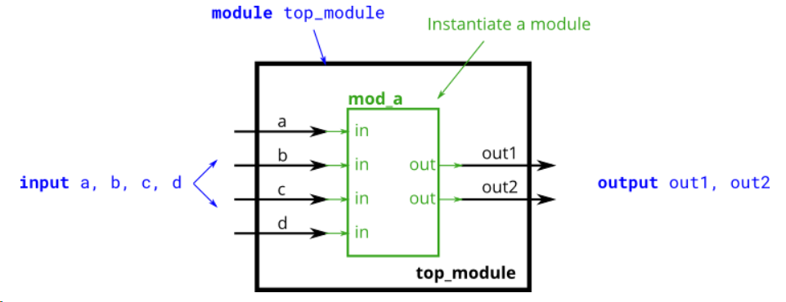 | module top_module ( input a, input b, input c, input d, output out1, output out2 ); mod_a instance1 ( out1, out2, a, b, c, d ); endmodule
 | Connecting ports by name | You are given a module named mod_a that has 2 outputs and 4 inputs, in some order. You must connect the 6 ports by name to your top-level module's ports: Port in mod_a Port in top_module output out1 out1 output out2 out2 input in1 a input in2 b input in3 c input in4 d You are given the following module: module mod_a ( output out1, output out2, input in1, input in2, input in3, input in4); | 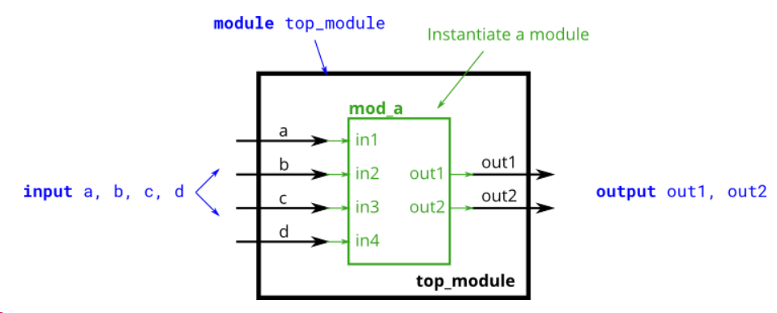 | module top_module ( input a, input b, input c, input d, output out1, output out2 ); mod_a instance1 ( .out1(out1), .out2(out2), .in1(a), .in2(b), .in3(c), .in4(d) ); endmodule
 | Three modules | You are given a module my_dff with two inputs and one output (that implements a D flip-flop). Instantiate three of them, then chain them together to make a shift register of length 3. The clk port needs to be connected to all instances. The module provided to you is: module my_dff ( input clk, input d, output q ); Note that to make the internal connections, you will need to declare some wires. Be careful about naming your wires and module instances: the names must be unique. |  | module top_module ( input clk, input d, output q ); wire a, b; // Create two wires. I called them a and b. // Create three instances of my_dff, with three different instance names (d1, d2, and d3). // Connect ports by position: ( input clk, input d, output q) my_dff d1 ( clk, d, a ); my_dff d2 ( clk, a, b ); my_dff d3 ( clk, b, q ); endmodule
 | Adder1 | You are given a module add16 that performs a 16-bit addition. Instantiate two of them to create a 32-bit adder. One add16 module computes the lower 16 bits of the addition result, while the second add16 module computes the upper 16 bits of the result, after receiving the carry-out from the first adder. Your 32-bit adder does not need to handle carry-in (assume 0) or carry-out (ignored), but the internal modules need to in order to function correctly. (In other words, the add16 module performs 16-bit a + b + cin, while your module performs 32-bit a + b). Connect the modules together as shown in the diagram below. The provided module add16 has the following declaration: module add16 ( input[15:0] a, input[15:0] b, input cin, output[15:0] sum, output cout ); | 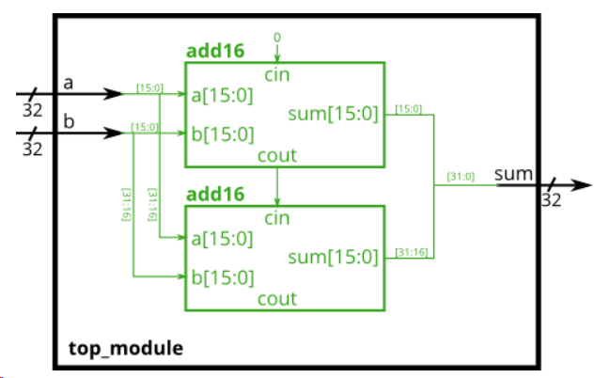 | module top_module ( input clk, input [7:0] d, input [1:0] sel, output [7:0] q ); wire [7:0] out1,out2,out3; my_dff8 instance1 (clk,d,out1); my_dff8 instance2 (clk,out1,out2); my_dff8 instance3 (clk,out2,out3); always @ (*) begin case (sel) 2'b00: q = d; 2'b01: q = out1; 2'b10: q = out2; 2'b11: q = out3; endcase end endmodule
 | Adder2 | you will create a circuit with two levels of hierarchy. Your top_module will instantiate two copies of add16 (provided), each of which will instantiate 16 copies of add1 (which you must write). Thus, you must write two modules: top_module and add1. Like module_add, you are given a module add16 that performs a 16-bit addition. You must instantiate two of them to create a 32-bit adder. One add16 module computes the lower 16 bits of the addition result, while the second add16 module computes the upper 16 bits of the result. Your 32-bit adder does not need to handle carry-in (assume 0) or carry-out (ignored). Connect the add16 modules together as shown in the diagram below. The provided module add16 has the following declaration: module add16 ( input[15:0] a, input[15:0] b, input cin, output[15:0] sum, output cout ); Within each add16, 16 full adders (module add1, not provided) are instantiated to actually perform the addition. You must write the full adder module that has the following declaration: module add1 ( input a, input b, input cin, output sum, output cout ); Recall that a full adder computes the sum and carry-out of a+b+cin. In summary, there are three modules in this design: top_module — Your top-level module that contains two of... add16, provided — A 16-bit adder module that is composed of 16 of... add1 — A 1-bit full adder module. | 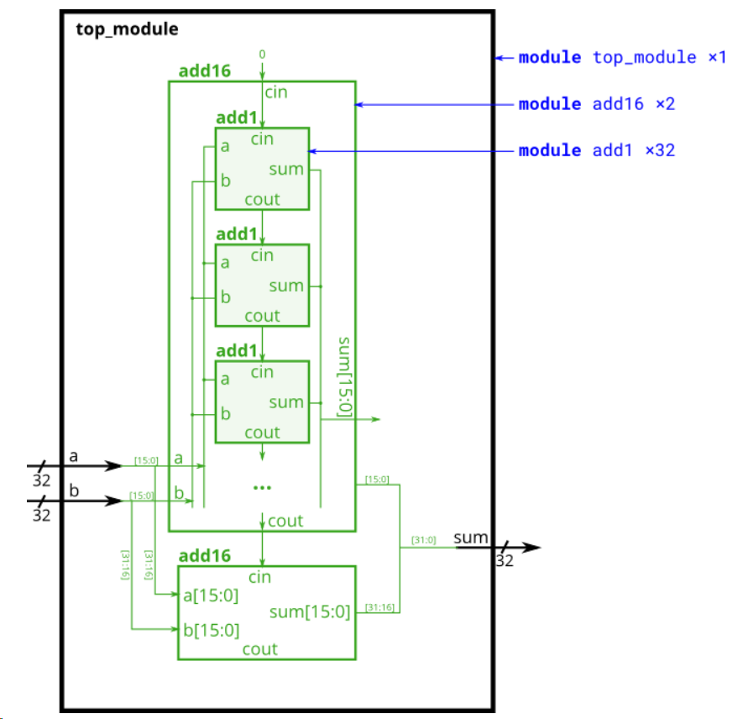 | module top_module( input [31:0] a, input [31:0] b, output [31:0] sum ); wire [15:0] low16,high16; wire cout1,cout2; add16 add16_1 (a[15:0],b[15:0],1'b0,low16,cout1); add16 add16_2 (a[31:16],b[31:16],cout1,high16,cout2); assign sum = {high16,low16}; endmodule module add1 ( input a, input b, input cin, output sum, output cout ); assign {cout,sum} = a + b + cin; // Full adder module here endmodul
 | Carry-select adder | you are provided with the same module add16 as the previous exercise, which adds two 16-bit numbers with carry-in and produces a carry-out and 16-bit sum. You must instantiate three of these to build the carry-select adder, using your own 16-bit 2-to-1 multiplexer. Connect the modules together as shown in the diagram below. The provided module add16 has the following declaration: module add16 ( input[15:0] a, input[15:0] b, input cin, output[15:0] sum, output cout ); | 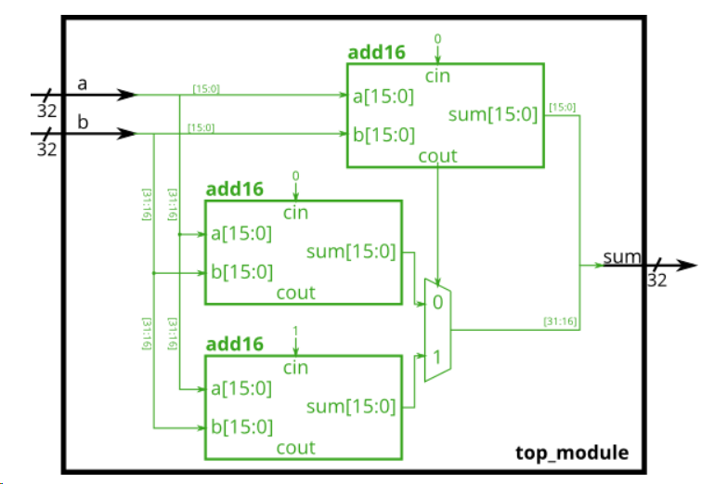 | odule top_module( input [31:0] a, input [31:0] b, output [31:0] sum ); wire [15:0] sumlow,sumhigh0,sumhigh1; wire coutlow,couthigh0,couthigh1; add16 add16low (a[15:0],b[15:0],1'b0,sumlow,coutlow); add16 add16high0 (a[31:16],b[31:16],1'b0,sumhigh0,couthigh0); add16 add16high1 (a[31:16],b[31:16],1'b1,sumhigh1,couthigh1); always @ (*) begin case (coutlow) 1'b0: sum = {sumhigh0,sumlow}; 1'b1: sum = {sumhigh1,sumlow}; endcase end endmodule
 | Adder-subtractor | Build the adder-subtractor below. You are provided with a 16-bit adder module, which you need to instantiate twice: module add16 ( input[15:0] a, input[15:0] b, input cin, output[15:0] sum, output cout ); Use a 32-bit wide XOR gate to invert the b input whenever sub is 1. (This can also be viewed as b[31:0] XORed with sub replicated 32 times. See replication operator.). Also connect the sub input to the carry-in of the adder. | 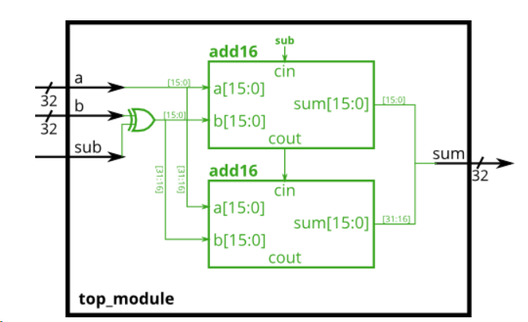 | module top_module( input [31:0] a, input [31:0] b, input sub, output [31:0] sum ); wire [31:0] xb; wire [15:0] sumlow,sumhigh; wire coutlow,couthigh; add16 add16low (a[15:0],xb[15:0],sub,sumlow,coutlow); add16 add16high (a[31:16],xb[31:16],coutlow,sumhigh,couthigh); assign xb = b ^ {32{sub}}; assign sum = {sumhigh,sumlow}; endmoduledule
Procedures | Always blocks(combinational) | Build an AND gate using both an assign statement and a combinational always block. |  | module top_module( input a, input b, output wire out_assign, output reg out_alwaysblock ); assign out_assign = a & b; always @ (*) out_alwaysblock = a & b; endmodule
 | Always blocks(clocked) | Build an XOR gate three ways, using an assign statement, a combinational always block, and a clocked always block. Note that the clocked always block produces a different circuit from the other two: There is a flip-flop so the output is delayed. | 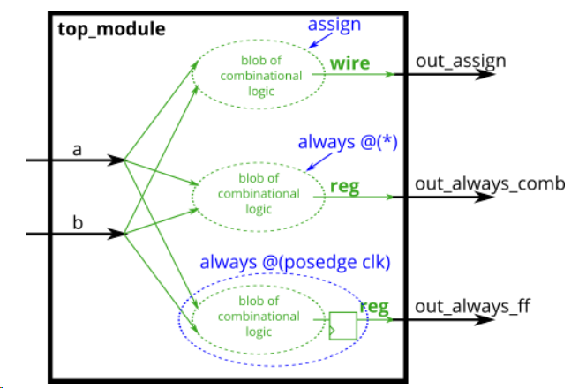 | module top_module( input clk, input a, input b, output wire out_assign, output reg out_always_comb, output reg out_always_ff ); assign out_assign = a ^ b; always @ (*) out_always_comb = a ^ b; always @(posedge clk) out_always_ff <= a ^ b; endmodule
 | If statement | Build a 2-to-1 mux that chooses between a and b. Choose b if both sel_b1 and sel_b2 are true. Otherwise, choose a. Do the same twice, once using assign statements and once using a procedural if statement. | 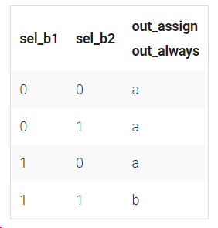 | module top_module( input a, input b, input sel_b1, input sel_b2, output wire out_assign, output reg out_always ); assign out_assign = (sel_b1 && sel_b2)? b : a; always @ (*) begin if (sel_b1 && sel_b2) begin out_always <= b ; end else begin out_always <= a ; end end endmodule
 | If statement latches | The following code contains incorrect behaviour that creates a latch. Fix the bugs so that you will shut off the computer only if it's really overheated, and stop driving if you've arrived at your destination or you need to refuel. always @(*) begin if (cpu_overheated) shut_off_computer = 1; end always @(*) begin if (~arrived) keep_driving = ~gas_tank_empty; end |  | module top_module ( input cpu_overheated, output reg shut_off_computer, input arrived, input gas_tank_empty, output reg keep_driving ); // always @(*) begin if (cpu_overheated) shut_off_computer = 1; else shut_off_computer = 0; end always @(*) begin if (~arrived) keep_driving = ~gas_tank_empty;// else keep_driving = 0; end endmodule
 | Case statement | create a 6-to-1 multiplexer. When sel is between 0 and 5, choose the corresponding data input. Otherwise, output 0. The data inputs and outputs are all 4 bits wide. |  | module top_module ( input [2:0] sel, input [3:0] data0, input [3:0] data1, input [3:0] data2, input [3:0] data3, input [3:0] data4, input [3:0] data5, output reg [3:0] out );// always@(*) begin // This is a combinational circuit case(sel) 3'b000: out = data0; 3'b001: out = data1; 3'b010: out = data2; 3'b011: out = data3; 3'b100: out = data4; 3'b101: out = data5; default: out = 3'b0000; endcase end endmodule
 | Priority encoder | Build a 4-bit priority encoder. For this problem, if none of the input bits are high (i.e., input is zero), output zero. Note that a 4-bit number has 16 possible combinations. |  | //solution 1 module top_module ( input [3:0] in, output reg [1:0] pos ); always @ (*)begin casex (in) 4'bxxx1: pos = 2'd0; 4'bxx10: pos = 2'd1; 4'bx100: pos = 2'd2; 4'b1000: pos = 2'd3; default: pos = 2'd0; endcase end endmodule //solution 2 module top_module ( input [3:0] in, output reg [1:0] pos ); always @ (*)begin casez (in) 4'b???1: pos = 2'd0;//按照case项的顺序比较，若匹配上了就不再比较 4'b??10: pos = 2'd1; 4'b?100: pos = 2'd2; 4'b1000: pos = 2'd3; default: pos = 2'd0; endcase end endmodule //solution 3 module top_module ( input [3:0] in, output reg [1:0] pos ); always @(*) begin // Combinational always block case (in) 4'h0: pos = 2'h0; // I like hexadecimal because it saves typing. 4'h1: pos = 2'h0; 4'h2: pos = 2'h1; 4'h3: pos = 2'h0; 4'h4: pos = 2'h2; 4'h5: pos = 2'h0; 4'h6: pos = 2'h1; 4'h7: pos = 2'h0; 4'h8: pos = 2'h3; 4'h9: pos = 2'h0; 4'ha: pos = 2'h1; 4'hb: pos = 2'h0; 4'hc: pos = 2'h2; 4'hd: pos = 2'h0; 4'he: pos = 2'h1; 4'hf: pos = 2'h0; default: pos = 2'b0; // Default case is not strictly necessary because all 16 combinations are covered. endcase end // There is an easier way to code this. See the next problem (always_casez). endmodule
 | Priority encoder with casez | Build a priority encoder for 8-bit inputs. Given an 8-bit vector, the output should report the first (least significant) bit in the vector that is 1. Report zero if the input vector has no bits that are high. For example, the input 8'b10010000 should output 3'd4, because bit[4] is first bit that is high. |  | module top_module ( input [7:0] in, output reg [2:0] pos ); always @(*)begin casez(in) 8'b???????1: pos = 3'd0; 8'b??????10: pos = 3'd1; 8'b?????100: pos = 3'd2; 8'b????1000: pos = 3'd3; 8'b???10000: pos = 3'd4; 8'b??100000: pos = 3'd5; 8'b?1000000: pos = 3'd6; 8'b10000000: pos = 3'd7; default: pos = 3'd0; endcase end endmodule
 | Avoiding latches | Suppose you're building a circuit to process scancodes from a PS/2 keyboard for a game. Given the last two bytes of scancodes received, you need to indicate whether one of the arrow keys on the keyboard have been pressed. This involves a fairly simple mapping, which can be implemented as a case statement (or if-elseif) with four cases. | 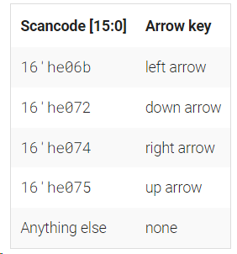 | module top_module ( input [15:0] scancode, output reg left, output reg down, output reg right, output reg up ); always @(*)begin left = 1'b0;right = 1'b0;down = 1'b0;up = 1'b0; case(scancode) 16'he06b: left = 1'b1; 16'he072: down = 1'b1; 16'he074: right = 1'b1; 16'he075: up = 1'b1; endcase end endmodule
More Verilog Features | Conditional ternary operator | Given four unsigned numbers, find the minimum. Unsigned numbers can be compared with standard comparison operators (a < b). Use the conditional operator to make two-way min circuits, then compose a few of them to create a 4-way min circuit. You'll probably want some wire vectors for the intermediate results. |  | module top_module ( input [7:0] a, b, c, d, output [7:0] min);// wire[7:0] abmin,cdmin; assign abmin = (a < b)? a:b; assign cdmin = (c < d)? c:d; assign min = (abmin < cdmin)? abmin:cdmin; // assign intermediate_result1 = compare? true: false; endmodule
 | Reduction operators | Create a circuit that will compute a parity bit for a 8-bit byte (which will add a 9th bit to the byte). We will use "even" parity, where the parity bit is just the XOR of all 8 data bits. |  | module top_module ( input [7:0] in, output parity); assign parity = ^in; endmodule
 | Reduction: Even wider gates | Build a combinational circuit with 100 inputs, in[99:0]. There are 3 outputs: out_and: output of a 100-input AND gate. out_or: output of a 100-input OR gate. out_xor: output of a 100-input XOR gate. |  | module top_module( input [99:0] in, output out_and, output out_or, output out_xor ); assign out_and = &in; assign out_or = |in; assign out_xor = ^in; endmodule
 | Combinational for-loop: Vector reversal 2 | Given a 100-bit input vector [99:0], reverse its bit ordering. |  | //solution 1 module top_module( input [99:0] in, output [99:0] out ); always@(*)begin for(integer i = 0;i<100;i=i+1) out[i] = in[99-i]; end endmodule //solution 2 module top_module ( input [99:0] in, output reg [99:0] out ); always @(*) begin for (int i=0;i<$bits(out);i++) // $bits() is a system function that returns the width of a signal. out[i] = in[$bits(out)-i-1]; // $bits(out) is 100 because out is 100 bits wide. end endmodule //solution 3 module top_module ( input [99:0] in, output reg [99:0] out ); genvar i;//生成generate中的循环变量 generate for (i=0;i<$bits(out);i=i+1) begin:Go//begin—_end和命名一定要有 assign out[i] = in[$bits(out)-1-i];//此处要用assign语句 end endgenerate endmodule
 | Combinational for-loop: 255-bit population count | A "population count" circuit counts the number of '1's in an input vector. Build a population count circuit for a 255-bit input vector. |  | module top_module( input [254:0] in, output [7:0] out ); always@(*)begin out = 8'd0; for(int i=0;i<$bits(in);i=i+1) out = out + in[i]; end endmodule
 | Generate for-loop: 100-bit binary adder 2 | Create a 100-bit binary ripple-carry adder by instantiating 100 full adders. The adder adds two 100-bit numbers and a carry-in to produce a 100-bit sum and carry out. To encourage you to actually instantiate full adders, also output the carry-out from each full adder in the ripple-carry adder. cout[99] is the final carry-out from the last full adder, and is the carry-out you usually see. |  | module top_module( input [99:0] a, b, input cin, output [99:0] cout, output [99:0] sum ); always @(*)begin {cout[0],sum[0]} = a[0] + b[0] + cin;//全加器 for (int i=1;i<$bits(a);i=i+1) {cout[i],sum[i]} = a[i] + b[i] + cout[i-1]; end endmodule
 | Generate for-loop: 100-digit BCD adder | You are provided with a BCD one-digit adder named bcd_fadd that adds two BCD digits and carry-in, and produces a sum and carry-out. module bcd_fadd ( input [3:0] a, input [3:0] b, input cin, output cout, output [3:0] sum ); Instantiate 100 copies of bcd_fadd to create a 100-digit BCD ripple-carry adder. Your adder should add two 100-digit BCD numbers (packed into 400-bit vectors) and a carry-in to produce a 100-digit sum and carry out |  | module top_module( input [399:0] a, b, input cin, output cout, output [399:0] sum ); wire [400:0] midcout; assign cout = midcout[400]; bcd_fadd bcd_fadd_0(.a(a[3:0]), .b(b[3:0]), .cin(cin), .cout(midcout[4]), .sum(sum[3:0])); generate//子模块不可在always模块内部调用，可以生成模块重复调用 genvar i; for(i=4;i<$bits(a);i=i+4) begin:Go bcd_fadd bcd_fadd_i(.a(a[i+3:i]), .b(b[i+3:i]), .cin(midcout[i]), .cout(midcout[i+4]), .sum(sum[i+3:i])); end endgenerate endmodule
Basic Gates | Wire | Implement the following circuit: in--------out |  | module top_module ( input in, output out); assign out = in; endmodule
 | GND | Implement the following circuit: 1'b0--------out | 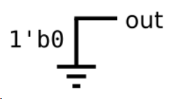 | module top_module ( output out); assign out = 1'b0; endmodule
 | NOR | Implement the following circuit: NOR gate out=~(in1+in2) | 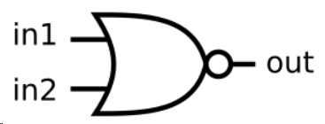 | module top_module ( input in1, input in2, output out); assign out = ~(in1|in2); endmodule
 | Another gate | Implement the following circuit: out=in1&~in2 | 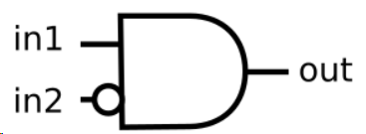 | module top_module ( input in1, input in2, output out); assign out = in1 & (!in2); endmodule
 | Two gates | Implement the following circuit: out=[~(in1^in2)]^in3 |  | module top_module ( input in1, input in2, input in3, output out); assign out = ~(in1^in2) ^ in3; endmodule
 | More logic gates | Build a combinational circuit with two inputs, a and b. There are 7 outputs, each with a logic gate driving it: out_and: a and b out_or: a or b out_xor: a xor b out_nand: a nand b out_nor: a nor b out_xnor: a xnor b out_anotb: a and-not b |  | module top_module( input a, b, output out_and, output out_or, output out_xor, output out_nand, output out_nor, output out_xnor, output out_anotb ); assign out_and = a & b; assign out_or = a | b; assign out_xor = a ^ b; assign out_nand = ~ (a & b); assign out_nor = ~ (a | b); assign out_xnor = ~ a ^ b; assign out_anotb = a & ~b; endmodule
 | 7420 chip | The 7400-series integrated circuits are a series of digital chips with a few gates each. The 7420 is a chip with two 4-input NAND gates. Create a module with the same functionality as the 7420 chip. It has 8 inputs and 2 outputs. | 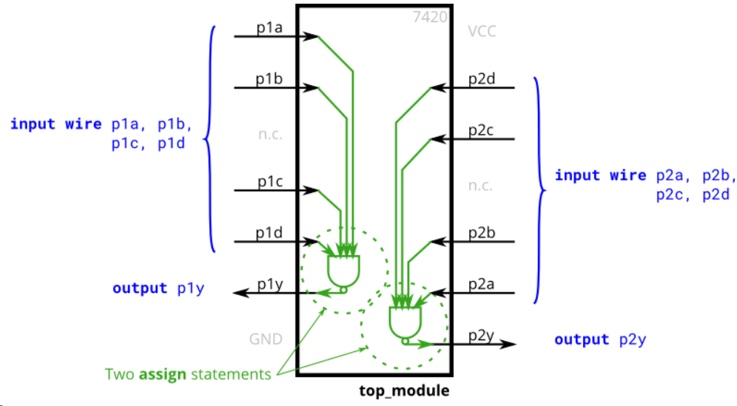 | module top_module ( input p1a, p1b, p1c, p1d, output p1y, input p2a, p2b, p2c, p2d, output p2y ); assign p1y = ~(p1a & p1b & p1c & p1d); assign p2y = ~(p2a & p2b & p2c & p2d); endmodule
 | Truth table | Create a combinational circuit that implements the below truth table. Row Inputs Outputs number x3 x2 x1 f 0 0 0 0 0 1 0 0 1 0 2 0 1 0 1 3 0 1 1 1 4 1 0 0 0 5 1 0 1 1 6 1 1 0 0 7 1 1 1 1 | 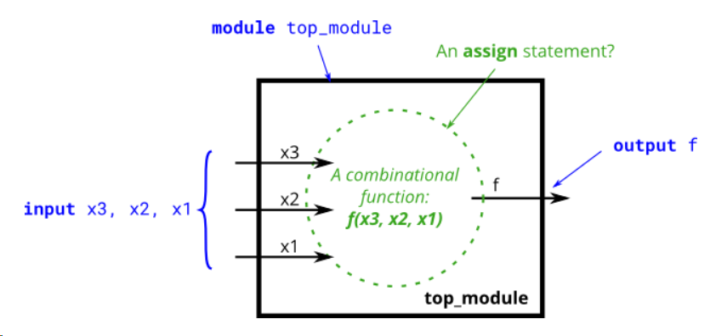 | module top_module ( input x3, input x2, input x1, output f ); // This truth table has four minterms. assign f = ( ~x3 & x2 & ~x1 ) | ( ~x3 & x2 & x1 ) | ( x3 & ~x2 & x1 ) | ( x3 & x2 & x1 ) ; // It can be simplified, by boolean algebra or Karnaugh maps. // assign f = (~x3 & x2) | (x3 & x1); // You may then notice that this is actually a 2-to-1 mux, selected by x3: // assign f = x3 ? x1 : x2; endmodule
 | Two-bit equality | Create a circuit that has two 2-bit inputs A[1:0] and B[1:0], and produces an output z. The value of z should be 1 if A = B, otherwise z should be 0. |  | module top_module( input [1:0] A, input [1:0] B, output z); assign z = (A[1:0]==B[1:0]); // Comparisons produce a 1 or 0 result. // Another option is to use a 16-entry truth table ( {A,B} is 4 bits, with 16 combinations ). // There are 4 rows with a 1 result. 0000, 0101, 1010, and 1111. endmodule
 | Simple circuit A | Taken from 2015 midterm question 4 Module A is supposed to implement the function z = (x^y) & x. Implement this module. |  | module top_module (input x, input y, output z); assign z = (x^y) & x; endmodule
 | Simple circuit B | Taken from 2015 midterm question 4 Circuit B can be described by the following simulation waveform: |  | module top_module ( input x, input y, output z ); assign z = ~x^y; endmodule
 | Combine circuits A and B | Taken from 2015 midterm question 4 See mt2015_q4a and mt2015_q4b for the submodules used here. The top-level design consists of two instantiations each of subcircuits A and B, as shown below. | 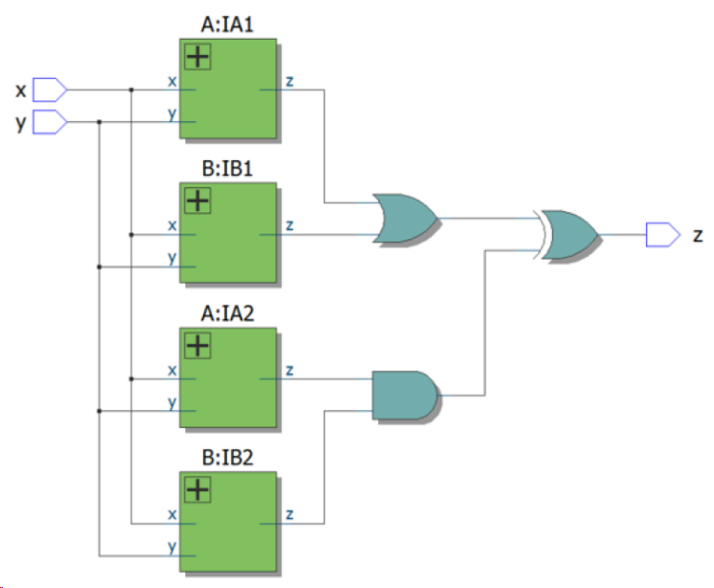 | module top_module (input x, input y, output z); wire z1,z2,z3,z4; A_module IA1(x,y,z1); B_module IB1(x,y,z2); A_module IA2(x,y,z3); B_module IB2(x,y,z4); assign z = (z1 | z2) ^ (z3 & z4); endmodule module A_module (input x, input y, output z); assign z = (x^y) & x; endmodule module B_module ( input x, input y, output z ); assign z = ~x^y; endmodule
 | Ring or vibrate? | Suppose you are designing a circuit to control a cellphone's ringer and vibration motor. Whenever the phone needs to ring from an incoming call (input ring), your circuit must either turn on the ringer (output ringer = 1) or the motor (output motor = 1), but not both. If the phone is in vibrate mode (input vibrate_mode = 1), turn on the motor. Otherwise, turn on the ringer. Try to use only assign statements. |  | module top_module ( input ring, input vibrate_mode, output ringer, // Make sound output motor // Vibrate ); assign ringer = ~vibrate_mode & ring;//list truth table assign motor = vibrate_mode & ring; endmodule
 | Thermostat | A heating/cooling thermostat controls both a heater (during winter) and an air conditioner (during summer). Implement a circuit that will turn on and off the heater, air conditioning, and blower fan as appropriate. The thermostat can be in one of two modes: heating (mode = 1) and cooling (mode = 0). In heating mode, turn the heater on when it is too cold (too_cold = 1) but do not use the air conditioner. In cooling mode, turn the air conditioner on when it is too hot (too_hot = 1), but do not turn on the heater. When the heater or air conditioner are on, also turn on the fan to circulate the air. In addition, the user can also request the fan to turn on (fan_on = 1), even if the heater and air conditioner are off. Try to use only assign statements. |  | module top_module ( input too_cold, input too_hot, input mode, input fan_on, output heater, output aircon, output fan ); assign fan = fan_on | (mode & too_cold) | (~mode & too_hot);//truth table assign heater = mode & too_cold; assign aircon = ~mode & too_hot; endmodule
 | 3-bit population count | A "population count" circuit counts the number of '1's in an input vector. Build a population count circuit for a 3-bit input vector. |  | module top_module( input [2:0] in, output [1:0] out ); assign out = in[0] + in[1] + in[2]; endmodule
 | Gates and vectors | ou are given a four-bit input vector in[3:0]. We want to know some relationships between each bit and its neighbour: out_both: Each bit of this output vector should indicate whether both the corresponding input bit and its neighbour to the left (higher index) are '1'. For example, out_both[2] should indicate if in[2] and in[3] are both 1. Since in[3] has no neighbour to the left, the answer is obvious so we don't need to know out_both[3]. out_any: Each bit of this output vector should indicate whether any of the corresponding input bit and its neighbour to the right are '1'. For example, out_any[2] should indicate if either in[2] or in[1] are 1. Since in[0] has no neighbour to the right, the answer is obvious so we don't need to know out_any[0]. out_different: Each bit of this output vector should indicate whether the corresponding input bit is different from its neighbour to the left. For example, out_different[2] should indicate if in[2] is different from in[3]. For this part, treat the vector as wrapping around, so in[3]'s neighbour to the left is in[0]. |  | //solution 1 module top_module( input [3:0] in, output [2:0] out_both, output [3:1] out_any, output [3:0] out_different ); assign out_both = {&in[3:2],&in[2:1],&in[1:0]}; assign out_any = {|in[3:2],|in[2:1],|in[1:0]}; assign out_different = {in[0]^in[3],^in[3:2],^in[2:1],^in[1:0]}; endmodule //solution 2 module top_module ( input [3:0] in, output [2:0] out_both, output [3:1] out_any, output [3:0] out_different ); // Use bitwise operators and part-select to do the entire calculation in one line of code // in[3:1] is this vector: in[3] in[2] in[1] // in[2:0] is this vector: in[2] in[1] in[0] // Bitwise-OR produces a 3 bit vector. | | | // Assign this 3-bit result to out_any[3:1]: o_a[3] o_a[2] o_a[1] // Thus, each output bit is the OR of the input bit and its neighbour to the right: // e.g., out_any[1] = in[1] | in[0]; // Notice how this works even for long vectors. assign out_any = in[3:1] | in[2:0]; assign out_both = in[2:0] & in[3:1]; // XOR 'in' with a vector that is 'in' rotated to the right by 1 position: {in[0], in[3:1]} // The rotation is accomplished by using part selects[] and the concatenation operator{}. assign out_different = in ^ {in[0], in[3:1]}; endmodule
 | Even longer vectors | You are given a 100-bit input vector in[99:0]. We want to know some relationships between each bit and its neighbour: out_both: Each bit of this output vector should indicate whether both the corresponding input bit and its neighbour to the left are '1'. For example, out_both[98] should indicate if in[98] and in[99] are both 1. Since in[99] has no neighbour to the left, the answer is obvious so we don't need to know out_both[99]. out_any: Each bit of this output vector should indicate whether any of the corresponding input bit and its neighbour to the right are '1'. For example, out_any[2] should indicate if either in[2] or in[1] are 1. Since in[0] has no neighbour to the right, the answer is obvious so we don't need to know out_any[0]. out_different: Each bit of this output vector should indicate whether the corresponding input bit is different from its neighbour to the left. For example, out_different[98] should indicate if in[98] is different from in[99]. For this part, treat the vector as wrapping around, so in[99]'s neighbour to the left is in[0]. |  | module top_module( input [99:0] in, output [98:0] out_both, output [99:1] out_any, output [99:0] out_different ); assign out_any = in[99:1] | in[98:0]; assign out_both = in[98:0] & in[99:1]; assign out_different = in ^ {in[0], in[99:1]}; endmodule
Mutiplexers | 2-to-1 multiplexer | Create a one-bit wide, 2-to-1 multiplexer. When sel=0, choose a. When sel=1, choose b. |  | //solution 1 module top_module ( input a, input b, input sel, output out ); assign out = (sel & b) | (~sel & a); // Mux expressed as AND and OR // Ternary operator is easier to read, especially if vectors are used: // assign out = sel ? b : a; endmodule //solution 2 module top_module( input a, b, sel, output out ); assign out = sel? b:a;//ternary operator endmodule
 | 2-to-1 bus multiplexer | Create a 100-bit wide, 2-to-1 multiplexer. When sel=0, choose a. When sel=1, choose b. |  | module top_module( input [99:0] a, b, input sel, output [99:0] out ); assign out = sel? b:a; endmodule
 | 9-to-1 multiplexer | Create a 16-bit wide, 9-to-1 multiplexer. sel=0 chooses a, sel=1 chooses b, etc. For the unused cases (sel=9 to 15), set all output bits to '1'. |  | //solution 1 module top_module( input [15:0] a, b, c, d, e, f, g, h, i, input [3:0] sel, output [15:0] out ); always@(*)begin case(sel) 4'd0: out = a; 4'd1: out = b; 4'd2: out = c; 4'd3: out = d; 4'd4: out = e; 4'd5: out = f; 4'd6: out = g; 4'd7: out = h; 4'd8: out = i; default:out = 16'hffff; endcase end endmodule //solution 2 module top_module ( input [15:0] a,, b, c, d, e, f, g, h, i, output logic [15:0] out ); // Case statements can only be used inside procedural blocks (always block) // This is a combinational circuit, so use a combinational always @(*) block. always @(*) begin out = '1; // '1 is a special literal syntax for a number with all bits set to 1. // '0, 'x, and 'z are also valid. // I prefer to assign a default value to 'out' instead of using a // default case. case (sel) 4'h0: out = a; 4'h1: out = b; 4'h2: out = c; 4'h3: out = d; 4'h4: out = e; 4'h5: out = f; 4'h6: out = g; 4'h7: out = h; 4'h8: out = i; endcase end endmodule
 | 256-to-1 multiplexer | Create a 1-bit wide, 256-to-1 multiplexer. The 256 inputs are all packed into a single 256-bit input vector. sel=0 should select in[0], sel=1 selects bits in[1], sel=2 selects bits in[2], etc. |  | module top_module ( input [255:0] in, input [7:0] sel, output out ); // Select one bit from vector in[]. The bit being selected can be variable. assign out = in[sel]; endmodule
 | 256-to-1 4-bit multiplexer | Create a 4-bit wide, 256-to-1 multiplexer. The 256 4-bit inputs are all packed into a single 1024-bit input vector. sel=0 should select bits in[3:0], sel=1 selects bits in[7:4], sel=2 selects bits in[11:8], etc. |  | //solution 1 module top_module ( input [1023:0] in, input [7:0] sel, output [3:0] out ); assign out = {in[sel*4+3], in[sel*4+2], in[sel*4+1], in[sel*4+0]};//combine all bits endmodule //solution 2 module top_module( input [1023:0] in, input [7:0] sel, output [3:0] out ); assign out = in[sel * 4 +: 4];// up to 4 bits //assign out = in[4*sel+3-:4]; //down to 4 bits //in[4*sel+3:4*sel] can't identify the width endmodule
Arithmetic Circuits | Half adder | Create a half adder. A half adder adds two bits (with no carry-in) and produces a sum and carry-out. |  | module top_module( input a, b, output cout, sum ); assign {cout,sum} = a + b ; endmodule
 | Full adder | Create a full adder. A full adder adds three bits (including carry-in) and produces a sum and carry-out. |  | module top_module( input a, b, cin, output cout, sum ); assign {cout,sum} = a + b + cin; endmodule
 | 3-bit binary adder | make 3 instances of it to create a 3-bit binary ripple-carry adder. The adder adds two 3-bit numbers and a carry-in to produce a 3-bit sum and carry out.Also output the carry-out from each full adder in the ripple-carry adder. cout[2] is the final carry-out from the last full adder, and is the carry-out you usually see. |  | module top_module( input [2:0] a, b, input cin, output [2:0] cout, output [2:0] sum ); full_adder adder1(a[0],b[0],cin,cout[0],sum[0]); full_adder adder2(a[1],b[1],cout[0],cout[1],sum[1]); full_adder adder3(a[2],b[2],cout[1],cout[2],sum[2]); endmodule //submodule module full_adder( input a, b, cin, output cout, sum ); assign {cout,sum} = a + b + cin; endmodule
 | Adder | Implement the following circuit: | 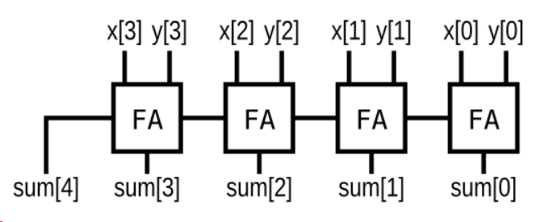 | //solution 1 module top_module ( input [3:0] x, input [3:0] y, output [4:0] sum ); assign sum = x+y; // Verilog addition automatically produces the carry-out bit. endmodule //solution 2 module top_module ( input [3:0] x, input [3:0] y, output [4:0] sum); wire co1,co2,co3,co4; full_adder FA1(x[0],y[0],1'b0,co1,sum[0]); full_adder FA2(x[1],y[1],co1,co2,sum[1]); full_adder FA3(x[2],y[2],co2,co3,sum[2]); full_adder FA4(x[3],y[3],co3,co4,sum[3]); assign sum[4] = co4; endmodule //submodule module full_adder( input a, b, cin, output cout, sum ); assign {cout,sum} = a + b + cin; endmodule
 | Signed addition overflow | Assume that you have two 8-bit 2's complement numbers, a[7:0] and b[7:0]. These numbers are added to produce s[7:0]. Also compute whether a (signed) overflow has occurred. |  | module top_module ( input [7:0] a, input [7:0] b, output [7:0] s, output overflow ); // assign s = a + b; assign overflow = (a[7]==b[7])? s[7]^a[7]:1'b0 ; //Determine if the sign bits are the same //if they are, determine if the sign of the sum is the same as the sign of the addition endmodule
 | 100-bit binary adder | Create a 100-bit binary adder. The adder adds two 100-bit numbers and a carry-in to produce a 100-bit sum and carry out. |  | module top_module( input [99:0] a, b, input cin, output cout, output [99:0] sum ); assign {cout,sum} = a + b + cin; endmodule
 | 4-digit BCD adder | You are provided with a BCD (binary-coded decimal) one-digit adder named bcd_fadd that adds two BCD digits and carry-in, and produces a sum and carry-out. module bcd_fadd ( input [3:0] a, input [3:0] b, input cin, output cout, output [3:0] sum ); Instantiate 4 copies of bcd_fadd to create a 4-digit BCD ripple-carry adder. Your adder should add two 4-digit BCD numbers (packed into 16-bit vectors) and a carry-in to produce a 4-digit sum and carry out. |  | module top_module( input [15:0] a, b, input cin, output cout, output [15:0] sum ); wire mcout[2:0]; bcd_fadd BCDadd1(a[3:0],b[3:0],cin,mcout[0],sum[3:0]); bcd_fadd BCDadd2(a[7:4],b[7:4],mcout[0],mcout[1],sum[7:4]); bcd_fadd BCDadd3(a[11:8],b[11:8],mcout[1],mcout[2],sum[11:8]); bcd_fadd BCDadd4(a[15:12],b[15:12],mcout[2],cout,sum[15:12]); endmodule
Karnaugh Map to Circuit | 3-variable | Implement the circuit described by the Karnaugh map below. | 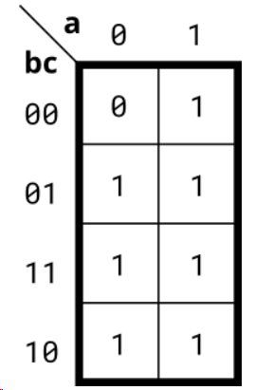 | module top_module( input a, input b, input c, output out ); assign out = a | b | c ; // sum-of-products // assign out = ~(~a & ~b & ~c) ; // product-of-sums endmodule
 | 4-variable | Implement the circuit described by the Karnaugh map below. | 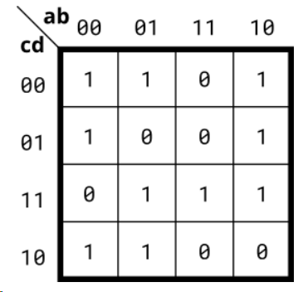 | module top_module( input a, input b, input c, input d, output out ); // assign out = ~a&~d | ~b&~c | ~a&b&c | a&c&d ; // sum-of-products assign out = (~a|~b|c) & (~b|c|~d) & (~a|~c|d) & (a|b|~c|~d); // product-of-sums endmodule
 | 4-variable | Implement the circuit described by the Karnaugh map below. | 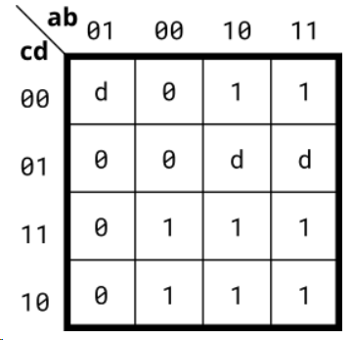 | module top_module( input a, input b, input c, input d, output out ); assign out = a | ~b&c ; // sum-of-products // assign out = (a|~b) & (a|c) ; //product-of-sums endmodule
 | 4-variable | Implement the circuit described by the Karnaugh map below. | 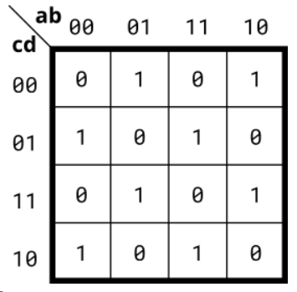 | module top_module( input a, input b, input c, input d, output out ); assign out = a^b^c^d ; // The number of 1's is odd endmodule
 | Minimum SOP and POS | A single-output digital system with four inputs (a,b,c,d) generates a logic-1 when 2, 7, or 15 appears on the inputs, and a logic-0 when 0, 1, 4, 5, 6, 9, 10, 13, or 14 appears. The input conditions for the numbers 3, 8, 11, and 12 never occur in this system. For example, 7 corresponds to a,b,c,d being set to 0,1,1,1, respectively. Determine the output out_sop in minimum SOP form, and the output out_pos in minimum POS form. |  | module top_module ( input a, input b, input c, input d, output out_sop, output out_pos ); assign out_sop = c&d | (~a&~b&c) ; assign out_pos = c & (~b|d) & (~a|d) ; endmodule
 | Karnaugh map | Consider the function f shown in the Karnaugh map below. Implement this function. d is don't-care, which means you may choose to output whatever value is convenient. | 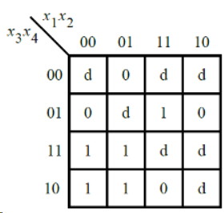 | module top_module ( input [4:1] x, output f ); assign f = ~x[1]&x[3] | x[2]&x[4] ; endmodule
 | Karnaugh map | Consider the function f shown in the Karnaugh map below. Implement this function. | 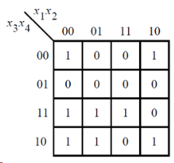 | module top_module ( input [4:1] x, output f ); // assign f = (x[1]&~x[2]&~x[4]) | (x[2]&x[3]&x[4]) | (~x[1]&x[3]) | (~x[1]&~x[2]&~x[4]) ; assign f = (~x[2]|x[3]) & (x[3]|~x[4]) & (~x[1]|x[2]|~x[4]) & (~x[1]|~x[2]|x[4]) ; endmodule
 | K-map implemented with a multiplexer | For the following Karnaugh map, give the circuit implementation using one 4-to-1 multiplexer and as many 2-to-1 multiplexers as required, but using as few as possible. You are not allowed to use any other logic gate and you must use a and b as the multiplexer selector inputs, as shown on the 4-to-1 multiplexer below. You are implementing just the portion labelled top_module, such that the entire circuit (including the 4-to-1 mux) implements the K-map. | 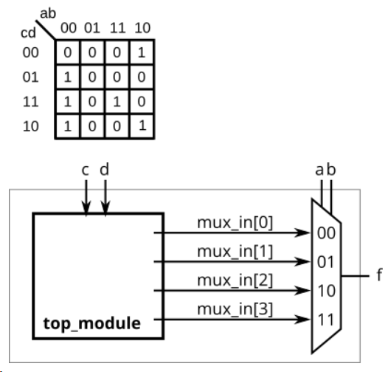 | module top_module ( input c, input d, output [3:0] mux_in ); always @(*)begin mux_in = 4'b0000; // default case({c,d}) 2'b00: mux_in = 4'b0100; 2'b01: mux_in = 4'b0001; 2'b11: mux_in = 4'b1001; 2'b10: mux_in = 4'b0101; endcase end endmodule
Sequential Logic | D flip-flop | Create a single D flip-flop. |  | module top_module ( input clk, // Clocks are used in sequential circuits input d, output reg q );// always@(posedge clk) q <= d ; // Use a clocked always block // copy d to q at every positive edge of clk // Clocked always blocks should use non-blocking assignments endmodule
 | D flip-flops | Create 8 D flip-flops. All DFFs should be triggered by the positive edge of clk. |  | module top_module ( input clk, input [7:0] d, output [7:0] q ); always@(posedge clk) q <= d; endmodule
 | DFF with reset | Create 8 D flip-flops with active high synchronous reset. All DFFs should be triggered by the positive edge of clk. |  | module top_module ( input clk, input reset, // Synchronous reset input [7:0] d, output [7:0] q ); always@(posedge clk)begin if (reset) q <= 8'd0; else q <= d; end endmodule
 | DFF with reset value | Create 8 D flip-flops with active high synchronous reset. The flip-flops must be reset to 0x34 rather than zero. All DFFs should be triggered by the negative edge of clk. |  | module top_module ( input clk, input reset, input [7:0] d, output [7:0] q ); always@(negedge clk)begin if(reset) q = 8'h34; else q <= d; end endmodule
 | DFF with asynchronous reset | Create 8 D flip-flops with active high asynchronous reset. All DFFs should be triggered by the positive edge of clk. |  | module top_module ( input clk, input areset, // active high asynchronous reset input [7:0] d, output [7:0] q ); // posedge areset：mixed single- and double-edge expressions are not supported // or ：can’t be changed to || always@(posedge clk or posedge areset)begin if(areset) q <= 8'd0; else q <= d; end endmodule
 | DFF with byte enable | Create 16 D flip-flops. It's sometimes useful to only modify parts of a group of flip-flops. The byte-enable inputs control whether each byte of the 16 registers should be written to on that cycle. byteena[1] controls the upper byte d[15:8], while byteena[0] controls the lower byte d[7:0]. resetn is a synchronous, active-low reset. All DFFs should be triggered by the positive edge of clk. |  | module top_module ( input clk, input resetn, input [1:0] byteena, input [15:0] d, output [15:0] q ); always@(posedge clk)begin if(~resetn) q <= 16'd0; else begin if(byteena[0]) q[7:0] <= d[7:0]; if(byteena[1]) q[15:8] <= d[15:8]; end end endmodule
 | D Latch | Implement the following circuit: D Latch Note that this is a latch, so a Quartus warning about having inferred a latch is expected. | 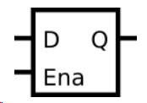 | module top_module ( input d, input ena, output q); always@(*)begin if(ena) q <= d; end endmodule
 | DFF | Implement the following circuit: | 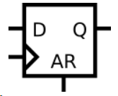 | module top_module ( input clk, input d, input ar, // asynchronous reset output q); always@(posedge clk or posedge ar)begin if(ar) q <= 1'b0; else q <= d; end endmodule
 | DFF | Implement the following circuit: | 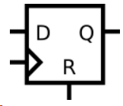 | module top_module ( input clk, input d, input r, // synchronous reset output q); always@(posedge clk)begin if(r) q <= 1'b0; else q <= d; end endmodule
 | DFF+gate | Implement the following circuit: | 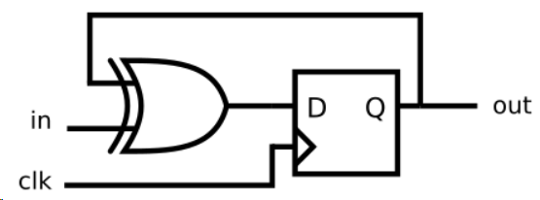 | module top_module ( input clk, input in, output out); always@(posedge clk)out <= out^in; endmodule
 | Mux and DFF | Consider the sequential circuit below: Assume that you want to implement hierarchical Verilog code for this circuit, using three instantiations of a submodule that has a flip-flop and multiplexer in it. Write a Verilog module (containing one flip-flop and multiplexer) named top_module for this submodule. | 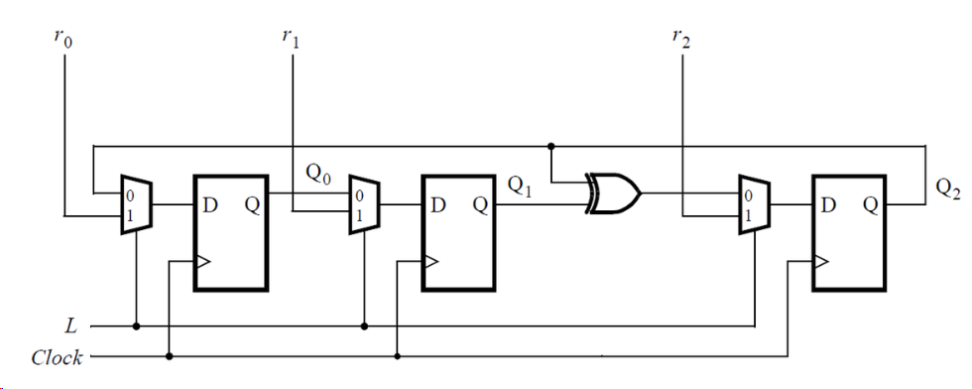 | module top_module ( input clk, input L, input r_in, input q_in, output reg Q); wire D; assign D = L? r_in:q_in; always@(posedge clk) Q <= D; endmodule
 | Mux and DFF | Consider the n-bit shift register circuit shown below: Write a Verilog module named top_module for one stage of this circuit, including both the flip-flop and multiplexers. | 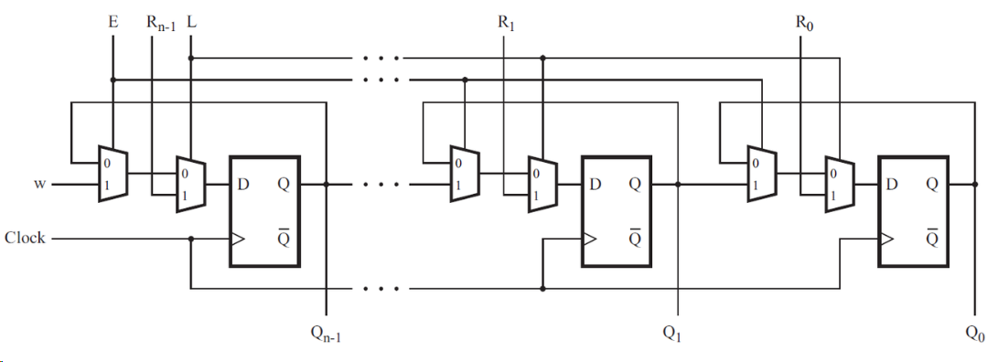 | module top_module ( input clk, input w, R, E, L, output Q ); wire O1,D; assign O1 = E? w:Q; assign D = L? R:O1; always@(posedge clk) Q <= D; endmodule
 | DFFs and gates | Given the finite state machine circuit as shown, assume that the D flip-flops are initially reset to zero before the machine begins. Build this circuit. | 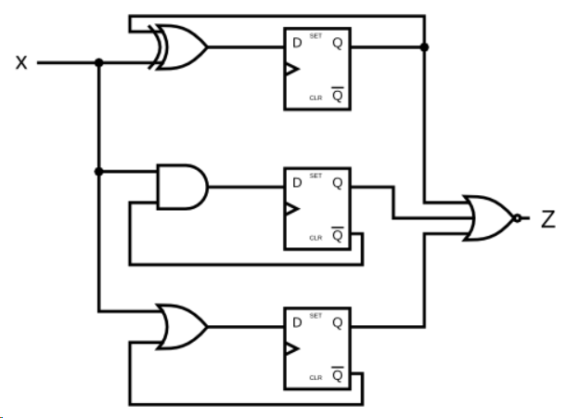 | module top_module ( input clk, input x, output z ); wire D1,D2,D3,Q1,Q2,Q3; assign D1 = x ^ Q1; assign D2 = x & ~Q2; assign D3 = x | ~Q3; assign z = ~(Q1|Q2|Q3); always@(posedge clk)begin Q1 <= D1; Q2 <= D2; Q3 <= D3; end endmodule
 | Create circuit from truth table | A JK flip-flop has the below truth table. Implement a JK flip-flop with only a D-type flip-flop and gates. Note: Qold is the output of the D flip-flop before the positive clock edge. J K Q 0 0 Qold 0 1 0 1 0 1 1 1 ~Qold | 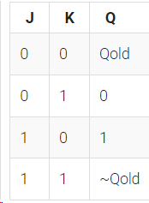 | module top_module ( input clk, input j, input k, output Q); wire D; assign D = ~k&Q | j&~Q; always@(posedge clk) Q <= D; endmodule
 | Detect an edge | For each bit in an 8-bit vector, detect when the input signal changes from 0 in one clock cycle to 1 the next (similar to positive edge detection). The output bit should be set the cycle after a 0 to 1 transition occurs. |  | module top_module ( input clk, input [7:0] in, output [7:0] pedge ); reg [7:0] mid; always@(posedge clk) mid <= in; always@(posedge clk) pedge <= in&~mid; endmodule
 | Detect both edges | For each bit in an 8-bit vector, detect when the input signal changes from 0 in one clock cycle to 1 the next (similar to positive edge detection). The output bit should be set the cycle after a 0 to 1 transition occurs. |  | module top_module ( input clk, input [7:0] in, output [7:0] anyedge ); reg [7:0] mid; always@(posedge clk) mid <= in; always@(posedge clk) anyedge <= in^mid; endmodule
 | Edge capture register | For each bit in a 32-bit vector, capture when the input signal changes from 1 in one clock cycle to 0 the next. "Capture" means that the output will remain 1 until the register is reset (synchronous reset). Each output bit behaves like a SR flip-flop: The output bit should be set (to 1) the cycle after a 1 to 0 transition occurs. The output bit should be reset (to 0) at the positive clock edge when reset is high. If both of the above events occur at the same time, reset has precedence. | 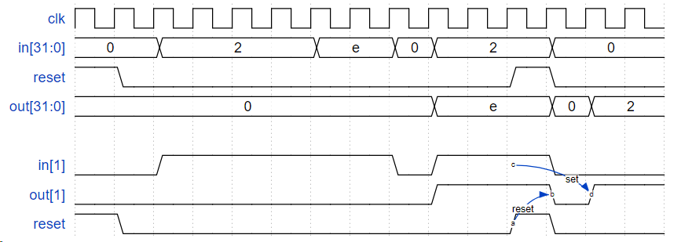 | module top_module ( input clk, input reset, input [31:0] in, output [31:0] out ); reg [31:0] in_reg; always@(posedge clk)begin in_reg <= in; end always@(posedge clk)begin if(reset) out <= 32'd0; else out <= ~in & in_reg | out;//if ~in & in_reg == 32'd0, out keeps old value. If not, identifies negedge end endmodule
 | Dual-edge triggered flip-flop | Build a circuit that functionally behaves like a dual-edge triggered flip-flop: A dual-edge triggered flip-flop is triggered on both edges of the clock. However, FPGAs don't have dual-edge triggered flip-flops, and always @(posedge clk or negedge clk) is not accepted as a legal sensitivity list. |  | // solution 1 module top_module ( input clk, input d, output q ); wire q1,q2; always@(posedge clk) q1 <= d; always@(negedge clk) q2 <= d; assign q = clk? q1:q2; endmodule // solution 2 module top_module( input clk, input d, output q); reg p, n; // A positive-edge triggered flip-flop always @(posedge clk) p <= d ^ n; // A negative-edge triggered flip-flop always @(negedge clk) n <= d ^ p; // Why does this work? // After posedge clk, p changes to d^n. Thus q = (p^n) = (d^n^n) = d. // After negedge clk, n changes to p^n. Thus q = (p^n) = (p^d^p) = d. // At each (positive or negative) clock edge, p and n FFs alternately // load a value that will cancel out the other and cause the new value of d to remain. assign q = p ^ n; // Can't synthesize this. /*always @(posedge clk, negedge clk) begin q <= d; end*/ endmodule
Counters | Four-bit binary counter | Build a 4-bit binary counter that counts from 0 through 15, inclusive, with a period of 16. The reset input is synchronous, and should reset the counter to 0. |  | module top_module ( input clk, input reset, // Synchronous active-high reset output [3:0] q); always@(posedge clk)begin if(reset) q <= 4'd0; else q <= q + 1'b1; end endmodule
 | Decade counter | Build a decade counter that counts from 0 through 9, inclusive, with a period of 10. The reset input is synchronous, and should reset the counter to 0. |  | module top_module ( input clk, input reset, // Synchronous active-high reset output [3:0] q); always@(posedge clk)begin if(reset || q == 9)//can't be changed for "or" q <= 4'd0; else q <= q + 1'b1; end endmodule
 | Decade counter again | Make a decade counter that counts 1 through 10, inclusive. The reset input is synchronous, and should reset the counter to 1. |  | module top_module ( input clk, input reset, output [3:0] q); always @(posedge clk)begin if(reset || q == 10) q <= 1'b1; else q <= q + 1'b1; end endmodule
 | Slow decade counter | Build a decade counter that counts from 0 through 9, inclusive, with a period of 10. The reset input is synchronous, and should reset the counter to 0. We want to be able to pause the counter rather than always incrementing every clock cycle, so the slowena input indicates when the counter should increment. |  | module top_module ( input clk, input slowena, input reset, output [3:0] q); always@(posedge clk)begin if(reset) q <= 0; else if(slowena)begin if (q == 9)//slowena is high q <= 0; else q <= q + 1; end else q <= q; end endmodule
 | Counter 1-12 | Design a 1-12 counter with the following inputs and outputs: Reset Synchronous active-high reset that forces the counter to 1 Enable Set high for the counter to run Clk Positive edge-triggered clock input Q[3:0] The output of the counter c_enable, c_load, c_d[3:0] Control signals going to the provided 4-bit counter, so correct operation can be verified. You have the following components available: the 4-bit binary counter (count4) below, which has Enable and synchronous parallel-load inputs (load has higher priority than enable). The count4 module is provided to you. Instantiate it in your circuit. logic gates module count4( input clk, input enable, input load, input [3:0] d, output reg [3:0] Q ); The c_enable, c_load, and c_d outputs are the signals that go to the internal counter's enable, load, and d inputs, respectively. Their purpose is to allow these signals to be checked for correctness. |  | module top_module ( input clk, input reset, input enable, output [3:0] Q, output c_enable, output c_load, output [3:0] c_d ); // assign c_enable = enable; always@(posedge clk)begin if(reset || Q == 12)begin c_load <= 0; c_d <= 1; end else c_load <= 1; end count4 the_counter (clk, c_enable, c_load, c_d , Q ); endmodule
 | Counter 1000 | From a 1000 Hz clock, derive a 1 Hz signal, called OneHertz, that could be used to drive an Enable signal for a set of hour/minute/second counters to create a digital wall clock. Since we want the clock to count once per second, the OneHertz signal must be asserted for exactly one cycle each second. Build the frequency divider using modulo-10 (BCD) counters and as few other gates as possible. Also output the enable signals from each of the BCD counters you use (c_enable[0] for the fastest counter, c_enable[2] for the slowest). The following BCD counter is provided for you. Enable must be high for the counter to run. Reset is synchronous and set high to force the counter to zero. All counters in your circuit must directly use the same 1000 Hz signal. module bcdcount ( input clk, input reset, input enable, output reg [3:0] Q ); |  | module top_module ( input clk, input reset, output OneHertz, output [2:0] c_enable ); // reg [3:0] Q0,Q1,Q2; always@(posedge clk)begin if(reset) c_enable[0] = 1; end assign c_enable[1] = (Q0 == 4'd9); assign c_enable[2] = ({Q1,Q0} == 8'h99); assign OneHertz = ({Q2,Q1,Q0} == 12'h999)? 1'b1:1'b0; bcdcount counter0 (clk, reset, c_enable[0], Q0); bcdcount counter1 (clk, reset, c_enable[1], Q1); bcdcount counter2 (clk, reset, c_enable[2], Q2); endmodule
 | 4-digit decimal counter | Build a 4-digit BCD (binary-coded decimal) counter. Each decimal digit is encoded using 4 bits: q[3:0] is the ones digit, q[7:4] is the tens digit, etc. For digits [3:1], also output an enable signal indicating when each of the upper three digits should be incremented. | 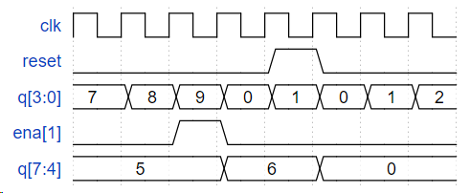 | // solution 1 module top_module ( input clk, input reset, // Synchronous active-high reset output [3:1] ena, output [15:0] q); wire ena0; always@(posedge clk)begin if(reset) ena0 = 1; end assign ena[1] = (q[3:0] == 4'h9); assign ena[2] = (q[7:0] == 8'h99); assign ena[3] = (q[11:0] == 12'h999); modulo_10 counter0 (clk, reset, ena0, q[3:0]); modulo_10 counter1 (clk, reset, ena[1], q[7:4]); modulo_10 counter2 (clk, reset, ena[2], q[11:8]); modulo_10 counter3 (clk, reset, ena[3], q[15:12]); endmodule module modulo_10 ( input clk, input reset, input slowena, output [3:0] q); always@(posedge clk)begin if(reset) q <= 0; else if(slowena)begin if (q == 9)//slowena is high q <= 0; else q <= q + 1; end else q <= q; end endmodule // solution 2 module top_module ( input clk, input reset, // Synchronous active-high reset output [3:1] ena, output [15:0] q); reg [3:0] ones; reg [3:0] tens; reg [3:0] hundreds; reg [3:0] thousands; always@(posedge clk)begin if(reset)begin ones <= 4'd0; end else if(ones == 4'd9)begin ones <= 4'd0; end else begin ones <= ones + 1'b1; end end always@(posedge clk)begin if(reset)begin tens <= 4'd0; end else if(tens == 4'd9 && ones == 4'd9)begin tens <= 4'd0; end else if(ones == 4'd9) begin tens <= tens + 1'b1; end end always@(posedge clk)begin if(reset)begin hundreds <= 4'd0; end else if(hundreds == 4'd9 && tens == 4'd9 && ones == 4'd9)begin hundreds <= 4'd0; end else if(tens == 4'd9 && ones == 4'd9) begin hundreds <= h
 | 12-hour clock | Create a set of counters suitable for use as a 12-hour clock (with am/pm indicator). Your counters are clocked by a fast-running clk, with a pulse on ena whenever your clock should increment (i.e., once per second). reset resets the clock to 12:00 AM. pm is 0 for AM and 1 for PM. hh, mm, and ss are two BCD (Binary-Coded Decimal) digits each for hours (01-12), minutes (00-59), and seconds (00-59). Reset has higher priority than enable, and can occur even when not enabled. The following timing diagram shows the rollover behaviour from 11:59:59 AM to 12:00:00 PM and the synchronous reset and enable behaviour. | 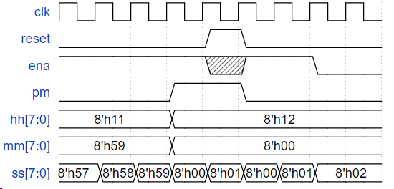 | module top_module( input clk, input reset, input ena, output pm, output [7:0] hh, output [7:0] mm, output [7:0] ss); reg pm_temp; reg [3:0] ss_ones; reg [3:0] ss_tens; reg [3:0] mm_ones; reg [3:0] mm_tens; reg [3:0] hh_ones; reg [3:0] hh_tens; wire add_ss_ones; wire end_ss_ones; wire add_ss_tens; wire end_ss_tens; wire add_mm_ones; wire end_mm_ones; wire add_mm_tens; wire end_mm_tens; wire add_hh_ones; wire end_hh_ones_0; wire end_hh_ones_1; wire add_hh_tens; wire end_hh_tens_0; wire end_hh_tens_1; wire pm_ding; always@(posedge clk)begin if(reset)begin ss_ones <= 4'd0; end else if(add_ss_ones)begin if(end_ss_ones)begin ss_ones <= 4'd0; end else begin ss_ones <= ss_ones + 1'b1; end end end assign add_ss_ones = ena; assign end_ss_ones = add_ss_ones && ss_ones == 4'd9; always@(posedge clk)begin if(reset)begin ss_tens <= 4'd0; end else if(add_ss_tens)begin if(end_ss_tens)begin ss_tens <= 4'd0; end else begin ss_tens <= ss_tens + 1'b1; end end end assign add_ss_tens = end_ss_ones; assign end_ss_tens = add_ss_tens && ss_tens == 4'd5; always@(posedge clk)begin if(reset)begin mm_ones <= 4'd0; end else if(add_mm_ones)begin if(end_mm_ones)begin mm_ones <= 4'd0; end else begin mm_ones <= mm_ones + 1'b1; end end end assign add_mm_ones = end_ss_tens; assign end_mm_ones = add_mm_ones && mm_ones == 4'd9; always@(posedge clk)begin if(reset)begin mm_tens <= 4'd0; end
Shift Registers | 4-bit shift register | Build a 4-bit shift register (right shift), with asynchronous reset, synchronous load, and enable. areset: Resets shift register to zero. load: Loads shift register with data[3:0] instead of shifting. ena: Shift right (q[3] becomes zero, q[0] is shifted out and disappears). q: The contents of the shift register. If both the load and ena inputs are asserted (1), the load input has higher priority. |  | module top_module( input clk, input areset, // async active-high reset to zero input load, input ena, input [3:0] data, output reg [3:0] q); always@(posedge clk or posedge areset)begin if(areset) q <= 4'd0; else if(load) q <= data; else if(ena) q <= {1'b0,q[3:1]};//q <= q[3:1]; Use vector part select to express a shift. else q <= q; end endmodule
 | Left/right rotator | Build a 100-bit left/right rotator, with synchronous load and left/right enable. A rotator shifts-in the shifted-out bit from the other end of the register, unlike a shifter that discards the shifted-out bit and shifts in a zero. If enabled, a rotator rotates the bits around and does not modify/discard them. load: Loads shift register with data[99:0] instead of rotating. ena[1:0]: Chooses whether and which direction to rotate. 2'b01 rotates right by one bit 2'b10 rotates left by one bit 2'b00 and 2'b11 do not rotate. q: The contents of the rotator. |  | module top_module( input clk, input load, input [1:0] ena, input [99:0] data, output reg [99:0] q); always@(posedge clk)begin if(load) q <= data; else begin case(ena) 2'b01: q <= {q[0],q[99:1]}; 2'b10: q <= {q[98:0],q[99]}; default: q <= q; endcase end end endmodule
 | Left/right arithmatic shift by 1 or 8 | Build a 64-bit arithmetic shift register, with synchronous load. The shifter can shift both left and right, and by 1 or 8 bit positions, selected by amount. An arithmetic right shift shifts in the sign bit of the number in the shift register (q[63] in this case) instead of zero as done by a logical right shift. Another way of thinking about an arithmetic right shift is that it assumes the number being shifted is signed and preserves the sign, so that arithmetic right shift divides a signed number by a power of two. There is no difference between logical and arithmetic left shifts. load: Loads shift register with data[63:0] instead of shifting. ena: Chooses whether to shift. amount: Chooses which direction and how much to shift. 2'b00: shift left by 1 bit. 2'b01: shift left by 8 bits. 2'b10: shift right by 1 bit. 2'b11: shift right by 8 bits. q: The contents of the shifter. |  | module top_module( input clk, input load, input ena, input [1:0] amount, input [63:0] data, output reg [63:0] q); always@(posedge clk)begin if(load) q <= data; else if(ena) case(amount) 2'b00: q <= {q[62:0],1'd0}; 2'b01: q <= {q[55:0],8'd0}; 2'b10: q <= {q[63],q[63:1]}; 2'b11: q <= {{8{q[63]}},q[63:8]}; endcase else q <= q; end endmodule
 | 5-bit LFSR | A linear feedback shift register is a shift register usually with a few XOR gates to produce the next state of the shift register. A Galois LFSR is one particular arrangement where bit positions with a "tap" are XORed with the output bit to produce its next value, while bit positions without a tap shift. If the taps positions are carefully chosen, the LFSR can be made to be "maximum-length". A maximum-length LFSR of n bits cycles through 2n-1 states before repeating (the all-zero state is never reached). The following diagram shows a 5-bit maximal-length Galois LFSR with taps at bit positions 5 and 3. (Tap positions are usually numbered starting from 1). Note that I drew the XOR gate at position 5 for consistency, but one of the XOR gate inputs is 0. Build this LFSR. The reset should reset the LFSR to 1. |  | module top_module( input clk, input reset, // Active-high synchronous reset to 5'h1 output [4:0] q ); always@(posedge clk)begin if(reset) q <= 5'h1; else begin q[4] <= 1'b0 ^ q[0]; {q[3],q[1],q[0]} <= {q[4],q[2],q[1]}; q[2] <= q[3] ^ q[0]; end end endmodule
 | 3-bit LFSR | Write the Verilog code for this sequential circuit (Submodules are ok, but the top-level must be named top_module). Assume that you are going to implement the circuit on the DE1-SoC board. Connect the R inputs to the SW switches, connect Clock to KEY[0], and L to KEY[1]. Connect the Q outputs to the red lights LEDR. | 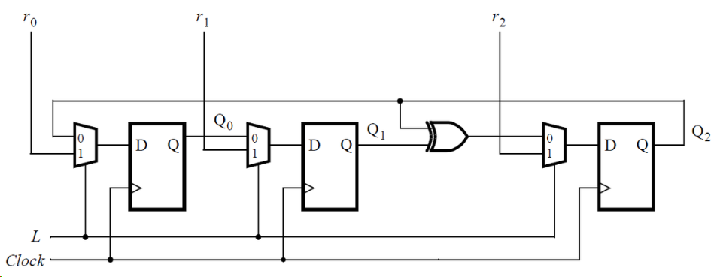 | module top_module ( input [2:0] SW, // R input [1:0] KEY, // L and clk output [2:0] LEDR); // Q wire b; assign b = LEDR[1] ^ LEDR[2]; submodule module1(KEY[0], KEY[1], {SW[0], LEDR[2]}, LEDR[0]); submodule module2(KEY[0], KEY[1], {SW[1], LEDR[0]}, LEDR[1]); submodule module3(KEY[0], KEY[1], {SW[2], b}, LEDR[2]); endmodule module submodule( input clk, input L, input[1:0] in, output Q); always@(posedge clk)begin case(L) 1'b0: Q <= in[0]; 1'b1: Q <= in[1]; endcase end endmodule
 | 32-bit LFSR | Build a 32-bit Galois LFSR with taps at bit positions 32, 22, 2, and 1. |  | module top_module( input clk, input reset, // Active-high synchronous reset to 32'h1 output [31:0] q ); always@(posedge clk)begin if(reset) q <= 32'h1; else begin {q[30:22],q[20:2]} <= {q[31:23],q[21:3]}; q[31] <= q[0]^1'b0; q[21] <= q[0]^q[22]; q[1] <= q[0]^q[2]; q[0] <= q[0]^q[1]; end end endmodule
 | Shift register | Implement the following circuit: | 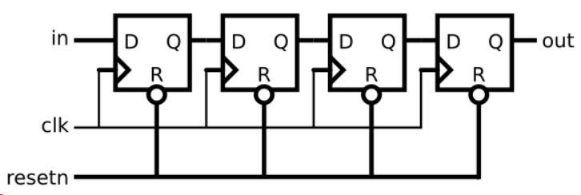 | module top_module ( input clk, input resetn, // synchronous reset input in, output out); reg[2:0] q; always@(posedge clk)begin if(~resetn) {q[2:0],out} <= 4'd0; else {q[2:0],out} <= {in,q[2:0]}; end endmodule
 | Shift register | Write a top-level Verilog module (named top_module) for the shift register, assuming that n = 4. Instantiate four copies of your MUXDFF subcircuit in your top-level module. Assume that you are going to implement the circuit on the DE2 board. Connect the R inputs to the SW switches, clk to KEY[0], E to KEY[1], L to KEY[2], and w to KEY[3]. Connect the outputs to the red lights LEDR[3:0]. | 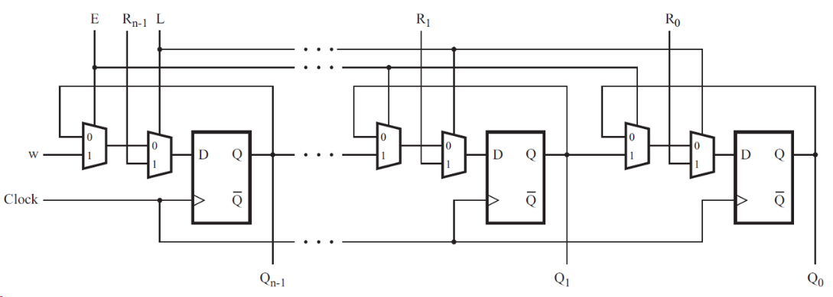 | module top_module ( input [3:0] SW, input [3:0] KEY, output [3:0] LEDR ); // MUXDFF module3(KEY[0],KEY[1],KEY[2],SW[3],KEY[3],LEDR[3]); MUXDFF module2(KEY[0],KEY[1],KEY[2],SW[2],LEDR[3],LEDR[2]); MUXDFF module1(KEY[0],KEY[1],KEY[2],SW[1],LEDR[2],LEDR[1]); MUXDFF module0(KEY[0],KEY[1],KEY[2],SW[0],LEDR[1],LEDR[0]); endmodule module MUXDFF ( input clk, input E, input L, input R, input W, output Q); wire b1,b2; assign b1 = E? W:Q; assign b2 = L? R:b1; always@(posedge clk) Q <= b2; endmodule
 | 3-input LUT | create an 8-bit shift register with 8 D-type flip-flops. Label the flip-flop outputs from Q[0]...Q[7]. The shift register input should be called S, which feeds the input of Q[0] (MSB is shifted in first). The enable input controls whether to shift. Then, extend the circuit to have 3 additional inputs A,B,C and an output Z. The circuit's behaviour should be as follows: when ABC is 000, Z=Q[0], when ABC is 001, Z=Q[1], and so on. Your circuit should contain ONLY the 8-bit shift register, and multiplexers. (Aside: this circuit is called a 3-input look-up-table (LUT)). |  | module top_module ( input clk, input enable, input S, input A, B, C, output Z ); reg [7:0] Q; always@(posedge clk)begin if(enable) Q[7:0] <= {Q[6:0],S}; else Q <= Q; end always@(A or B or C)begin case({A,B,C}) 3'd0: Z <= Q[0]; 3'd1: Z <= Q[1]; 3'd2: Z <= Q[2]; 3'd3: Z <= Q[3]; 3'd4: Z <= Q[4]; 3'd5: Z <= Q[5]; 3'd6: Z <= Q[6]; 3'd7: Z <= Q[7]; endcase end endmodule
More Circuits | Rule 90 | There is a one-dimensional array of cells (on or off). At each time step, the next state of each cell is the XOR of the cell's two current neighbours. Left Center Right Center's next state 1 1 1 0 1 1 0 1 1 0 1 0 1 0 0 1 0 1 1 1 0 1 0 0 0 0 1 1 0 0 0 0 In this circuit, create a 512-cell system (q[511:0]), and advance by one time step each clock cycle. The load input indicates the state of the system should be loaded with data[511:0]. Assume the boundaries (q[-1] and q[512]) are both zero (off). |  | module top_module( input clk, input load, input [511:0] data, output [511:0] q ); always@(posedge clk)begin if(load) q <= data; else q <= {1'b0,q[511:1]}^{q[510:0],1'b0};//q <= q[511:1] ^ {q[510:0], 1'b0} ; end endmodule
 | Rule 110 | n Rule 110, the next state of each cell depends only on itself and its two neighbours, according to the following table: Left Center Right Center's next state 1 1 1 0 1 1 0 1 1 0 1 1 1 0 0 0 0 1 1 1 0 1 0 1 0 0 1 1 0 0 0 0 In this circuit, create a 512-cell system (q[511:0]), and advance by one time step each clock cycle. The load input indicates the state of the system should be loaded with data[511:0]. Assume the boundaries (q[-1] and q[512]) are both zero (off). |  | module top_module( input clk, input load, input [511:0] data, output [511:0] q ); always@(posedge clk)begin if(load) q <= data; else q <= q^{q[510:0],1'b0} | ~{1'b0,q[511:1]}&{q[510:0],1'b0};//Karnaugh map //left is high bit, right is low bit. end endmodule
 | Conway’s Game of Life 16×16 | Conway's Game of Life is a two-dimensional cellular automaton. The "game" is played on a two-dimensional grid of cells, where each cell is either 1 (alive) or 0 (dead). At each time step, each cell changes state depending on how many neighbours it has: 0-1 neighbour: Cell becomes 0. 2 neighbours: Cell state does not change. 3 neighbours: Cell becomes 1. 4+ neighbours: Cell becomes 0. The game is formulated for an infinite grid. In this circuit, we will use a 16x16 grid. To make things more interesting, we will use a 16x16 toroid, where the sides wrap around to the other side of the grid. For example, the corner cell (0,0) has 8 neighbours: (15,1), (15,0), (15,15), (0,1), (0,15), (1,1), (1,0), and (1,15). The 16x16 grid is represented by a length 256 vector, where each row of 16 cells is represented by a sub-vector: q[15:0] is row 0, q[31:16] is row 1, etc. (This tool accepts SystemVerilog, so you may use 2D vectors if you wish.) load: Loads data into q at the next clock edge, for loading initial state. q: The 16x16 current state of the game, updated every clock cycle. The game state should advance by one timestep every clock cycle. |  | module top_module( input clk, input load, input [255:0] data, output [255:0] q ); reg [3:0] sum; integer i; always@(posedge clk)begin if(load) q <= data; else begin for(i=0;i<256;i=i+1)begin if(i==0) sum = q[255]+q[240]+q[241]+q[15]+q[1]+q[31]+q[16]+q[17]; else if(i==15) sum = q[254]+q[255]+q[240]+q[14]+q[0]+q[30]+q[31]+q[16]; else if(i==240) sum = q[239]+q[224]+q[225]+q[255]+q[241]+q[15]+q[0]+q[1]; else if(i==255) sum = q[238]+q[239]+q[224]+q[254]+q[240]+q[14]+q[15]+q[0]; else if(i>0 && i<15) sum = q[i+239]+q[i+240]+q[i+241]+q[i-1]+q[i+1]+q[i+15]+q[i+16]+q[i+17]; else if(i>240 && i<255) sum = q[i-17]+q[i-16]+q[i-15]+q[i-1]+q[i+1]+q[i-241]+q[i-240]+q[i-239]; else if((i+1)%16==0) sum = q[i-17]+q[i-16]+q[i-31]+q[i-1]+q[i-15]+q[i+15]+q[i+16]+q[i+1]; else if(i%16==0) sum = q[i-1]+q[i-16]+q[i-15]+q[i+15]+q[i+1]+q[i+31]+q[i+16]+q[i+17]; else sum = q[i-17]+q[i-16]+q[i-15]+q[i-1]+q[i+1]+q[i+15]+q[i+16]+q[i+17]; case(sum) 4'd2: q[i]<=q[i]; 4'd3: q[i]<=1'b1; default:q[i]<=1'b0; endcase end end end endmodule
Finite State Machines | Simple FSM 1 (asynchronous reset) | This is a Moore state machine with two states, one input, and one output. Implement this state machine. Notice that the reset state is B. This exercise is the same as fsm1s, but using asynchronous reset. | 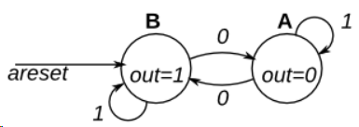 | module top_module( input clk, input areset, // Asynchronous reset to state B input in, output out);// parameter A=0, B=1; reg state, next_state; always @(*) begin // This is a combinational always block // State transition logic case(state) A: next_state <= in? A:B; B: next_state <= in? B:A; endcase end always @(posedge clk, posedge areset) begin // This is a sequential always block // State flip-flops with asynchronous reset if(areset) state <= B; else state <= next_state; end // Output logic // assign out = (state == ...); assign out = (state==B); endmodule
 | Simple FSM 1 (synchronous reset) | This is a Moore state machine with two states, one input, and one output. Implement this state machine. Notice that the reset state is B. This exercise is the same as fsm1, but using synchronous reset. | 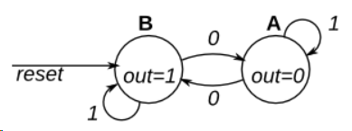 | // Note the Verilog-1995 module declaration syntax here: module top_module(clk, reset, in, out); input clk; input reset; // Synchronous reset to state B input in; output out;// reg out; // Fill in state name declarations reg present_state, next_state; always @(posedge clk) begin if (reset) begin // Fill in reset logic present_state = 1'b1; out <= 1'b1; end else begin case (present_state) // Fill in state transition logic 1'b0: next_state = in? 1'b0:1'b1; 1'b1: next_state = in? 1'b1:1'b0; endcase // State flip-flops present_state = next_state; case (present_state) // Fill in output logic 1'b0: out <= 1'b0; 1'b1: out <= 1'b1; endcase end end endmodule
 | Simple FSM 2 (asynchronous reset) | This is a Moore state machine with two states, two inputs, and one output. Implement this state machine. This exercise is the same as fsm2s, but using asynchronous reset. |  | module top_module( input clk, input areset, // Asynchronous reset to OFF input j, input k, output out); // parameter OFF=0, ON=1; reg state, next_state; always @(*) begin // State transition logic case(state) OFF: next_state <= j? ON:OFF; ON: next_state <= k? OFF:ON; endcase end always @(posedge clk, posedge areset) begin // State flip-flops with asynchronous reset if(areset) state <= OFF; else state <= next_state; end // Output logic // assign out = (state == ...); assign out = (state==ON); endmodule
 | Simple FSM 2 (synchronous reset) | This is a Moore state machine with two states, two inputs, and one output. Implement this state machine. This exercise is the same as fsm2, but using synchronous reset. |  | module top_module( input clk, input reset, // Synchronous reset to OFF input j, input k, output out); // parameter OFF=0, ON=1; reg state, next_state; always @(*) begin // State transition logic case(state) OFF: next_state <= j? ON:OFF; ON: next_state <= k? OFF:ON; endcase end always @(posedge clk) begin // State flip-flops with synchronous reset state <= reset? OFF:next_state; end // Output logic // assign out = (state == ...); assign out = (state == ON); endmodule
 | Simple state transitions 3 | The following is the state transition table for a Moore state machine with one input, one output, and four states. Use the following state encoding: A=2'b00, B=2'b01, C=2'b10, D=2'b11. Implement only the state transition logic and output logic (the combinational logic portion) for this state machine. Given the current state (state), compute the next_state and output (out) based on the state transition table. State Next state Output in=0 in=1 A A B 0 B C B 0 C A D 0 D C B 1 |  | module top_module( input in, input [1:0] state, output [1:0] next_state, output out); // parameter A=0, B=1, C=2, D=3; reg [1:0] present_state; // State transition logic: next_state = f(state, in) always@(*)begin case(state) A: next_state <= in? B:A; B: next_state <= in? B:C; C: next_state <= in? D:A; D: next_state <= in? B:C; endcase end // Output logic: out = f(state) for a Moore state machine assign out = (state==D); endmodule
 | Simple one-hot state transition 3 | The following is the state transition table for a Moore state machine with one input, one output, and four states. Use the following one-hot state encoding: A=4'b0001, B=4'b0010, C=4'b0100, D=4'b1000. Derive state transition and output logic equations by inspection assuming a one-hot encoding. Implement only the state transition logic and output logic (the combinational logic portion) for this state machine. (The testbench will test with non-one hot inputs to make sure you're not trying to do something more complicated). State Next state Output in=0 in=1 A A B 0 B C B 0 C A D 0 D C B 1 |  | module top_module( input in, input [3:0] state, output [3:0] next_state, output out); // parameter A=0, B=1, C=2, D=3; // State transition logic: Derive an equation for each state flip-flop. assign next_state[A] = state[A]&~in | state[C]&~in; assign next_state[B] = state[A]&in | state[B]&in | state[D]&in; assign next_state[C] = state[B]&~in | state[D]&~in; assign next_state[D] = state[C]&in; // Output logic: assign out = (state[D] == 1); endmodule
 | Simple FSM 3 (asynchronous reset) | The following is the state transition table for a Moore state machine with one input, one output, and four states. Implement this state machine. Include an asynchronous reset that resets the FSM to state A. State Next state Output in=0 in=1 A A B 0 B C B 0 C A D 0 D C B 1 |  | //solution 1 module top_module( input clk, input in, input areset, output out); // parameter A=0,B=1,C=2,D=3; reg[3:0] state,next; // State transition logic assign next[A] = state[A]&~in | state[C]&~in; assign next[B] = state[A]&in | state[B]&in | state[D]&in; assign next[C] = state[B]&~in | state[D]&~in; assign next[D] = state[C]&in; // State flip-flops with asynchronous reset always@(posedge clk,posedge areset)begin if(areset) state <= 4'b0001; else state <= next; end // Output logic assign out = (state[D] == 1); endmodule //solution 2 module top_module ( input clk, input in, input areset, output out ); // Give state names and assignments. I'm lazy, so I like to use decimal numbers. // It doesn't really matter what assignment is used, as long as they're unique. parameter A=0, B=1, C=2, D=3; reg [1:0] state; // Make sure state and next are big enough to hold the state encodings. reg [1:0] next; // Combinational always block for state transition logic. Given the current state and inputs, // what should be next state be? // Combinational always block: Use blocking assignments. always@(*) begin case (state) A: next = in ? B : A; B: next = in ? B : C; C: next = in ? D : A; D: next = in ? B : C; endcase end // Edge-triggered always block (DFFs) for state flip-flops. Asynchronous reset. always @(posedge clk, posedge areset) begin if (areset) state <= A; else state <= next; end // Combinational output logic. In this problem, an assign statement is the simplest. assign out = (state==D); endmodule
 | Simple FSM 3 (synchronous reset) | The following is the state transition table for a Moore state machine with one input, one output, and four states. Implement this state machine. Include a synchronous reset that resets the FSM to state A. (This is the same problem as Fsm3 but with a synchronous reset.) State Next state Output in=0 in=1 A A B 0 B C B 0 C A D 0 D C B 1 |  | module top_module( input clk, input in, input reset, output out); // parameter A=0,B=1,C=2,D=3; reg[3:0] state,next; // State transition logic assign next[A] = state[A]&~in | state[C]&~in; assign next[B] = state[A]&in | state[B]&in | state[D]&in; assign next[C] = state[B]&~in | state[D]&~in; assign next[D] = state[C]&in; // State flip-flops with asynchronous reset always@(posedge clk)begin if(reset) state <= 4'b0001; else state <= next; end // Output logic assign out = (state[D] == 1); endmodule
 | Design a Moore FSM |  |  | module top_module ( input clk, input reset, input [3:1] s, output fr3, output fr2, output fr1, output dfr ); // set parameter //A2:001->000,B1:000->001,B2:011->001,C1:001->011,C2:111->011,D1:011->111 parameter A2=0, B1=1, B2=2, C1=3, C2=4, D1=5; wire[2:0] state, next; // state transition (combination logic) always@(*)begin case(state) A2: next = s[1]? B1:A2; B1: next = s[2]? C1:(s[1]? B1:A2); B2: next = s[2]? C1:(s[1]? B2:A2); C1: next = s[3]? D1:(s[2]? C1:B2); C2: next = s[3]? D1:(s[2]? C2:B2); D1: next = s[3]? D1:C2; endcase end always@(posedge clk)begin if(reset) state <= A2; else state <= next; end // output control()sequential logic always@(*)begin case(state) A2: {fr3,fr2,fr1,dfr} = 4'b1111; B1: {fr3,fr2,fr1,dfr} = 4'b0110; B2: {fr3,fr2,fr1,dfr} = 4'b0111; C1: {fr3,fr2,fr1,dfr} = 4'b0010; C2: {fr3,fr2,fr1,dfr} = 4'b0011; D1: {fr3,fr2,fr1,dfr} = 4'b0000; endcase end endmodule
 | Lemmings 1 | The game Lemmings involves critters with fairly simple brains. So simple that we are going to model it using a finite state machine. In the Lemmings' 2D world, Lemmings can be in one of two states: walking left or walking right. It will switch directions if it hits an obstacle. In particular, if a Lemming is bumped on the left, it will walk right. If it's bumped on the right, it will walk left. If it's bumped on both sides at the same time, it will still switch directions. Implement a Moore state machine with two states, two inputs, and one output that models this behaviour. |  | module top_module( input clk, input areset, // Freshly brainwashed Lemmings walk left. input bump_left, input bump_right, output walk_left, output walk_right); parameter LEFT=0, RIGHT=1; reg state, next_state; always @(*) begin // State transition logic case(state) LEFT: next_state = bump_left? RIGHT:LEFT; RIGHT: next_state = bump_right? LEFT:RIGHT; endcase end always @(posedge clk, posedge areset) begin // State flip-flops with asynchronous reset if(areset) state <= LEFT; else state <= next_state; end // Output logic assign walk_left = (state == LEFT); assign walk_right = (state == RIGHT); endmodule
 | Lemmings 2 | In addition to walking left and right, Lemmings will fall (and presumably go "aaah!") if the ground disappears underneath them. In addition to walking left and right and changing direction when bumped, when ground=0, the Lemming will fall and say "aaah!". When the ground reappears (ground=1), the Lemming will resume walking in the same direction as before the fall. Being bumped while falling does not affect the walking direction, and being bumped in the same cycle as ground disappears (but not yet falling), or when the ground reappears while still falling, also does not affect the walking direction. Build a finite state machine that models this behaviour. |  | module top_module( input clk, input areset, // Freshly brainwashed Lemmings walk left. input bump_left, input bump_right, input ground, output walk_left, output walk_right, output aaah ); parameter left=0, right=1, fall_l=2, fall_r=3; wire[1:0] state, next; // state transition logic always@(*)begin case(state) left: next = ground? (bump_left? right:left):fall_l; right: next = ground? (bump_right? left:right):fall_r; fall_l: next = ground? left:fall_l; fall_r: next = ground? right:fall_r; endcase end // flip-flop and areset logic always@(posedge clk, posedge areset)begin if(areset) state <= left; else state <= next; end // output assign walk_left = (state == left); assign walk_right = (state == right); assign aaah = (state == fall_l || state == fall_r); endmodule
 | Lemmings 3 | In addition to walking and falling, Lemmings can sometimes be told to do useful things, like dig (it starts digging when dig=1). A Lemming can dig if it is currently walking on ground (ground=1 and not falling), and will continue digging until it reaches the other side (ground=0). At that point, since there is no ground, it will fall (aaah!), then continue walking in its original direction once it hits ground again. As with falling, being bumped while digging has no effect, and being told to dig when falling or when there is no ground is ignored. (In other words, a walking Lemming can fall, dig, or switch directions. If more than one of these conditions are satisfied, fall has higher precedence than dig, which has higher precedence than switching directions.) Extend your finite state machine to model this behaviour. |  | module top_module( input clk, input areset, // Freshly brainwashed Lemmings walk left. input bump_left, input bump_right, input ground, input dig, output walk_left, output walk_right, output aaah, output digging ); parameter left=0,right=1,dig_l=2,dig_r=3,fall_l=4,fall_r=5; wire[2:0] state,next; // state transition logic always@(*)begin case(state) left: next = ground? (dig? dig_l:(bump_left? right:left)):fall_l; right: next = ground? (dig? dig_r:(bump_right? left:right)):fall_r; dig_l: next = ground? dig_l:fall_l; dig_r: next = ground? dig_r:fall_r; fall_l: next = ground? left:fall_l; fall_r: next = ground? right:fall_r; endcase end // flip-flop and areset always@(posedge clk, posedge areset)begin if(areset) state <= left; else state <= next; end // output assign walk_left = (state == left); assign walk_right = (state == right); assign digging = (state == dig_l || state == dig_r); assign aaah = (state == fall_l || state == fall_r); endmodule
 | Lemmings 4 | Although Lemmings can walk, fall, and dig, Lemmings aren't invulnerable. If a Lemming falls for too long then hits the ground, it can splatter. In particular, if a Lemming falls for more than 20 clock cycles then hits the ground, it will splatter and cease walking, falling, or digging (all 4 outputs become 0), forever (Or until the FSM gets reset). There is no upper limit on how far a Lemming can fall before hitting the ground. Lemmings only splatter when hitting the ground; they do not splatter in mid-air. Extend your finite state machine to model this behaviour. |  | module top_module( input clk, input areset, // Freshly brainwashed Lemmings walk left. input bump_left, input bump_right, input ground, input dig, output walk_left, output walk_right, output aaah, output digging ); parameter left=0, right=1, dig_l=2, dig_r=3, fall_l=4, fall_r=5, splatter=6; wire[2:0] state, next; wire[4:0] timelen;// counter of time wire signal;// time of falling is over 20 cycles // state transition logic always@(*)begin case(state) left: next = ground? (dig? dig_l:(bump_left? right:left)):fall_l; right: next = ground? (dig? dig_r:(bump_right? left:right)):fall_r; dig_l: next = ground? dig_l:fall_l; dig_r: next = ground? dig_r:fall_r; fall_l: begin if(signal) next = ground? splatter:fall_l; else next = ground? left:fall_l; end fall_r: begin if(signal) next = ground? splatter:fall_r; else next = ground? right:fall_r; end splatter: next = splatter; endcase end // timing always@(posedge clk, posedge areset)begin if(areset) timelen <= 0; else if(state==fall_l || state==fall_r)begin if(timelen==19) signal <= 1; else timelen <= timelen + 1; end else begin signal <= 0; timelen <=0; end end // flip-flop and areset always@(posedge clk, posedge areset)begin if(areset) state <= left; else state <= next; end // output assign walk_left = (state == left); assign walk_right = (state == right); assign digging = (state == dig_l || state == dig_r); assign aaah = (state == fall_l || state == fal
 | One-hot FSM | Given the following state machine with 1 input and 2 outputs: Suppose this state machine uses one-hot encoding, where state[0] through state[9] correspond to the states S0 though S9, respectively. The outputs are zero unless otherwise specified. Implement the state transition logic and output logic portions of the state machine (but not the state flip-flops). You are given the current state in state[9:0] and must produce next_state[9:0] and the two outputs. Derive the logic equations by inspection assuming a one-hot encoding. |  | module top_module( input in, input [9:0] state, output [9:0] next_state, output out1, output out2); // state transition logic assign next_state[0] = state[0]&~in | state[1]&~in | state[2]&~in | state[3]&~in | state[4]&~in | state[7]&~in | state[8]&~in | state[9]&~in; assign next_state[1] = state[0]&in | state[8]&in | state[9]&in; assign next_state[6:2] = {state[5]&in, state[4]&in, state[3]&in, state[2]&in, state[1]&in}; assign next_state[7] = state[6]&in | state[7]&in; assign next_state[9:8] = {state[6]&~in, state[5]&~in}; // output assign out1 = state[8] | state[9]; assign out2 = state[7] | state[9]; endmodule
 | PS/2 packed parser | The PS/2 mouse protocol sends messages that are three bytes long. However, within a continuous byte stream, it's not obvious where messages start and end. The only indication is that the first byte of each three byte message always has bit[3]=1 (but bit[3] of the other two bytes may be 1 or 0 depending on data). We want a finite state machine that will search for message boundaries when given an input byte stream. The algorithm we'll use is to discard bytes until we see one with bit[3]=1. We then assume that this is byte 1 of a message, and signal the receipt of a message once all 3 bytes have been received (done). The FSM should signal done in the cycle immediately after the third byte of each message was successfully received. |  | module top_module( input clk, input [7:0] in, input reset, // Synchronous reset output done); // parameter s0=0, s1=1, s2=2, s3=3; wire[1:0] state, next; // State transition logic (combinational) always@(*)begin case(state) s0: next = in[3]? s1:s0; s1: next = s2; s2: next = s3; s3: next = in[3]? s1:s0; endcase end // State flip-flops (sequential) always@(posedge clk)begin if(reset) state <= s0; else state <= next; end // Output logic assign done = (state == s3); endmodule
 | PS/2 packed parser and datapath | Now that you have a state machine that will identify three-byte messages in a PS/2 byte stream, add a datapath that will also output the 24-bit (3 byte) message whenever a packet is received (out_bytes[23:16] is the first byte, out_bytes[15:8] is the second byte, etc.). out_bytes needs to be valid whenever the done signal is asserted. You may output anything at other times |  | module top_module( input clk, input [7:0] in, input reset, // Synchronous reset output [23:0] out_bytes, output done); // // FSM from fsm_ps2 parameter s0=0, s1=1, s2=2, s3=3; wire[1:0] state, next; // State transition logic (combinational) always@(*)begin case(state) s0: next = in[3]? s1:s0; s1: next = s2; s2: next = s3; s3: next = in[3]? s1:s0; endcase end // State flip-flops (sequential) always@(posedge clk)begin if(reset) state <= s0; else state <= next; end // Output logic assign done = (state == s3); // New: Datapath to store incoming bytes. always@(posedge clk)begin case(state) s0: out_bytes[23:16] <= in; s1: out_bytes[15:8] <= in; s2: out_bytes[7:0] <= in; s3: out_bytes[23:16] <= in; endcase end endmodule
 | Serial receiver | In many (older) serial communications protocols, each data byte is sent along with a start bit and a stop bit, to help the receiver delimit bytes from the stream of bits. One common scheme is to use one start bit (0), 8 data bits, and 1 stop bit (1). The line is also at logic 1 when nothing is being transmitted (idle). Design a finite state machine that will identify when bytes have been correctly received when given a stream of bits. It needs to identify the start bit, wait for all 8 data bits, then verify that the stop bit was correct. If the stop bit does not appear when expected, the FSM must wait until it finds a stop bit before attempting to receive the next byte. |  | module top_module( input clk, input in, input reset, // Synchronous reset output done ); parameter s0=0, s1=1,s2=2, s3=3, s4=4, s5=5, s6=6, s7=7, s8=8, s9=9, s10=10, s11=11; wire [3:0] state, next; // state transition logic always@(*)begin case(state) s0: next = in? s0:s1; s1: next = s2; s2: next = s3; s3: next = s4; s4: next = s5; s5: next = s6; s6: next = s7; s7: next = s8; s8: next = s9; s9: next = in? s10:s11; s10: next = in? s0:s1; s11: next = in? s0:s11; endcase end // flip-flop and reset always@(posedge clk)begin if(reset) state <= s0; else state <= next; end //output assign done = (state == s10); endmodule
 | Serial receiver and datapath | Now that you have a finite state machine that can identify when bytes are correctly received in a serial bitstream, add a datapath that will output the correctly-received data byte. out_byte needs to be valid when done is 1, and is don't-care otherwise. Note that the serial protocol sends the least significant bit first. |  | module top_module( input clk, input in, input reset, // Synchronous reset output [7:0] out_byte, output done ); // // Use FSM from Fsm_serial parameter s0=0, s1=1,s2=2, s3=3, s4=4, s5=5, s6=6, s7=7, s8=8, s9=9, s10=10, s11=11; wire [3:0] state, next; // state transition logic always@(*)begin case(state) s0: next = in? s0:s1; s1: next = s2; s2: next = s3; s3: next = s4; s4: next = s5; s5: next = s6; s6: next = s7; s7: next = s8; s8: next = s9; s9: next = in? s10:s11; s10: next = in? s0:s1; s11: next = in? s0:s11; endcase end // flip-flop and reset always@(posedge clk)begin if(reset) state <= s0; else state <= next; end //output assign done = (state == s10); // New: Datapath to latch input bits. always@(posedge clk)begin case(state) s1: out_byte[0] <= in; s2: out_byte[1] <= in; s3: out_byte[2] <= in; s4: out_byte[3] <= in; s5: out_byte[4] <= in; s6: out_byte[5] <= in; s7: out_byte[6] <= in; s8: out_byte[7] <= in; default: out_byte <= out_byte; endcase end endmodule
 | Serial receiver with parity checking | We want to add parity checking to the serial receiver. Parity checking adds one extra bit after each data byte. We will use odd parity, where the number of 1s in the 9 bits received must be odd. For example, 101001011 satisfies odd parity (there are 5 1s), but 001001011 does not. Change your FSM and datapath to perform odd parity checking. Assert the done signal only if a byte is correctly received and its parity check passes. Like the serial receiver FSM, this FSM needs to identify the start bit, wait for all 9 (data and parity) bits, then verify that the stop bit was correct. If the stop bit does not appear when expected, the FSM must wait until it finds a stop bit before attempting to receive the next byte. You are provided with the following module that can be used to calculate the parity of the input stream (It's a TFF with reset). The intended use is that it should be given the input bit stream, and reset at appropriate times so it counts the number of 1 bits in each byte. module parity ( input clk, input reset, input in, output reg odd); always @(posedge clk) if (reset) odd <= 0; else if (in) odd <= ~odd; endmodule |  | module top_module( input clk, input in, input reset, // Synchronous reset output [7:0] out_byte, output done ); // // Modify FSM and datapath from Fsm_serialdata // Use FSM from Fsm_serial parameter s0=0, s1=1, s2=2, s3=3, s4=4, s5=5, s6=6, s7=7, s8=8, s9=9, s10=10, s11=11, s12=12; wire [3:0] state, next; wire odd_bit; //odd parity bit reg odd; wire res; //reset of submodule // state transition logic always@(*)begin case(state) s0: next = in? s0:s1; s1: next = s2; s2: next = s3; s3: next = s4; s4: next = s5; s5: next = s6; s6: next = s7; s7: next = s8; s8: next = s9; s9: next = s10; s10: next = in? s11:s12; s11: next = in? s0:s1; s12: next = in? s0:s12; endcase end // flip-flop and reset always@(posedge clk)begin if(reset) state <= s0; else state <= next; end //output assign done = (odd == 0 && state == s11); // New: Datapath to latch input bits. always@(posedge clk)begin case(state) s1: out_byte[0] <= in; s2: out_byte[1] <= in; s3: out_byte[2] <= in; s4: out_byte[3] <= in; s5: out_byte[4] <= in; s6: out_byte[5] <= in; s7: out_byte[6] <= in; s8: out_byte[7] <= in; s9: odd_bit <= in; default: out_byte <= out_byte; endcase end // New: Add parity checking. always@(*)begin //combination logic if(state == s0 || state == s11) res <= 1; else res <= 0; end parity submodule1(clk, res, in, odd); endmodule
 | Sequence recognition | Synchronous HDLC framing involves decoding a continuous bit stream of data to look for bit patterns that indicate the beginning and end of frames (packets). Seeing exactly 6 consecutive 1s (i.e., 01111110) is a "flag" that indicate frame boundaries. To avoid the data stream from accidentally containing "flags", the sender inserts a zero after every 5 consecutive 1s which the receiver must detect and discard. We also need to signal an error if there are 7 or more consecutive 1s. Create a finite state machine to recognize these three sequences: 0111110: Signal a bit needs to be discarded (disc). 01111110: Flag the beginning/end of a frame (flag). 01111111...: Error (7 or more 1s) (err). When the FSM is reset, it should be in a state that behaves as though the previous input were 0. |  | module top_module( input clk, input reset, // Synchronous reset input in, output disc, output flag, output err); parameter s0=0, s1=1, s2=2, s3=3, s4=4, s5=5, s6=6, se=7, sd=8, sf=9; wire[3:0] state, next; // state transition logic always@(*)begin case(state) s0: next = in? s1:s0; s1: next = in? s2:s0; s2: next = in? s3:s0; s3: next = in? s4:s0; s4: next = in? s5:s0; s5: next = in? s6:sd; s6: next = in? se:sf; se: next = in? se:s0; sd: next = in? s1:s0; sf: next = in? s1:s0; endcase end // flip-flop and reset always@(posedge clk)begin if(reset) state <= s0; else state <= next; end // output assign disc = (state == sd); assign flag = (state == sf); assign err = (state == se); endmodule
 | Q8: Design a Mealy FSM | Implement a Mealy-type finite state machine that recognizes the sequence "101" on an input signal named x. Your FSM should have an output signal, z, that is asserted to logic-1 when the "101" sequence is detected. Your FSM should also have an active-low asynchronous reset. You may only have 3 states in your state machine. Your FSM should recognize overlapping sequences. |  | // solution 1 module top_module ( input clk, input aresetn, // Asynchronous active-low reset input x, output z ); parameter idle=0, s1=1, s2=2, s3=3; wire [1:0] state, next; // state transition logic always@(*)begin case(state) idle: next = x? s1:idle; s1: next = x? s1:s2; s2: next = x? s3:idle; s3: next = x? s1:s2; endcase end // flip-flop and aresetn always@(posedge clk, negedge aresetn)begin if(~aresetn) state <= idle; else state <= next; end // output assign z = (state==s2 && x == 1); endmodule // solution 2 module top_module ( input clk, input aresetn, input x, output reg z ); // Give state names and assignments. I'm lazy, so I like to use decimal numbers. // It doesn't really matter what assignment is used, as long as they're unique. parameter S=0, S1=1, S10=2; reg[1:0] state, next; // Make sure state and next are big enough to hold the state encodings. // Edge-triggered always block (DFFs) for state flip-flops. Asynchronous reset. always@(posedge clk, negedge aresetn) if (!aresetn) state <= S; else state <= next; // Combinational always block for state transition logic. Given the current state and inputs, // what should be next state be? // Combinational always block: Use blocking assignments. always@(*) begin case (state) S: next = x ? S1 : S; S1: next = x ? S1 : S10; S10: next = x ? S1 : S; default: next = 'x; endcase end // Combinational output logic. I used a combinational always block. // In a Mealy state machine, the output depends on the current state *and* // the inputs. always@(*) begin case (state) S: z = 0; S1: z = 0; S10: z = x; // This is a Mealy state machine: The output can depend (combinational) on the input. default: z = 1'bx; endcase end endmodule
 | Q5a: Serial two’s complementer(Moore FSM) | You are to design a one-input one-output serial 2's complementer Moore state machine. The input (x) is a series of bits (one per clock cycle) beginning with the least-significant bit of the number, and the output (Z) is the 2's complement of the input. The machine will accept input numbers of arbitrary length. The circuit requires an asynchronous reset. The conversion begins when Reset is released and stops when Reset is asserted. |  | module top_module ( input clk, input areset, input x, output z ); parameter A=0, B=1, C=2; wire[1:0] state, next; // state transition logic always@(*)begin case(state) A: next = x? B:A; B: next = x? C:B; C: next = x? C:B; endcase end // flip-flop and areset always@(posedge clk, posedge areset)begin if(areset) state <= A; else state <= next; end // output assign z = (state == B); endmodule
 | Q5b: Serial two’s complementer(Mealy FSM) | The following diagram is a Mealy machine implementation of the 2's complementer. Implement using one-hot encoding. |  | module top_module ( input clk, input areset, input x, output z ); parameter A=2'b01, B=2'b10; wire[1:0] state, next; // state transition logic always@(*)begin case(state) A: next = x? B:A; B: next = B; default: next = 'x; endcase end // flip-flop and areset always@(posedge clk, posedge areset)begin if(areset) state <= A; else state <= next; end // output always@(*)begin case(state) A: z = x; B: z = ~x; endcase end endmodule
 | Q3a: FSM | Consider a finite state machine with inputs s and w. Assume that the FSM begins in a reset state called A, as depicted below. The FSM remains in state A as long as s = 0, and it moves to state B when s = 1. Once in state B the FSM examines the value of the input w in the next three clock cycles. If w = 1 in exactly two of these clock cycles, then the FSM has to set an output z to 1 in the following clock cycle. Otherwise z has to be 0. The FSM continues checking w for the next three clock cycles, and so on. The timing diagram below illustrates the required values of z for different values of w. Use as few states as possible. Note that the s input is used only in state A, so you need to consider just the w input. |  | module top_module ( input clk, input reset, // Synchronous reset input s, input w, output z ); parameter A=0, B=1, C1=2, D1=3, E2=4, F2=5, G2=6, H3=7, I3=8; wire[3:0] state, next; // state transition logic always@(*)begin case(state) A: next = s? B:A; B: next = w? C1:D1; C1: next = w? E2:F2; D1: next = w? F2:G2; E2: next = w? H3:I3; F2: next = w? I3:H3; G2: next = H3; H3: next = w? C1:D1; I3: next = w? C1:D1; endcase end // flip-flop and reset always@(posedge clk)begin if(reset) state <= A; else state <= next; end assign z = (state == I3); endmodule
 | Q3b: FSM | Given the state-assigned table shown below, implement the finite-state machine. Reset should reset the FSM to state 000. Present state y[2:0] Next state Y[2:0] Output z x=0 x=1 000 000 001 0 001 001 100 0 010 010 001 0 011 001 010 1 100 011 100 1 |  | module top_module ( input clk, input reset, // Synchronous reset input x, output z ); parameter s0=3'b000, s1=3'b001, s2=3'b010, s3=3'b011, s4=3'b100; wire [2:0] state, next; // state transition logic always@(*)begin case(state) s0: next = x? s1:s0; s1: next = x? s4:s1; s2: next = x? s1:s2; s3: next = x? s2:s1; s4: next = x? s4:s3; endcase end // flip-flop and reset always@(posedge clk)begin if(reset) state <= s0; else state <= next; end // output always@(*)begin case(state) s0: z = 0; s1: z = 0; s2: z = 0; s3: z = 1; s4: z = 1; endcase end endmodule
 | Q3c: FSM logic | Given the state-assigned table shown below, implement the logic functions Y[0] and z. Present state y[2:0] Next state Y[2:0] Output z x=0 x=1 000 000 001 0 001 001 100 0 010 010 001 0 011 001 010 1 100 011 100 1 |  | module top_module ( input clk, input [2:0] y, input x, output Y0, output z ); parameter s0=3'b000, s1=3'b001, s2=3'b010, s3=3'b011, s4=3'b100; wire [2:0] state, Y; // state transition logic always@(*)begin case(y[2:0]) s0: Y = x? s1:s0; s1: Y = x? s4:s1; s2: Y = x? s1:s2; s3: Y = x? s2:s1; s4: Y = x? s4:s3; endcase end // output always@(*)begin case(y[2:0]) s0: z = 0; s1: z = 0; s2: z = 0; s3: z = 1; s4: z = 1; endcase end assign Y0 = Y[0]; endmodule
 | Q6b: FSM next-state logic | Consider the state machine shown below, which has one input w and one output z. Assume that you wish to implement the FSM using three flip-flops and state codes y[3:1] = 000, 001, ... , 101 for states A, B, ... , F, respectively. Show a state-assigned table for this FSM. Derive a next-state expression for the flip-flop y[2]. Implement just the next-state logic for y[2]. |  | module top_module ( input [3:1] y, input w, output Y2); parameter A=3'b000, B=3'b001, C=3'b010, D=3'b011, E=3'b100, F=3'b101; wire[3:1] Y; always@(*)begin case(y[3:1]) A: Y = w? A:B; B: Y = w? D:C; C: Y = w? D:E; D: Y = w? A:F; E: Y = w? D:E; F: Y = w? D:C; endcase end assign Y2 = Y[2]; endmodule
 | Q6c: FSM one-hot next-state logic | Consider the state machine shown below, which has one input w and one output z. For this part, assume that a one-hot code is used with the state assignment 'y[6:1] = 000001, 000010, 000100, 001000, 010000, 100000 for states A, B,..., F, respectively. Write a logic expression for the next-state signals Y2 and Y4. |  | module top_module ( input [6:1] y, input w, output Y2, output Y4); assign Y2 = y[1]&~w; assign Y4 = y[2]&w | y[3]&w | y[5]&w | y[6]&w; endmodule
 | Q6: FSM | Consider the state machine shown below, which has one input w and one output z. Implement the state machine. |  | module top_module ( input clk, input reset, // synchronous reset input w, output z); parameter A=3'b000, B=3'b001, C=3'b010, D=3'b011, E=3'b100, F=3'b101; wire[2:0] state, next; // state transition logic always@(*)begin case(state) A: next = w? A:B; B: next = w? D:C; C: next = w? D:E; D: next = w? A:F; E: next = w? D:E; F: next = w? D:C; endcase end // flip-flop and reset always@(posedge clk)begin if(reset) state <= A; else state <= next; end // output assign z = (state == E || state == F); endmodule
 | Q2a: FSM | Consider the state diagram shown below. Write complete Verilog code that represents this FSM. Use separate always blocks for the state table and the state flip-flops, as done in lectures. Describe the FSM output, which is called z, using either continuous assignment statement(s) or an always block (at your discretion). Assign any state codes that you wish to use. |  | module top_module ( input clk, input reset, // Synchronous active-high reset input w, output z ); parameter A=3'b000, B=3'b001, C=3'b010, D=3'b011, E=3'b100, F=3'b101; wire[2:0] state, next; // state transition logic always@(*)begin case(state) A: next = w? B:A; B: next = w? C:D; C: next = w? E:D; D: next = w? F:A; E: next = w? E:D; F: next = w? C:D; endcase end // flip-flop and reset always@(posedge clk)begin if(reset) state <= A; else state <= next; end // output assign z = (state == E || state == F); endmodule
 | Q2b: One-hot FSM equations | The state diagram for this question is shown again below. Assume that a one-hot code is used with the state assignment y[5:0] = 000001(A), 000010(B), 000100(C), 001000(D), 010000(E), 100000(F) Write a logic expression for the signal Y1, which is the input of state flip-flop y[1]. Write a logic expression for the signal Y3, which is the input of state flip-flop y[3]. |  | module top_module ( input [5:0] y, input w, output Y1, output Y3 ); assign Y1 = y[0]&w; assign Y3 = y[1]&~w | y[2]&~w | y[4]&~w | y[5]&~w; endmodule
 | Q2a: FSM | Consider the FSM described by the state diagram shown below: This FSM acts as an arbiter circuit, which controls access to some type of resource by three requesting devices. Each device makes its request for the resource by setting a signal r[i] = 1, where r[i] is either r[1], r[2], or r[3]. Each r[i] is an input signal to the FSM, and represents one of the three devices. The FSM stays in state A as long as there are no requests. When one or more request occurs, then the FSM decides which device receives a grant to use the resource and changes to a state that sets that device’s g[i] signal to 1. Each g[i] is an output from the FSM. There is a priority system, in that device 1 has a higher priority than device 2, and device 3 has the lowest priority. Hence, for example, device 3 will only receive a grant if it is the only device making a request when the FSM is in state A. Once a device, i, is given a grant by the FSM, that device continues to receive the grant as long as its request, r[i] = 1. Write complete Verilog code that represents this FSM. Use separate always blocks for the state table and the state flip-flops, as done in lectures. Describe the FSM outputs, g[i], using either continuous assignment statement(s) or an always block (at your discretion). Assign any state codes that you wish to use. |  | module top_module ( input clk, input resetn, // active-low synchronous reset input [3:1] r, // request output [3:1] g // grant ); parameter A=0, B=1, C=2, D=3; wire[2:0] state, next; // state transition logic always@(*)begin case(state) A: next = r[1]? B:(r[2]? C:(r[3]? D:A) ); B: next = r[1]? B:A; C: next = r[2]? C:A; D: next = r[3]? D:A; endcase end // flip-flop and reset always@(posedge clk)begin if(~resetn) state <= A; else state <= next; end // output assign g = {state==D, state==C, state==B}; endmodule
 | Q2b: Another FSM | Consider a finite state machine that is used to control some type of motor. The FSM has inputs x and y, which come from the motor, and produces outputs f and g, which control the motor. There is also a clock input called clk and a reset input called resetn. The FSM has to work as follows. As long as the reset input is asserted, the FSM stays in a beginning state, called state A. When the reset signal is de-asserted, then after the next clock edge the FSM has to set the output f to 1 for one clock cycle. Then, the FSM has to monitor the x input. When x has produced the values 1, 0, 1 in three successive clock cycles, then g should be set to 1 on the following clock cycle. While maintaining g = 1 the FSM has to monitor the y input. If y has the value 1 within at most two clock cycles, then the FSM should maintain g = 1 permanently (that is, until reset). But if y does not become 1 within two clock cycles, then the FSM should set g = 0 permanently (until reset). |  | module top_module ( input clk, input resetn, // active-low synchronous reset input x, input y, output f, output g ); parameter A=0, B=1, S0=3, S1=4, S2=5, E1=8, E21=9, E22=10, E31=11, E32=12, E33=13; wire [3:0] state, next; // state transition logic always@(*)begin case(state) A: next = resetn? B:A; B: next = S0; S0: next = x? S1:S0; S1: next = x? S1:S2; S2: next = x? E1:S0; E1: next = y? E22:E21; E21: next = y? E32:E31; E22: next = E32; E31: next = E31; E32: next = E32; endcase end // flip-flop and reset always@(posedge clk)begin if(~resetn) state <= A; else state <= next; end // output assign f = (state == B); assign g = (state == E1 || state == E21 || state == E22 || state == E32); endmodule
Building Larger Circuits | Counter with period 1000 | Build a counter that counts from 0 to 999, inclusive, with a period of 1000 cycles. The reset input is synchronous, and should reset the counter to 0. |  | module top_module ( input clk, input reset, output [9:0] q); always@(posedge clk)begin if(reset) q <= 0; else if(q == 999) q <= 0; else q <= q + 1; end endmodule
 | 4-bit shift register and down counter | Build a four-bit shift register that also acts as a down counter. Data is shifted in most-significant-bit first when shift_ena is 1. The number currently in the shift register is decremented when count_ena is 1. Since the full system doesn't ever use shift_ena and count_ena together, it does not matter what your circuit does if both control inputs are 1 |  | module top_module ( input clk, input shift_ena, input count_ena, input data, output [3:0] q); always@(posedge clk)begin if(shift_ena) // shift in q <= {q[2:0],data}; else if(count_ena) q <= q - 1; // count else q <= q; end endmodule
 | FSM: Sequence 1101 recognizer | Build a finite-state machine that searches for the sequence 1101 in an input bit stream. When the sequence is found, it should set start_shifting to 1, forever, until reset. Getting stuck in the final state is intended to model going to other states in a bigger FSM that is not yet implemented. We will be extending this FSM in the next few exercises. |  | module top_module ( input clk, input reset, // Synchronous reset input data, output start_shifting); parameter s0=0, s1=1, s2=2, s3=3, s4=4; wire[2:0] state, next; // state transition logic always@(*)begin case(state) s0: next = data? s1:s0; s1: next = data? s2:s0; s2: next = data? s2:s3; s3: next = data? s4:s0; s4: next = s4; endcase end // flip-flop and reset always@(posedge clk)begin if(reset) state <= s0; else state <= next; end // output assign start_shifting = (state == s4); endmodule
 | FSM: Enable shift register | As part of the FSM for controlling the shift register, we want the ability to enable the shift register for exactly 4 clock cycles whenever the proper bit pattern is detected. We handle sequence detection in Exams/review2015_fsmseq, so this portion of the FSM only handles enabling the shift register for 4 cycles. Whenever the FSM is reset, assert shift_ena for 4 cycles, then 0 forever (until reset). |  | module top_module ( input clk, input reset, // Synchronous reset output shift_ena); wire[1:0] count; always@(posedge clk)begin if(reset)begin count <= 0; shift_ena <= 1; end else if(count == 3) shift_ena <= 0; else count <= count + 1; end endmodule
 | FSM: The complete FSM | We want to create a timer that: is started when a particular pattern (1101) is detected, shifts in 4 more bits to determine the duration to delay, waits for the counters to finish counting, and notifies the user and waits for the user to acknowledge the timer. In this problem, implement just the finite-state machine that controls the timer. The data path (counters and some comparators) are not included here. The serial data is available on the data input pin. When the pattern 1101 is received, the state machine must then assert output shift_ena for exactly 4 clock cycles. After that, the state machine asserts its counting output to indicate it is waiting for the counters, and waits until input done_counting is high. At that point, the state machine must assert done to notify the user the timer has timed out, and waits until input ack is 1 before being reset to look for the next occurrence of the start sequence (1101). The state machine should reset into a state where it begins searching for the input sequence 1101. Here is an example of the expected inputs and outputs. The 'x' states may be slightly confusing to read. They indicate that the FSM should not care about that particular input signal in that cycle. For example, once a 1101 pattern is detected, the FSM no longer looks at the data input until it resumes searching after everything else is done. |  | module top_module ( input clk, input reset, // Synchronous reset input data, output shift_ena, output counting, input done_counting, output done, input ack ); parameter S=0, S1=1, S11=2, S110=3, B0=4, B1=5, B2=6, B3=7, Count=8, Wait=9; wire[3:0] state, next; // state transition logic always@(*)begin case(state) S: next = data? S1:S; S1: next = data? S11:S; S11: next = data? S11:S110; S110: next = data? B0:S; B0: next = B1; B1: next = B2; B2: next = B3; B3: next = Count; Count: next = done_counting? Wait:Count; Wait: next = ack? S:Wait; endcase end // flip-flop and reset always@(posedge clk)begin if(reset) state <= S; else state <= next; end // output assign shift_ena = (state==B0 || state==B1 || state==B2 || state==B3); assign counting = (state == Count); assign done = (state == Wait); endmodule
 | The complete timer | We want to create a timer with one input that: is started when a particular input pattern (1101) is detected, shifts in 4 more bits to determine the duration to delay, waits for the counters to finish counting, and notifies the user and waits for the user to acknowledge the timer. The serial data is available on the data input pin. When the pattern 1101 is received, the circuit must then shift in the next 4 bits, most-significant-bit first. These 4 bits determine the duration of the timer delay. I'll refer to this as the delay[3:0]. After that, the state machine asserts its counting output to indicate it is counting. The state machine must count for exactly (delay[3:0] + 1) * 1000 clock cycles. e.g., delay=0 means count 1000 cycles, and delay=5 means count 6000 cycles. Also output the current remaining time. This should be equal to delay for 1000 cycles, then delay-1 for 1000 cycles, and so on until it is 0 for 1000 cycles. When the circuit isn't counting, the count[3:0] output is don't-care (whatever value is convenient for you to implement). At that point, the circuit must assert done to notify the user the timer has timed out, and waits until input ack is 1 before being reset to look for the next occurrence of the start sequence (1101). The circuit should reset into a state where it begins searching for the input sequence 1101. |  | module top_module( input clk, input reset, // Synchronous reset input data, output [3:0] count, output counting, output done, input ack); wire shift_ena, done_counting, count_ena; ComFSM instance1(clk, reset, data, shift_ena, counting, done_counting, done, ack); Shift_Reg instance2(clk, shift_ena, count_ena, data, count); Counter instance3(clk, reset, count, counting, done_counting, count_ena); endmodule module ComFSM ( input clk, input reset, // Synchronous reset input data, output shift_ena, output counting, input done_counting, output done, input ack); parameter S=0, S1=1, S11=2, S110=3, B0=4, B1=5, B2=6, B3=7, Count=8, Wait=9; reg [3:0] state, next; // state transition logic always@(*)begin case(state) S: next = data? S1:S; S1: next = data? S11:S; S11: next = data? S11:S110; S110: next = data? B0:S; B0: next = B1; B1: next = B2; B2: next = B3; B3: next = Count; Count: next = done_counting? (ack? S:Wait):Count; Wait: next = ack? S:Wait; endcase end // flip-flop and reset always@(posedge clk)begin if(reset) state <= S; else state <= next; end // output assign shift_ena = (state==B0 || state==B1 || state==B2 || state==B3); assign counting = (state == Count) && (next != Wait) && (next != S); assign done = (state == Wait) || (state == Count)&(next == Wait) || (state == Count)&(next == S); endmodule module Shift_Reg ( input clk, input shift_ena, input count_ena, input data, output [3:0] q); always@(posedge clk)begin if(shift_ena) // shift in q <= {q[2:0],data}; else if(count_ena) q <= q - 1; // count else q <= q; end endmodule module Counter
 | FSM: One-hot logic equations | Given the following state machine with 3 inputs, 3 outputs, and 10 states: Derive next-state logic equations and output logic equations by inspection assuming the following one-hot encoding is used: (S, S1, S11, S110, B0, B1, B2, B3, Count, Wait) = (10'b0000000001, 10'b0000000010, 10'b0000000100, ... , 10'b1000000000) Derive state transition and output logic equations by inspection assuming a one-hot encoding. Implement only the state transition logic and output logic (the combinational logic portion) for this state machine. (The testbench will test with non-one hot inputs to make sure you're not trying to do something more complicated. See fsm3onehot for a description of what is meant by deriving logic equations "by inspection" for one-hot state machines.) Write code that generates the following equations: B3_next -- next-state logic for state B3 S_next S1_next Count_next Wait_next done -- output logic counting shift_ena |  | module top_module( input d, input done_counting, input ack, input [9:0] state, // 10-bit one-hot current state output B3_next, output S_next, output S1_next, output Count_next, output Wait_next, output done, output counting, output shift_ena ); // // You may use these parameters to access state bits using e.g., state[B2] instead of state[6]. parameter S=0, S1=1, S11=2, S110=3, B0=4, B1=5, B2=6, B3=7, Count=8, Wait=9; assign B3_next = state[B2]; assign S_next = state[S]&~d | state[S1]&~d | state[S110]&~d | state[Wait]& ack; assign S1_next = state[S]&d; assign Count_next = state[B3] | state[Count]&~done_counting; assign Wait_next = state[Count]&done_counting | state[Wait]&~ack; assign done = state[Wait]; assign counting = state[Count]; assign shift_ena = state[B0] | state[B1] | state[B2] | state[B3]; endmodule
Finding bugs in code | Mux | This 8-bit wide 2-to-1 multiplexer doesn't work. Fix the bug(s). module top_module ( input sel, input [7:0] a, input [7:0] b, output out ); assign out = (~sel & a) | (sel & b); endmodule |  | module top_module ( input sel, input [7:0] a, input [7:0] b, output [7:0] out ); always@(*)begin case(sel) 1: out = a; 0: out = b; endcase end endmodule
 | NAND | This three-input NAND gate doesn't work. Fix the bug(s). module top_module (input a, input b, input c, output out);// andgate inst1 ( a, b, c, out ); endmodule You must use the provided 5-input AND gate: module andgate ( output out, input a, input b, input c, input d, input e ); |  | module top_module (input a, input b, input c, output out);// wire o1; andgate inst1 (o1, a, b, c, 1'b1, 1'b1 ); assign out = ~o1; endmodule
 | Mux | This 4-to-1 multiplexer doesn't work. Fix the bug(s). module top_module ( input [1:0] sel, input [7:0] a, input [7:0] b, input [7:0] c, input [7:0] d, output [7:0] out ); // wire mux0, mux1; mux2 mux0 ( sel[0], a, b, mux0 ); mux2 mux1 ( sel[1], c, d, mux1 ); mux2 mux2 ( sel[1], mux0, mux1, out ); endmodule |  | module top_module ( input [1:0] sel, input [7:0] a, input [7:0] b, input [7:0] c, input [7:0] d, output [7:0] out ); // wire [7:0] mux0, mux1; mux2 muxx0 ( sel[0], a, b, mux0 ); mux2 muxx1 ( sel[0], c, d, mux1 ); mux2 muxx2 ( sel[1], mux0, mux1, out ); endmodule
 | Add/sub | The following adder-subtractor with zero flag doesn't work. Fix the bug(s). // synthesis verilog_input_version verilog_2001 module top_module ( input do_sub, input [7:0] a, input [7:0] b, output reg [7:0] out, output reg result_is_zero );// always @(*) begin case (do_sub) 0: out = a+b; 1: out = a-b; endcase if (~out) result_is_zero = 1; end endmodule |  | // synthesis verilog_input_version verilog_2001 module top_module ( input do_sub, input [7:0] a, input [7:0] b, output reg [7:0] out, output reg result_is_zero );// always @(*) begin case (do_sub) 0: out = a+b; 1: out = a-b; endcase if (out==0) result_is_zero = 1; else result_is_zero = 0; end endmodule
 | Case statement | This combinational circuit is supposed to recognize 8-bit keyboard scancodes for keys 0 through 9. It should indicate whether one of the 10 cases were recognized (valid), and if so, which key was detected. Fix the bug(s). module top_module ( input [7:0] code, output reg [3:0] out, output reg valid=1 );// always @(*) case (code) 8'h45: out = 0; 8'h16: out = 1; 8'h1e: out = 2; 8'd26: out = 3; 8'h25: out = 4; 8'h2e: out = 5; 8'h36: out = 6; 8'h3d: out = 7; 8'h3e: out = 8; 6'h46: out = 9; default: valid = 0; endcase endmodule |  | module top_module ( input [7:0] code, output reg [3:0] out, output reg valid);// always @(*)begin valid = 1; case (code) 8'h45: out = 0; 8'h16: out = 1; 8'h1e: out = 2; 8'h26: out = 3; 8'h25: out = 4; 8'h2e: out = 5; 8'h36: out = 6; 8'h3d: out = 7; 8'h3e: out = 8; 8'h46: out = 9; default: begin out = 0; valid = 0; end endcase end endmodule
Build a circuit from a simulation waveform | Combinational circuit 1 | This is a combinational circuit. Read the simulation waveforms to determine what the circuit does, then implement it. |  | module top_module ( input a, input b, output q );// assign q = a & b; // Fix me endmodule
 | Combinational circuit 2 | This is a combinational circuit. Read the simulation waveforms to determine what the circuit does, then implement it. |  | module top_module ( input a, input b, input c, input d, output q );// assign q = ~(a^b)^(c^d); // Fix me endmodule
 | Combinational circuit 3 | This is a combinational circuit. Read the simulation waveforms to determine what the circuit does, then implement it. |  | module top_module ( input a, input b, input c, input d, output q );// assign q = b&d | a&d | b&c | a&c ; // Fix me endmodule
 | Combinational circuit 4 | This is a combinational circuit. Read the simulation waveforms to determine what the circuit does, then implement it. |  | module top_module ( input a, input b, input c, input d, output q );// assign q = b | c; // Fix me endmodule
 | Combinational circuit 5 | This is a combinational circuit. Read the simulation waveforms to determine what the circuit does, then implement it. |  | module top_module ( input [3:0] a, input [3:0] b, input [3:0] c, input [3:0] d, input [3:0] e, output [3:0] q ); always@(*)begin case(c) 4'd0: q = b; 4'd1: q = e; 4'd2: q = a; 4'd3: q = d; default: q = 4'hf; endcase end endmodule
 | Combinational circuit 6 | This is a combinational circuit. Read the simulation waveforms to determine what the circuit does, then implement it. |  | module top_module ( input [2:0] a, output [15:0] q ); always@(*)begin case(a) 3'd0: q = 16'h1232; 3'd1: q = 16'haee0; 3'd2: q = 16'h27d4; 3'd3: q = 16'h5a0e; 3'd4: q = 16'h2066; 3'd5: q = 16'h64ce; 3'd6: q = 16'hc526; 3'd7: q = 16'h2f19; endcase end endmodule
 | Sequential circuit 7 | This is a sequential circuit. Read the simulation waveforms to determine what the circuit does, then implement it. |  | module top_module ( input clk, input a, output q ); always@(posedge clk)begin if(a) q <= 0; else q <= 1; end endmodule
 | Sequential circuit 8 | This is a sequential circuit. Read the simulation waveforms to determine what the circuit does, then implement it. |  | module top_module ( input clock, input a, output p, output q ); always@(*)begin if(clock) p = a; else p = p; end always@(negedge clock)begin q <= a; end endmodule
 | Sequential circuit 9 | This is a sequential circuit. Read the simulation waveforms to determine what the circuit does, then implement it. |  | module top_module ( input clk, input a, output [3:0] q ); always@(posedge clk)begin if(a) q <= 4'd4; else if(q == 6) q <= 4'd0; else q <= q + 1; end endmodule
 | Sequential circuit 10 | This is a sequential circuit. The circuit consists of combinational logic and one bit of memory (i.e., one flip-flop). The output of the flip-flop has been made observable through the output state. Read the simulation waveforms to determine what the circuit does, then implement it. |  | module top_module ( input clk, input a, input b, output q, output state ); always@(posedge clk)begin if(a==b) state <= a; else state <= state; end assign q = state? ~a^b:a^b; endmodule
Verification: Writting Testbenches | Clock | You are provided a module with the following declaration: module dut ( input clk ) ; Write a testbench that creates one instance of module dut (with any instance name), and create a clock signal to drive the module's clk input. The clock has a period of 10 ps. The clock should be initialized to zero with its first transition being 0 to 1. |  | `timescale 1ps / 1ps module top_module ( ); parameter clk_period = 10; reg clk; initial begin clk = 1'b0; forever #(clk_period/2) clk = ~clk; end dut instance1(clk); endmodule
 | Testbench1 | Create a Verilog testbench that will produce the following waveform for outputs A and B: |  | `timescale 1ps / 1ps module top_module ( output reg A, output reg B );// // generate input patterns here initial begin A = 1'b0; B = 1'b0; #10 A =~ A; #5 B =~ B; #5 A =~ A; #20 B =~ B; end endmodule
 | AND gate | You are given the following AND gate you wish to test: module andgate ( input [1:0] in, output out ); Write a testbench that instantiates this AND gate and tests all 4 input combinations, by generating the following timing diagram: |  | `timescale 1ps / 1ps module top_module(); reg [1:0] in; reg out; andgate andgate1(.in(in),.out(out)); initial begin in = 2'b00; #10 in = 2'b01; #10 in = 2'b10; #10 in = 2'b11; end endmodule
 | Testbench2 | The waveform below sets clk, in, and s: Module q7 has the following declaration: module q7 ( input clk, input in, input [2:0] s, output out ); Write a testbench that instantiates module q7 and generates these input signals exactly as shown in the waveform above. |  | module top_module(); reg clk,in,out; reg [2:0] s; reg [2:0] num; initial begin clk = 1'b0; in = 1'b0; s = 3'd2; num = 3'd0; forever #5 clk =~ clk; end always@(posedge clk)begin num <= num + 1; end always@(negedge clk)begin case(num) 3'd1: s <= 6; 3'd2: begin s <= 2; in <= ~in; end 3'd3: begin s <= 7; in <= ~in; end 3'd4: begin s <= 0; in <= ~in; end 3'd7: in <= ~in; default: begin s <= s; in <= in; end endcase end q7 instance1(clk, in, s, out); endmodule
 | T flip-flop | You are given a T flip-flop module with the following declaration: module tff ( input clk, input reset, // active-high synchronous reset input t, // toggle output q ); Write a testbench that instantiates one tff and will reset the T flip-flop then toggle it to the "1" state. |  | module top_module (); reg clk, reset, t, q; reg [2:0] num; initial begin clk = 1'b0; reset = 1'b1; t = 1'b1; num = 3'd0; forever #10 clk =~ clk; end always@(posedge clk)begin t <= ~t; num <= num + 1; end always@(negedge clk)begin if(num==2) reset <= 1'b1; else reset <= 1'b0; end tff instance1(clk, reset, t, q); endmodule

